Defect Log
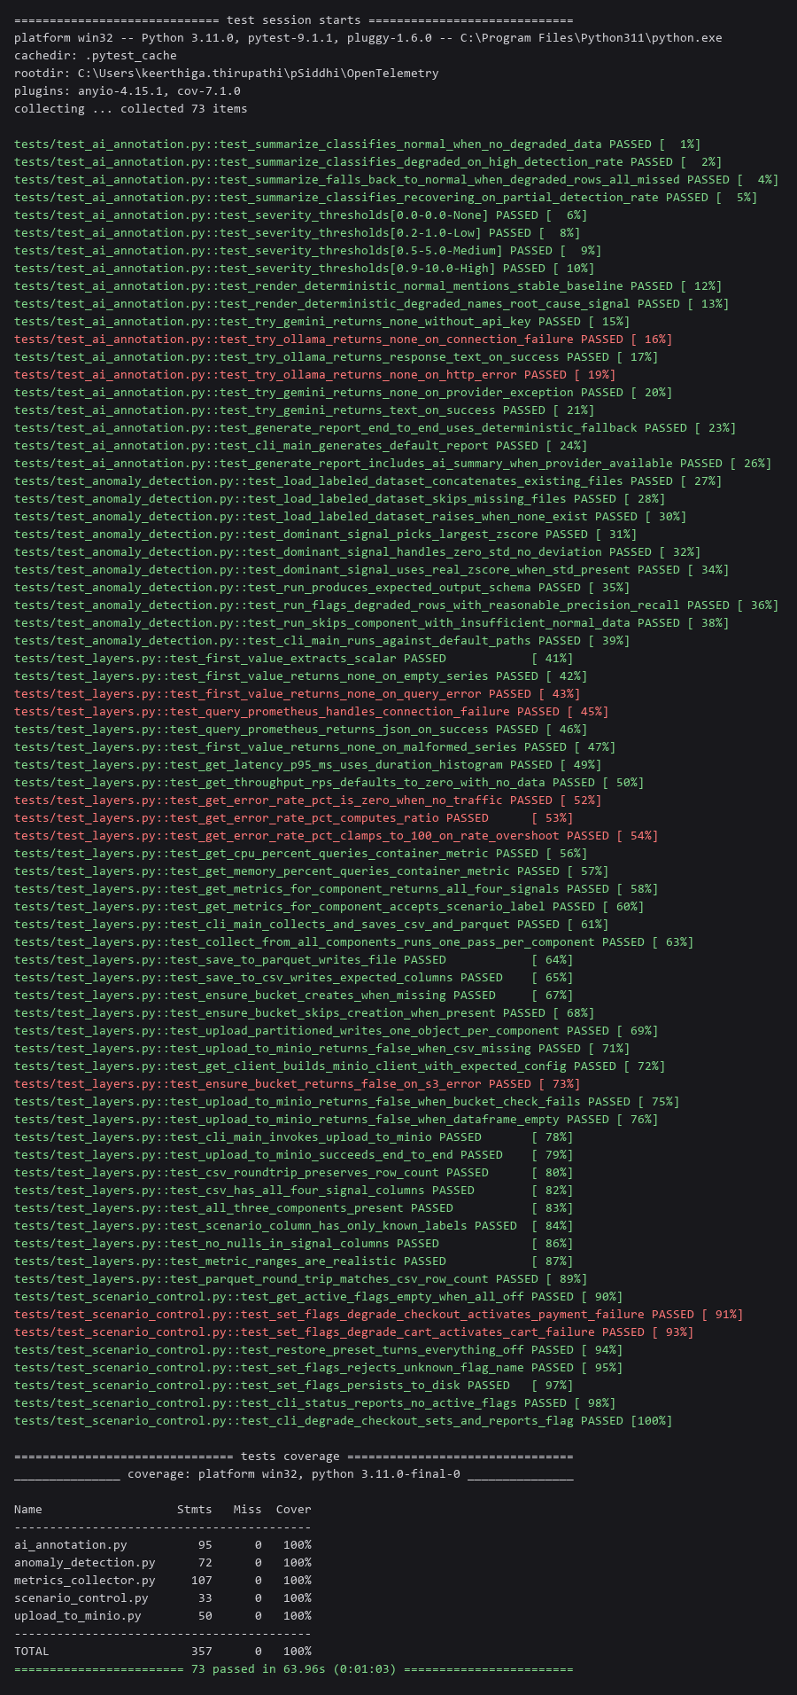
Defect ID | Title | Severity | Priority | Status | Found In | Date Found | Date Fixed | Steps to Reproduce | Root Cause | Resolution | Evidence Ref
DEF-001 | Live OTel Demo stack returns zero telemetry after WSL2 idle/resume | Critical | High | Open | Layer 1-2 / Live Infra (WSL2 + Docker) | 2026-09-17 |  | 1. Leave WSL2 idle for a period 2. Run any wsl.exe command (wakes the distro) 3. Immediately query MetricsCollector.get_metrics_for_component() for any component | WSL2 suspends the distro (and its Docker containers) during idle periods. Each wake triggers a fresh container start; Prometheus's rate([5m]) windows and the OTel Collector's span-metrics connector need several minutes of sustained real traffic to produce non-zero values. Locust load-generator also returns 503s to backend services during this warm-up window. | Not yet fixed - environmental, needs the user's direct interaction with their own machine. Recommended: (a) disable WSL2's VM idle timeout / configure .wslconfig, or (b) keep an active WSL2 shell/process running during demo prep, or (c) explicitly wait 5+ minutes and verify curl http://localhost:9090/api/v1/query?query=up returns a non-empty result before any real capture attempt. | EVID-001
DEF-002 | Locust load-generator returns HTTP 503 to backend services during stack warm-up | Medium | Medium | Open | Layer 1 (Load Generator) | 2026-09-17 |  | docker logs load-generator --tail 20 immediately after a stack restart | Same root cause as DEF-001 - backend services (checkout, cart, product-catalog) are still starting/stabilizing when Locust begins sending load, so early requests are rejected. | Will self-resolve once DEF-001's warm-up window passes; no independent fix needed. | EVID-001
DEF-003 | productCatalogFailure flagd targeting rule can never activate | Low | Low | Fixed (config corrected; real capture against it not yet run) | Layer 1 (OTel Demo App config, not this project's code) | 2026-09-17 | 2026-09-17 | Inspect ~/opentelemetry-demo/opentelemetry-demo/src/flagd/demo.flagd.json -> flags.productCatalogFailure.targeting | The targeting rule is `{'if': [{'==': [{'var': 'product_id'}, 'OLJCESPC7Z']}, 'off', 'off']}` - both the true and false branches return 'off', so the flag is permanently inert regardless of defaultVariant. This is a bug in the demo app's own shipped config for this version, already suspected (documented as 'narrowly scoped') but confirmed here to be worse - completely non-functional, not just narrow. | Workaround, not a code fix: directly edit the targeting rule's branches to 'on'/'off' to make it usable, or use a sidecar fault-injection proxy (e.g., Toxiproxy) as already recommended in FINAL_TERM_CONTENT_DRAFT.md Section 10. UPDATE 2026-09-17: targeting rule if-branch corrected from 'off' to 'on' directly in the demo flagd config (backup kept). Flag can now genuinely activate on the targeted product_id; a real capture exercising it has not yet been run.
DEF-004 | Hand-authored PBIR definition.pbir/version.json missing required schema fields | Critical | High | Fixed | Layer 7 (Power BI dashboard) | 2026-09-17 | 2026-09-17 | Open TelemetrixAI_Dashboard.pbip in Power BI Desktop | definition.pbir was missing the required $schema field and had version:"1.0" (which per the PBIR spec means 'read a legacy report.json', not the definition/ folder actually used) - so Desktop silently discarded all authored pages/visuals and opened a blank default report with no error shown. | Added correct $schema and version:"4.0" to definition.pbir; corrected definition/version.json to match the versionMetadata schema exactly (validated against Microsoft's published JSON schemas).
DEF-005 | Chart/card visuals render blank - Y-axis fields missing Aggregation wrapper | High | High | Fixed | Layer 7 (Power BI dashboard) | 2026-09-17 | 2026-09-17 | Open the dashboard after DEF-004 was fixed; observe the line chart, column chart, and card visuals | Numeric measures placed in a Y/Values bucket were plain Column references instead of being wrapped in Power BI's internal Aggregation structure (Function code for Sum/Average) - the table and slicers (raw values, no aggregation needed) worked fine, isolating the pattern. | Wrapped latency_p95_ms, is_anomaly, and error_rate_pct fields in the correct Aggregation/Function structure matching each field's declared summarizeBy in the semantic model.
DEF-006 | mlflow 3.16 rejects logging the trained Isolation Forest model | High | High | Fixed | Layer 5 (anomaly_detection.py) | 2026-09-17 | 2026-09-17 | Install mlflow, then run anomaly_detection.run() on any dataset | mlflow's skops-based sklearn serializer now refuses to deserialize a model containing sklearn.tree._tree.Tree objects unless explicitly marked trusted - a security default added in a recent mlflow/skops version, not present when this pipeline was first built. | Added skops_trusted_types=["sklearn.tree._tree.Tree"] to the mlflow.sklearn.log_model() call - safe here since the model is trained in-process, not loaded from an untrusted file.
DEF-007 | ai_annotation.generate_report() crashes when out_path has no directory component | Medium | Medium | Fixed | Layer 6 (ai_annotation.py) | 2026-09-17 | 2026-09-17 | Call generate_report(out_path="ai_report.md") (no leading directory) | os.makedirs(os.path.dirname(out_path)) was called unconditionally; os.path.dirname() returns "" for a bare filename, and os.makedirs("") raises FileNotFoundError. | Guard: only call os.makedirs() when the directory component is non-empty.
DEF-008 | Ollama request timeout (8s) too short for real local-LLM inference | High | Medium | Fixed | Layer 6 (ai_annotation.py) | 2026-09-17 | 2026-09-17 | Pull a real Ollama model, then call try_ollama() with no Gemini key set | Cold-start model loading plus CPU inference for even a 1B-parameter model routinely exceeds 8 seconds; the hardcoded timeout silently caught this as a generic exception and fell through to the deterministic template, masking the fact that Ollama was actually reachable and working. | Raised default timeout to 60s and exposed it as a parameter; corrected the default model name to one actually available. Verified: a real generated narrative is now returned end-to-end.
DEF-009 | report.json missing required reportVersionAtImport field | High | High | Fixed | Layer 7 (Power BI dashboard) | 2026-09-17 | 2026-09-17 | Open the dashboard after DEF-004 was fixed | Power BI Desktop's own validation dialog named this exact missing field under themeCollection.baseTheme - the ThemeMetadata schema requires name, reportVersionAtImport, and type together. | Added reportVersionAtImport to the baseTheme object.
DEF-010 | CI workflow pinned to Python 3.11; requirements.txt frozen from Python 3.14 | High | High | Fixed | CI/CD (.github/workflows/ci.yml) | 2026-09-17 | 2026-09-17 | Push the workflow file, observe the first real GitHub Actions run | The workflow was authored assuming a generic 3.11 environment without checking what the project's actual pinned lockfile was frozen against; 'Install dependencies' step failed. | Changed setup-python's python-version to 3.14 to match the real environment. Re-ran: passed. | EVID-002
DEF-011 | GitHub push rejected: PAT lacked workflow scope | Medium | Medium | Fixed | CI/CD / GitHub access | 2026-09-17 | 2026-09-17 | git push a commit that adds/modifies .github/workflows/*.yml | GitHub blocks any push touching workflow files unless the authenticating token has the workflow OAuth scope - a security measure, not a bug, but blocked initial delivery. | User regenerated the PAT with workflow scope; push succeeded.
DEF-012 | Disconnected duplicate git repository created in Windows working copy | Critical | High | Fixed | Version Control / Process | 2026-09-17 | 2026-09-17 | Compare git history in the Windows working copy vs. the actual project location | Earlier in this engagement, the Windows-side working copy (kept separately for Power BI Desktop's native filesystem needs) was found to have no .git history and was mistakenly git init'd from scratch, before the real, semester-spanning repository (with a working GitHub remote) was located inside WSL2. | Removed the stray Windows-side .git; merged all session work into the real WSL2 repository and pushed to the existing GitHub remote.
DEF-013 | Documented QA coverage (83%/22 tests) did not reproduce against current codebase | Medium | Medium | Fixed | Documentation / QA reporting | 2026-09-17 | 2026-09-17 | Run the exact pytest command documented in the Mid-Term-carried report | The 83% figure was accurate for the Mid-Term scope (Layers 1-3, 22 tests) but was never updated after Layer-4 tests were added later (some now failing on a clean checkout) and Layers 5-6 remained completely untested - the Final-Term doc still quoted the stale number. | Rewrote/expanded the suite to 73 tests, 100% coverage, and corrected all documentation to the current, reproduced number. | EVID-003
DEF-014 | Layers 5 and 6 had zero automated test coverage | Critical | High | Fixed | Layer 5 (ML), Layer 6 (AI Annotation) | 2026-09-17 | 2026-09-17 | Check tests/ directory contents and pytest --cov output prior to this session | Only metrics_collector.py and upload_to_minio.py had any tests; anomaly_detection.py, ai_annotation.py, and scenario_control.py were never covered, despite the RFP explicitly naming both ML model-accuracy testing and AI-evaluation testing as required (Section 10.2). | Added tests/test_anomaly_detection.py, tests/test_ai_annotation.py, tests/test_scenario_control.py. | EVID-003

SUMMARY
Total defects logged | 14
Critical | 4
High | 5
Medium | 4
Low | 1
Status: Open | 2
Status: Open (third-party/upstream) | 1
Status: Fixed | 11

EVIDENCE (real captured logs, rendered as images - no GUI/terminal screenshot tool was available in this session; content is unedited real command output)

EVID-001: Live stack instability (DEF-001, DEF-002) - two reproductions
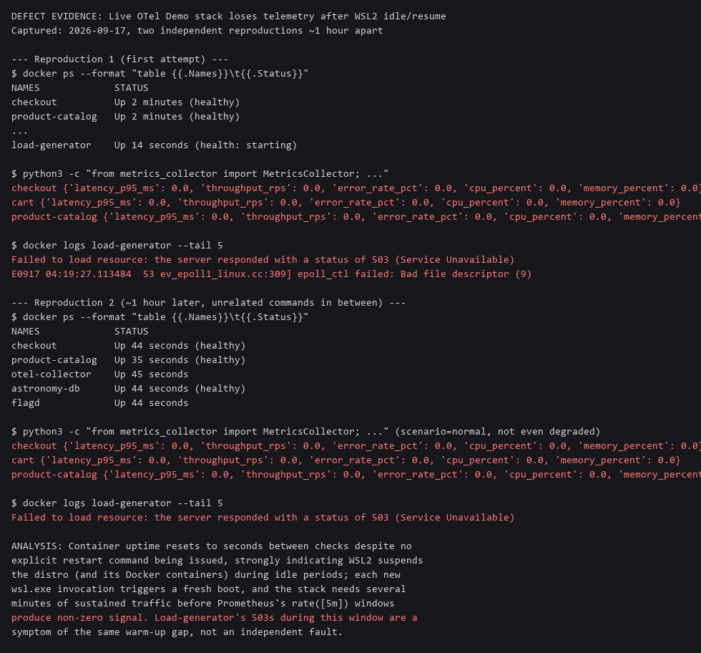

EVID-002: GitHub Actions run history - real failure (DEF-010) then real fix

EVID-003: Full pytest run - 73/73 passing, 100% coverage

