Team Evaluation
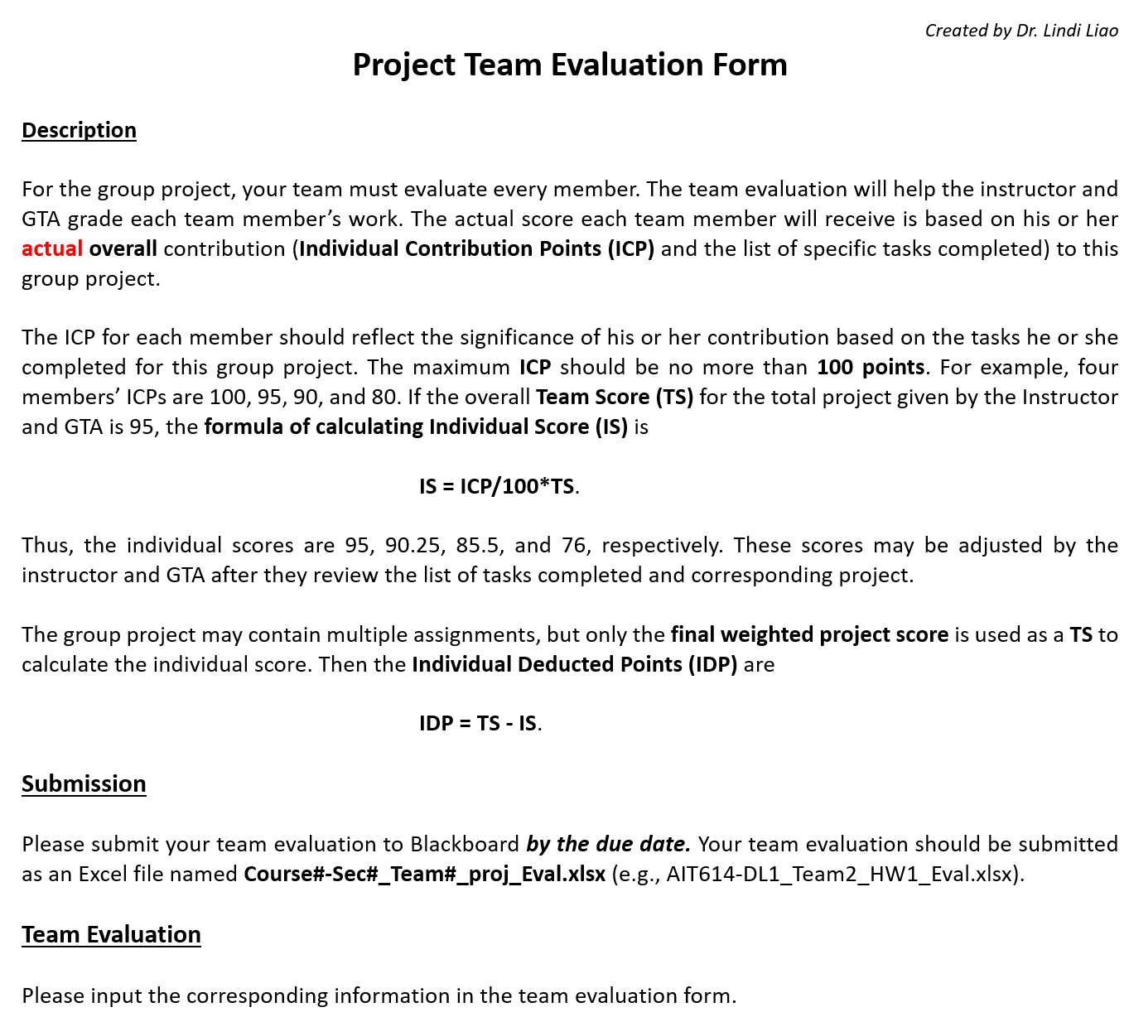

Assignment number or name: | Final Project
Your Team number or name: | Team 1

Team Member's Full Name | ICP | Specific Tasks Completed | IS | IDP
 | (<= 100 points) |  | (Instructor Only) | (Instructor Only)
Aakash A Aundhkar | 100 | Report, slides, Visualizations, Modelling | 0.0 | 0.0
Sanika Suhas Dalvi | 100 | Report, slides, Data Exploration, Validating Results | 0.0 | 0.0
 |  |  | 0.0 | 0.0
 |  |  | 0.0 | 0.0
 |  |  | 0.0 | 0.0
 |  |  | 0.0 | 0.0

Team Score (TS) (Instructor Only)

