Configuratin_Comands&Screenshot
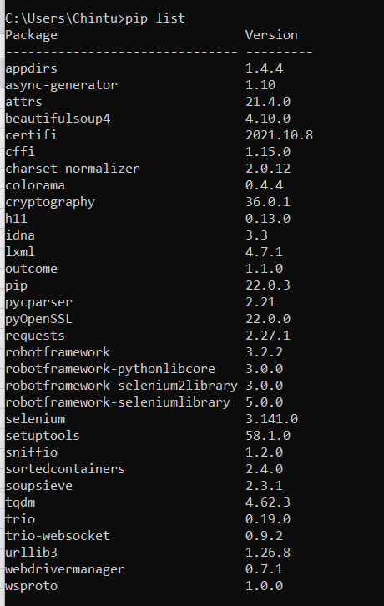
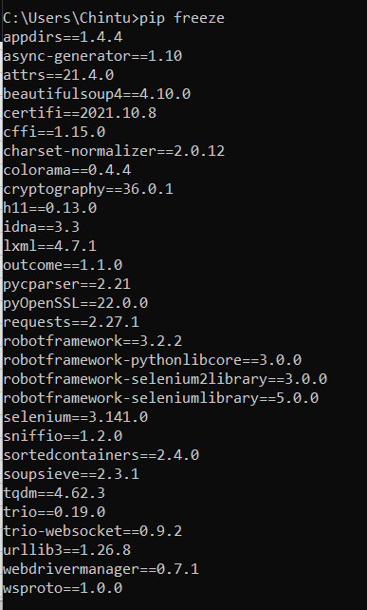
Sl | Tools | Version/Information | Commands used
1 | Framework/Programing Languague | RobotFramework/Python | pip install --no-cache-dir robotframework==3.2.2
2 | Python | 3.10.2
3 | robotframework | 3.2.2
4 | Java | 11.0.11
5 | IDE | Eclipse:4.16
6 | Eclipse Plugin | Editor for robotframework testcases: RED
7 | SeleniumLib | robortframework-seleniumlibrary-5.0.0

