Customize Fill
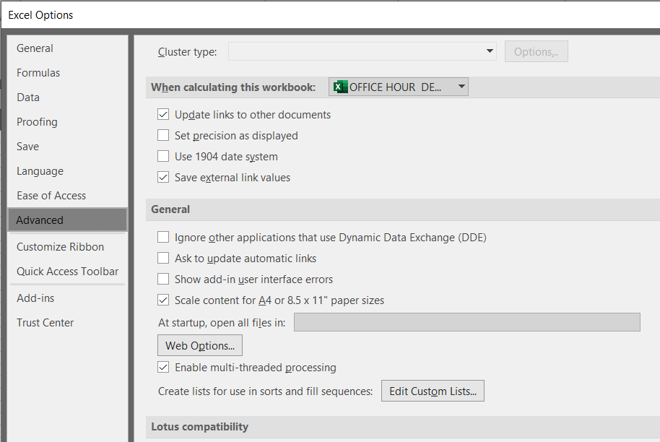
Abia | Monday | Jan
Abuja | Tuesday | Feb |  | East
Adamawa | Wednesday | Mar |  | West
Akwa Ibom | Thursday | Apr |  | North
Anambra | Friday | May |  | South
Bauchi | Saturday | Jun |  | East
Bayelsa | Sunday | Jul |  | West
Benue |  | Aug
Borno |  | Sep
Cross River |  | Oct
Delta |  | Nov
Ebonyi |  | Dec |  | A | 1 | A
Edo |  | Jan |  | B | 2 | B
Ekiti |  |  |  | C |  | C
Enugu |  |  |  | D |  | D
Gombe |  | 0001 | 1 | E |  | E
Imo |  | 0002 |  | F |  | F
Jigawa |  | 0003 |  | G |  | G
Kaduna |  | 0004 |  | H |  | H
Kano |  | 0005 |  | I |  | I
Katsina |  | 0006 |  | J |  | J
Kebbi |  | 0007
Kogi |  | 0008
Kwara |  | 0009
Lagos |  | 0010
Nasarawa
Niger
Ogun
Ondo
Osun
Oyo
Plateau
Rivers
Sokoto
Taraba
Yobe
Zamfara

INDEX MATCH
Month | Chocolate | Strawberry | Vanilla |  | Flavour | Chocolate
Jan | 289 | 892 | 672 |  | Month | Jul
Feb | 780 | 570 | 997 |  | Revenue | 825
Mar | 390 | 654 | 778
Apr | 665 | 678 | 888 |  |  | Jan | Feb | Mar | Apr | May | Jun | Jul | Aug | Sep | Oct | Nov | Dec
May | 856 | 364 | 315 |  | Vanilla | 672 | 997 | 778 | 888 | 315 | 983 | 263 | 472 | 754 | 760 | 730 | 335
Jun | 244 | 783 | 983
Jul | 825 | 881 | 263
Aug | 287 | 455 | 472
Sep | 956 | 690 | 754
Oct | 888 | 993 | 760
Nov | 222 | 639 | 730
Dec | 208 | 783 | 335

 |  |  |  | Jun | 244 | 783 | 983

Index Match data
Month | Chocolate | Strawberry | Vanilla | Month | Jul
Jan | 289 | 892 | 672 | Ice Cream Type | Chocolate
Feb | 780 | 570 | 997 | Revenue | 825
Mar | 390 | 654 | 778
Apr | 665 | 678 | 888
May | 856 | 364 | 315 | Ice Cream Type | Jan | Feb | Mar | Apr | May | Jun | Jul | Aug | Sep | Oct | Nov | Dec
Jun | 244 | 783 | 983 | Chocolate | 289 | 780 | 390 | 665 | 856 | 244 | 825 | 287 | 956 | 888 | 222 | 208
Jul | 825 | 881 | 263
Aug | 287 | 455 | 472
Sep | 956 | 690 | 754
Oct | 888 | 993 | 760
Nov | 222 | 639 | 730
Dec | 208 | 783 | 335

 |  |  |  |  | Months | Chocolate | Strawberry | Vanilla

 |  |  |  |  | Months | Chocolate | Strawberry | Vanilla
 |  |  |  |  | Dec | 208 | 783 | 335

