Report preference partworths
Summary

Preference partworths
Average and standard statistics for preference partworths.
 | Average | Std dev. | Minimum | Maximum
Small Suite | 18.2 | 16.4 | 0.0 | 72.0
Large Room | 10.3 | 13.2 | 0.0 | 43.0
Room Office | 14.8 | 12.6 | 0.0 | 47.0
Teleconferencing capability | 8.5 | 9.7 | 0.0 | 52.0
In-room scan machine | 11.4 | 10.2 | 0.0 | 29.0
Conference room on each floor | 11.0 | 12.1 | 0.0 | 42.0
Exercise room | 8.5 | 10.9 | 0.0 | 56.0
Pool | 10.4 | 10.4 | 0.0 | 39.0
Exercise room + Pool | 10.6 | 11.7 | 0.0 | 38.0
Complimentary shoe shine | 7.9 | 9.1 | 0.0 | 41.0
Complimentary fruit and cheese bowl | 6.3 | 5.0 | 0.0 | 15.0
Free newspaper | 8.9 | 8.6 | 0.0 | 33.0
Complimentary video streaming | 7.9 | 6.2 | 0.0 | 21.0
Free delivery within ten miles | 6.9 | 8.3 | 0.0 | 31.0
No free delivery | 6.9 | 7.9 | 0.0 | 23.0

Average preference partworths

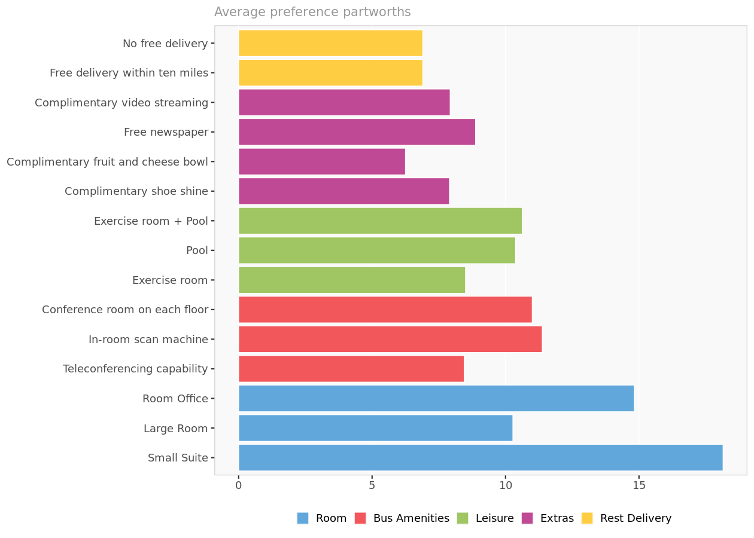

Preference partworths. Average preference partworths for each attribute level.

Attribute importance

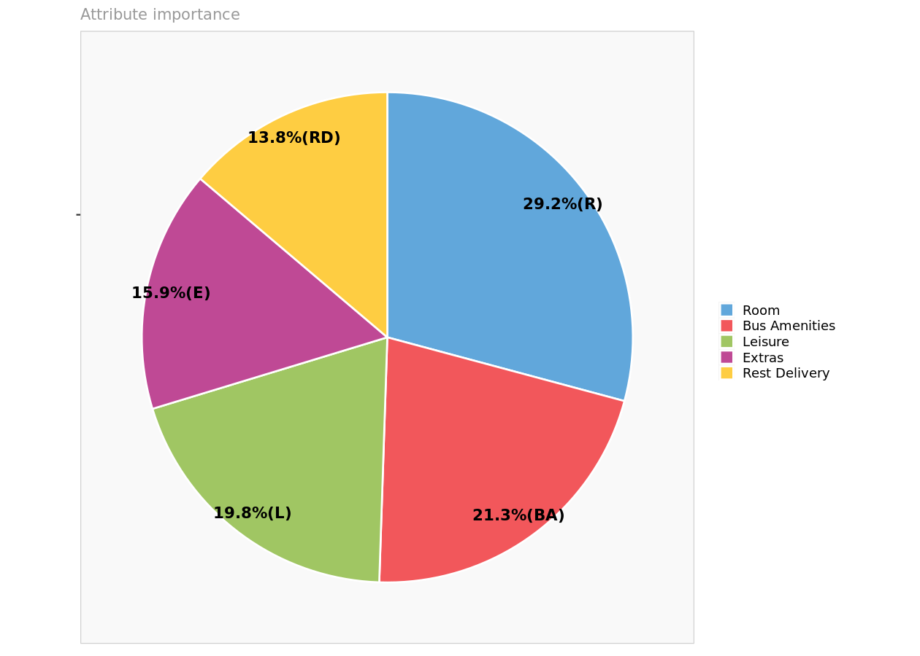

Attribute importance. Reports the maximum level value for each attribute, reflecting the relative importance of each attribute in driving preferences.

Detailed preference partworths

Preference partworths
 | Small Suite | Large Room | Room Office | Teleconferencing capability | In-room scan machine | Conference room on each floor | Exercise room | Pool | Exercise room + Pool | Complimentary shoe shine | Complimentary fruit and cheese bowl | Free newspaper | Complimentary video streaming | Free delivery within ten miles | No free delivery
1 | 0.00 | 9.00 | 11.00 | 52.00 | 13.00 | 0.00 | 0.00 | 8.00 | 10.00 | 17.00 | 6.00 | 13.00 | 0.00 | 0.00 | 10.00
2 | 10.00 | 37.00 | 0.00 | 0.00 | 9.00 | 3.00 | 0.00 | 39.00 | 21.00 | 3.00 | 0.00 | 3.00 | 0.00 | 12.00 | 0.00
3 | 26.00 | 0.00 | 10.00 | 21.00 | 0.00 | 14.00 | 9.00 | 16.00 | 0.00 | 0.00 | 14.00 | 7.00 | 19.00 | 18.00 | 0.00
4 | 8.00 | 0.00 | 22.00 | 13.00 | 25.00 | 0.00 | 0.00 | 12.00 | 6.00 | 22.00 | 12.00 | 0.00 | 15.00 | 0.00 | 19.00
5 | 34.00 | 0.00 | 30.00 | 0.00 | 16.00 | 11.00 | 0.00 | 16.00 | 11.00 | 21.00 | 0.00 | 14.00 | 8.00 | 13.00 | 0.00
6 | 45.00 | 0.00 | 16.00 | 0.00 | 2.00 | 0.00 | 0.00 | 15.00 | 32.00 | 2.00 | 0.00 | 0.00 | 1.00 | 0.00 | 19.00
7 | 17.00 | 7.00 | 0.00 | 7.00 | 24.00 | 0.00 | 5.00 | 0.00 | 32.00 | 2.00 | 15.00 | 8.00 | 0.00 | 0.00 | 12.00
8 | 15.00 | 0.00 | 12.00 | 0.00 | 14.00 | 38.00 | 4.00 | 0.00 | 9.00 | 5.00 | 7.00 | 0.00 | 21.00 | 0.00 | 17.00
9 | 13.00 | 0.00 | 24.00 | 10.00 | 23.00 | 0.00 | 14.00 | 0.00 | 4.00 | 8.00 | 0.00 | 24.00 | 12.00 | 15.00 | 0.00
10 | 11.00 | 20.00 | 0.00 | 9.00 | 0.00 | 19.00 | 14.00 | 0.00 | 32.00 | 5.00 | 0.00 | 18.00 | 12.00 | 11.00 | 0.00
11 | 0.00 | 27.00 | 7.00 | 4.00 | 0.00 | 2.00 | 56.00 | 19.00 | 0.00 | 4.00 | 10.00 | 0.00 | 6.00 | 3.00 | 0.00
12 | 8.00 | 0.00 | 31.00 | 8.00 | 0.00 | 10.00 | 10.00 | 4.00 | 0.00 | 0.00 | 7.00 | 15.00 | 18.00 | 31.00 | 0.00
13 | 20.00 | 0.00 | 14.00 | 0.00 | 7.00 | 21.00 | 9.00 | 0.00 | 5.00 | 41.00 | 13.00 | 10.00 | 0.00 | 0.00 | 9.00
14 | 0.00 | 19.00 | 5.00 | 10.00 | 22.00 | 0.00 | 32.00 | 16.00 | 0.00 | 9.00 | 11.00 | 0.00 | 3.00 | 16.00 | 0.00
15 | 14.00 | 31.00 | 0.00 | 14.00 | 0.00 | 13.00 | 7.00 | 25.00 | 0.00 | 13.00 | 0.00 | 18.00 | 8.00 | 12.00 | 0.00
16 | 6.00 | 16.00 | 0.00 | 0.00 | 16.00 | 9.00 | 7.00 | 0.00 | 33.00 | 5.00 | 0.00 | 9.00 | 13.00 | 0.00 | 22.00
17 | 0.00 | 7.00 | 47.00 | 0.00 | 8.00 | 25.00 | 9.00 | 6.00 | 0.00 | 4.00 | 12.00 | 8.00 | 0.00 | 0.00 | 7.00
18 | 34.00 | 0.00 | 16.00 | 6.00 | 27.00 | 0.00 | 8.00 | 0.00 | 14.00 | 4.00 | 0.00 | 10.00 | 8.00 | 0.00 | 15.00
19 | 12.00 | 0.00 | 28.00 | 5.00 | 0.00 | 37.00 | 0.00 | 20.00 | 11.00 | 8.00 | 12.00 | 0.00 | 6.00 | 4.00 | 0.00
20 | 0.00 | 12.00 | 34.00 | 9.00 | 22.00 | 0.00 | 0.00 | 5.00 | 6.00 | 15.00 | 0.00 | 22.00 | 8.00 | 16.00 | 0.00
21 | 72.00 | 43.00 | 0.00 | 7.00 | 6.00 | 0.00 | 7.00 | 0.00 | 10.00 | 0.00 | 0.00 | 5.00 | 5.00 | 0.00 | 6.00
22 | 21.00 | 10.00 | 0.00 | 12.00 | 26.00 | 0.00 | 0.00 | 21.00 | 3.00 | 21.00 | 9.00 | 13.00 | 0.00 | 0.00 | 11.00
23 | 0.00 | 16.00 | 8.00 | 16.00 | 29.00 | 0.00 | 0.00 | 29.00 | 20.00 | 0.00 | 13.00 | 6.00 | 9.00 | 14.00 | 0.00
24 | 47.00 | 0.00 | 20.00 | 21.00 | 0.00 | 10.00 | 12.00 | 16.00 | 0.00 | 10.00 | 0.00 | 8.00 | 11.00 | 5.00 | 0.00
25 | 28.00 | 0.00 | 33.00 | 11.00 | 29.00 | 0.00 | 0.00 | 1.00 | 3.00 | 6.00 | 0.00 | 26.00 | 4.00 | 0.00 | 9.00
26 | 0.00 | 16.00 | 22.00 | 5.00 | 0.00 | 22.00 | 12.00 | 6.00 | 0.00 | 24.00 | 8.00 | 0.00 | 12.00 | 0.00 | 20.00
27 | 50.00 | 27.00 | 0.00 | 0.00 | 19.00 | 4.00 | 11.00 | 0.00 | 7.00 | 0.00 | 8.00 | 5.00 | 4.00 | 12.00 | 0.00
28 | 10.00 | 0.00 | 29.00 | 7.00 | 11.00 | 0.00 | 0.00 | 31.00 | 17.00 | 1.00 | 9.00 | 16.00 | 0.00 | 13.00 | 0.00
29 | 34.00 | 0.00 | 11.00 | 23.00 | 13.00 | 0.00 | 4.00 | 12.00 | 0.00 | 5.00 | 0.00 | 8.00 | 14.00 | 17.00 | 0.00
30 | 23.00 | 0.00 | 7.00 | 0.00 | 15.00 | 29.00 | 7.00 | 0.00 | 5.00 | 9.00 | 5.00 | 18.00 | 0.00 | 0.00 | 23.00
31 | 20.00 | 0.00 | 16.00 | 10.00 | 0.00 | 27.00 | 7.00 | 10.00 | 0.00 | 0.00 | 12.00 | 20.00 | 16.00 | 23.00 | 0.00
32 | 13.00 | 43.00 | 0.00 | 11.00 | 0.00 | 12.00 | 10.00 | 25.00 | 0.00 | 0.00 | 8.00 | 6.00 | 4.00 | 0.00 | 12.00
33 | 0.00 | 7.00 | 18.00 | 0.00 | 27.00 | 18.00 | 12.00 | 0.00 | 27.00 | 4.00 | 8.00 | 0.00 | 14.00 | 0.00 | 14.00
34 | 27.00 | 0.00 | 23.00 | 0.00 | 13.00 | 42.00 | 0.00 | 4.00 | 7.00 | 8.00 | 6.00 | 0.00 | 3.00 | 0.00 | 16.00
35 | 36.00 | 18.00 | 0.00 | 18.00 | 8.00 | 0.00 | 0.00 | 11.00 | 24.00 | 0.00 | 6.00 | 8.00 | 8.00 | 14.00 | 0.00
36 | 16.00 | 0.00 | 33.00 | 0.00 | 16.00 | 10.00 | 13.00 | 0.00 | 10.00 | 0.00 | 11.00 | 33.00 | 18.00 | 0.00 | 5.00
37 | 14.00 | 0.00 | 30.00 | 6.00 | 0.00 | 19.00 | 20.00 | 10.00 | 0.00 | 4.00 | 6.00 | 0.00 | 13.00 | 0.00 | 18.00
38 | 25.00 | 0.00 | 17.00 | 13.00 | 0.00 | 8.00 | 0.00 | 20.00 | 38.00 | 0.00 | 10.00 | 4.00 | 12.00 | 0.00 | 12.00
39 | 17.00 | 32.00 | 0.00 | 0.00 | 15.00 | 15.00 | 31.00 | 0.00 | 28.00 | 12.00 | 7.00 | 0.00 | 5.00 | 10.00 | 0.00
40 | 0.00 | 14.00 | 19.00 | 10.00 | 0.00 | 22.00 | 10.00 | 18.00 | 0.00 | 24.00 | 5.00 | 0.00 | 7.00 | 17.00 | 0.00

Simulations with existing pr...
Existing products

Existing products
Characteristics of products already in the marketplace.
 | Room | Bus Amenities | Leisure | Extras | Rest Delivery
Courtyard by Marriott | Small Suite | In-room scan machine | Exercise room + Pool | Complimentary video streaming | Free delivery within ten miles
Nittany Lion Inn | Large Room | In-room scan machine | Exercise room | Complimentary video streaming | Free delivery within ten miles
Atherton Hilton | Large Room | In-room scan machine | Exercise room | Complimentary fruit and cheese bowl | No free delivery
Toftrees | Small Suite | In-room scan machine | Exercise room + Pool | Complimentary video streaming | No free delivery
Scanticon | Room Office | Conference room on each floor | Exercise room + Pool | Complimentary shoe shine | Free delivery within ten miles

Predicted market shares
The decision rule applied to predict market shares is the share-of-preference rule.

Predicted and actual market shares
 | Courtyard by Marriott | Nittany Lion Inn | Atherton Hilton | Toftrees | Scanticon
Predicted | 21.4% | 18.0% | 17.5% | 21.4% | 21.7%
Actual | 30.0% | 20.0% | 20.0% | 15.0% | 15.0%

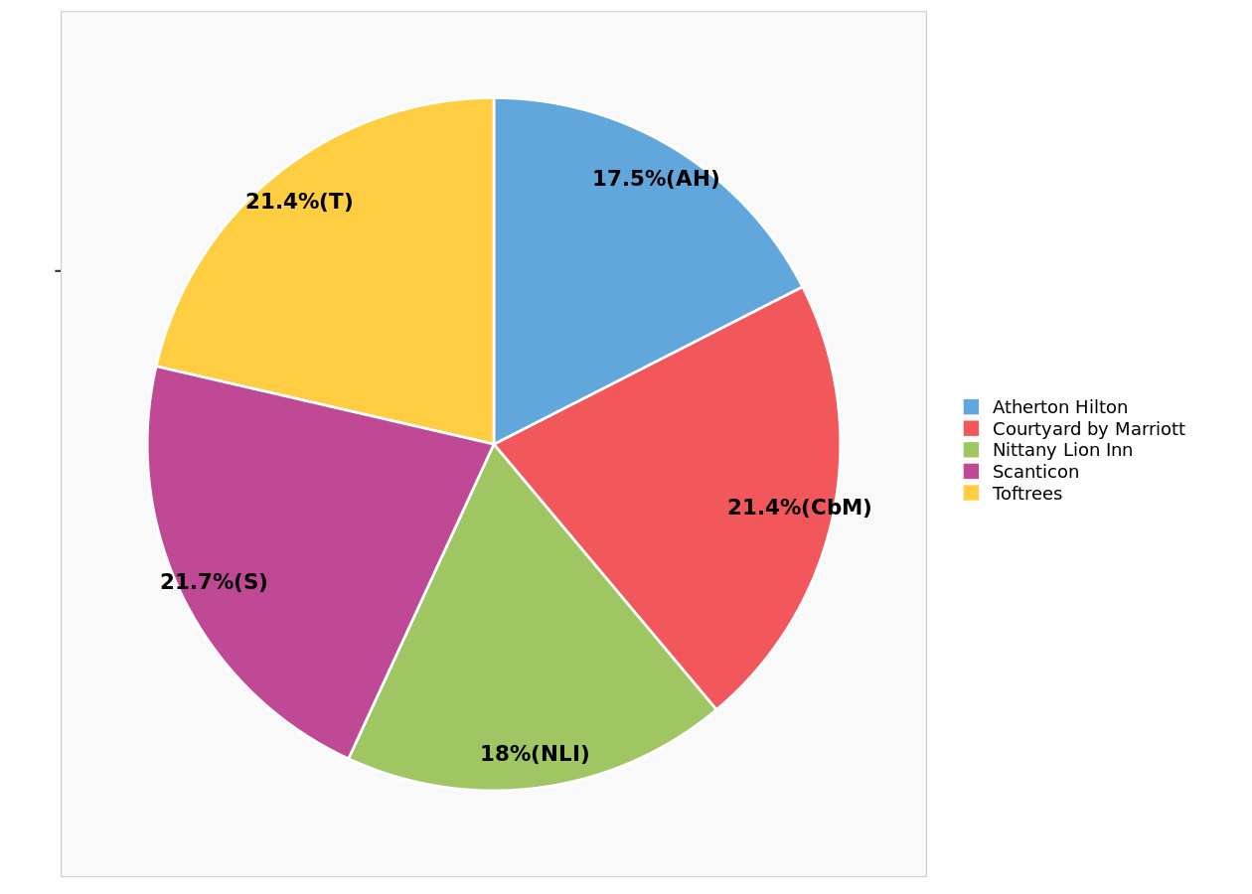

Predicted market shares.

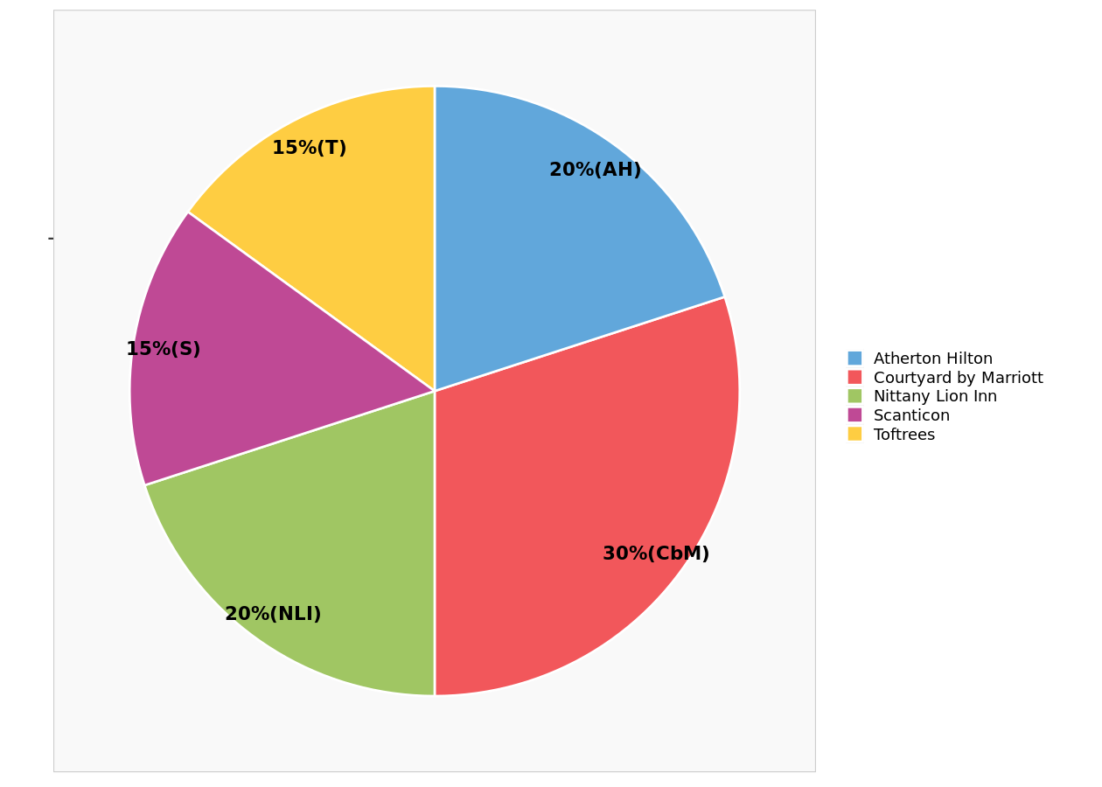

Actual market shares.

Detailed predictions

Detailed predictions
Detail of choice predictions, among existing products.
 | Courtyard by Marriott | Nittany Lion Inn | Atherton Hilton | Toftrees | Scanticon | Courtyard by Marriott | Nittany Lion Inn | Atherton Hilton | Toftrees | Scanticon
1 | 23 | 22 | 38 | 33 | 38 | 14.9% | 14.3% | 24.7% | 21.4% | 24.7%
2 | 52 | 58 | 46 | 40 | 39 | 22.1% | 24.7% | 19.6% | 17.0% | 16.6%
3 | 63 | 46 | 23 | 45 | 42 | 28.8% | 21.0% | 10.5% | 20.5% | 19.2%
4 | 54 | 40 | 56 | 73 | 50 | 19.8% | 14.7% | 20.5% | 26.7% | 18.3%
5 | 82 | 37 | 16 | 69 | 86 | 28.3% | 12.8% | 5.5% | 23.8% | 29.7%
6 | 80 | 3 | 21 | 99 | 50 | 31.6% | 1.2% | 8.3% | 39.1% | 19.8%
7 | 73 | 36 | 63 | 85 | 34 | 25.1% | 12.4% | 21.6% | 29.2% | 11.7%
8 | 59 | 39 | 42 | 76 | 64 | 21.1% | 13.9% | 15.0% | 27.1% | 22.9%
9 | 67 | 64 | 37 | 52 | 51 | 24.7% | 23.6% | 13.7% | 19.2% | 18.8%
10 | 66 | 57 | 34 | 55 | 67 | 23.7% | 20.4% | 12.2% | 19.7% | 24.0%
11 | 9 | 92 | 93 | 6 | 16 | 4.2% | 42.6% | 43.1% | 2.8% | 7.4%
12 | 57 | 59 | 17 | 26 | 72 | 24.7% | 25.5% | 7.4% | 11.3% | 31.2%
13 | 32 | 16 | 38 | 41 | 81 | 15.4% | 7.7% | 18.3% | 19.7% | 38.9%
14 | 41 | 92 | 84 | 25 | 30 | 15.1% | 33.8% | 30.9% | 9.2% | 11.0%
15 | 34 | 58 | 38 | 22 | 38 | 17.9% | 30.5% | 20.0% | 11.6% | 20.0%
16 | 68 | 52 | 61 | 90 | 47 | 21.4% | 16.4% | 19.2% | 28.3% | 14.8%
17 | 8 | 24 | 43 | 15 | 76 | 4.8% | 14.5% | 25.9% | 9.0% | 45.8%
18 | 83 | 43 | 50 | 98 | 34 | 26.9% | 14.0% | 16.2% | 31.8% | 11.0%
19 | 33 | 10 | 12 | 29 | 88 | 19.2% | 5.8% | 7.0% | 16.9% | 51.2%
20 | 52 | 58 | 34 | 36 | 71 | 20.7% | 23.1% | 13.5% | 14.3% | 28.3%
21 | 93 | 61 | 62 | 99 | 10 | 28.6% | 18.8% | 19.1% | 30.5% | 3.1%
22 | 50 | 36 | 56 | 61 | 24 | 22.0% | 15.9% | 24.7% | 26.9% | 10.6%
23 | 72 | 68 | 58 | 58 | 42 | 24.2% | 22.8% | 19.5% | 19.5% | 14.1%
24 | 63 | 28 | 12 | 58 | 45 | 30.6% | 13.6% | 5.8% | 28.2% | 21.8%
25 | 64 | 33 | 38 | 73 | 42 | 25.6% | 13.2% | 15.2% | 29.2% | 16.8%
26 | 12 | 40 | 56 | 32 | 68 | 5.8% | 19.2% | 26.9% | 15.4% | 32.7%
27 | 92 | 73 | 65 | 80 | 23 | 27.6% | 21.9% | 19.5% | 24.0% | 6.9%
28 | 51 | 24 | 20 | 38 | 60 | 26.4% | 12.4% | 10.4% | 19.7% | 31.1%
29 | 78 | 48 | 17 | 61 | 33 | 32.9% | 20.3% | 7.2% | 25.7% | 13.9%
30 | 43 | 22 | 50 | 66 | 50 | 18.6% | 9.5% | 21.6% | 28.6% | 21.6%
31 | 59 | 46 | 19 | 36 | 66 | 26.1% | 20.4% | 8.4% | 15.9% | 29.2%
32 | 17 | 57 | 73 | 29 | 12 | 9.0% | 30.3% | 38.8% | 15.4% | 6.4%
33 | 68 | 60 | 68 | 82 | 67 | 19.7% | 17.4% | 19.7% | 23.8% | 19.4%
34 | 50 | 16 | 35 | 66 | 80 | 20.2% | 6.5% | 14.2% | 26.7% | 32.4%
35 | 90 | 48 | 32 | 76 | 38 | 31.7% | 16.9% | 11.3% | 26.8% | 13.4%
36 | 60 | 47 | 45 | 65 | 53 | 22.2% | 17.4% | 16.7% | 24.1% | 19.6%
37 | 27 | 33 | 44 | 45 | 53 | 13.4% | 16.3% | 21.8% | 22.3% | 26.2%
38 | 75 | 12 | 22 | 87 | 63 | 29.0% | 4.6% | 8.5% | 33.6% | 24.3%
39 | 75 | 93 | 85 | 65 | 65 | 19.6% | 24.3% | 22.2% | 17.0% | 17.0%
40 | 24 | 48 | 29 | 7 | 82 | 12.6% | 25.3% | 15.3% | 3.7% | 43.2%

Simulations with optimal pro...
Optimal products
Based on the number of attributes and attribute levels, there is a total of 216 possible product combinations.
We report the characteristics of the 4 non-dominated products among those 216 combinations. A product is said to be
non-dominated when there is no other product that provides at the same time a higher predicted market share and a higher
weighted revenue.

Optimal products
Characteristics of optimal products potentially introduced in the marketplace.
 | Room | Bus Amenities | Leisure | Extras | Rest Delivery
Optimal product 1 | Small Suite | Conference room on each floor | Exercise room | Complimentary shoe shine | No free delivery
Optimal product 2 | Small Suite | Conference room on each floor | Exercise room | Free newspaper | No free delivery
Optimal product 3 | Small Suite | Conference room on each floor | Pool | Complimentary shoe shine | No free delivery
Optimal product 4 | Small Suite | Conference room on each floor | Pool | Free newspaper | No free delivery

Pareto frontier
The chart below displays all the possible product combinations in terms of weighted revenue (horizontal axis) and
predicted market shares (vertical axis).
The red dots represent the non-dominated products, that is, the products for which there exists no alternative that
provides at the same time higher market shares and higher weighted revenue. The labels next to them indicate their index
in the table below.
The grey dots represent dominated products.
The red line represents the Pareto frontier, linking all non-dominated products together.

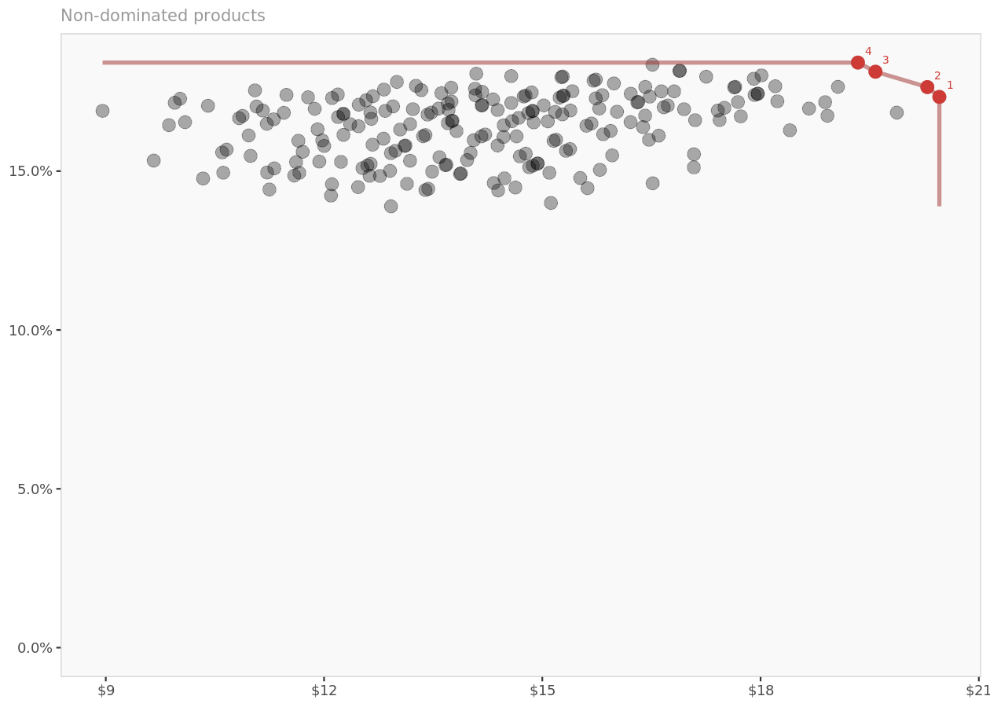

Pareto frontier. Non-dominated products (in terms of market shares and weighted revenue) are in red, dominated products are in gray, and the red line represents the Pareto frontier.

Predicted market shares and revenue

Simulation results
Predicted market shares, revenue per unit, and weighted revenue (i.e., revenue per unit multiplied by predicted market shares) for each optimal product.
 | Courtyard by Marriott | Nittany Lion Inn | Atherton Hilton | Toftrees | Scanticon | Optimal product | Revenue per unit | Weighted revenue
Base predictions | 21.4% | 18.0% | 17.5% | 21.4% | 21.7% | N/A | N/A | N/A
...with optimal product 1 | 17.9% | 15.0% | 14.4% | 17.7% | 17.7% | 0.17336672148 | 118 | 20.457273134
...with optimal product 2 | 17.7% | 14.9% | 14.4% | 17.6% | 17.7% | 0.17645376412 | 115 | 20.292182874
...with optimal product 3 | 17.6% | 15.0% | 14.4% | 17.4% | 17.5% | 0.18128912545 | 108 | 19.579225549
...with optimal product 4 | 17.4% | 14.9% | 14.4% | 17.3% | 17.5% | 0.18417046856 | 105 | 19.337899199

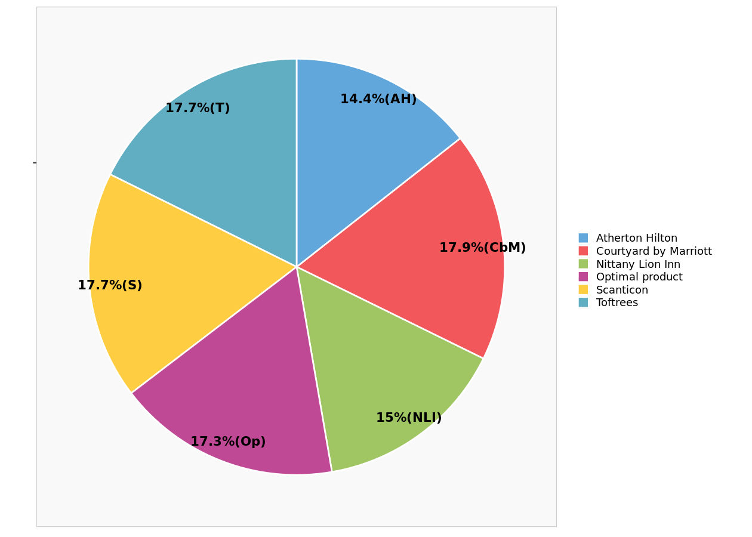

Predicted market shares ...with optimal product 1.



Predicted market shares ...with optimal product 2.

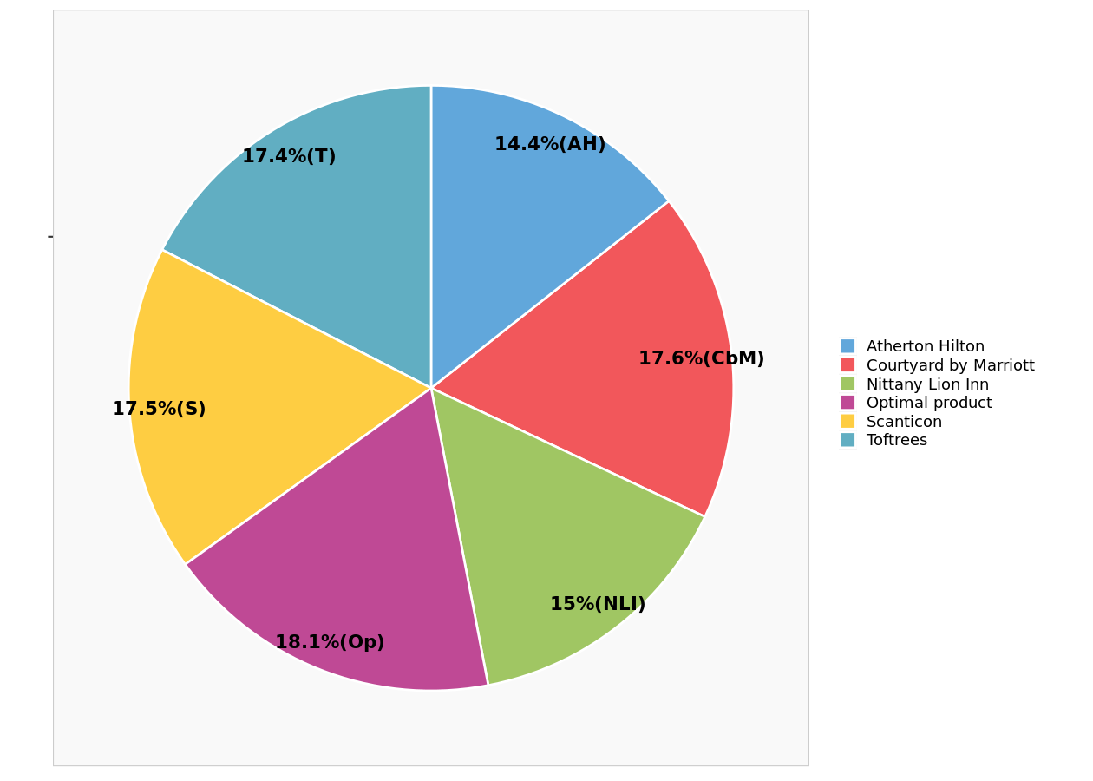

Predicted market shares ...with optimal product 3.



Predicted market shares ...with optimal product 4.

