Dimensions
Number of dimensions retained
You have decided to display the first 2 dimensions, which account for a total of 97.7% of the variance in the data.

Variance explained
Variance and cumulated variance explained, by dimension.
 | Variance explained | Cumulative variance
Dimension 1 | 66.9% | 66.9%
Dimension 2 | 30.8% | 97.7%
Dimension 3 | 2.3% | 100.0%
Dimension 4 | 0.0% | 100.0%

Variance explained

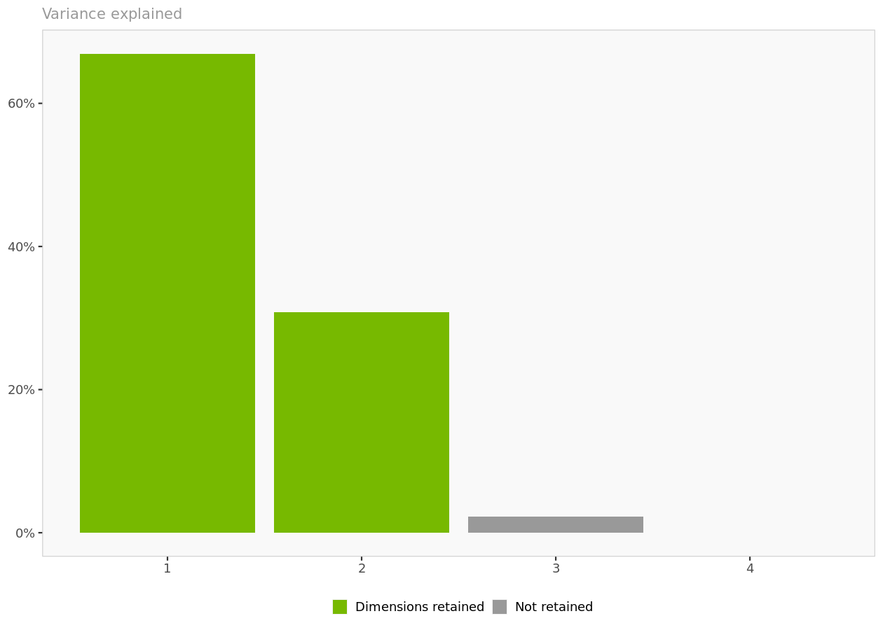

Variance explained. Each additional dimension captures a decreasing portion of the variance found in the original data.

Cumulative variance explained

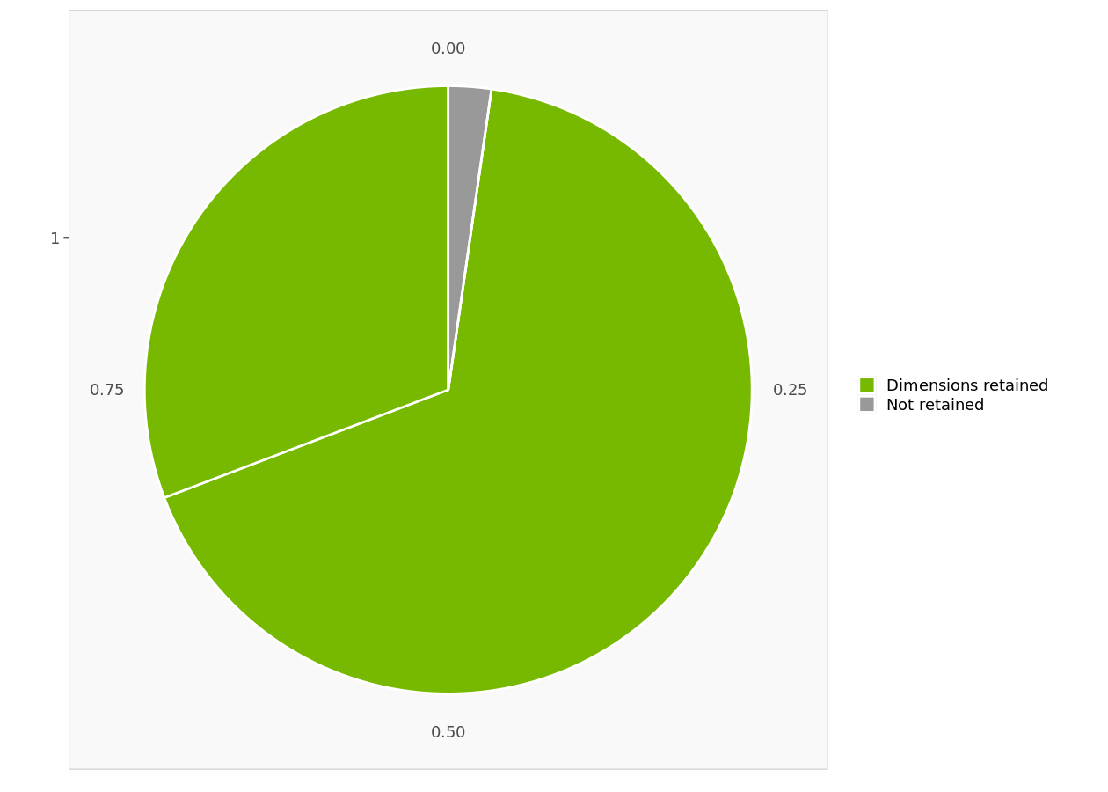

Cummulative variance explained. The first 2 dimensions account for 97.7 % of the variance in the data.

Objects
Interpretation
In this section, only the objects (e.g., brands) are displayed on the perceptual map.
In interpreting the map, remember that the closer two objects are, the more similar they are perceived to be, that is,
the more similar they rate on the underlying attributes.

Dimensions I-II
 | y-axis = Dimension 2
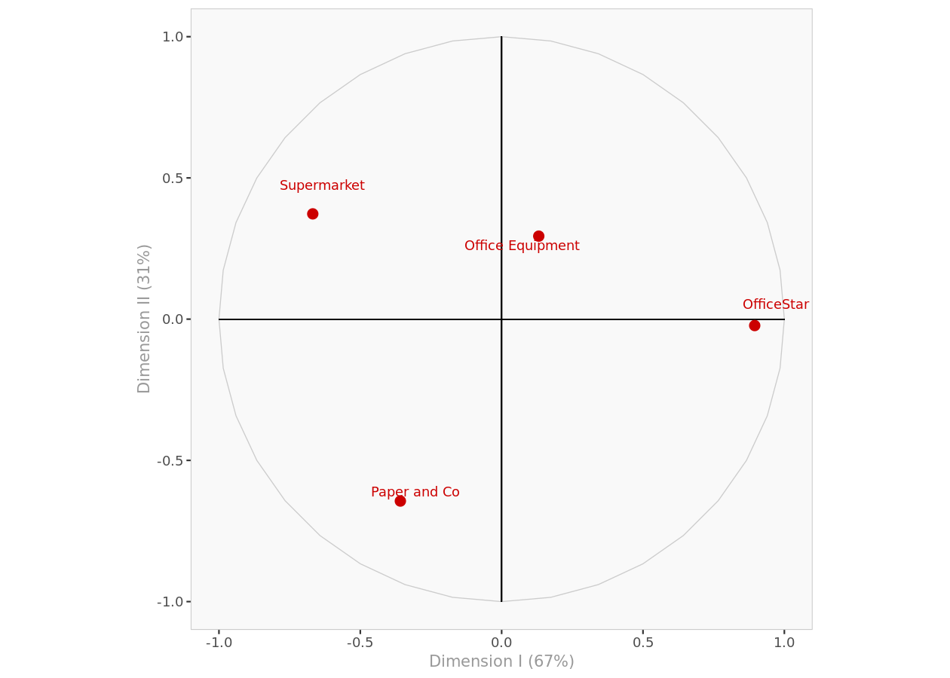

 |  |  | x-axis= dimension 1

Objects I-II. Object position on the first and second dimensions of the perceptual map.

Coordinates

Object coordinates
Displays the coordinates of all the objects in every dimension.
 | Dimension I | Dimension II
OfficeStar | 0.895 | -0.023
Paper and Co | -0.358 | -0.644
Office Equipment | 0.131 | 0.294
Supermarket | -0.668 | 0.373

Attributes
Interpretation
In interpreting the direction of the attributes, remember that:
- Two attributes that go in the same direction are positively correlated, that is, an object rated high on one attribute will usually be rated high on the other.
- Two attributes that are perpendicular to one another are uncorrelated.
- Two attributes that go in opposite directions are negatively correlated, that is, an object rated high on one attribute will often rate low on the other, and vice-versa.
In interpreting the length of the vector representing the attributes:
- The longer the attribute vector, the better that attribute is captured by the two dimensions displayed.
- If an attribute appears very close to the origin when looking at dimensions I and II, it could be longer and be better captured by dimension III.

Dimensions I-II

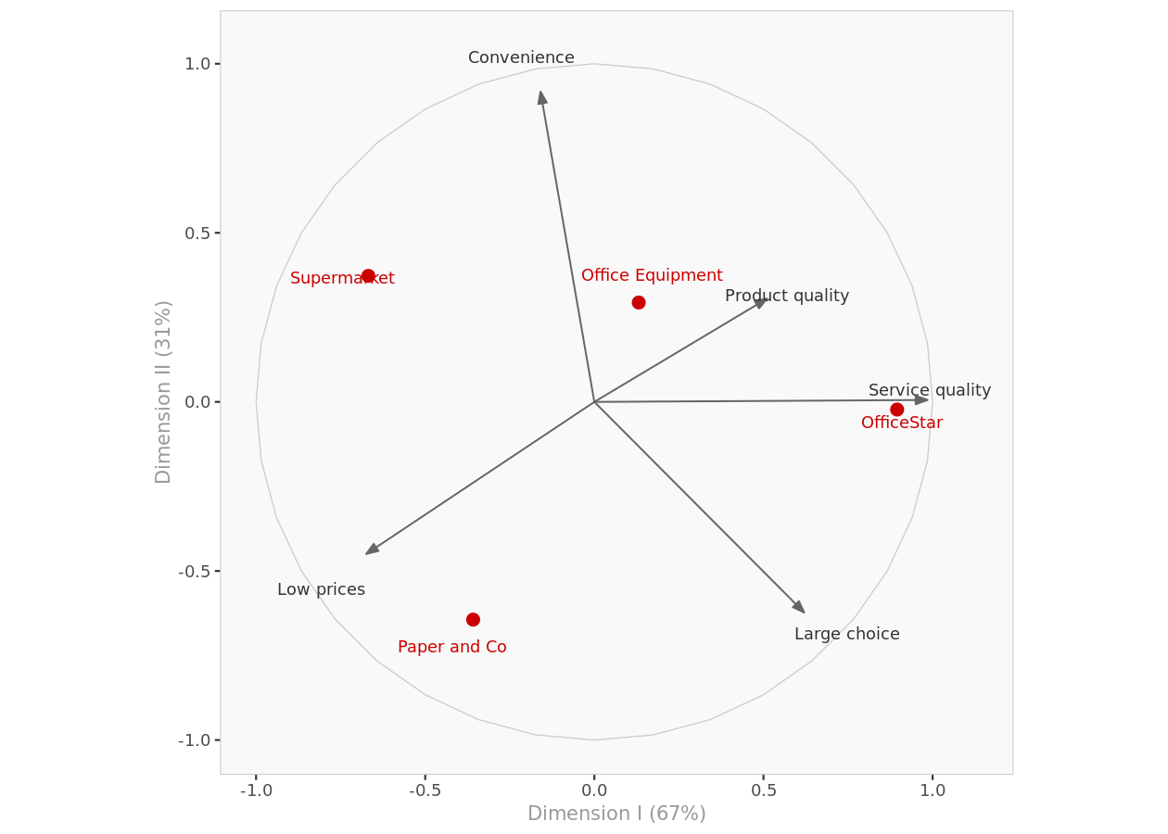

Attributes I-II. Objects and attributes on the first and second dimensions of the perceptual map.

Coordinates

Attributes coordinates
Displays the coordinates of all the attributes in every dimension.
 | Dimension I | Dimension II
Large choice | 0.620 | -0.623
Low prices | -0.674 | -0.450
Service quality | 0.985 | 0.006
Product quality | 0.510 | 0.305
Convenience | -0.159 | 0.917

Summary

Attributes' coordinates positions
Displays the names of the attributes depending of their position along each dimension.
 | Dimension I | Dimension II
1 | Service quality | Convenience

Factor loadings
Displays the factor loadings of attributes.
 | Dimension I | Dimension II | Dimension III
Large choice | 0.1672 | -0.1678 | 0.1284
Low prices | -0.1836 | -0.1224 | -0.1595
Service quality | 0.2035 | 0.0012 | 0.0358
Product quality | 0.1822 | 0.1090 | -0.2869
Convenience | -0.0502 | 0.2893 | 0.1150

Mean and standard deviation
Displays the means and standard deviations of the attributes.
 | Mean | Stdev
Large choice | 3.950 | 1.2234
Low prices | 3.325 | 1.1558
Service quality | 2.850 | 1.0472
Product quality | 3.075 | 0.4646
Convenience | 3.475 | 1.7366

Preferences
Dimensions I-II

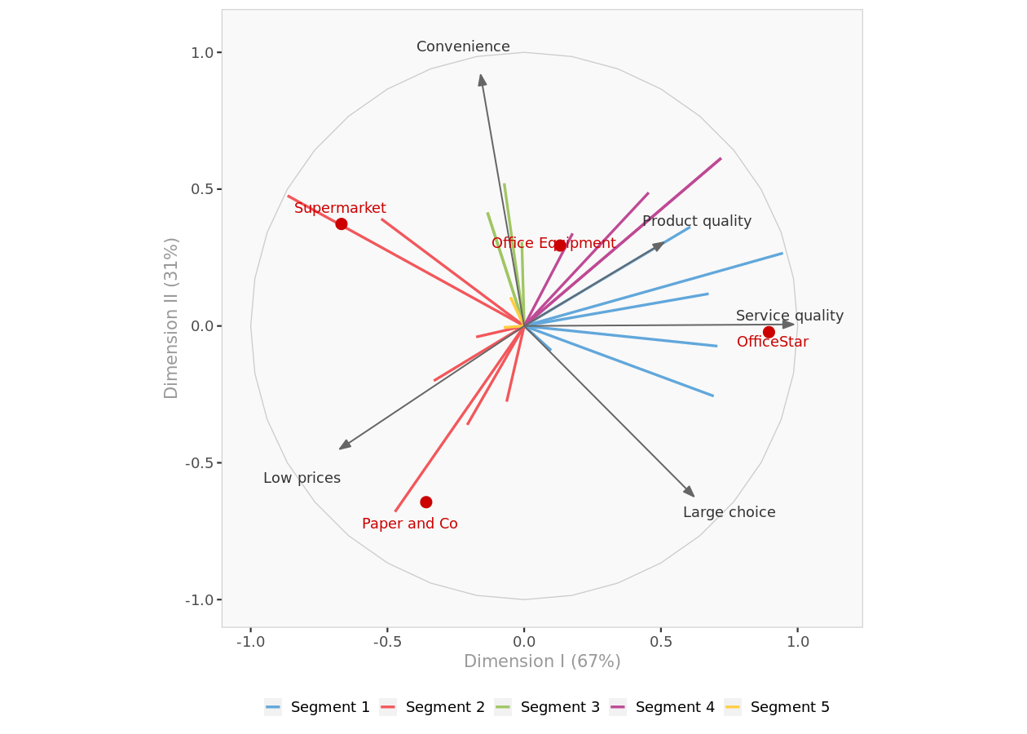

Perceptual Map I-II. Complete perceptual map with objects, attributes and preferences on the first and second dimensions.

Preference data

Average brand preference
For each brand, displays its average preference value in decreasing order.
 | Average preference
OfficeStar | 3.46
Supermarket | 3.42
Office Equipment | 3.21
Paper and Co | 2.71

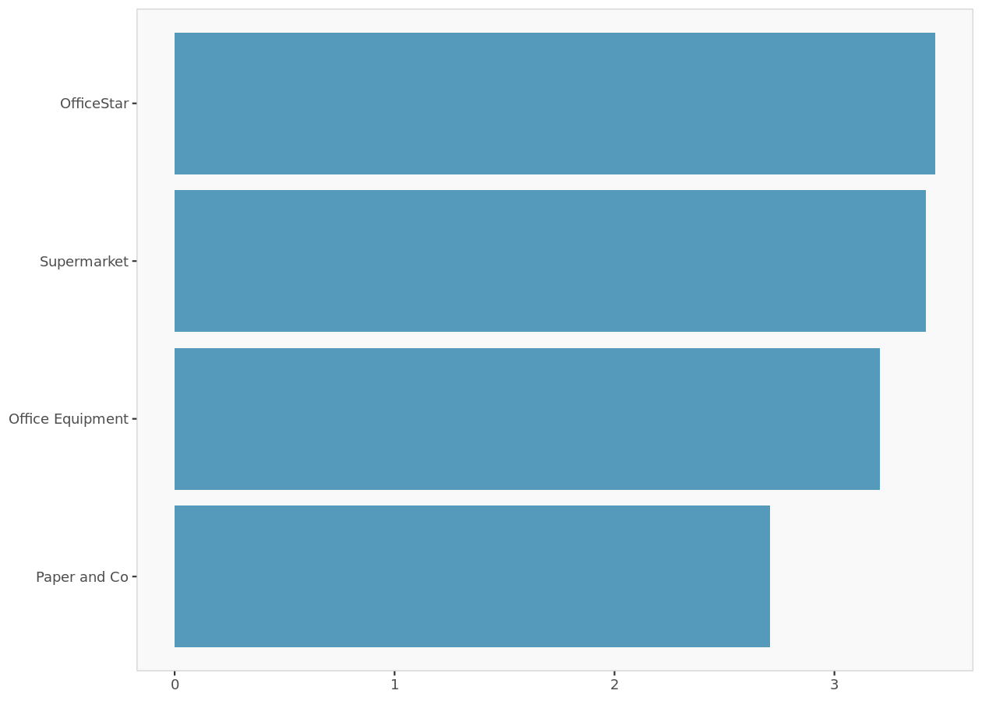

Average preferences histogram. For each brand, displays its average preference value.

Customer preferences
Displays the coordinates of customer preferences in every dimension.
 | Dimension I | Dimension II | Dimension III
Lori | 0.099 | -0.089 | -0.991
Mary | -0.176 | -0.040 | -0.984
Radjeep | -0.523 | 0.391 | -0.757
Antoine | -0.073 | 0.522 | -0.850
Yoshi | -0.134 | 0.415 | -0.900
Hubert | 0.707 | -0.074 | 0.704
Michael | 0.720 | 0.613 | -0.324
Elisabeth | -0.050 | 0.105 | 0.993
Mike | 0.607 | 0.362 | -0.707
Hal | -0.208 | -0.361 | -0.909
Beth | -0.865 | 0.476 | -0.156
Thaj | -0.009 | 0.307 | -0.952
Carol | -0.134 | 0.415 | -0.900
Charlotte | 0.946 | 0.266 | -0.183
Barry | 0.455 | 0.487 | 0.745
Megan | -0.050 | 0.105 | 0.993
Jonny | 0.675 | 0.118 | -0.729
Sebastion | -0.064 | -0.277 | -0.959
Ralph | -0.331 | -0.200 | 0.922
Marie | 0.177 | 0.338 | -0.924
Steve | -0.473 | -0.679 | -0.561
Alan | 0.693 | -0.256 | -0.674
Dirk | 0.720 | 0.613 | -0.324
Ruth | -0.075 | -0.005 | 0.997

Segment preferences
Dimensions I-II

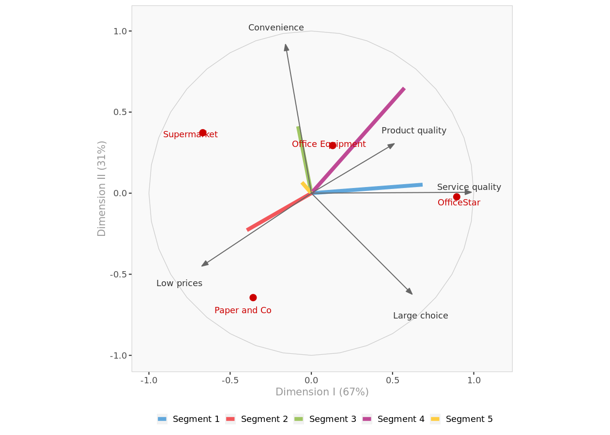

Segment perceptual Map I-II. Complete perceptual map with objects, attributes and average segment preferences on the first and second dimensions.

Preference data

Average brand preference
For each brand, displays its average overall preferences and average preferences by segments(if segmentation option is chosen).
 | Average preference | Segment 1 | Segment 2 | Segment 3 | Segment 4 | Segment 5
OfficeStar | 3.46 | 4.33 | 2.71 | 3.00 | 5.00 | 2.00
Supermarket | 3.42 | 1.83 | 4.29 | 4.75 | 3.25 | 3.00
Office Equipment | 3.21 | 2.67 | 2.71 | 2.75 | 4.00 | 5.00
Paper and Co | 2.71 | 2.00 | 4.29 | 1.50 | 1.75 | 3.33

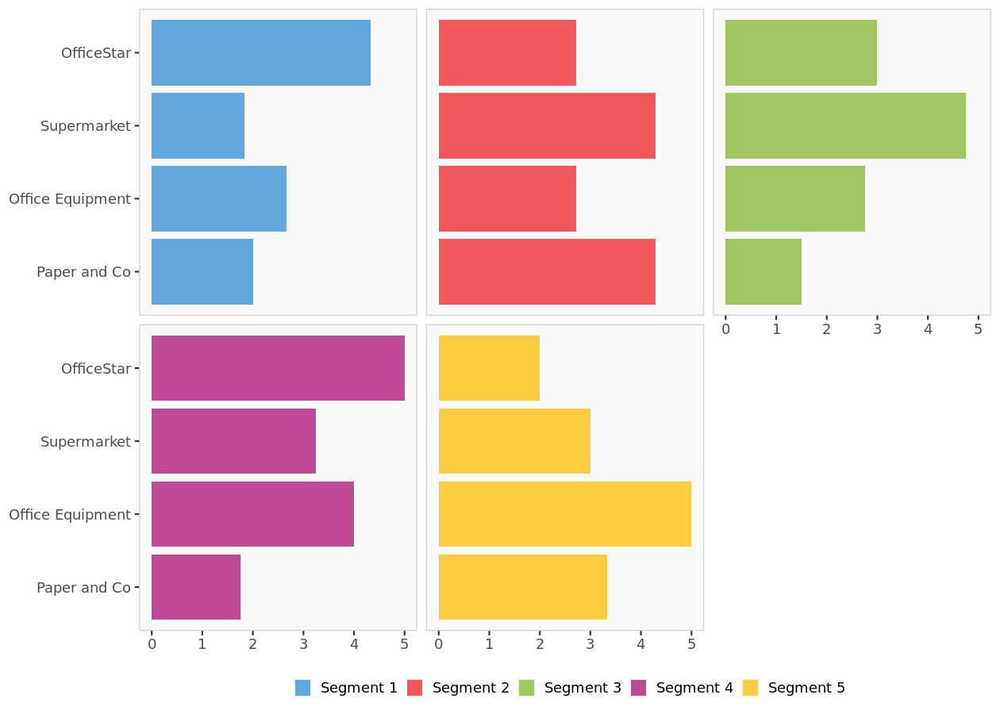

Average segment preference. For each segment, displays its average preference value of each brand.

Segment preferences
Displays the coordinates of the average preference vector for each segment.
 | Dimension I | Dimension II | Dimension III
Segment 1 | 0.685 | 0.053 | -0.727
Segment 2 | -0.397 | -0.228 | -0.889
Segment 3 | -0.082 | 0.413 | -0.907
Segment 4 | 0.573 | 0.649 | -0.501
Segment 5 | -0.058 | 0.067 | 0.996

Segment membership
Displays segment membership of each customer.
 | Segment
1 | Segment 1
2 | Segment 2
3 | Segment 2
4 | Segment 3
5 | Segment 3
6 | Segment 1
7 | Segment 4
8 | Segment 5
9 | Segment 1
10 | Segment 2
11 | Segment 2
12 | Segment 3
13 | Segment 3
14 | Segment 1
15 | Segment 4
16 | Segment 5
17 | Segment 1
18 | Segment 2
19 | Segment 2
20 | Segment 4
21 | Segment 2
22 | Segment 1
23 | Segment 4
24 | Segment 5

Market shares
Introduction
The following charts display simulations of the market shares a new product would achieve, depending on its position on
the perceptual maps.
When two dimensions are displayed (e.g., Dimensions I and II), the new product is assumed to be at the center of the
third dimension (e.g., Dimension III = 0).
These computations assume that all the other existing objects (i.e., products) will remain in the market, in their
respective positions, and compete with the new entrant.
Market shares are estimated based on stated customers' preferences and the first-choice-rule.

Dimension I-II

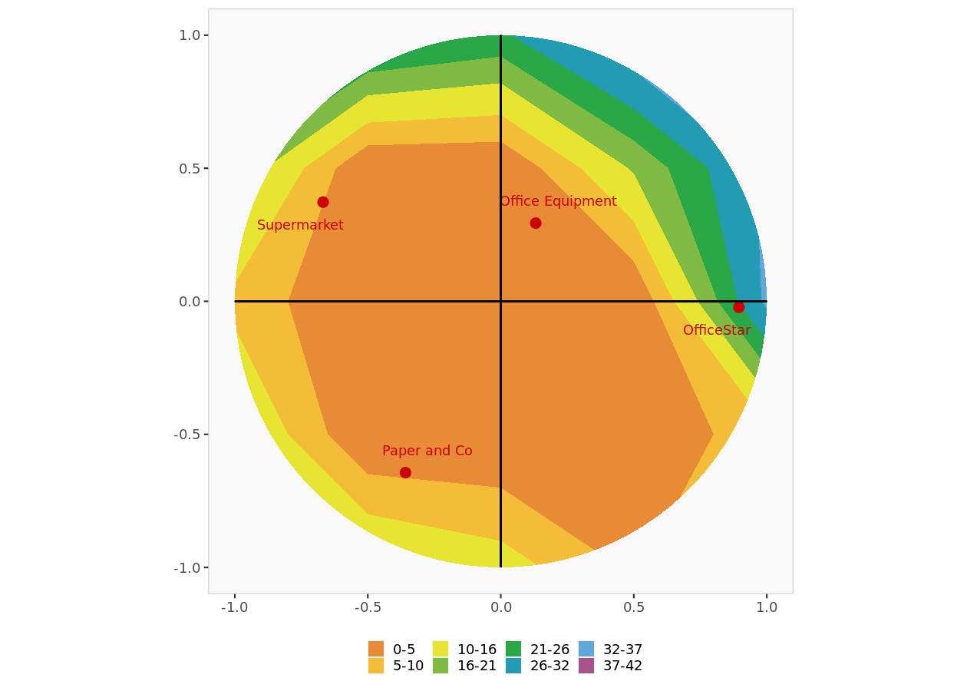

Market shares Dimension I-II. Objects positions along with market shares

Preference beta values
 | Intercept | Dimension I | Dimention II
1 | 3.00 | 0.548 | -0.494
2 | 3.50 | -1.310 | -0.300
3 | 3.25 | -1.602 | 1.199
4 | 3.00 | -0.445 | 3.175
5 | 3.25 | -0.702 | 2.169
6 | 2.50 | 1.859 | -0.194
7 | 3.50 | 1.636 | 1.394
8 | 3.25 | -0.454 | 0.953
9 | 2.75 | 2.279 | 1.358
10 | 3.50 | -1.088 | -1.888
11 | 3.00 | -1.122 | 0.617
12 | 2.50 | -0.059 | 2.134
13 | 3.25 | -0.702 | 2.169
14 | 2.75 | 1.379 | 0.388
15 | 3.75 | 1.731 | 1.852
16 | 3.25 | -0.454 | 0.953
17 | 3.00 | 2.022 | 0.353
18 | 3.75 | -0.446 | -1.923
19 | 3.75 | -1.542 | -0.935
20 | 3.25 | 1.320 | 2.522
21 | 3.75 | -0.994 | -1.429
22 | 2.25 | 1.764 | -0.653
23 | 3.50 | 1.636 | 1.394
24 | 3.50 | -0.711 | -0.052

Market share parameter table
 | Parameter | Value
1 | Rule | First-choice
2 | alpha | none

Actual preference data
 | OfficeStar | Paper and Co | Office Equipment | Supermarket
Lori | 4 | 3 | 2 | 3
Mary | 3 | 4 | 2 | 5
Radjeep | 2 | 3 | 3 | 5
Antoine | 3 | 1 | 3 | 5
Yoshi | 3 | 2 | 3 | 5
Hubert | 4 | 2 | 3 | 1
Michael | 5 | 2 | 4 | 3
Elisabeth | 2 | 3 | 5 | 3
Mike | 5 | 1 | 3 | 2
Hal | 3 | 5 | 2 | 4
Beth | 2 | 3 | 3 | 4
Thaj | 3 | 1 | 2 | 4
Carol | 3 | 2 | 3 | 5
Charlotte | 4 | 2 | 3 | 2
Barry | 5 | 2 | 5 | 3
Megan | 2 | 3 | 5 | 3
Jonny | 5 | 2 | 3 | 2
Sebastion | 4 | 5 | 2 | 4
Ralph | 2 | 5 | 4 | 4
Marie | 5 | 1 | 3 | 4
Steve | 3 | 5 | 3 | 4
Alan | 4 | 2 | 2 | 1
Dirk | 5 | 2 | 4 | 3
Ruth | 2 | 4 | 5 | 3

Perceptual data
Perceptual data

Perceptual data overview
Perception values for each attribute are shown in red if they are significantly (1 standard deviation) less than average perception of all brands. Perception values are shown in green if they are significantly more than average perception of all brands.
 | OfficeStar | Paper and Co | Office Equipment | Supermarket
Large choice | 5.2 | 4.4 | 3.9 | 2.3
Low prices | 2.1 | 4.5 | 2.6 | 4.1
Service quality | 4.2 | 2.3 | 3.1 | 1.8
Product quality | 3.7 | 2.6 | 3.1 | 2.9
Convenience | 2.7 | 1.4 | 4.7 | 5.1

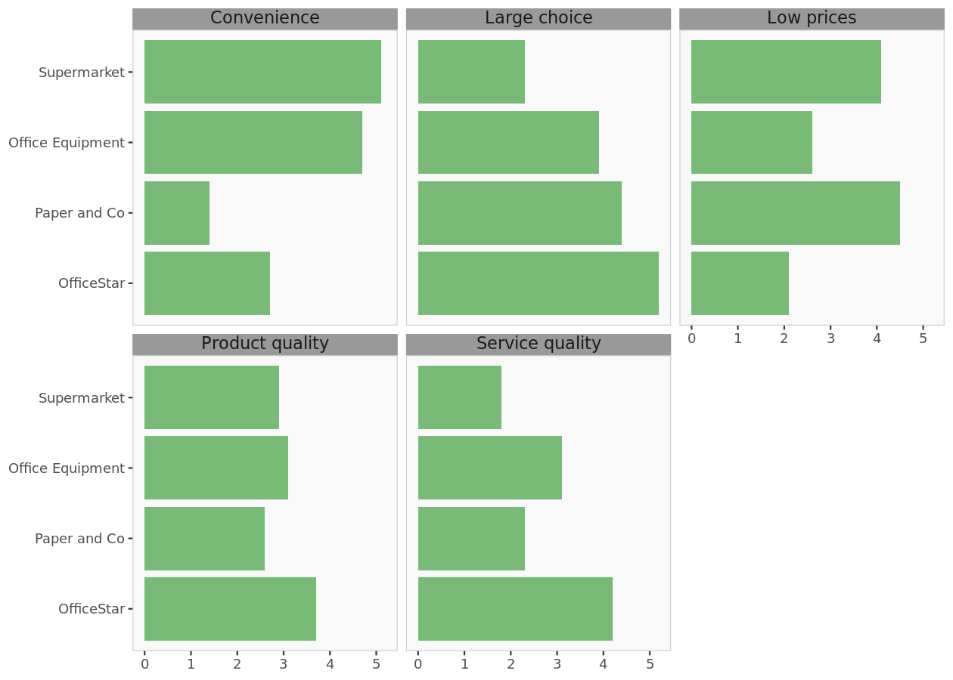

Attributes histograms. For each attribute, this chart displays a histogram of brand positions.

