Not all sizes&Slow seller
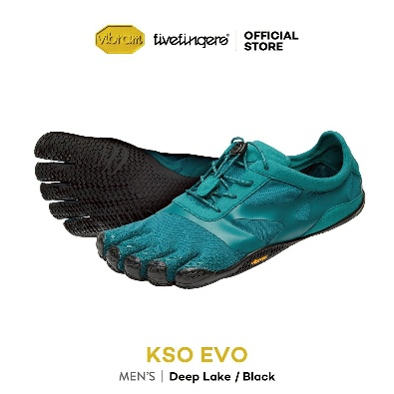
Code | Name | Barcode | Sale price | office | Event K-village 30% | Event Promenade | Event Asoke | Dis | Dis Price |  | 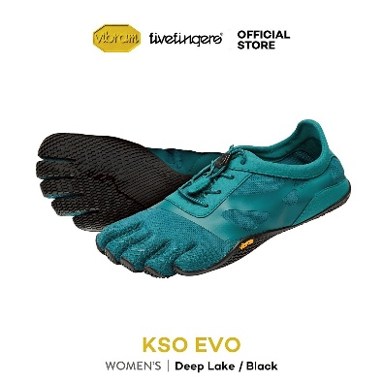
VFF0009(DL/BK,M40) | VFF KSO EVO(M40, Deep Lake/Black) | 840213251215 | 5,200.00 | 2 |  |  | 1 | 20% | 4160
VFF0009(DL/BK,M41) | VFF KSO EVO(M41, Deep Lake/Black) | 840213251215 | 5,200.00 | 8 |  | 1 | 1 | 20% | 4160
VFF0009(DL/BK,M42) | VFF KSO EVO(M42, Deep Lake/Black) | 840213251222 | 5,200.00 | 24 |  | 2 | 2 | 20% | 4160
VFF0009(DL/BK,M43) | VFF KSO EVO(M43, Deep Lake/Black) | 840213251239 | 5,200.00 | 28 |  | 2 | 2 | 20% | 4160
VFF0009(DL/BK,M44) | VFF KSO EVO(M44, Deep Lake/Black) | 840213251246 | 5,200.00 | 17 |  | 1 | 2 | 20% | 4160
VFF0009(DL/BK,M45) | VFF KSO EVO(M45, Deep Lake/Black) | 840213251253 | 5,200.00 | 11 |  | 1 | 1 | 20% | 4160
VFF0009(DL/BK,M46) | VFF KSO EVO(M46, Deep Lake/Black) | 840213251260 | 5,200.00 | 5 |  |  | 1 | 20% | 4160
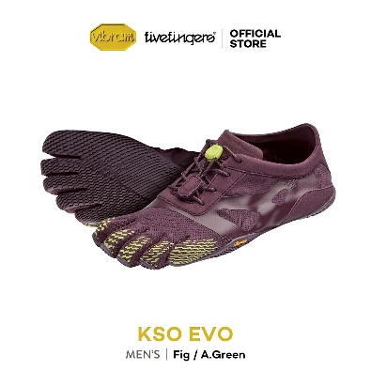

VFF0009(DL/BK,M47) | VFF KSO EVO(M47, Deep Lake/Black) | 840213251277 | 5,200.00 | 5 |  |  | 1 | 20% | 4160
VFF0009(DL/BK,W37) | VFF KSO EVO(W37, Deep Lake/Black) | 840213251338 | 5,200.00 | 3 |  |  | 1 | 20% | 4160
VFF0009(DL/BK,W38) | VFF KSO EVO(W38, Deep Lake/Black) | 840213251345 | 5,200.00 | 3 |  | 1 | 2 | 20% | 4160
VFF0009(DL/BK,W39) | VFF KSO EVO(W39, Deep Lake/Black) | 840213251352 | 5,200.00 | 9 |  | 2 | 2 | 20% | 4160
VFF0009(DL/BK,W40) | VFF KSO EVO(W40, Deep Lake/Black) | 840213251369 | 5,200.00 | 5 |  | 1 | 1 | 20% | 4160
VFF0009(DL/BK,W41) | VFF KSO EVO(W41, Deep Lake/Black) | 840213251376 | 5,200.00 | 0 |  |  |  | 20% | 4160
VFF0009(F/GN,M40) | VFF KSO EVO(M40, Fig/A Green) |  | 5,200.00 | 0 |  |  |  | 20% | 4160
VFF0009(F/GN,M42) | VFF KSO EVO(M42, Fig/A Green) | 840213251451 | 5,200.00 | 7 |  | 2 | 2 | 20% | 4160
VFF0009(F/GN,M43) | VFF KSO EVO(M43, Fig/A Green) | 840213251468 | 5,200.00 | 6 |  | 2 | 2 | 20% | 4160
VFF0009(F/GN,M44) | VFF KSO EVO(M44, Fig/A Green) | 840213251475 | 5,200.00 | 6 |  | 2 | 2 | 20% | 4160
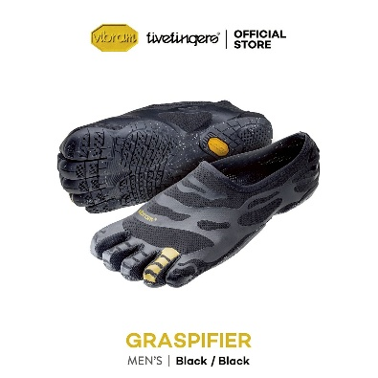
VFF0009(F/GN,M45) | VFF KSO EVO(M45, Fig/A Green) | 840213251482 | 5,200.00 | 0 |  |  |  | 20% | 4160
VFF0009(F/GN,M47) | VFF KSO EVO(M47, Fig/A Green) | 840213251505 | 5,200.00 | 0 |  |  |  | 20% | 4160
VFF0009(F/GN,W37) | VFF KSO EVO(W37, Fig/A Green) | 840213246440 | 5,200.00 | 9 |  | 1 | 1 | 20% | 4160
VFF0009(F/GN,W38) | VFF KSO EVO(W38, Fig/A Green) | 840213246457 | 5,200.00 | 8 |  | 2 | 2 | 20% | 4160
VFF0009(F/GN,W39) | VFF KSO EVO(W39, Fig/A Green) | 840213246464 | 5,200.00 | 20 |  | 2 | 2 | 20% | 4160
VFF0009(F/GN,W40) | VFF KSO EVO(W40, Fig/A Green) | 840213246471 | 5,200.00 | 10 |  | 1 | 1 | 20% | 4160
VFF0009(F/GN,W41) | VFF KSO EVO(W41, Fig/A Green) | 840213246488 | 5,200.00 | 6 |  |  | 1 | 20% | 4160
VFF0021(BK,M45) | VFF Graspifier(M45, Black) | 840213240141 | 4,900.00 | 1 |  |  | 1 | 20% | 3920 | toe Yellow
VFF0021(BK,M46) | VFF Graspifier(M46, Black) | 840213240158 | 4,900.00 | 1 |  |  | 1 | 20% | 3920 | toe Yellow
VFF0021(BK,M47) | VFF Graspifier(M47, Black) | 840213240165 | 4,900.00 | 2 |  |  | 2 | 20% | 3920 | toe Yellow
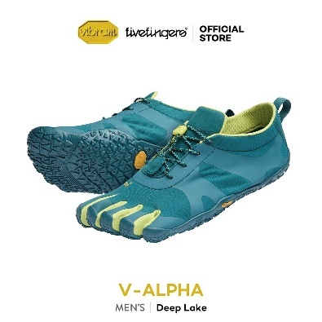
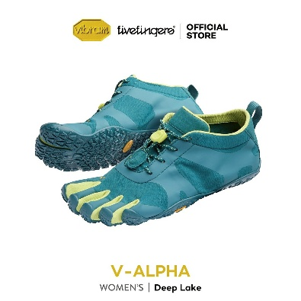
VFF0023(DL,M40) | VFF V-Alpha(M40, Deep Lake) | 840213245566 | 5,800.00 | 0 |  |  |  | 20% | 4640
VFF0023(DL,M41) | VFF V-Alpha(M41, Deep Lake) | 840213245573 | 5,800.00 | 0 |  |  |  | 20% | 4640
VFF0023(DL,M42) | VFF V-Alpha(M42, Deep Lake) | 840213245580 | 5,800.00 | 2 |  |  | 1 | 20% | 4640
VFF0023(DL,M43) | VFF V-Alpha(M43, Deep Lake) | 840213245597 | 5,800.00 | 1 |  |  | 1 | 20% | 4640
VFF0023(DL,M46) | VFF V-Alpha(M46, Deep Lake) | 840213245627 | 5,800.00 | 1 |  |  | 1 | 20% | 4640
VFF0023(DL,M47) | VFF V-Alpha(M47, Deep Lake) | 840213245634 | 5,800.00 | 3 |  |  | 1 | 20% | 4640
VFF0023(DL,W36) | VFF V-Alpha(W36, Deep Lake) | 840213246839 | 5,800.00 | 0 |  |  |  | 20% | 4640
VFF0023(DL,W37) | VFF V-Alpha(W37, Deep Lake) | 840213246846 | 5,800.00 | 5 |  |  | 1 | 20% | 4640
VFF0023(DL,W38) | VFF V-Alpha(W38, Deep Lake) | 840213246853 | 5,800.00 | 10 |  |  | 2 | 20% | 4640
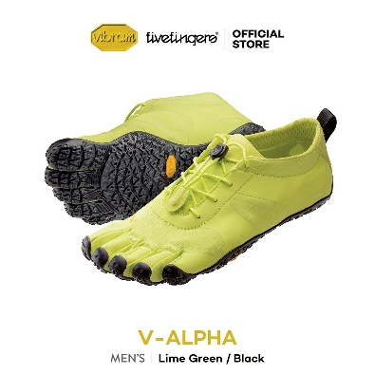
VFF0023(DL,W39) | VFF V-Alpha(W39, Deep Lake) | 840213246860 | 5,800.00 | 2 |  |  | 2 | 20% | 4640
VFF0023(DL,W40) | VFF V-Alpha(W40, Deep Lake) | 840213246877 | 5,800.00 | 0 |  |  |  | 20% | 4640
VFF0023(DL,W41) | VFF V-Alpha(W41, Deep Lake) | 840213246877 | 5,800.00 | 0 |  |  |  | 20% | 4640
VFF0023(LGN/BK,M40) | VFF V-Alpha(M40, Lime Green/Black) | 840213238827 | 5,800.00 | 0 |  |  |  | 20% | 4640
VFF0023(LGN/BK,M41) | VFF V-Alpha(M41, Lime Green/Black) | 840213238834 | 5,800.00 | 0 |  |  |  | 20% | 4640
VFF0023(LGN/BK,M42) | VFF V-Alpha(M42, Lime Green/Black) | 840213238841 | 5,800.00 | 7 |  |  | 2 | 20% | 4640
VFF0023(LGN/BK,M43) | VFF V-Alpha(M43, Lime Green/Black) | 840213238858 | 5,800.00 | 7 |  |  | 2 | 20% | 4640
VFF0023(LGN/BK,M44) | VFF V-Alpha(M44, Lime Green/Black) | 840213238865 | 5,800.00 | 0 |  |  |  | 20% | 4640
VFF0023(LGN/BK,M45) | VFF V-Alpha(M45, Lime Green/Black) | 840213238872 | 5,800.00 | 4 |  |  | 1 | 20% | 4640
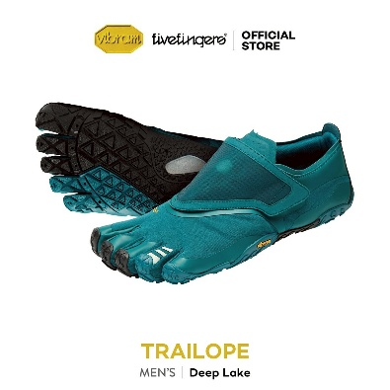
VFF0023(LGN/BK,M46) | VFF V-Alpha(M46, Lime Green/Black) | 840213238889 | 5,800.00 | 2 |  |  | 1 | 20% | 4640
VFF0023(LGN/BK,M47) | VFF V-Alpha(M47, Lime Green/Black) | 840213238896 | 5,800.00 | 3 |  |  | 1 | 20% | 4640
VFF0024(DL,M42) | VFF Trailope(M42, Deep Lake) | 840213252151 | 6,200.00 | 4 |  |  | 2 | 20% | 4960
VFF0024(DL,M43) | VFF Trailope(M43, Deep Lake) | 840213252168 | 6,200.00 | 11 |  |  | 2 | 20% | 4960
VFF0024(DL,M44) | VFF Trailope(M44, Deep Lake) | 840213252175 | 6,200.00 | 2 |  |  | 2 | 20% | 4960
VFF0024(DL,M45) | VFF Trailope(M45, Deep Lake) | 840213252182 | 6,200.00 | 1 |  |  | 1 | 20% | 4960
VFF0024(DL,M46) | VFF Trailope(M46, Deep Lake) | 840213252199 | 6,200.00 | 2 |  |  | 1 | 20% | 4960
VFF0024(DL,M47) | VFF Trailope(M47, Deep Lake) | 840213252205 | 6,200.00 | 3 |  |  | 1 | 20% | 4960
VFF0025(BK,U38) | VFF Scramkey(U38, Black) | 840213237066 | 6,400.00 | 6 | 1 | 1 | 1 | 40% | 3840
VFF0025(BK,U39) | VFF Scramkey(U39, Black) | 840213237073 | 6,400.00 | 17 | 2 | 1 | 1 | 40% | 3840
VFF0025(BK,U40) | VFF Scramkey(U40, Black) | 840213237080 | 6,400.00 | 11 | 2 | 1 | 1 | 40% | 3840
VFF0025(BK,U41) | VFF Scramkey(U41, Black) | 840213237097 | 6,400.00 | 6 | 2 | 1 | 1 | 40% | 3840
VFF0025(BK,U42) | VFF Scramkey(U42, Black) | 840213237103 | 6,400.00 | 13 | 2 | 1 | 2 | 40% | 3840
VFF0025(BK,U43) | VFF Scramkey(U43, Black) | 840213237110 | 6,400.00 | 16 | 2 | 1 | 2 | 40% | 3840
VFF0025(BK,U44) | VFF Scramkey(U44, Black) | 840213237127 | 6,400.00 | 8 | 2 | 1 | 2 | 40% | 3840
VFF0025(BK,U45) | VFF Scramkey(U45, Black) | 840213237134 | 6,400.00 | 5 | 1 | 1 | 1 | 40% | 3840
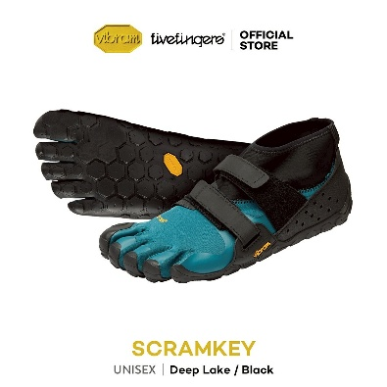
VFF0025(BK,U46) | VFF Scramkey(U46, Black) | 840213237141 | 6,400.00 | 7 | 1 |  | 1 | 40% | 3840
VFF0025(DL/BK,U42) | VFF Scramkey(U42, Deep Lake/Black) | 840213250973 | 6,400.00 | 4 | 1 | 1 | 2 | 40% | 3840
VFF0025(DL/BK,U43) | VFF Scramkey(U43, Deep Lake/Black) | 840213250980 | 6,400.00 | 10 | 2 | 1 | 2 | 40% | 3840
VFF0025(DL/BK,U44) | VFF Scramkey(U44, Deep Lake/Black) | 840213250997 | 6,400.00 | 2 |  |  | 2 | 40% | 3840
VFF0025(DL/BK,U45) | VFF Scramkey(U45, Deep Lake/Black) | 840213251000 | 6,400.00 | 2 |  |  | 1 | 40% | 3840
VFF0025(DL/BK,U46) | VFF Scramkey(U46, Deep Lake/Black) | 840213251017 | 6,400.00 | 2 | 1 |  | 1 | 40% | 3840
VFF0025(DL/BK,U47) | VFF Scramkey(U47, Deep Lake/Black) | 840213251024 | 6,400.00 | 2 | 1 |  | 1 | 40% | 3840
 |  |  |  |  | 20 | 33 | 80

