State by Category
country | (All)

State by Category
 | successful | failed | canceled | live
film & video | 300 | 180 | 40
food | 34 | 140 | 20 | 6
games | 80 | 140
journalism |  |  | 24
music | 540 | 120 | 20 | 20
photography | 103 | 117
publishing | 80 | 127 | 30
technology | 209 | 213 | 178
theater | 839 | 493 | 37 | 24
Count of state | Column Labels
Row Labels | successful | failed | canceled | live | Grand Total | Success Rate | Category | Qty of Projects | Success Rate
film & video | 300 | 180 | 40 |  | 520 | 57.7% | music | 700 | 77.1%
food | 34 | 140 | 20 | 6 | 200 | 17.0% | theater | 1393 | 60.2%
games | 80 | 140 |  |  | 220 | 36.4% | film & video | 520 | 57.7%
journalism |  |  | 24 |  | 24 | 0.0% | photography | 220 | 46.8%
music | 540 | 120 | 20 | 20 | 700 | 77.1% | games | 220 | 36.4%
photography | 103 | 117 |  |  | 220 | 46.8% | technology | 600 | 34.8%
publishing | 80 | 127 | 30 |  | 237 | 33.8% | publishing | 237 | 33.8%
technology | 209 | 213 | 178 |  | 600 | 34.8% | food | 200 | 17.0%
theater | 839 | 493 | 37 | 24 | 1393 | 60.2% | journalism | 24 | 0.0%
Grand Total | 2185 | 1530 | 349 | 50 | 4114 | 53.1%

 |  |  |  |  |  |  | Category | Qty of Projects | Success Rate | Cummulative % of Projects
 |  |  |  |  |  |  | theater | 1393 | 60.2% | 33.9%
 |  |  |  |  |  |  | music | 700 | 77.1% | 50.9%
 |  |  |  |  |  |  | technology | 600 | 34.8% | 65.5%
 |  |  |  |  |  |  | film & video | 520 | 57.7% | 78.1%
 |  |  |  |  |  |  | publishing | 237 | 33.8% | 83.9%
 |  |  |  |  |  |  | photography | 220 | 46.8% | 89.2%
 |  |  |  |  |  |  | games | 220 | 36.4% | 94.6%
 |  |  |  |  |  |  | food | 200 | 17.0% | 99.4%
 |  |  |  |  |  |  | journalism | 24 | 0.0% | 100.0%
 |  |  |  |  |  |  | TTL | 4114

State - Country - Sub-Category
country | (All)
Category | (All)

State per Country & Sub-Category
 | successful | failed | canceled | live | (blank)
animation |  | 100
art books |  |  | 20
audio |  |  | 24
children's books |  | 40
classical music | 40
documentary | 180
drama |  | 80
electronic music | 40
faith |  | 40 |  | 20
fiction |  | 40
food trucks |  | 120 | 20
gadgets |  | 20
hardware | 140
indie rock | 140 | 20
jazz |  | 60
makerspaces | 9 | 11
metal | 20
mobile games |  | 40
musical | 60 | 60 | 20
nature |  | 20
nonfiction | 60
people |  | 20
photobooks | 103 | 57
places |  | 20
plays | 694 | 353 |  | 19
pop | 40
radio & podcasts | 20
restaurants |  | 20
rock | 260
science fiction |  |  | 40
shorts | 60
small batch | 34 |  |  | 6
space exploration | 40 | 2 | 18
spaces | 85 | 80 | 17 | 5
tabletop games | 80
television | 60
translations |  | 47 | 10
video games |  | 100
wearables | 20 | 120 | 60
web |  | 60 | 100
world music |  |  | 20
(blank)
Count of state | Column Labels
Row Labels | successful | failed | canceled | live | (blank) | Grand Total
animation |  | 100 |  |  |  | 100
art books |  |  | 20 |  |  | 20
audio |  |  | 24 |  |  | 24
children's books |  | 40 |  |  |  | 40
classical music | 40 |  |  |  |  | 40
documentary | 180 |  |  |  |  | 180
drama |  | 80 |  |  |  | 80
electronic music | 40 |  |  |  |  | 40
faith |  | 40 |  | 20 |  | 60
fiction |  | 40 |  |  |  | 40
food trucks |  | 120 | 20 |  |  | 140
gadgets |  | 20 |  |  |  | 20
hardware | 140 |  |  |  |  | 140
indie rock | 140 | 20 |  |  |  | 160
jazz |  | 60 |  |  |  | 60
makerspaces | 9 | 11 |  |  |  | 20
metal | 20 |  |  |  |  | 20
mobile games |  | 40 |  |  |  | 40
musical | 60 | 60 | 20 |  |  | 140
nature |  | 20 |  |  |  | 20
nonfiction | 60 |  |  |  |  | 60
people |  | 20 |  |  |  | 20
photobooks | 103 | 57 |  |  |  | 160
places |  | 20 |  |  |  | 20
plays | 694 | 353 |  | 19 |  | 1066
pop | 40 |  |  |  |  | 40
radio & podcasts | 20 |  |  |  |  | 20
restaurants |  | 20 |  |  |  | 20
rock | 260 |  |  |  |  | 260
science fiction |  |  | 40 |  |  | 40
shorts | 60 |  |  |  |  | 60
small batch | 34 |  |  | 6 |  | 40
space exploration | 40 | 2 | 18 |  |  | 60
spaces | 85 | 80 | 17 | 5 |  | 187
tabletop games | 80 |  |  |  |  | 80
television | 60 |  |  |  |  | 60
translations |  | 47 | 10 |  |  | 57
video games |  | 100 |  |  |  | 100
wearables | 20 | 120 | 60 |  |  | 200
web |  | 60 | 100 |  |  | 160
world music |  |  | 20 |  |  | 20
(blank)
Grand Total | 2185 | 1530 | 349 | 50 |  | 4114

State - Year - Category
 |  |  |  |  |  | Timelines can be useful too.
 |  |  |  |  |  | It makes better sense to group the dates by qtr and year and to move the years into the rows.
Category | (All) |  |  |  |  | The current grouping just aggregates by month which might not be significant.
Years | (All)
 | 2185 | 1530 | 349 | 50 | 4114
Count of state | Column Labels
Row Labels | successful | failed | canceled | live | Grand Total
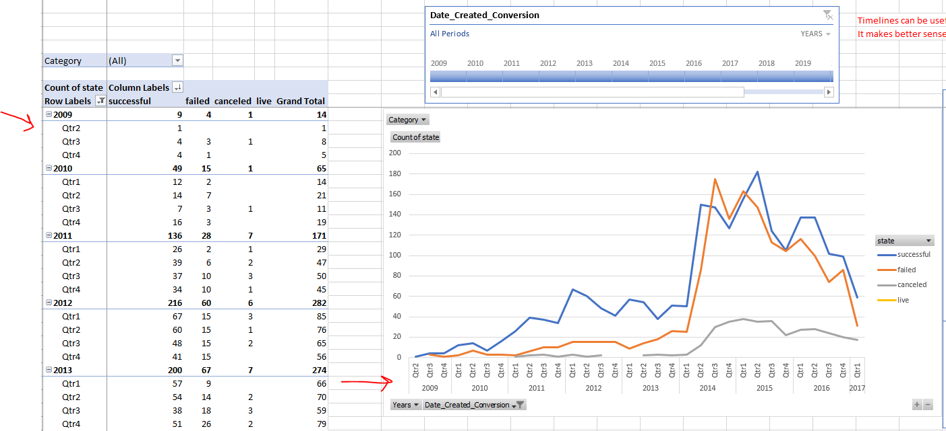
Jan | 182 | 149 | 34 | 2 | 367
Feb | 202 | 106 | 27 | 18 | 353
Mar | 180 | 108 | 28 | 30 | 346
Apr | 192 | 102 | 27 | 0 | 321
May | 234 | 126 | 26 | 0 | 386
Jun | 211 | 147 | 27 | 0 | 385
Jul | 194 | 150 | 43 | 0 | 387
Aug | 166 | 134 | 33 | 0 | 333
Sep | 147 | 127 | 24 | 0 | 298
Oct | 183 | 149 | 20 | 0 | 352
Nov | 183 | 114 | 37 | 0 | 334
Dec | 111 | 118 | 23 | 0 | 252
Grand Total | 2185 | 1530 | 349 | 50 | 4114

Fate of Kickstarter Projects 2009-2017

Analysis
Fate of Kickstarter Projects
 | Count of state | % ot total | Cummulative %
successful | 2185 | 53.1% | 53.11%
failed | 1530 | 37.2% | 90.30%
canceled | 349 | 8.5% | 98.78%
live | 50 | 1.2% | 100.00%
Row Labels | Count of state | % ot total | Cummulative %
successful | 2185 | 53.1% | 53.11%
failed | 1530 | 37.2% | 90.30%
canceled | 349 | 8.5% | 98.78%
live | 50 | 1.2% | 100.00%
Grand Total | 4114 | 100.0%

Kickstarter Projects 2009 to 2017
 | successful | failed | canceled | live
2009 | 9 | 4 | 1
2010 | 49 | 15 | 1
2011 | 136 | 28 | 7
2012 | 216 | 60 | 6
2013 | 200 | 67 | 7
2014 | 474 | 422 | 80
2015 | 567 | 527 | 131
2016 | 475 | 376 | 99
2017 | 59 | 31 | 17 | 50
Count of state | Column Labels
Row Labels | successful | failed | canceled | live | Grand Total
2009 | 9 | 4 | 1 |  | 14
2010 | 49 | 15 | 1 |  | 65
2011 | 136 | 28 | 7 |  | 171
2012 | 216 | 60 | 6 |  | 282
2013 | 200 | 67 | 7 |  | 274
2014 | 474 | 422 | 80 |  | 976
2015 | 567 | 527 | 131 |  | 1225
2016 | 475 | 376 | 99 |  | 950
2017 | 59 | 31 | 17 | 50 | 157
Grand Total | 2185 | 1530 | 349 | 50 | 4114

 | Country by volume
Years | (All) |  |  |  |  | Country by success rate...

Count of state | Column Labels
Row Labels | successful | failed | canceled | live | Grand Total | Country | TTL | % Successful | % of Overall Projects | Cummulative % of Projects
US | 1651 | 1097 | 257 | 33 | 3038 | US | 3,038 | 54.3% | 73.8% | 73.8%
GB | 366 | 205 | 25 | 8 | 604 | GB | 604 | 60.6% | 14.7% | 88.5%
CA | 64 | 64 | 17 | 1 | 146 | CA | 146 | 43.8% | 3.5% | 92.1%
AU | 19 | 41 | 14 |  | 74 | AU | 74 | 25.7% | 1.8% | 93.9%
DE | 23 | 27 | 3 |  | 53 | DE | 53 | 43.4% | 1.3% | 95.2%
IT | 7 | 19 | 3 |  | 29 | IT | 29 | 24.1% | 0.7% | 95.9%
FR | 10 | 10 | 5 | 2 | 27 | FR | 27 | 37.0% | 0.7% | 96.5%
NL | 2 | 14 | 4 | 1 | 21 | ES | 21 | 52.4% | 0.5% | 97.0%
ES | 11 | 9 | 1 |  | 21 | SE | 21 | 33.3% | 0.5% | 97.5%
SE | 7 | 9 | 5 |  | 21 | NL | 21 | 9.5% | 0.5% | 98.1%
IE | 8 | 4 | 2 | 1 | 15 | IE | 15 | 53.3% | 0.4% | 98.4%
DK | 4 | 6 | 4 |  | 14 | DK | 14 | 28.6% | 0.3% | 98.8%
MX |  | 8 | 1 | 3 | 12 | NZ | 12 | 25.0% | 0.3% | 99.1%
NZ | 3 | 5 | 4 |  | 12 | MX | 12 | 0.0% | 0.3% | 99.3%
NO | 2 | 5 |  |  | 7 | NO | 7 | 28.6% | 0.2% | 99.5%
CH | 1 | 2 | 3 |  | 6 | AT | 6 | 50.0% | 0.1% | 99.7%
AT | 3 | 2 |  | 1 | 6 | CH | 6 | 16.7% | 0.1% | 99.8%
HK |  | 2 | 1 |  | 3 | HK | 3 | 0.0% | 0.1% | 99.9%
BE | 1 | 1 |  |  | 2 | LU | 2 | 100.0% | 0.0% | 99.9%
LU | 2 |  |  |  | 2 | BE | 2 | 50.0% | 0.0% | 100.0%
SG | 1 |  |  |  | 1 | SG | 1 | 100.0% | 0.0% | 100.0%
Grand Total | 2185 | 1530 | 349 | 50 | 4114 | total | 4,114

Kickstarter utilization and success by country

Kickstarter volume and success rate by category
 | Qty of Projects | Success Rate | Cummulative % of Projects
theater | 1393 | 60.2% | 33.9%
music | 700 | 77.1% | 50.9%
technology | 600 | 34.8% | 65.5%
film & video | 520 | 57.7% | 78.1%
publishing | 237 | 33.8% | 83.9%
photography | 220 | 46.8% | 89.2%
games | 220 | 36.4% | 94.6%
food | 200 | 17.0% | 99.4%
journalism | 24 | 0.0% | 100.0%

Bonus
Goal | Number_Successful | Number_Failed | Number_Canceled | Total_Projects | Percentage_Successful | Percentage_Failed | Percentage_Canceled
Less than 1000 | 438 | 176 | 26 | 640 | 68.4% | 27.5% | 4.1%
1000 to 4999 | 932 | 420 | 60 | 1412 | 66.0% | 29.7% | 4.2%
5000 to 9999 | 381 | 283 | 52 | 716 | 53.2% | 39.5% | 7.3%
10000 to 14999 | 168 | 144 | 40 | 352 | 47.7% | 40.9% | 11.4%
15000 to 19999 | 94 | 90 | 17 | 201 | 46.8% | 44.8% | 8.5%
20000 to 24999 | 62 | 72 | 14 | 148 | 41.9% | 48.6% | 9.5%
25000 to 29999 | 55 | 64 | 18 | 137 | 40.1% | 46.7% | 13.1%
30000 to 34999 | 32 | 37 | 13 | 82 | 39.0% | 45.1% | 15.9%
35000 to 39999 | 26 | 22 | 7 | 55 | 47.3% | 40.0% | 12.7%
40000 to 44999 | 21 | 16 | 6 | 43 | 48.8% | 37.2% | 14.0%
45000 to 49999 | 6 | 11 | 4 | 21 | 28.6% | 52.4% | 19.0%
Greater than or equal to 50000 | 86 | 258 | 100 | 444 | 19.4% | 58.1% | 22.5%

Kickstarter Fate by Goal Amount

