Data and ratios
Консолидированный финансовый отчет ПАО «М.Видео» о финансовом положении (в миллионах российских рублей)
 | 31 декабря 2017 года | 31 декабря 2018 года | 31 декабря 2019 года | 31 декабря 2020 года | 31 декабря 2021 года |  | Mvideo |  |  |  |  |  |  |  |  |  |  | DNS
ASSETS
NON-CURRENT ASSETS |  |  |  |  |  |  | Inventory turnover ratio |  |  |  |  |  | Inventory turnover period |  |  |  |  | Коэффициент оборачиваемости запасов |  |  |  |  | Период оборачиваемости запасов
Fixed assets | 7936 | 20734 | 19777 | 17025 | 17675 |  | 2017 | 2018 | 2019 | 2020 | 2021 |  | 2017 | 2018 | 2019 | 2020 | 2021 | 2017 | 2018 | 2019 | 2020 | 2021 | 2017 | 2018 | 2019 | 2020 | 2021
Investment property | - | 575 | 349 | 211 | 194 |  | 3.1126799585 | 2.9313417318 | 2.2632130769 | 2.3217062827 | 2.4541652458 |  | 117.26229643 | 124.5163592 | 161.27513743 | 157.21196205 | 148.72674146 | 31.695597561 | 5.2771068376 | 3.4002172379 | 3.6883906374 | 3.7157205774 | 11.515794876 | 69.166687587 | 107.34608246 | 98.959149364 | 98.231283111
Intangible assets | 7999 | 68767 | 20063 | 21870 | 27830
Goodwill | - | - | 48975 | 48975 | 50007 |  | Accounts payable turnover |  |  |  |  |  | Period of repayment of accounts payable |  |  |  |  | Оборачиваемость кредиторской задолженности |  |  |  |  | Период погашения кредиторской задолженности
Assets in the form of a right of use | - | - | 62832 | 71593 | 74075 |  | 2017 | 2018 | 2019 | 2020 | 2021 |  | 2017 | 2018 | 2019 | 2020 | 2021 | 2017 | 2018 | 2019 | 2020 | 2021 | 2017 | 2018 | 2019 | 2020 | 2021
Investments in an associate and a joint venture | - | - | 1982 | 1244 | 15 |  | 2.1067764944 | 2.0801739891 | 1.6540295941 | 1.6697028341 | 1.7135264811 |  | 173.25046153 | 175.46609173 | 220.67319793 | 218.60177305 | 213.01100627 | 0.086094794015 | 15.918146784 | 10.750537311 | 10.232427802 | 9.2069017169 | 4239.5130179 | 22.929804892 | 33.951791379 | 35.670908904 | 39.644172516
Financial assets | 2471 | - | - | - | 5575
Deferred tax assets | 4264 | 5759 | 3302 | 5714 | 5366 |  | Accounts receivable turnover |  |  |  |  |  | Period of repayment of receivables |  |  |  |  | Оборачиваемость дебиторской задолженности |  |  |  |  | Период погашения дебиторской задолженности
Other non-current assets | 993 | 2646 | 1431 | 907 | 1632 |  | 2017 | 2018 | 2019 | 2020 | 2021 |  | 2017 | 2018 | 2019 | 2020 | 2021 | 2017 | 2018 | 2019 | 2020 | 2021 | 2017 | 2018 | 2019 | 2020 | 2021
Total non-current assets | 23663 | 98481 | 158711 | 167539 | 182369 |  | 11.886946352 | 12.725730704 | 11.454702275 | 10.39962668 | 10.234592702 |  | 30.705951654 | 28.682046515 | 31.864643115 | 35.097413709 | 35.66336352 | 0.19141734987 | 20.757134113 | 41.990147719 | 52.189915429 | 36.867729874 | 1906.8281964 | 17.584315735 | 8.6925152643 | 6.9936882825 | 9.9002569793

CURRENT ASSETS | 52283 | 113145 | 129115 | 146994 | 163840 |  |  |  |  |  |  |  |  |  |  |  |  | Денежный цикл
Inventory | 20834 | 29631 | 34136 | 46224 | 46865 |  |  |  |  |  |  |  |  |  |  |  |  | 2017 | 2018 | 2019 | 2020 | 2021
Accounts receivable | 777 | 1826 | 1181 | 1761 | 1622 |  | Money cycle |  |  |  |  |  |  |  |  |  |  | -2321.1690267 | 63.821198431 | 82.086806344 | 70.281928742 | 68.487367574
Advances issued | 16 | 33 | 84 | 100 | 2637 |  | 2017 | 2018 | 2019 | 2020 | 2021
Income tax receivable | 6154 | 16112 | 21316 | 25352 | 33910 |  | -25.282213441 | -22.267686022 | -27.533417386 | -26.292397287 | -28.620901291
Inventory turnover period
Accounts receivable for other taxes | 7 | 43 | 44 | 60 | 68 |  |  |  |  |  |  |  | Mvideo&DNS
Other current assets | 17791 | 25669 | 4738 | 7445 | 12053 |  |  |  |  |  |  |  | Inventory turnover period
Cash and cash equivalents | - | 494 | 303 | 1229 | 8 |  |  |  |  |  |  |  | Company | 2019 | 2020 | 2021
Assets held for sale | 97862 | 186953 | 190917 | 229165 | 261003 |  |  |  |  |  |  |  | DNS | 107.34608246 | 98.959149364 | 98.231283111
Total current assets | 121525 | 285434 | 349628 | 396704 | 443372 |  |  |  |  |  |  |  | Mvideo | 161.27513743 | 157.21196205 | 148.72674146

TOTAL ASSETS |  |  |  |  |  |  |  |  |  |  |  |  | Accounts payable turnover
 | 1798 | 1798 | 1798 | 1798 | 1798 |  |  |  |  |  |  |  | Company | 2019 | 2020 | 2021
CAPITAL | 4576 | 4576 | 4576 | 4576 | 4576 |  |  |  |  |  |  |  | DNS | 33.951791379 | 35.670908904 | 39.644172516
Authorized capital | -52 | -749 | -749 | -749 | -557 |  |  |  |  |  |  |  | Mvideo | 220.67319793 | 218.60177305 | 213.01100627
Additional capital | 16602 | 25240 | 26502 | 28014 | 17395
Repurchased own shares | 230 | 510 | - | - | - |  |  |  |  |  |  |  | Accounts receivable turnover
Retained earnings | 23154 | 31375 | 32127 | 33639 | 23212 |  |  |  |  |  |  |  | Company | 2019 | 2020 | 2021
Non-controlling interests |  |  |  |  |  |  |  |  |  |  |  |  | DNS | 8.6925152643 | 6.9936882825 | 9.9002569793
Total capital | - | 45720 | 38752 | 31733 | 28964 |  |  |  |  |  |  |  | Mvideo | 31.864643115 | 35.097413709 | 35.66336352
 | - | - | 57927 | 70702 | 68628
LONG-TERM LIABILITIES | - | 1785 | 270 | 175 | 94 |  |  |  |  |  |  |  | Money cycle
Accounts payable turnover
Loans and other financial liabilities | - | 573 | 373 | 454 | 577 |  |  |  |  |  |  |  | Company | 2019 | 2020 | 2021
Lease obligations | 4 | 256 | - | - | - |  |  |  |  |  |  |  | DNS | 82.086806344 | 70.281928742 | 68.487367574
Deferred tax liabilities | 4 | 48334 | 97322 | 103064 | 98263 |  |  |  |  |  |  |  | Mvideo | -27.533417386 | -26.292397287 | -28.620901291
Other liabilities
Reserves | 77698 | 155420 | 176065 | 207862 | 237324
Total long-term liabilities | 8708 | 22435 | 12975 | 14346 | 18003
 | 8579 | 6940 | 8112 | 6604 | 7998
SHORT-TERM LIABILITIES | - | - | 10532 | 10051 | 15797
Trade payables | 780 | 13789 | 10658 | 16195 | 40174
Other accounts payable and accrued expenses | 531 | 1397 | 9 | 1643 | 9
Obligations to customers | 1627 | 2782 | 1460 | 2312 | 2428
Lease obligations | 444 | 2962 | 368 | 988 | 164
Loans and other financial liabilities | 98367 | 205725 | 220179 | 260001 | 321897
Accounts payable on income tax | 98371 | 254059 | 317501 | 363065 | 420160
Accounts payable for other taxes | 121525 | 285434 | 349628 | 396704 | 443372
Reserves
Total current liabilities

Accounts receivable turnover

Консолидированный финансовый отчет ПАО "М.Видео" о прибылях и убытках и общем совокупном доходе (в миллионах российских рублей, за исключением прибыли на акцию)

Выручка | 198197 | 321102 | 365216 | 417857 | 476364
Себестоимость реализации | -151670 | -242463 | -274143 | -320522 | -381419
ВАЛОВАЯ ПРИБЫЛЬ | 46527 | 78639 | 91073 | 97335 | 94945
Коммерческие, общехозяйственные и административные расходы | -40754 | -69234 | -72546 | -78818 | -87192
Прочие операционные доходы | 2623 | 6079 | 6408 | 4987 | 6403
Прочие операционные расходы | -216 | -801 | -821 | -577 | -414
ОПЕРАЦИОННАЯ ПРИБЫЛЬ | 8180 | 14683 | 24114 | 22927 | 13742
Финансовые доходы | 659 | 509 | 295 | 491 | 164
Money cycle
Финансовые расходы | - | -3617 | -12961 | -12733 | -14417
Доходы от изменения справедливой стоимости финансовых инструментов, оцениваемых по справедливой стоимости | - | - | - | - | 4576
Доля прибыли (убытка) ассоциированных и совместных предприятий | - | - | -1955 | -2468 | -945
ПРИБЫЛЬ ДО НАЛОГА НА ПРИБЫЛЬ | 8839 | 11575 | 9493 | 8217 | 3120
Расходы по налогу на прибыль | -1885 | -3210 | -2359 | -1676 | -740
ИТОГО ЧИСТАЯ ПРИБЫЛЬ и ОБЩИЙ СОВОКУПНЫЙ ДОХОД за год | 6954 | 8365 | 7134 | 6541 | 2380
Базовая прибыль на акцию (в российских рублях) | 38.73 | 48.04 | 40.13 | 36.79 | 13.36
Разводненная прибыль на акцию (в российских рублях) | 38.73 | 48.04 | 40.13 | 36.74 | 13.32
ИТОГО ЧИСТАЯ ПРИБЫЛЬ и ОБЩИЙ СОВОКУПНЫЙ ДОХОД за год с исключением доли прибыли (убытка) ассоциированных и совместных предприятий | - | - | 9089 | 9009 | 3325

 |  | Creditworthiness analysis based on the data

 |  |  |  | Period ending (31.12) | 2018 | 2019 | 2020 | 2021
 |  | Cash Ratio (Коэффициент абсолютной ликвидности) = K1 |  | K1 | 0.39266217329 | 0.26880544416 | 0.17655634734 | 0.20641843685 |  | Interpretation | K1: Higher the better, preferred value - between 0,5 and 1
 |  | Cash/(short term liabilities - Deferred income - Future Payments)= Cash/Current liabilities
 |  | Quick Ratio (Коэффициент критической оценки) = K2 |  | K2 | 0.45538646091 | 0.34728399563 | 0.27374999432 | 0.30431036804 |  |  | K2: Higher the better, preferred value - about 1, because below 1 certain risk is existing
 |  | (Cash+short term fin investments + Accounts Receivable)/(short term liabilities - Deferred income - Future Payments)
 |  | Current Ratio (Коэффициент текущей ликвидности) = K3 |  | K3 | 0.99486616447 | 0.90875197472 | 0.86709904214 | 0.88140045615 |  |  | K3: Higher the better, preferred value - about 1, because below 1 certain risk is existing
 |  | Total current Assets/(short term liabilities - Deferred income - Future Payments) |  |  |  |  |  | А
 |  | Leverage Ratio (Коэффициент соотношения собственных и заемных средств) = K4 |  | K4 | 0.23537424648 | 0.12349493622 | 0.10118708288 | 0.09265283076 |  |  | K4: Higher the better, preferred value - about 1, because below 1 certain risk is existing
 |  | Equity/((short term liabilities - Deferred income - Future Payments +long term liabilites) = Equity/Total liabilities
 |  | Profitability (Рентабельность) = K5 |  | K5 | 4% | 5% | 7% | 5% |  |  | K5: Higher the better
 |  | Operating Income/Revenues

 |  |  |  |  |  |  |  | Results
 |  |  |  |  |  |  |  | Coefficients | Period ending: | 2020 | 2020 | 2019 | 2019 |  | Interpretation
 |  | Coefficients | 1rd class | 2nd class | 3rd class |  |  |  |  | 31/12 | 30/06 | 31/12 | 30/06
 |  | К1 | 0,2 and more | 0,1 - 0,2 | less than 0,1 |  |  | 0.11 |  | 1 | 1 | 2 | 1 |  | 1st class - S = 1-1,05
 |  | К2 | 0,8 and more | 0,5 - 0,8 | less than 0,5 |  |  | 0.05 |  | 3 | 3 | 3 | 3 |  | 2nd class - 1,05 < S < 2,42
 |  | К3 | 2,0 and more | 1,0 - 2,0 | less than 1,0 |  |  | 0.42 |  | 3 | 3 | 3 | 3 |  | 3rd class - S > 2,42
 |  | К4 | 1,0 and more | 0,7 - 1,0 | less than 0,7 |  |  | 0.21 |  | 3 | 3 | 3 | 3
 |  | К5 | 0,15 and more | less than 0,15 | unprofitable |  |  | 0.21 |  | 3 | 3 | 3 | 3
 |  |  |  |  |  |  |  | S |  | 2.78 | 2.78 | 2.89 | 2.78
 |  |  |  |  |  |  |  | Class |  | 3rd CLASS | 3rd CLASS | 3rd CLASS | 3rd CLASS

Vertical
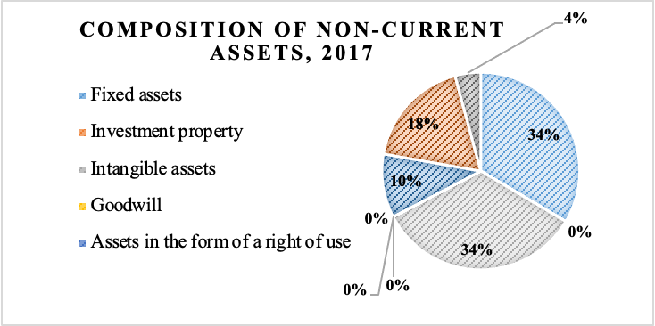
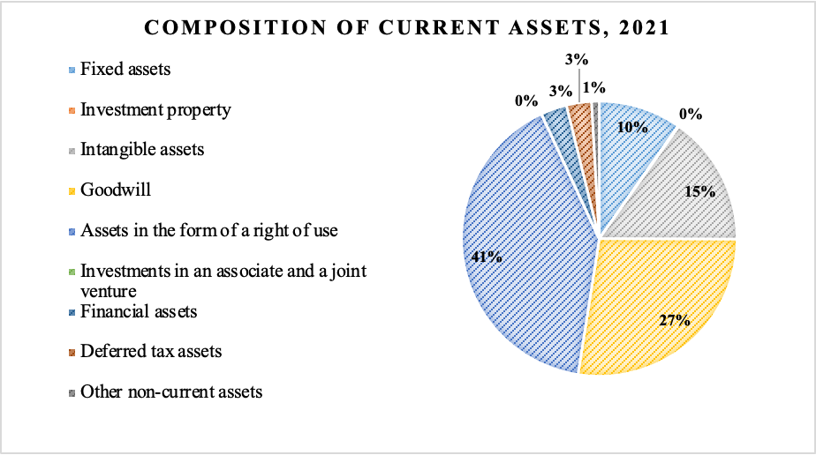
Consolidated financial Report of PJSC "M.Video" about the financial situation (in millions of Russian rubles)
 | 2017 | in % | 2018 | in % | 2019 | in % | 2020 | in % | 2021 | in %
ASSETS
NON-CURRENT ASSETS
Fixed assets | 7936 | 34% | 20734 | 88% | 19777 | 12% | 17025 | 10% | 17675 | 10%
Investment property | - |  | 575 |  | 349 | 0% | 211 | 0% | 194 | 0%
Intangible assets | 7999 | 34% | 68767 | 70% | 20063 | 13% | 21870 | 13% | 27830 | 15%
Goodwill | - |  | - |  | 48975 | 31% | 48975 | 29% | 50007 | 27%
Assets in the form of a right of use | - |  | - |  | 62832 | 40% | 71593 | 43% | 74075 | 41%
Investments in an associate and a joint venture | - |  | - |  | 1982 | 1% | 1244 | 1% | 15 | 0%
Financial assets | 2471 | 10% | - |  | - |  | - |  | 5575 | 3%
Deferred tax assets | 4264 | 18% | 5759 | 6% | 3302 | 2% | 5714 | 3% | 5366 | 3%
Other non-current assets | 993 | 4% | 2646 | 3% | 1431 | 1% | 907 | 1% | 1632 | 1%
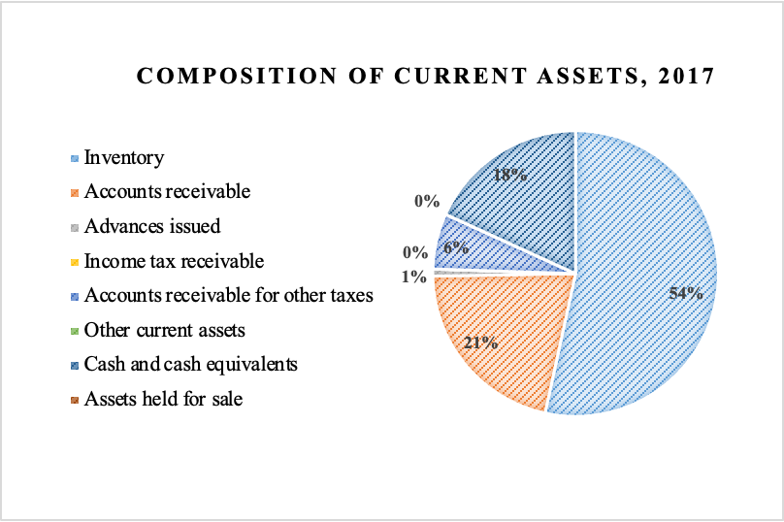
Total non-current assets | 23 663 | 100 | 98 481 | 100 | 158 711 | 100 | 167 539 | 100 | 182 369 | 100
 | 9.74% |  | 15.90% |  | 19.92% |  | 18.69% |  | 18.51%
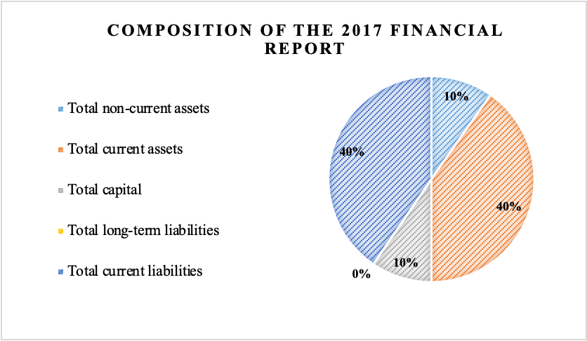
CURRENT ASSETS
Inventory | 52283 | 53% | 113145 | 61% | 129115 | 68% | 146994 | 77% | 163840 | 86%
Accounts receivable | 20834 | 21% | 29631 | 16% | 34136 | 18% | 46224 | 24% | 46865 | 25%
Advances issued | 777 | 1% | 1826 | 1% | 1181 | 1% | 1761 | 1% | 1622 | 1%
Income tax receivable | 16 | 0% | 33 | 0% | 84 | 0% | 100 | 0% | 2637 | 1%
Accounts receivable for other taxes | 6154 | 6% | 16112 | 9% | 21316 | 11% | 25352 | 13% | 33910 | 18%
Other current assets | 7 | 0% | 43 | 0% | 44 | 0% | 60 | 0% | 68 | 0%
Cash and cash equivalents | 17791 | 18% | 25669 | 14% | 4738 | 2% | 7445 | 4% | 12053 | 6%
Assets held for sale | - |  | 494 | 0.26% | 303 | 0.16% | 1229 | 1% | 8 | 0.00%
Total current assets | 97 862 | 100 | 186 953 | 100 | 190 917 | 100 | 229 165 | 100 | 261 003 | 100
 | 40.26% |  | 30.19% |  | 23.97% |  | 25.56% |  | 26.50%
TOTAL ASSETS | 121 525 |  | 285 434 |  | 349 628 |  | 396 704 |  | 443 372

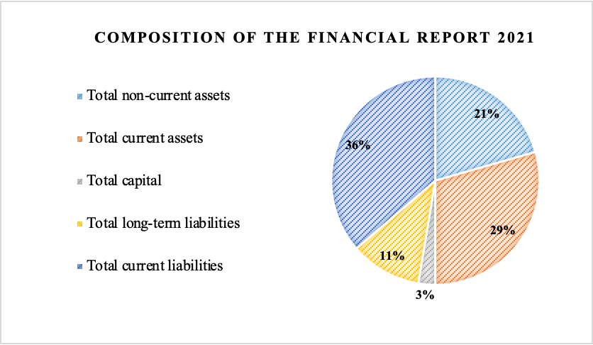
CAPITAL
Authorized capital | 1798 | 8% | 1798 | 6% | 1798 | 6% | 1798 | 5% | 1798 | 8%
Additional capital | 4576 | 5% | 4576 | 15% | 4576 | 14% | 4576 | 14% | 4576 | 20%
Repurchased own shares | -52 | 0% | -749 | -2% | -749 | -2% | -749 | -2% | -557 | -2%
Retained earnings | 16602 | 17% | 25240 | 80% | 26502 | 82% | 28014 | 83% | 17395 | 75%
Non-controlling interests | 230 | 0% | 510 | 2% | - |  | - |  | -
Total capital | 23 154 |  | 31 375 |  | 32 127 |  | 33 639 |  | 23 212
 | 9.53% |  | 5.07% |  | 4.03% |  | 3.75% |  | 2.36%
LONG-TERM LIABILITIES
Loans and other financial liabilities | - |  | 45720 | 95% | 38752 | 40% | 31733 | 31% | 28964 | 29%
Lease obligations | - |  | - |  | 57927 | 60% | 70702 | 69% | 68628 | 70%
Deferred tax liabilities | - |  | 1785 | 4% | 270 | 0% | 175 | 0% | 94 | 0%
Other liabilities | - |  | 573 | 1% | 373 | 0% | 454 | 0% | 577 | 1%
Reserves | 4 | 100% | 256 | 1% | - |  | - |  | -
Total long-term liabilities | 4 |  | 48 334 |  | 97 322 |  | 103 064 |  | 98 263
 | 0.00% |  | 7.81% |  | 12.22% |  | 11.50% |  | 9.98%
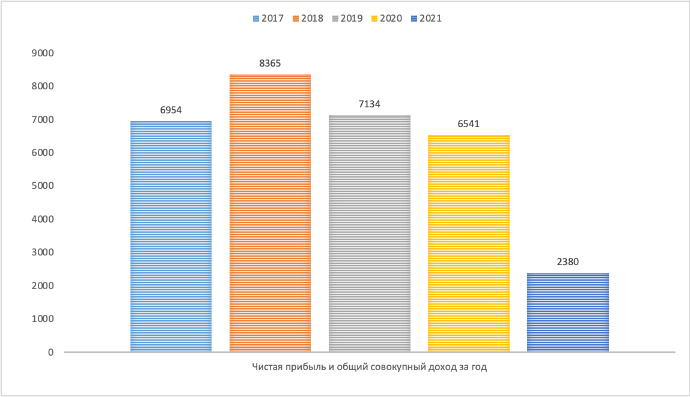
SHORT-TERM LIABILITIES
Trade payables | 77698 | 79% | 155420 | 76% | 176065 | 80% | 207862 | 80% | 237324 | 74%
Other accounts payable and accrued expenses | 8708 | 9% | 22435 | 11% | 12975 | 6% | 14346 | 6% | 18003 | 6%
Obligations to customers | 8579 | 9% | 6940 | 3% | 8112 | 4% | 6604 | 3% | 7998 | 2%
Lease obligations | - |  | - |  | 10532 | 5% | 10051 | 4% | 15797 | 5%
Loans and other financial liabilities | 780 | 1% | 13789 | 7% | 10658 | 5% | 16195 | 6% | 40174 | 12%
Accounts payable on income tax | 531 | 1% | 1397 | 1% | 9 | 0% | 1643 | 1% | 9 | 0%
Accounts payable for other taxes | 1627 | 2% | 2782 | 1% | 1460 | 1% | 2312 | 1% | 2428 | 1%
Reserves | 444 | 0% | 2962 | 1% | 368 | 0% | 988 | 0% | 164 | 0%
Total current liabilities | 98 367 |  | 205 725 |  | 220 179 |  | 260 001 |  | 321 897
 | 40.47% |  | 33.22% |  | 27.64% |  | 29.00% |  | 32.68%
Total liabilities | 98 371 |  | 254 059 |  | 317 501 |  | 363 065 |  | 420 160
TOTAL EQUITY AND LIABILITIES | 121525 |  | 285434 |  | 349628 |  | 396704 |  | 443372
 | 243 050 |  | 619 202 |  | 796 578 |  | 896 472 |  | 985 007

Выручка | 198197 |  | 321102 |  | 365216 |  | 417857 |  | 476364
Себестоимость реализации | 151670 | 77% | 242463 | 76% | 274143 | 75% | 320522 | 77% | 381419 | 80%
ВАЛОВАЯ ПРИБЫЛЬ | 46527 |  | 78639 |  | 91073 |  | 97335 |  | 94945
Коммерческие, общехозяйственные и административные расходы | 40754 | 21% | 69234 | 22% | 72546 | 20% | 78818 | 19% | 87192 | 18%
Прочие операционные доходы | 2623 | 1% | 6079 | 2% | 6408 | 2% | 4987 | 1% | 6403 | 1%
Прочие операционные расходы | 216 | 0% | 801 | 0% | 821 | 0% | 577 | 0% | 414 | 0%
ОПЕРАЦИОННАЯ ПРИБЫЛЬ | 8180 | 4% | 14683 | 5% | 24114 | 7% | 22927 | 5% | 13742 | 3%
Финансовые доходы | 659 | 0% | 509 | 0% | 295 | 0% | 491 | 0% | 164 | 0%
Финансовые расходы | - |  | 3617 | 1% | 12961 | 4% | 12733 | 3% | 14417 | 3%
Доходы от изменения справедливой стоимости финансовых инструментов, оцениваемых по справедливой стоимости | - |  | - |  | - |  | - |  | 4576 | 1%
Доля прибыли (убытка) ассоциированных и совместных предприятий | - |  | - |  | 1955 | 1% | 2468 | 1% | 945 | 0%
ПРИБЫЛЬ ДО НАЛОГА НА ПРИБЫЛЬ | 8839 | 4% | 11575 | 4% | 9493 | 3% | 8217 | 2% | 3120 | 1%
Расходы по налогу на прибыль | 1885 | 1% | 3210 | 38% | 2359 | 33% | 1676 | 26% | 740 | 31%
ИТОГО ЧИСТАЯ ПРИБЫЛЬ и ОБЩИЙ СОВОКУПНЫЙ ДОХОД за год | 6954 | 4% | 8365 | 3% | 7134 | 2% | 6541 | 2% | 2380 | 0%
Базовая прибыль на акцию (в российских рублях) | 38.73 | 0% | 48.04 | 0% | 40.13 | 0% | 36.79 | 0% | 13.36 | 0%
Разводненная прибыль на акцию (в российских рублях) | 38.73 | 0% | 48.04 | 0% | 40.13 | 0% | 36.74 | 0% | 13.32 | 0%
ИТОГО ЧИСТАЯ ПРИБЫЛЬ и ОБЩИЙ СОВОКУПНЫЙ ДОХОД за год с исключением доли прибыли (убытка) ассоциированных и совместных предприятий | - |  | - |  | 9089 | 2% | 9009 | 2% | 3325 | 1%

Horizontal
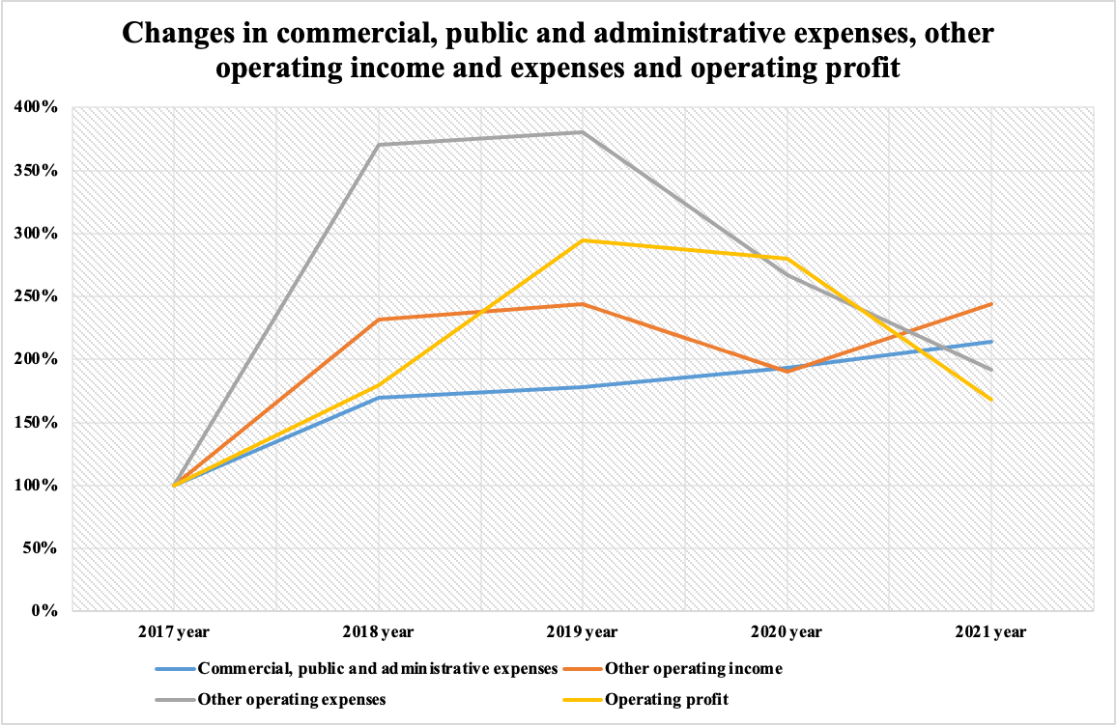
 |  |  |  |  |  | Canges (2017)
 |  |  |  |  |  | 2018 |  | 2019 |  | 2020 |  | 2021
 | 2017-12-31 | 2018-12-31 | 2019-12-31 | 2020-12-31 | 2021-12-31
ASSETS
NON-CURRENT ASSETS
Fixed assets | 7936 | 20734 | 19777 | 17025 | 17675 | 12798 | 161.27% | 11841 | 149.21% | 9089 | 114.53% | 9739 | 122.72%
Investment real estate | - | 575 | 349 | 211 | 194
Intangible assets | 7999 | 68767 | 20063 | 21870 | 27830 | 60768 | 759.69% | 12064 | 150.82% | 13871 | 173.41% | 19831 | 247.92%
Goodwill | - | - | 48975 | 48975 | 50007
Assets in the form of a right of use | - | - | 62832 | 71593 | 74075
Investments in an associate and a joint venture | - | - | 1982 | 1244 | 15
Financial assets | 2471 | - | - | - | 5575 |  |  |  |  |  |  | 3104 | 125.62%
Deferred tax assets | 4264 | 5759 | 3302 | 5714 | 5366 | 1495 | 35.06% | -962 | -22.56% | 1450 | 34.01% | 1102 | 25.84%
Other non-current assets | 993 | 2646 | 1431 | 907 | 1632 | 1653 | 166.47% | 438 | 44.11% | -86 | -8.66% | 639 | 64.35%
Total non-current assets | 23663 | 98481 | 158711 | 167539 | 182369 | 74818 | 316.18% | 135048 | 570.71% | 143876 | 608.02% | 158706 | 670.69%
CURRENT ASSETS
Inventory | 52283 | 113145 | 129115 | 146994 | 163840 | 60862 | 116.41% | 76832 | 146.95% | 94711 | 181.15% | 111557 | 213.37%
Accounts receivable | 20834 | 29631 | 34136 | 46224 | 46865 | 8797 | 42.22% | 13302 | 63.85% | 25390 | 121.87% | 26031 | 124.94%
Advances issued | 777 | 1826 | 1181 | 1761 | 1622 | 1049 | 135.01% | 404 | 51.99% | 984 | 126.64% | 845 | 108.75%
Income tax receivable | 16 | 33 | 84 | 100 | 2637 | 17 | 106.25% | 68 | 425.00% | 84 | 525.00% | 2621 | 16381.25%
Accounts receivable for other taxes | 6154 | 16112 | 21316 | 25352 | 33910 | 9958 | 161.81% | 15162 | 246.38% | 19198 | 311.96% | 27756 | 451.02%
Other current assets | 7 | 43 | 44 | 60 | 68 | 36 | 514.29% | 37 | 528.57% | 53 | 757.14% | 61 | 871.43%
Cash and cash equivalents | 17791 | 25669 | 4738 | 7445 | 12053 | 7878 | 44.28% | -13053 | -73.37% | -10346 | -58.15% | -5738 | -32.25%
Assets held for sale | - | 494 | 303 | 1229 | 8
Total current assets | 97862 | 186953 | 190917 | 229165 | 261003 | 89091 | 91.04% | 93055 | 95.09% | 131303 | 134.17% | 163141 | 166.71%
TOTAL ASSETS | 121525 | 285434 | 349628 | 396704 | 443372 | 163909 | 134.88% | 228103 | 187.70% | 275179 | 226.44% | 321847 | 264.84%

CAPITAL
Authorized capital | 1798 | 1798 | 1798 | 1798 | 1798 | 0 | 0.00% | 0 | 0.00% | 0 | 0.00% | 0 | 0.00%
Additional capital | 4576 | 4576 | 4576 | 4576 | 4576 | 0 | 0.00% | 0 | 0.00% | 0 | 0.00% | 0 | 0.00%
Repurchased own shares | -52 | -749 | -749 | -749 | -557 | -697 | 1340.38% | -697 | 1340.38% | -697 | 1340.38% | -505 | 971.15%
Retained earnings | 16602 | 25240 | 26502 | 28014 | 17395 | 8638 | 52.03% | 9900 | 59.63% | 11412 | 68.74% | 793 | 4.78%
Non-controlling interests | 230 | 510 | - | - | - | 280 | 121.74%
Total capital | 23154 | 31375 | 32127 | 33639 | 23212 | 8221 | 35.51% | 8973 | 38.75% | 10485 | 45.28% | 58 | 0.25%
LONG-TERM LIABILITIES
Loans and other financial liabilities | - | 45720 | 38752 | 31733 | 28964
Lease obligations | - | - | 57927 | 70702 | 68628
Deferred tax liabilities | - | 1785 | 270 | 175 | 94
Other liabilities | - | 573 | 373 | 454 | 577
Reserves | 4 | 256 | - | - | - | 252 | 6300%
Total long-term liabilities | 4 | 48334 | 97322 | 103064 | 98263 | 48330 | 1208250% | 97318 | 2432950% | 103060 | 2576500% | 98259 | 2456475%
SHORT-TERM LIABILITIES
Trade payables | 77698 | 155420 | 176065 | 207862 | 237324 | 77722 | 100.03% | 98367 | 126.60% | 130164 | 167.53% | 159626 | 205.44%
Other accounts payable and accrued expenses | 8708 | 22435 | 12975 | 14346 | 18003 | 13727 | 157.64% | 4267 | 49.00% | 5638 | 64.75% | 9295 | 106.74%
Obligations to customers | 8579 | 6940 | 8112 | 6604 | 7998 | -1639 | -19.10% | -467 | -5.44% | -1975 | -23.02% | -581 | -6.77%
Lease obligations | - | - | 10532 | 10051 | 15797
Loans and other financial liabilities | 780 | 13789 | 10658 | 16195 | 40174 | 13009 | 1667.82% | 9878 | 1266.41% | 15415 | 1976.28% | 39394 | 5050.51%
Accounts payable on income tax | 531 | 1397 | 9 | 1643 | 9 | 866 | 163.09% | -522 | -98.31% | 1112 | 209.42% | -522 | -98.31%
Accounts payable for other taxes | 1627 | 2782 | 1460 | 2312 | 2428 | 1155 | 70.99% | -167 | -10.26% | 685 | 42.10% | 801 | 49.23%
Reserves | 444 | 2962 | 368 | 988 | 164 | 2518 | 567.12% | -76 | -17.12% | 544 | 122.52% | -280 | -63.06%
Total current liabilities | 98367 | 205725 | 220179 | 260001 | 321897 | 107358 | 109.14% | 121812 | 123.83% | 161634 | 164.32% | 223530 | 227.24%
Total liabilities | 98371 | 254059 | 317501 | 363065 | 420160 | 155688 | 158.27% | 219130 | 222.76% | 264694 | 269.08% | 321789 | 327.12%
TOTAL EQUITY AND LIABILITIES | 121525 | 285434 | 349628 | 396704 | 443372 | 163909 | 134.88% | 228103 | 187.70% | 275179 | 226.44% | 321847 | 264.84%

Revenue | 198197 | 321102 | 365216 | 417857 | 476364 | 122905 | 62.01% | 167019 | 84.27% | 219660 | 110.83% | 278167 | 140.35%
Cost of sales | -151670 | -242463 | -274143 | -320522 | -381419 | -90793 | 59.86% | -122473 | 80.75% | -168852 | 111.33% | -229749 | 151.48%
GROSS PROFIT | 46527 | 78639 | 91073 | 97335 | 94945 | 32112 | 69.02% | 44546 | 95.74% | 50808 | 109.20% | 48418 | 104.06%
Commercial, general and administrative expenses | -40754 | -69234 | -72546 | -78818 | -87192 | -28480 | 69.88% | -31792 | 78.01% | -38064 | 93.40% | -46438 | 113.95%
Other operating income | 2623 | 6079 | 6408 | 4987 | 6403 | 3456 | 131.76% | 3785 | 144.30% | 2364 | 90.13% | 3780 | 144.11%
Other operating expenses | -216 | -801 | -821 | -577 | -414 | -585 | 270.83% | -605 | 280.09% | -361 | 167.13% | -198 | 91.67%
OPERATING PROFIT | 8180 | 14683 | 24114 | 22927 | 13742 | 6503 | 79.50% | 15934 | 194.79% | 14747 | 180.28% | 5562 | 68.00%
Financial income | 659 | 509 | 295 | 491 | 164 | -150 | -22.76% | -364 | -55.24% | -168 | -25.49% | -495 | -75.11%
Financial expenses | - | -3617 | -12961 | -12733 | -14417
Gains from changes in the fair value of financial instruments measured at fair value | - | - | - | - | 4576
Share of profit (loss) of associates and joint ventures | - | - | -1955 | -2468 | -945
PROFIT BEFORE INCOME TAX | 8839 | 11575 | 9493 | 8217 | 3120 | 2736 | 30.95% | 654 | 7.40% | -622 | -7.04% | -5719 | -64.70%
Income tax expenses | -1885 | -3210 | -2359 | -1676 | -740 | -1325 | 70.29% | -474 | 25.15% | 209 | -11.09% | 1145 | -60.74%
TOTAL NET PROFIT and TOTAL COMPREHENSIVE INCOME for the year | 6954 | 8365 | 7134 | 6541 | 2380 | 1411 | 20.29% | 180 | 2.59% | -413 | -5.94% | -4574 | -65.78%

Trend analysis
 | 2017 year | 2018 year | 2019 year | 2020 year | 2021 year |  | 2017 year | 2018 year | 2019 year | 2020 year | 2021 year
Total assets | 121525 | 285434 | 349628 | 396704 | 443372 |  | 100% | 234.88% | 287.70% | 326.44% | 364.84%
Total liabilities | 98371 | 254059 | 317501 | 363065 | 420160 |  | 100% | 258.27% | 322.76% | 369.08% | 427.12%
Total capital | 23154 | 31375 | 32127 | 33639 | 23212 |  | 100% | 135.51% | 138.75% | 145.28% | 100.25%

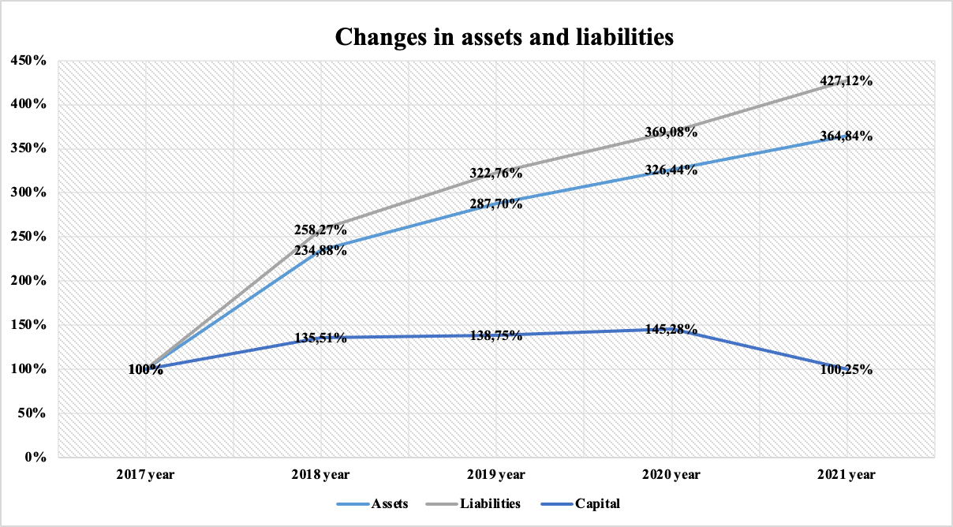

 | 2017 year | 2018 year | 2019 year | 2020 year | 2021 year |  | 2017 year | 2018 year | 2019 year | 2020 year | 2021 year
Revenue | 198197 | 321102 | 365216 | 417857 | 476364 |  | 100% | 162.01% | 184.27% | 210.83% | 240.35%
Cost of sales | -151670 | -242463 | -274143 | -320522 | -381419 |  | 100% | 159.86% | 180.75% | 211.33% | 251.48%
Gross profit | 46527 | 78639 | 91073 | 97335 | 94945 |  | 100% | 169.02% | 195.74% | 209.20% | 204.06%

 | 2017 year | 2018 year | 2019 year | 2020 year | 2021 year |  | 2017 year | 2018 year | 2019 year | 2020 year | 2021 year
Revenue | 198197 | 321102 | 365216 | 417857 | 476364 |  | 100% | 162.01% | 184.27% | 210.83% | 240.35%
Cost of sales | -151670 | -242463 | -274143 | -320522 | -381419 |  | 100% | 159.86% | 180.75% | 211.33% | 251.48%
Gross profit | 46527 | 78639 | 91073 | 97335 | 94945 |  | 100% | 169.02% | 195.74% | 209.20% | 204.06%

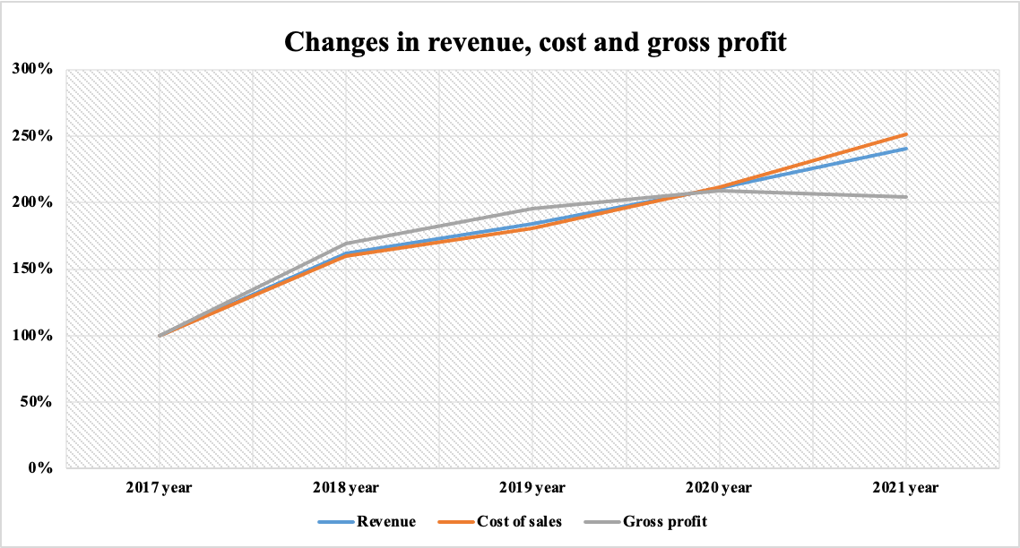

 | 2017 year | 2018 year | 2019 year | 2020 year | 2021 year |  | 2017 year | 2018 year | 2019 year | 2020 year | 2021 year
GROSS PROFIT | 46527 | 78639 | 91073 | 97335 | 94945 |  | 100% | 169.02% | 195.74% | 209.20% | 204.06%
OPERATING PROFIT | 8180 | 14683 | 24114 | 22927 | 13742 |  | 100% | 179.50% | 294.79% | 280.28% | 168.00%
PROFIT BEFORE INCOME TAX | 8839 | 11575 | 9493 | 8217 | 3120 |  | 100% | 130.95% | 107.40% | 92.96% | 35.30%
NET PROFIT | 6954 | 8365 | 7134 | 6541 | 2380 |  | 100% | 120.29% | 102.59% | 94.06% | 34.22%

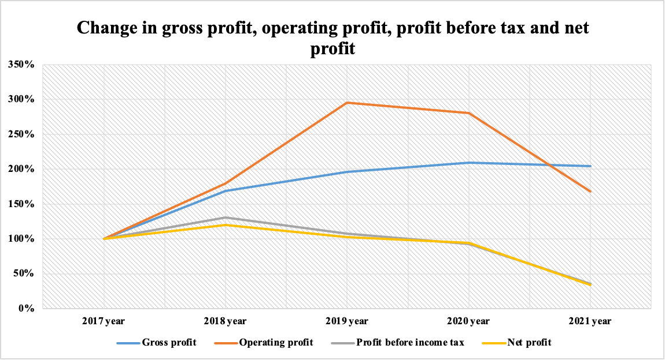

 | 2017 year | 2018 year | 2019 year | 2020 year | 2021 year |  | 2017 year | 2018 year | 2019 year | 2020 year | 2021 year
Commercial, general and administrative expenses | -40754 | -69234 | -72546 | -78818 | -87192 |  | 100% | 169.88% | 178.01% | 193.40% | 213.95%
Other operating income | 2623 | 6079 | 6408 | 4987 | 6403 |  | 100% | 231.76% | 244.30% | 190.13% | 244.11%
Other operating expenses | -216 | -801 | -821 | -577 | -414 |  | 100% | 370.83% | 380.09% | 267.13% | 191.67%
Operating profit | 8180 | 14683 | 24114 | 22927 | 13742 |  | 100% | 179.50% | 294.79% | 280.28% | 168.00%

Ratio analysis
1) The coefficient of autonomy (CA) shows how the company is independent of creditors. It reflects the share of equity in the composition of all sources of financing. The higher the value of the coefficient, the more likely the company can repay debts at its own expense. Generally accepted normal value: 0.5 or more (optimum 0.6-0.7).
 | 2017 | 2018 | 2019 | 2020 | 2021
 | 0.19 | 0.11 | 0.09 | 0.08 | 0.05

CA
2017 | 0.1905286978 | 0.1905286978
2018 | 0.10992033185 | 0.10992033185
2019 | 0.091889093551 | 0.091889093551
2020 | 0.08479622086 | 0.08479622086
2021 | 0.052353328582 | 0.052353328582
In our example, CA for the analyzed period decreases from 0.19 in 2017 to 0.19. to 0.05 in 2021, which reflects an increase in the company's dependence on external creditors.

2) The coefficient of long-term financial independence (LFI) shows what part of the total value of the company's assets is formed from the most reliable sources of financing, that is, it does not depend on short-term borrowed funds.
 | 2017 | 2018 | 2019 | 2020 | 2021
 | 0.19056161284 | 0.2792554496 | 0.37024780624 | 0.34459697911 | 0.27397986341

LFI
2017 | 0.19059452787
2018 | 0.44859056735
2019 | 0.64860651893
2020 | 0.60439773736
2021 | 0.49560639824
In essence, this is a refined coefficient of autonomy. If the company's liabilities include long-term liabilities, it is advisable to use this coefficient instead of the autonomy coefficient. One of the recommended values of this coefficient is 0.9, the critical value is 0.75. According to the conditions of our example, the CFLF for the analyzed period increases from 0.19 in 2017 to 0.5 in 2021, which reflects a decrease in the company's dependence on short-term borrowings.

3) The coefficient of financial dependence (KFD) demonstrates the dependence of the enterprise on external sources of financing.
 | 2017 | 2018 | 2019 | 2020 | 2021
 | 0.81 | 0.89 | 0.91 | 0.92 | 0.95

KFD
2017 | 0.8094713022
2018 | 0.89007966815
2019 | 0.90811090645
2020 | 0.91520377914
2021 | 0.94764667142
Shows the ability of the enterprise, having liquidated its assets, to fully repay its liabilities. A financial dependency ratio of no more than 0.6–0.7 is considered normal. to 0.95 in 2021, reflecting an increase in the company's dependence on external creditors. The optimal factor is 0.5.

4) The coefficient of provision with own working capital (CPOWC) allows you to calculate the share of own working capital in current assets.
 | 2017 | 2018 | 2019 | 2020 | 2021
 | -0.01 | -0.36 | -0.66 | -0.58 | -0.61

CPOWC
2017 | -0.0052012016922
2018 | -0.35894583131
2019 | -0.66303157917
2020 | -0.58429515851
2021 | -0.60978992579
CPOWC determines the degree to which an organization is provided with its own working capital necessary for its financial stability. Normal value: 0.1 or more. In our example, KOSOS for the analyzed period decreases from -0.01 in 2017 to to a negative value of -0.61 in 2021, which characterizes a sharp decrease in own working capital.

5) Capitalization ratio (CR) - shows the ratio of borrowed and own funds.
 | 2017 | 2018 | 2019 | 2020 | 2021
 | 4.25 | 8.10 | 9.88 | 10.79 | 18.10

CR
2017 | 4.2485531658
2018 | 8.097498008
2019 | 9.8826843465
2020 | 10.792978388
2021 | 18.100982251
The more the coefficient exceeds 1, the greater the dependence of the enterprise on borrowed funds. In the example, QC for the analyzed period increased from 4.25 in 2017 to to 18.10 in 2021, reflecting a sharp increase in the company's dependence on debt sources of financing.

6) Funding ratio (FR) shows which part of the activity is financed by own funds, and which part is financed by borrowed funds.
 | 2017 | 2018 | 2019 | 2020 | 2021
 | 0.24 | 0.12 | 0.10 | 0.09 | 0.06

FR
2017 | 0.23537424648
2018 | 0.12349493622
2019 | 0.10118708288
2020 | 0.09265283076
2021 | 0.055245620716
The lower this indicator, the more dependent the company is on borrowed capital. According to the conditions of our example, the CF for the analyzed period decreases from 0.24 in 2017 to 0.24. to 0.06 in 2021, which reflects an increase in the company's dependence on borrowed sources.

7) The coefficient of long-term attraction of borrowed funds (KLABF) shows what part of the sources of formation of non-current assets at the reporting date falls on equity, and what part on long-term borrowed funds.
 | 2017 | 2018 | 2019 | 2020 | 2021
 | 0.00 | 0.61 | 0.75 | 0.75 | 0.81

KLABF
2017 | 0.00017272648761
2018 | 0.60638070983
2019 | 0.75181731802
2020 | 0.75392639518
2021 | 0.80891541469
The high value of this indicator indicates a strong dependence on attracted capital, the need to pay in the future significant amounts of money in the form of interest on loans. In the example under consideration, the STSC for the analyzed period increased from zero in 2017. to 0.81 in 2021, showing a leveraged increase in equity capital.

8) The coefficient of maneuverability of own capital (CMOC) - shows what part of the net working capital accounts for 1 rub. own funds.

 | 2017 | 2018 | 2019 | 2020 | 2021
 | -0.02 | -0.60 | -0.91 | -0.92 | -2.62

CMOC
2017 | -0.021810486309
2018 | -0.59831075697
2019 | -0.91082267252
2020 | -0.91667409852
2021 | -2.6233844563
The coefficient of maneuverability characterizes what share of sources of own funds is in a mobile form. The recommended value is 0.5 or higher. According to the conditions of our example, KMSC for the analyzed period decreased from -0.02 in 2017 to to -2.62 in 2021, indicating a decline in capital agility.

