MarketRisk Dashboard
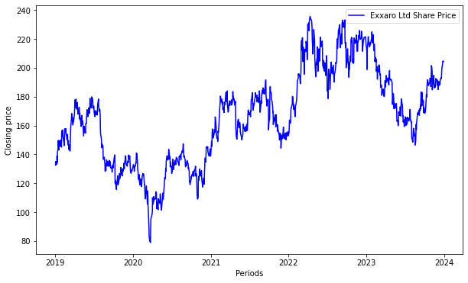
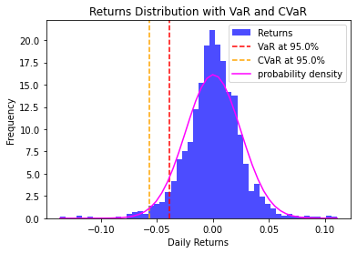
Key risk and factors | Likelihood | Impact | Key/Secondary | Risk Category | Data Frequency | Mitigating controls | Nature | Responsibility | Frequency | Evidence | Authoriser | Auditors Recommended Action Plan | Responsible Person | Agreed Date | Likelihood | Impact
Negative returns on the share price | Very High | Catastrophic | Key risk | Strategic Risk | Time Series | Effective hedging | Preventive | 0 | Daily | Committe or Board decision |  |  | 0 | 0 | Medium | Moderate
 | Share price (ZAR) |  |  |  |  |  |  | Exchange rate - USDZAR
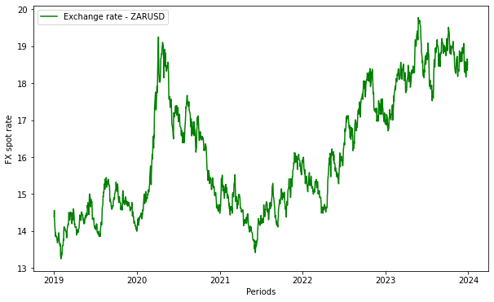

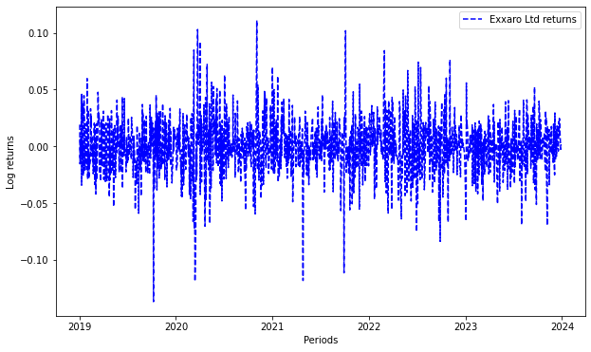
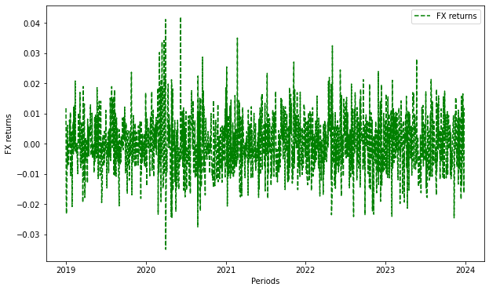
 |  |  | Column1 | Column2 | Column3 | Column4 | Column5
 |  |  | Based on Capital of e.g ZAR 200,000,000.00
 |  |  | Daily VaR at 95.0% confidence level: -0.0391
 |  |  | Daily CVaR at 95.0% confidence level: -0.0571
 |  |  | Potential Capital Loss based on VAR at 95.0% confidence level: ZAR-46,870,023.14
 |  |  | Potential Capital Loss based on CVAR at 95.0% confidence level: ZAR-68,461,203.80

 |  |  | Returns went below 10% 4 times in history.

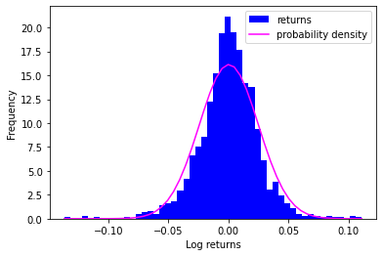

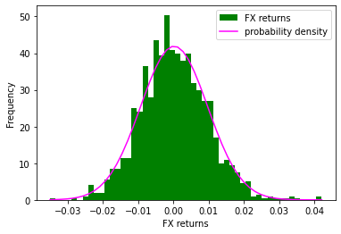
 |  |  | Column1 | Column2 | Column3 | Column4 | Column5
 |  |  | Negative skewness is observed with returns dropping below 10%
 |  |  | Negative skewness confirms the frequency of negative returns than postive ones
 |  |  | High kurtosis is observed and depicted by fat-tails confirming a departure from normality

 |  |  | Recommendation
 |  |  | Implement Data Science techniques to regularly monitor the performance of share capital returns and investment portfolios.
 |  |  | Risk measurement should form part of the discussions at various steering committees.
 |  |  | Ensure that the share price is within the Index beta (FTSE ALL Share) and the Metals Sector Beta as an indicator of risk.

