TIDP
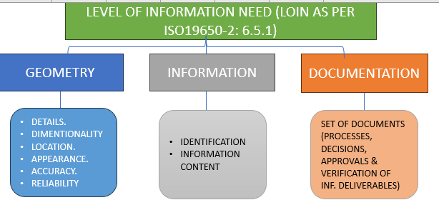
Task Information Delivery Plan (TIDP)
Project Name
Project Number
Project Owner
Date Created
Date Last Updated
Document Reference |  |  |  |  |  |  |  |  |  |  |  |  |  |  |  |  |  | Information delivery milestone - 01 |  |  | Information delivery milestone - 02 |  |  | Information delivery milestone - 03 |  |  | Information delivery milestone - 04 |  |  | Information delivery milestone - 05 |  |  | Information delivery milestone - 06 |  |  | Information delivery milestone - 07 |  |  | Information delivery milestone - 08 |  |  | Information delivery milestone - 09 |  |  | Information delivery milestone - 09
 |  |  |  |  |  |  |  |  |  |  |  |  |  |  |  |  |  | Work stage |  |  | Work stage: |  |  | Work stage |  |  | Work stage |  |  | Work stage |  |  | Work stage |  |  | Work stage |  |  | Work stage |  |  | Work stage |  |  | Work stage
 |  |  |  |  |  |  |  |  |  |  | Information identification fields |  |  |  |  |  |  | LOIN | Production duration | Submission date | LOIN | Production duration | Date | LOIN | Production duration | Submission date | LOIN | Production duration | Submission date | LOIN | Production duration | Submission date | LOIN | Production duration | Submission date | LOIN | Production duration | Submission date | LOIN | Production duration | Submission date | LOIN | Production duration | Submission date | LOIN | Production duration | Submission date
Item | Description / Title | Stage | Sheet size (if applicable) | Scale | Placeholder Template | Template URN (automatic) | Target Folder | FOLDER URN (automatic) | Project PIN | Originator | Discipline | Functional Breakdown | Spatial Breakdown | Form | Number | Information identification (automatic) | Dependant upon | LOIN - IM Delivery Milestone 01 | Production duration - IM Delivery Milestone 01 | Submission date - IM Delivery Milestone 01 | LOIN - IM Delivery Milestone 02 | Production duration - IM Delivery Milestone 02 | Submission date - IM Delivery Milestone 02 | LOIN - IM Delivery Milestone 03 | Production duration - IM Delivery Milestone 03 | Submission date - IM Delivery Milestone 03 | LOIN - IM Delivery Milestone 04 | Production duration - IM Delivery Milestone 04 | Submission date - IM Delivery Milestone 04 | LOIN - IM Delivery Milestone 05 | Production duration - IM Delivery Milestone 05 | Submission date - IM Delivery Milestone 05 | LOIN - IM Delivery Milestone 06 | Production duration - IM Delivery Milestone 06 | Submission date - IM Delivery Milestone 06 | LOIN - IM Delivery Milestone 07 | Production duration - IM Delivery Milestone 07 | Submission date - IM Delivery Milestone 07 | LOIN - IM Delivery Milestone 08 | Production duration - IM Delivery Milestone 08 | Submission date - IM Delivery Milestone 08 | LOIN - IM Delivery Milestone 09 | Production duration - IM Delivery Milestone 09 | Submission date - IM Delivery Milestone 09 | LOIN - IM Delivery Milestone 10 | Production duration - IM Delivery Milestone 10 | Submission date - IM Delivery Milestone 10
 |  |  |  |  |  |  |  |  | GSP | KEL | IM | EYO | XX | RE | 0001 | GSP-KEL-IM-EYO-XX-RE-0001

