Instructions
Activity Overview

In this activity, we will use sorting and filtering to clean up a dirty dataset.
Data cleaning corrects or removes incorrect, missing, and faulty data. Cleaning data is of critical importance because an analysis based on dirty data can lead to wrong conclusions and bad decisions. The cleaner our data, the better our results.

Scenario
For this activity, imagine we are a data analyst working for the superintendent of a large public school district in Portugal. The superintendent wants to know what factors affect student grades in core subjects and what changes can be made to improve student performance. Our team is going to analyze performance data on high school student achievement in two Portuguese public schools, Gabriel Pereira (GP) and Mouzinho da Silveira (MS). The data was collected by the school district by means of academic reports and student surveys. The data includes information such as:
Student grades
Student background information
Student study time
Student participation in extracurricular activities

However, before analyzing the data, it’s important to make sure the data is clean. Analyzing bad or dirty data could cause the school district to reach the wrong conclusions and implement ineffective changes. our assignment is to help clean the data.
We will sort data in different ways, apply filters to remove incorrect data and fill in missing data, and convert text data to number format. Cleaning data is a critical phase of the data analysis process. Sorting and filtering are useful techniques for data cleaning, and are also key skills that we will draw on throughout our career as a data analyst.

Step 1: Identify How to Clean our Data
It’s important to make sure our data is clean so that our eventual analysis will be correct.
The first thing to do is check the values in the columns most relevant to our analysis and find out if there is anything for us to clean.
In this example, the superintendent’s main objective is to determine what factors drive student performance.
To begin ansouring this question, the columns we want to focus on first are school, age, reason, Medu, Fedu.
we can use sorting and filtering to clean the data in each of these columns.

Step 2: Sort Data
Because we have data from two schools, Gabriel Pereira (GP) and Mouzinho da Silveira (MS), we can start by sorting the data by school. Then, we can also sort by age to discover the age ranges of the students for each school.
Sorting involves arranging data into a meaningful order to make it easier to understand, analyze, and visualize.
To start, rename our spreadsheet. In the upper left corner, click Untitled Spreadsheet and enter a new name. we can use the name student_performance_data or a similar name that describes the data our spreadsheet contains.
Now, sort by school. Because we want to sort on multiple columns, we need to select all the data in our spreadsheet. Click the blank rectangle above row 1 and to the left of column A. This lets we select all the data on our sheet.
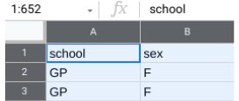

3. Next, from the menu bar, select Data, then Sort range. (Note: For some versions of Google Sheets, the selection Advanced range sorting options may appear on the Data drop-down menu instead of Sort range).
4. In the pop-up window, select Data has header row. Now we can choose specific column headers to sort by.
5. In the Sort by dropdown, choose the header school. Then, click A → Z to sort in ascending order.
6. we also want to sort for age. Before we can sort by age, we need to click Add another sort column to choose a second column header.
7. In the Sort by dropdown, choose the header age. This time, click Z → A to sort in descending order. This way, the oldest students will be listed first.
our popup window should appear like this:
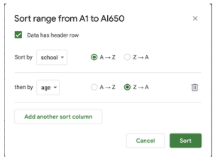

8. Once both selections have been made, click Sort.
Now, If we scroll through the data, we’ll notice that the age range of the students at Gabriel Pereira (GP) is 15-22 years, and the age range of the students at Mouzinho da Silveira (MS) is 15-20 years.
It appears that both schools have similar age ranges, but the GP school has students that are a little older.
By sorting the data, we’ve discovered a potential problem with the data. Because this dataset represents high school student achievement, any age older than 18 may indicate that a mistake was made when entering that student's age.
we now know what age data may need to be researched and corrected.
our next step is to ask the superintendent about the legitimate age range for students in public high school. Then, we’ll know what age data is incorrect and should be removed.

Step 3: Filter Data
The superintendent tells we that the maximum age limit for which public education is provided is 19 years old and that the age range should be 15-19 for both schools. Any student outside this age range should be deleted from the dataset.
To clean our data, we need to remove the ages 20, 21, and 22 from our dataset. we can start by applying a filter to the age column.
Filtering is the process of showing only the data that meets a specified criteria while hiding the rest. Filtering makes it easier to find data that we need.
First, apply a filter to the age column. Select the age column by clicking the letter at the top of the column (C).
Then, from the menu bar, select Data, then Create a filter.
we can now inspect the values in the age column by going to the top of the column and clicking the Filter icon ().
In Google Sheets, there are nine possible values for the field (15, 16, 17, 18, 19, 20, 21, and 22). we may notice that all the values have check marks. Filter this column for the values we want to select by unchecking all the other values (15, 16, 17, 18, and 19).
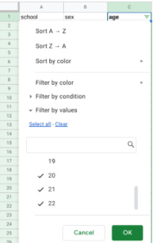

5. Then, click OK. This will single out the rows that contain the ages 20, 21, and 22. After we apply the filter, there should be nine such rows (seven for the GP school and two for the MS school).
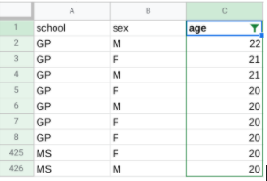

6. To delete the nine rows, first select them by clicking their row numbers.
7. Then, from the menu bar, select Edit and Delete selected rows.
8. Click the Filter icon at the top of the age column to inspect the values once again. Now that we’ve removed the three incorrect ages (20, 21, and 22), there are five ages remaining (15, 16, 17, 18, and 19). The remaining ages are legitimate and can be used for analysis.
9. Finally, turn off the filter. From the menu bar, select Data and Turn off filter.

Step 3: Filter Data
Filling in missing data is an important part of data cleaning. It’s our job to fill in these blank spaces in our data with accurate values.
The superintendent wants to know what factors influence student performance, and a student’s reason for choosing a specific school will be important to know for analysis.
The reason column shows the main reason a student chose to enroll in a specific school, according to their survey response: for example, because of the school’s reputation, or because it offers certain courses, etc.
So, we need to make sure the reason column is complete and without blanks.
Start by applying a filter across the entire spreadsheet. Click on any cell in the sheet. Then, from the menu bar, select Data and Create a filter.
All the cells are now highlighted, and there are filters at the top of every column containing data. Click the Filter icon on the reason column (K).
we may notice that the data values in the reason column include blanks. Filter this column for blanks by unchecking all the other values (course, home, reputation).
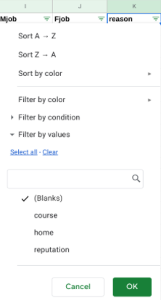

4. Then, click OK. Now, our sheet shows all the blank rows in the reason column.
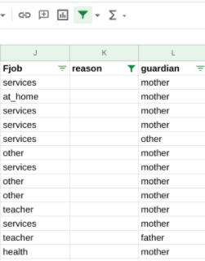

5. To clean our data, we need to find a good way to fill in these missing values. In this case, we cannot know what each missing value should be (that is, without a new survey, we can’t discover each student’s reason for choosing a specific school).
So, we can replace the missing values with the value none_given. To do this while the column is still filtered for blanks, enter none_given in the first empty cell (K38). Then, press Enter.
6. Select cell K38 again. A small blue square, known as the fill handle, appears in the bottom-right corner of the cell. Double click the fill handle to fill all the other blank cells with the value none_given.
7. Finally, turn off the filter. From the menu bar, select Data and Turn off filter. If we scroll down the reason column, we should find that the value none_given has replaced all the blanks in the reason column.

Step 4: Convert Data
During the data analysis process, it's sometimes necessary to change text data (words) to numeric data (numbers). For example, some statistical packages like those used to perform machine learning will only accept numeric data values as input.
In this case, the superintendent wants to know if a parent’s education level is a significant factor in student performance.
The relevant data is in the Medu and Fedu columns--which, respectively, refer to the level of education of a student’s mother and father. Currently, the data is in text format.
For the purposes of analysis, it will be useful to know the average education level of each student’s parents. To make this calculation, we first need to convert the data in the Medu and Fedu columns to number format.
To do this, we can match specific number values to the text data in each column. Start with the Medu column.
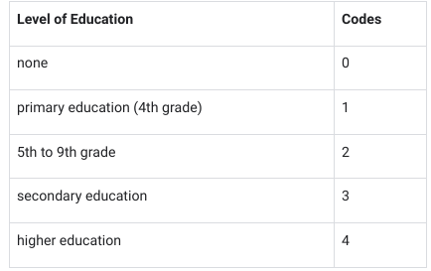
If we click on the Filter icon at the top of the Medu column (G), we will notice the column contains the text data shown in the table below. We can use the following numeric codes for each piece of text data:

1.To start, remove the filter from the Medu column.
2.Next, select the unfiltered Medu column data by clicking its column letter (G).
3.Then, from the menu bar, select Edit, then Find and replace.
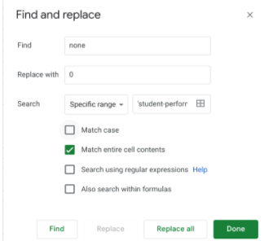
4.Fill in the popup window for the none value. Next to Find, enter none. Next to Replace with, enter 0. Check the box next to Match entire cell contents.

5. Then, click Replace all.
6. While still in the popup window, repeat this process (steps 4-5) for the other four educational levels: primary education (4th grade), 5th to 9th grade, secondary education, and higher education.
7. After replacing all five educational levels with numeric values, click Done to close the pop-up window.
8. Check out our spreadsheet. All the cells in the Medu column now display numeric values.
9. Change the text data in the Fedu column (H) in the same way.

