Instructions
Cleaning with Spreadsheets
(This version of spreadsheet is downloaded from my Google Sheet)

Activity overview

In this activity, we’ll do some data cleaning with spreadsheets, then transpose the data.
Objective: perform some basic cleaning methods in spreadsheets.
This will enable we to clean and transpose data, which is important for making data more specific and accurate in our career as a data analyst.

Select and remove blank cells

The first technique we’ll use is to select and eliminate rows containing blank cells by using filters. To eliminate rows with blank cells:
1. Highlight all cells in the spreadsheet. we can highlight Columns A-H by clicking on the header of Column A, holding Shift, and clicking on the header of Column H.
2. Click on the Data tab and pick the Create a filter option. In Microsoft Excel, this is called Filter.
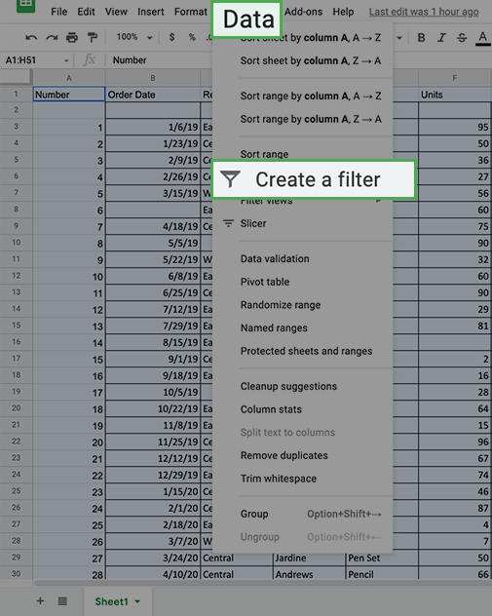
Excel:

Excel:

3. Every column now shows a green triangle in the first row next to the column title. Click the green triangle in Column B to access a new menu.
4. On that new menu, click Filter by condition and open the dropdown menu to select Is empty. Click OK.
In Excel, click the dropdown, then Filter... then make sure only (Blanks) is checked. Click OK.
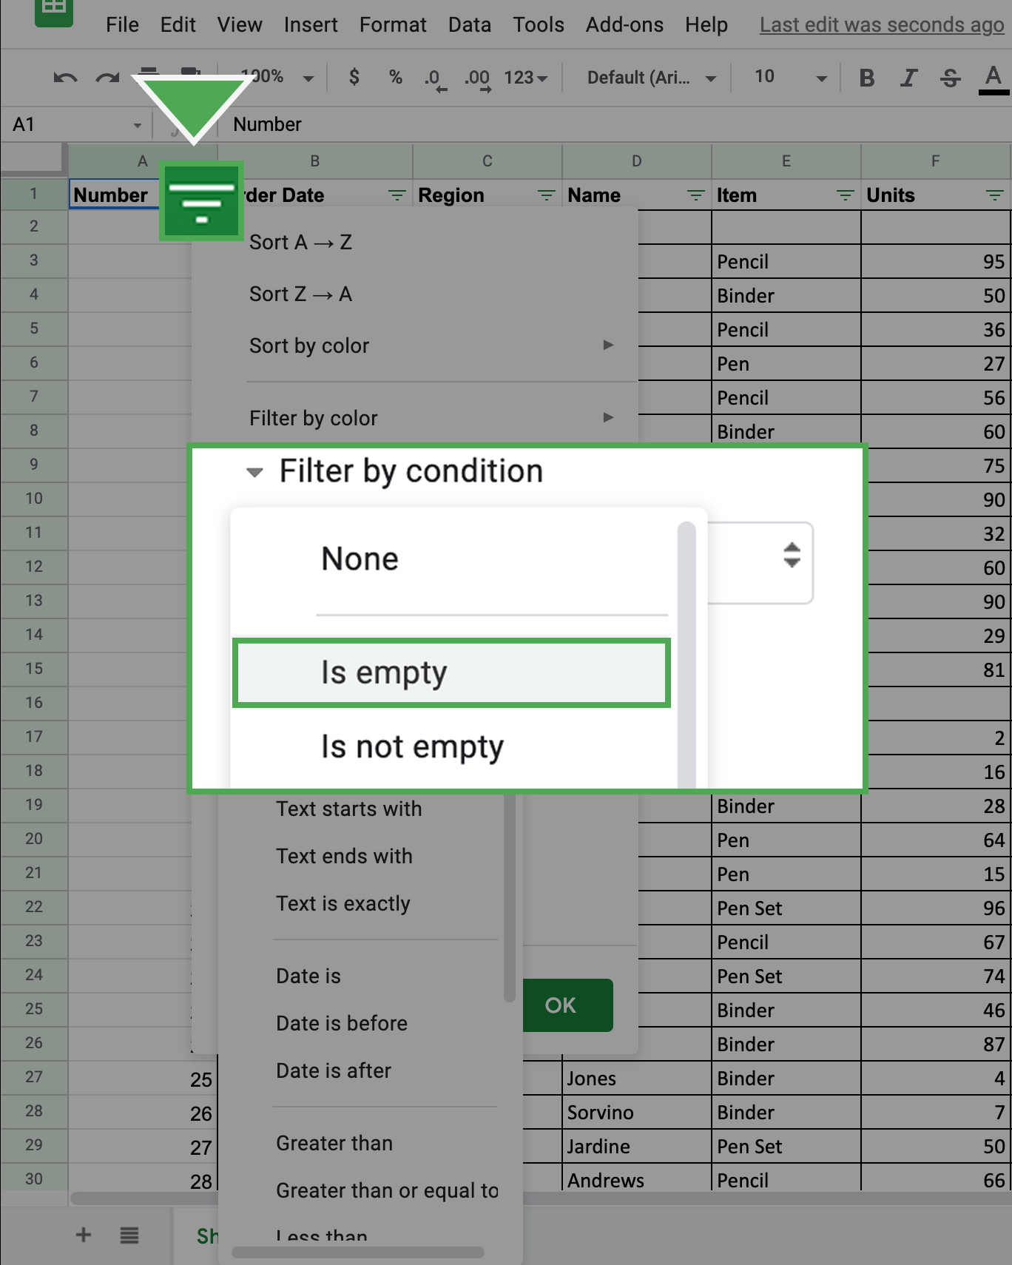

Excel:
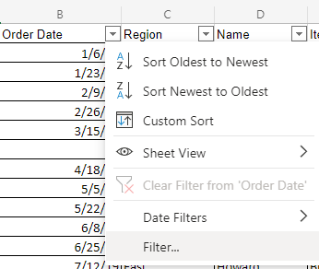
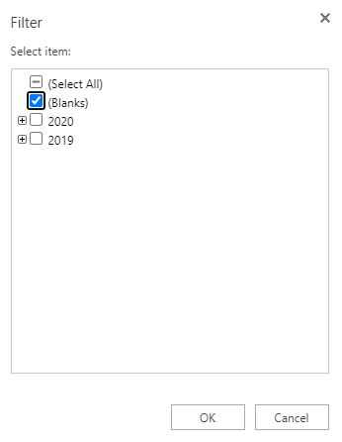

we can then review a list of all the rows with blank cells in that column.

5. Select all these cells and delete the rows except the row of column headers.
6. Return to the Filter by condition and return it to None. In Excel, click Clear Filter from ‘Column’.
Note: we will now notice that any row that had an empty cell in Column A will be removed (including the extra empty rows after the data).

7. Repeat this for Columns B-H.
All the rows that had blank cells are now removed from the spreadsheet.

Transpose the data

The second technique we will practice will help we convert the data from the current long format (more rows than columns) to the wide format (more columns than rows). This action is called transposing. To transpose our data:
1. Highlight and copy the data that we want to transpose including the column labels. we can do this by highlighting Columns A-H. In Excel, highlight only the relevant cells (A1-H45) instead of the headers.
2. Right-click on cell I1. This is where we want the transposed data to start.
3. Hover over Paste Special from the right-click menu. Select the Transposed option. In Excel, select the Transpose icon under the paste options.
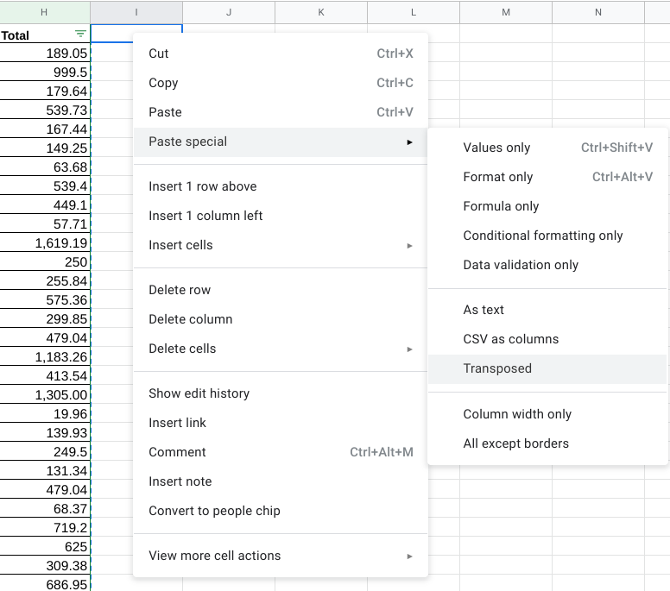

Excel:
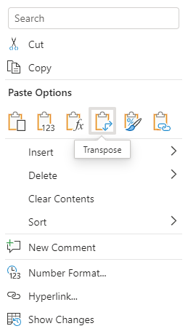

we should now find the data transformed into the new wide format. At this point, we should remove the original long data from the spreadsheet.
4. Delete the previous long data. The easiest way to do this is to click on Column A, so the entire column is highlighted. Then, hold down the Shift key and click on Column H. we should find these columns highlighted. Right-click on the highlighted area and select Delete Columns A - H.
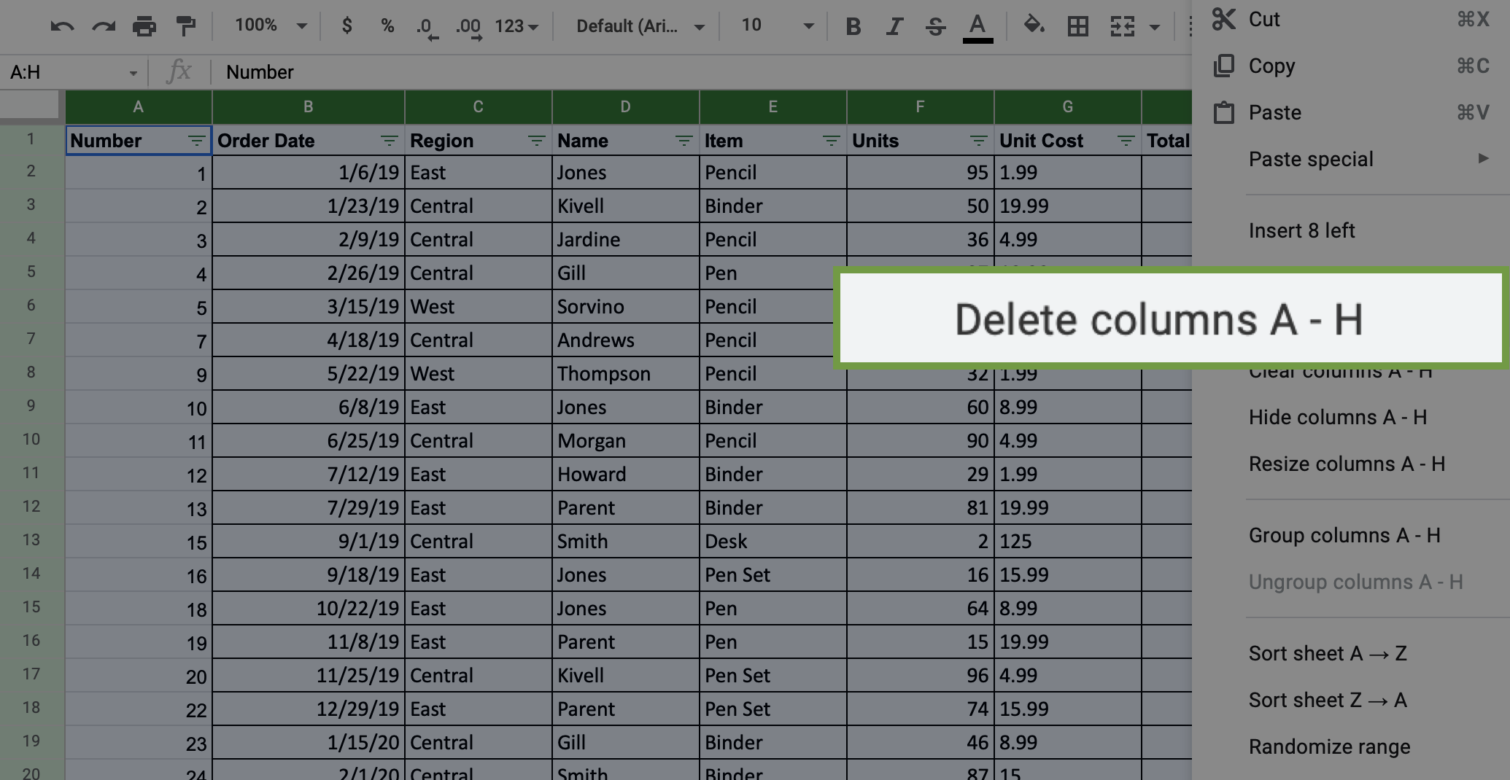

our screen should now appear like this:

Get rid of extra spaces in cells with string data

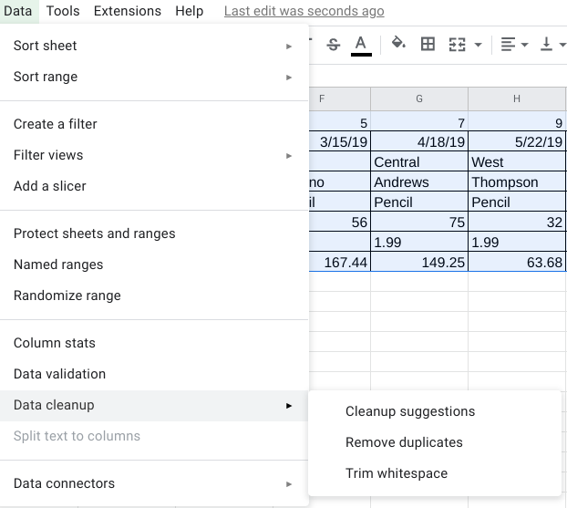
Now that we have transposed the data, eliminate the extra spaces in the values of the cells.
1. Highlight the data in the spreadsheet.
2. Click on the Data tab, then hover over Data cleanup and select Trim whitespace.

In Excel, we can use the TRIM command to get rid of white spaces. In any space beneath our data (such as cell A10), type =TRIM(A1). Then, drag the bottom right corner of the cell to the bottom right to call the data without the white spaces.
Now all the extra spaces in the cells have been removed.

Change Text Lower/Uppercase/Proper Case

Next, we’ll process string data. The easiest way to clean up string data will depend on the spreadsheet program we are using. If we are using Excel, we’ll use a simple formula. If we are using Google Sheets, we can use an Add-On to do this with a few clicks. Follow the steps in the relevant section below.

Google sheets

If we’re completing this exercise using Google Sheets, we’ll need to install an add-in that will give we the functionality needed to easily clean string data and change cases.
Google Sheets Add-on Instructions:
Click on the Add-Ons option at the top of Google Sheets.
Click on Get add-ons.
Search for ChangeCase. It should appear like this:
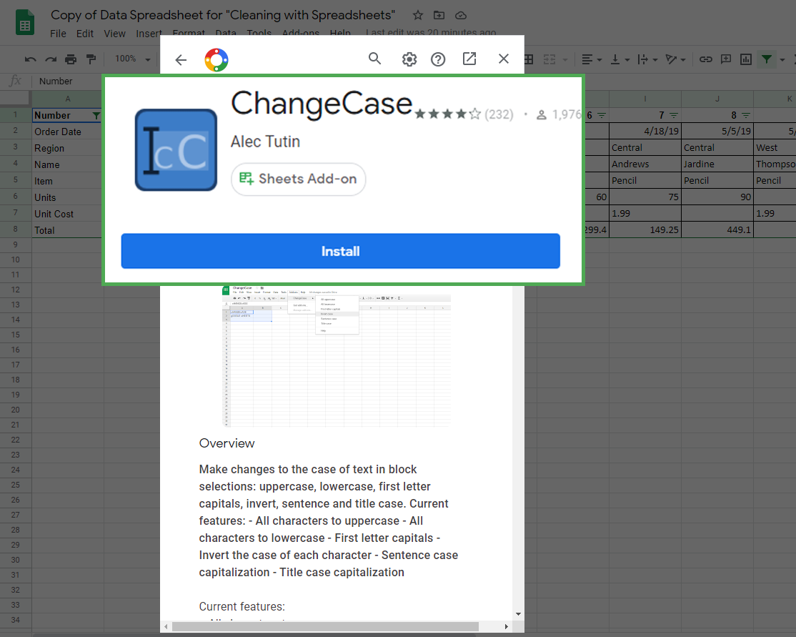

4. Click on Install to install the add-on. It may ask we to login or verify the installation permissions.

Once we have installed the add-on successfully, we can access it by clicking on the Add-ons menu again.
Now, we can change the case of text data that shows up. To change the text in Column C to all uppercase:
1. Click on Column C. Be sure to deselect the column header, unless we want to change the case of that as well (which we don't).
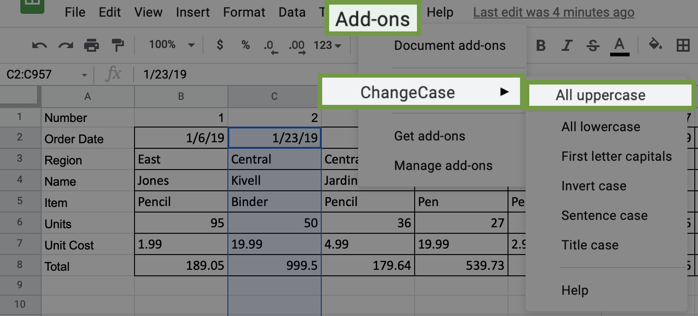
2. Click on the Add-Ons tab and select ChangeCase. Select the option All uppercase. Notice the other options that we could have chosen if needed.

Delete all formatting

If we want to clear the formatting for any or all cells, we can find the command in the Format tab. To clear formatting:
1. Select the data for which we want to delete the formatting. In this case, highlight all the data in the spreadsheet by clicking and dragging over Rows 1-8.
2. Click the Format tab and select the Clear Formatting option.
In Excel, go to the Home tab, then hover over Clear and select Clear Formats.
we will notice that all the cells have had their formatting removed.

