Instructions
Activity: Clean Data with Spreadsheet Functions usiing the San Francisco Boba Tea Shop Location Info Dataset

Activity overview

By now, we’ve been introduced to some useful techniques for cleaning spreadsheet data, such as sorting and filtering. In this activity, we'll continue to develop our data-cleaning skills by using spreadsheet functions.
Imagine we are a data analyst working for a marketing agency based in San Francisco. The marketing agency wants to contact local boba tea shops to inquire about a potential collaboration for a new marketing campaign.
The agency plans to visit the top-rated shops within a 10-mile radius of the center of their target area. To assist with planning, the agency asks our team to review external data related to ratings and locations of boba tea shops in San Francisco.
One of our teammates has created a spreadsheet from an online source. However, the data is not in the greatest shape.
our assignment is to identify the dirty elements in the dataset and clean them up.
Objectives:
- Identify dirty elements in a dataset
- Remove duplicate data
- Use the COUNTIF and SPLIT functions to help clean data.

What we will need
The dataset includes the following column headers:
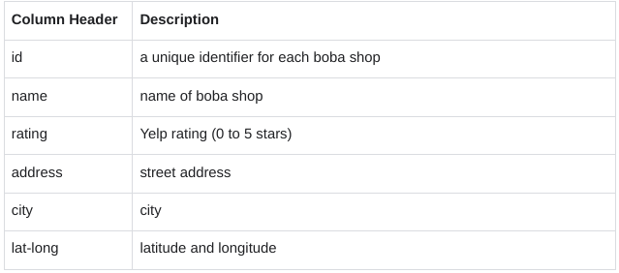

Identify the dirty elements in our data

As a data analyst, our job is to present data that is readable, accurate, and visually appealing. Cleaning our data helps we achieve this goal. The first step is to identify the dirty elements in our data.
Rename our spreadsheet. Click Untitled Spreadsheet and enter a new name. we can use the name sf_boba_tea_shop_data or a similar name that describes the data our spreadsheet contains.
If we want to get a better view of our data, we can make the columns wider by dragging the right boundary of the column heading. This may apply to the name (B), address (D), and lat-long (F) columns.
Now, review our data and consider any problems we may need to address. The following are examples of errors that we can quickly identify and fix. This is not a comprehensive list of every potential problem, but is a great starting point for data cleaning.

1.First, there is at least one duplicate line (rows 20 and 21) in our dataset.

S

2.Second, all Yelp ratings should fall between 0 and 5. However, at least one rating (in cell C8) falls outside of that range.

3.Finally, the data for latitude and longitude is contained in a single column (F). In order for someone to be able to use this data for analysis, the two values should be in separate columns.
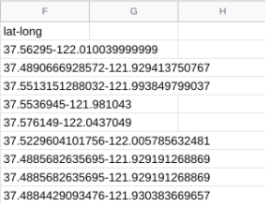

Now we know what issues to focus our attention on during the cleaning process.

Clean our data

our goal is to fix these errors and help create a clean dataset for analysis. we can address each issue in turn.

Remove duplicates

The first step is to eliminate any duplicate entries from our dataset. As a best practice, duplicates should be removed even if they are not readily apparent.
1.To start, select columns A through F.
2.Then, in the menu bar, choose Data, then Data Cleanup and Remove duplicates.
3.In the pop-up window, click Data has header row. we want to remove duplicate boba shop id's and boba shop names. In the Columns to analyze section, make sure the relevant columns (id, name) are selected.
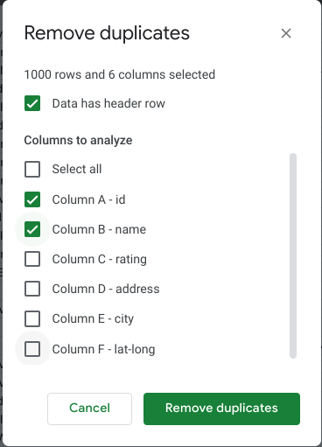

4. Once everything has been selected, click Remove duplicates.
5. If done correctly, 3 duplicate rows will be found and removed and 604 rows will remain.

Correct the ratings data

Next, clean up any data that does not make sense. Yelp ratings should be less than 5 and greater than 0. Now, we will determine how many entries are inaccurate and correct them. we can use the COUNTIF function to perform this task.
1.The COUNTIF function quickly counts how many items in a range of cells meet a given criterion. In cell I2, type =COUNTIF(C:C,">5").
The first entry (C:C) refers to the range where we are counting the data. In this case, the range is the entire rating column (C), which contains the Yelp ratings.
The second entry refers to the criterion (>5), and tells the function to count all the values greater than 5.
2.Press Enter. we’ll notice that the function returns a value of 9. This tells we that our dataset contains 9 entries that have a rating greater than 5.

As a data analyst, it's our job to decide what to do with incorrect values or to ask the dataset owner for advice if we’re unsure. In this case, one effective approach would be to search on Yelp for the actual ratings.
For this activity, we can just replace the incorrect ratings with the number 5. An efficient way to replace the ratings is to sort the data numerically from largest to smallest rating.
3. Select columns A through F.
4. Then, from the menu bar, choose Data, then Sort range and Advanced range sorting options.
5. In the pop-up window, check the box next to Data has header row. Sort by rating from Z →A. This way, the highest ratings will be listed first.
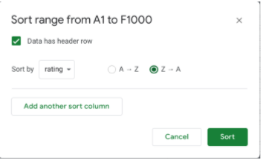

6. Click Sort. Check out our spreadsheet. At the start of the rating column, we should now find the 9 rows that have incorrect values (rating > 5).
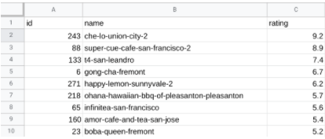

7. Next, select the range of cells C2:C10. Press delete to delete the values that are greater than 5.
8. Replace all the values with the number 5. In cell C2, type 5. Then, drag the fill handle down to cell C10 to fill the remaining cells with 5.
9. After replacing the incorrect ratings with the number 5, we may notice that the new value in cell I2 is 0. The output of the COUNTIF function now reflects the changes in our dataset. This confirms that the rating column no longer contains any values greater than 5.
10. FInally, delete the formula from cell I2 since we don’t need this information anymore.

Clean up the latitude and longitude data

Next, clean up the latitude and longitude data by placing each value in a separate column. we can use the SPLIT function to accomplish this task.
1. The TEXTSPLIT function divides text around a specified character or string, and puts each fragment of text into a separate cell in the row. The SPLIT function will split the single lat-long column into two separate columns, one for latitude and the other for longitude.
In cell G2, type =TEXTSPLIT(F2,"-"). The first entry (F2) refers to the cell where the text is located. The second entry (“-”) refers to the fact that we are dividing the text based on the minus sign.

2. Press Enter. The result shows each fragment of text in a different cell.

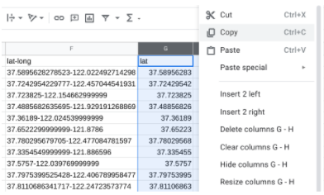
3. Select cell G2 again. In cell G2, double-click on the fill handle to split all the remaining lat-long entries.
4. Now add column headers to the two new columns (G and H). In cell G1, type lat. In cell H1, type long.
5. Next, replace the original lat-long data in column F with the new split entries in columns G and H. Select columns G and H, right-click, and choose Copy.

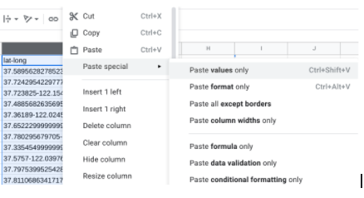
6. Then, select Column F, right-click, and choose Paste special and Paste values only.

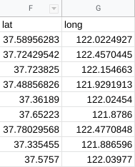
7. Now the new lat column is column F, and the new long column is column G. Adjust the width of the lat column (F) to fit the data by dragging the right boundary of the column heading.

8. Next, select column H, right-click, and choose Delete column.
9. Finally, the longitude values should be negative so that they are accurate coordinates for mapping. To make the values in the long column negative, multiply them by -1. In cell H2, type =G2*-1. The asterisk is the operator for multiplication. Press Enter.
10. Still in cell H2, double-click on the fill handle to fill in the rest of the values.
11. Next, add a column header. In cell H1, type: long.
12. Now, replace the longitude data in column G with the new data in column H. Select column H, right-click, and choose Copy.
13. Select Column G, right-click, and choose Paste special and Paste values only.
14. Then, select column H, right-click, and choose Delete column.
Columns F and G should look like this:
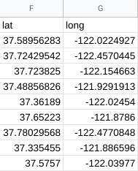

Now our data is cleaner, clearer, and easier to use.

