Guidelines
Goal:
For this activity, we will move our data to a spreadsheet and bring it to life in a chart.
By the time we complete this activity, we will understand how to create a simple graphical representation of information.
This is a skill data analysts use to make data easy to understand and interesting to look at. It’s important for reports, presentations, infographics, and more.

Working with spreadsheets

Now that we have a template ready, we can start the activity:
Step 1: Open a spreadsheet
Open our spreadsheet in Google Sheets or Microsoft Excel.
Step 2: Familiarize ourself with the spreadsheet
If we are already familiar with spreadsheets, that’s great! If spreadsheets are new to we, don’t worry—they are just like the table we created in a previous activity.
To get familiar with spreadsheets, we should consider a spreadsheet’s format:
Each rectangular block is a cell.
Each cell is meant for one data point, just like in the table we created previously.

Now, consider the cells that run across the top of the spreadsheet (horizontally) and along the left side of the spreadsheet (vertically):
Cells are organized by columns and rows.
Each column has a distinct letter, and each row has a distinct number.
Each cell has a unique identifier composed of the column letter and row number. This identifier is like the cell’s address.

we also have a chart embedded in the spreadsheet. However, the chart is blank, because it doesn’t have any data yet. Next, we will add data!

Step 3: Add our data
Now, we can add our own data from previous learning logs to the spreadsheet. Notice that cell A1 contains the label “Date”, and cell B1 contains the label “Value”.
This lines up with the same structure we used in the table we created in a previous learning log entry, where we recorded data from our daily life. Just like our table, all the “date” parts of our data points go in the cells in column A, and the values we recorded on those dates go in the corresponding cells in column B. It should display like this:
Date | Value
2026-10-19 | 2.5
2026-10-20 | 2
2026-10-21 | 1
2026-10-22 | 1.5
2026-10-23 | 1.5
Next, take all of the data that we previously recorded in our learning log and use it to populate the spreadsheet in the appropriate columns: Add the dates in column A, and the values in column B.

Once we finish adding our data to the spreadsheet, our table will display like this:
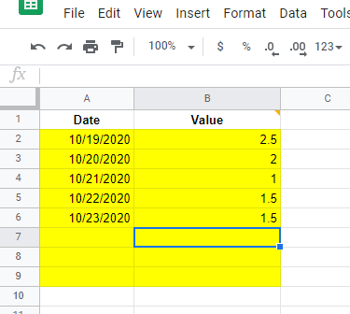
Displaying a chart in a spreadsheet

Next, we will update the chart in our spreadsheet based on the data we entered.
Step 4: Reviewing our chart
Now that we’ve entered our data into the Date and Value columns, our spreadsheet should display like this:

Displaying a chart in a spreadsheet

Next, we will update the chart in our spreadsheet based on the data we entered.
Step 4: Reviewing our chart
Now that we’ve entered our data into the Date and Value columns, our spreadsheet should display like this:

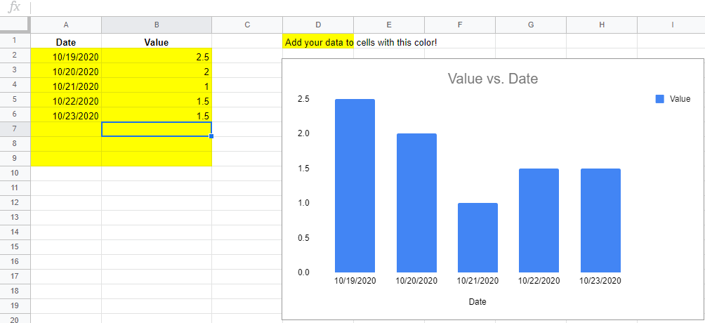
Did we notice what happened to the chart when we entered the data in the spreadsheet? The spreadsheet visualized the data for we by making it into a basic bar chart. There are many different ways to customize charts, but first we need to clean up our chart. Then, we can interpret the data visualization!
Step 5: Cleaning up our chart
Now that we have a chart, it’s time to clean it up. It’s generally a good idea to tidy our chart by making it descriptive and aesthetically pleasing. Keep in mind that good data analysts are data storytellers!
To change the title of our chart, double click on the chart. we should find that a “Chart Editor” menu displays on the side of our screen. Click on “Chart & axis titles”, and then enter the name of our chart in the “Title Text” box:

Did we notice what happened to the chart when we entered the data in the spreadsheet? The spreadsheet visualized the data for we by making it into a basic bar chart. There are many different ways to customize charts, but first we need to clean up our chart. Then, we can interpret the data visualization!
Step 5: Cleaning up our chart
Now that we have a chart, it’s time to clean it up. It’s generally a good idea to tidy our chart by making it descriptive and aesthetically pleasing. Keep in mind that good data analysts are data storytellers!
To change the title of our chart, double click on the chart. we should find that a “Chart Editor” menu displays on the side of our screen. Click on “Chart & axis titles”, and then enter the name of our chart in the “Title Text” box:
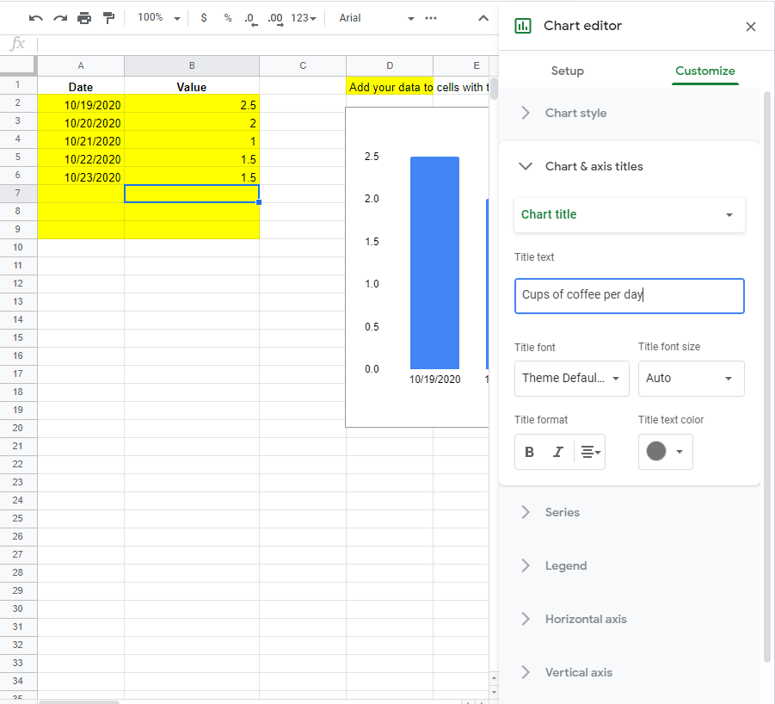
If we’re using Microsoft Excel, we can double click on the title in the chart to edit directly.

If we’re using Microsoft Excel, we can double click on the title in the chart to edit directly.
Don’t be afraid to play around with the options here: we can always download another copy of the template if we make a mistake we can’t fix!

Data_Chart_Outcome
Cups Of Coffee Per Day
 | Value
10/19/2022 | 2.5
10/20/2022 | 2
10/21/2022 | 1
10/22/2022 | 1.5
10/23/2022 | 1.5
Date | Value | Add your data to cells with this color!
2022-10-19 | 2.5
2022-10-20 | 2
2022-10-21 | 1
2022-10-22 | 1.5
2022-10-23 | 1.5

