1. Title Page
[Instacart Grocery Basket Analysis]

Project Name: Instacart Grocery Basket Analysis
Date: 27.03.2021
Analyst Name: Kentaro Fujita

Contents:
Population Flow
Consistency checks
Wrangling steps
Column derivations
Visualizations
Recommendations

2. Population Flow
Title page

Population flow

Exclusion flag
Condition: max_order < 5
Obervations to be removed:
Final total count of order_products_all: 30,993,489

Orders_products_combined
Orders_products_merged
Orders_products_all

Total: 32,435,059
Total: 32,434,489
Total:32,435,059

1.) The grey boxes in the first row of the population flow represent the original data sets as they were when you downloaded them. In the Total fields you need to add the count of the rows when you imported the data set into Jupyter.
2.) The second row of boxes (coloured) represents the data sets after you manipulated them, e.g., removed missing values and duplicates. In the Total fields you need to add the count of the rows after conducting these operations. This offers a visual oveview of how the data flows throughout the data consistency checks.
3.) The third row, where also the arrows are coloured, represents the merges you performed between the datasets. In the Total fields you need to add the count of the rows in the merged datasets, so that you end up with the final dataset (in the red box). Keep in mind the final dataset should be without exclusions (based on the exclusion flag).

3. Consistency checks
 |  |  |  | Title page
Consistency checks

Dataset | Missing values | Missing values treatment | Duplicates
orders | 206209 | Missing value is not removed due to data specifications | 0
products | 16 | removed | 5
orders_products_prior | 0 |  | 0
customers | 11259 | Stay same due to data specifications | 0

4. Wrangling steps
 |  |  |  | Title page
Wrangling steps

Columns dropped | Columns renamed | Columns' type changed | Comment/Reason
eval_set |  |  | Unnecessary data
 | order__dow → orders_day_of_the_week
 | n_dependent → Number_of_dependent
 | fam_status → family_status
 |  | order_id → string
First Name |  |  | private data
Surnam |  |  | private data
Age |  |  | private data
family_status |  |  | private data
income |  |  | private data

5. Column derivations
 |  |  |  | Title page

Column derivations and aggregations

In this tab you should add tables below that the frequences of flags/label variables that you produced after deriving them. NB: don't do this for continuous variables, only for flags.
Dataset | New column | Column/s it was derived from | Conditions
orders_products_merged | price_range | prices | def price_label(row): if row['prices'] <= 5: return 'Low-range product' elif (row['prices'] > 5) and (row['prices'] <= 15): return 'Mid-range product' elif row['prices'] > 15: return 'High range' else: return 'Not enough data'
orders_products_merged | busiest_days | orders_day_of_the_week | result_1 = [] for value in orders_products_merged["orders_day_of_the_week"]: if value == 0: result_1.append("Busiest days") elif value == 1: result_1.append("Busiest days") elif value == 3: result_1.append("Slowest days") elif value == 4: result_1.append("Slowest days") else: result_1.append("Regularly busy")
orders_products_merged | busy_time | order_hour_of_day | orders_products_merged.loc[(orders_products_merged['order_hour_of_day']==0) & (orders_products_merged['order_hour_of_day']>=1) & (orders_products_merged['order_hour_of_day']<=6), 'busy_time'] = 'Fewest orders'orders_products_merged.loc[(orders_products_merged['order_hour_of_day']>=7) & (orders_products_merged['order_hour_of_day']<=8), 'busy_time'] = 'Average orders'orders_products_merged.loc[(orders_products_merged['order_hour_of_day']>=9) & (orders_products_merged['order_hour_of_day']<=16), 'busy_time'] = 'Most orders'orders_products_merged.loc[(orders_products_merged['order_hour_of_day']>=17) & (orders_products_merged['order_hour_of_day']<=22), 'busy_time'] = 'Average orders'orders_products_merged.loc[(orders_products_merged['order_hour_of_day']==23), 'busy_time'] = 'Fewest orders'
orders_products_merged | max_order | order_number | ords_prods_merge['max_order'] = ords_prods_merge.groupby(['user_id'])['order_number'].transform(np.max)
orders_products_merged | loyalty_flag | max_order | ords_prods_merge.loc[ords_prods_merge['max_order'] > 40, 'loyalty_flag'] = 'Loyal customer' ords_prods_merge.loc[(ords_prods_merge['max_order'] <= 40) & (ords_prods_merge['max_order'] > 10), 'loyalty_flag'] = 'Regular customer' ords_prods_merge.loc[ords_prods_merge['max_order'] <= 10, 'loyalty_flag'] = 'New customer'
orders_products_merged | spending_flag | Average_spending | ords_prods_merge['Average_spending'] = ords_prods_merge.groupby(['user_id'])['prices'].transform(np.mean) ords_prods_merge.loc[ords_prods_merge['Average_spending'] < 10, 'spending_flag'] = 'Low spender' ords_prods_merge.loc[ords_prods_merge['Average_spending'] >= 10, 'spending_flag'] = 'High spender'
ords_prods_all | Region | STATE | customer_merged.loc[customer_merged['STATE'] == 'Maine','Region'] = 'Region 1'customer_merged.loc[customer_merged['STATE'] == 'New Hampshire','Region'] = 'Region 1'customer_merged.loc[customer_merged['STATE'] == 'Vermont','Region'] = 'Region 1'customer_merged.loc[customer_merged['STATE'] == 'New Jersey','Region'] = 'Region 1'customer_merged.loc[customer_merged['STATE'] == 'Massachusetts','Region'] = 'Region 1'customer_merged.loc[customer_merged['STATE'] == 'Rhode Island','Region'] = 'Region 1'customer_merged.loc[customer_merged['STATE'] == 'Connecticut','Region'] = 'Region 1'customer_merged.loc[customer_merged['STATE'] == 'New York','Region'] = 'Region 1'customer_merged.loc[customer_merged['STATE'] == 'Pennsylvania','Region'] = 'Region 1'customer_merged.loc[customer_merged['STATE'] == 'Wisconsin','Region'] = 'Region 2'customer_merged.loc[customer_merged['STATE'] == 'Michigan','Region'] = 'Region 2'customer_merged.loc[customer_merged['STATE'] == 'Illinois','Region'] = 'Region 2'customer_merged.loc[customer_merged['STATE'] == 'Indiana','Region'] = 'Region 2'customer_merged.loc[customer_merged['STATE'] == 'Ohio','Region'] = 'Region 2'customer_merged.loc[customer_merged['STATE'] == 'North Dakota','Region'] = 'Region 2'customer_merged.loc[customer_merged['STATE'] == 'South Dakota','Region'] = 'Region 2'customer_merged.loc[customer_merged['STATE'] == 'Nebraska','Region'] = 'Region 2'customer_merged.loc[customer_merged['STATE'] == 'Kansas','Region'] = 'Region 2'customer_merged.loc[customer_merged['STATE'] == 'Minnesota','Region'] = 'Region 2'customer_merged.loc[customer_merged['STATE'] == 'Iowa','Region'] = 'Region 2'customer_merged.loc[customer_merged['STATE'] == 'Missouri','Region'] = 'Region 2'customer_merged.loc[customer_merged['STATE'] == 'Delaware','Region'] = 'Region 3'customer_merged.loc[customer_merged['STATE'] == 'Maryland','Region'] = 'Region 3'customer_merged.loc[customer_merged['STATE'] == 'District of Columbia','Region'] = 'Region 3'cu
ords_prods_all | low activity flag | max_order | customer_merged.loc[customer_merged['max_order'] < 5, 'low activity flag'] = 'low-activity customer'customer_merged.loc[customer_merged['max_order'] >= 5, 'low activity flag'] = 'active_customer'
ords_prods_all | Customer_Category | Age,Number_of_dependents | def customer_label(row): if (row['Age'] < 35) and (row['Number_of_dependents'] == 0): return 'Young adult' elif (row['Age'] < 35) and (row['Number_of_dependents'] >= 1): return 'Young parent' elif (row['Age'] >= 35) and (row['Age'] < 55) and (row['Number_of_dependents'] == 0): return 'Middle Adult' elif (row['Age'] >= 35) and (row['Age'] < 55) and (row['Number_of_dependents'] >= 1): return 'Middle Age Parent' elif (row['Age'] >= 55) and (row['Number_of_dependents'] == 0): return 'Old Adult' elif (row['Age'] >= 55) and (row['Number_of_dependents'] >= 1): return 'Old Age Parent' else: return 'Not enough data'
ords_prods_all | income_range | income | def income_label(row): if (row['income'] < 70000): return 'Lower_income' elif (row['income'] >= 70000) and (row['income'] <= 120000): return 'Middle_income' elif (row['income'] > 120000): return 'higher_income' else: return 'Not enough data'

6. Visualizations
 |  |  |  |  |  |  |  | Title page

Visualisations

Question 1 The sales team needs to know what the busiest days of the week and hours of the day are (i.e., the days and times with the most orders) in order to schedule ads at times when there are fewer orders.

At the weekend, the number of order increase. Interm of time, the number of order is higher from 10 am to 4 pm.



 |  | Average number of orders in a week |  |  |  | Average number of order in day

Question 2 They also want to know whether there are particular times of the day when people spend the most money, as this might inform the type of products they advertise at these times.

From 2 am, the average price of order is dramatically rise.

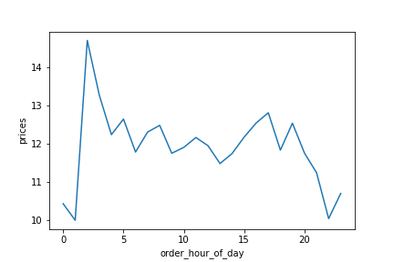
 |  | Average price of order in day

Question 3 Instacart has a lot of products with different price tags. Marketing and sales want to use simpler price range groupings to help direct their efforts.

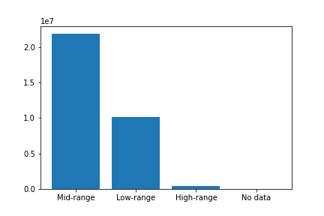
 |  | Number of product sold by the price range

 |  |  |  |  | Low-range Product = under $5

 |  |  |  |  | Mid-range product = between $5 and $15

 |  |  |  |  | High-range Product = Over $15

Question 4 Are there certain types of products that are more popular than others? The marketing and sales teams want to know which departments have the highest frequency of product orders.

The produce products got the most order. Daily egg and snacks are following.

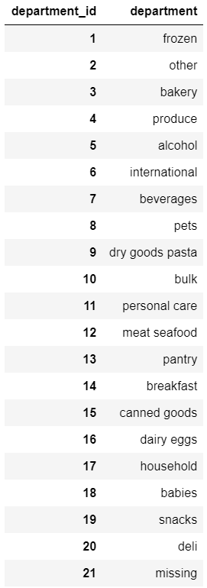
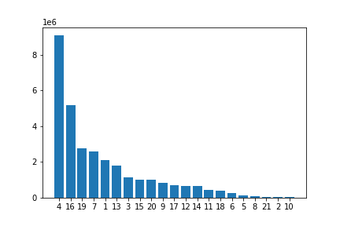
 |  |  | Number of ordered product by department ID

Question 5.1 What’s the distribution among users in regards to their brand loyalty (i.e., how often do they return to Instacart)?

Loyal customer tend to return much earlier than other customer range.

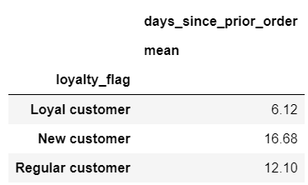
 |  | Average days since prior order by loyalty
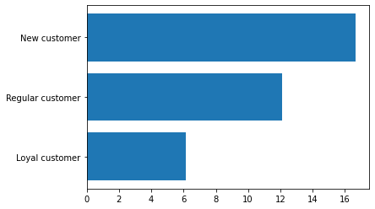

Question 5.2 Are there differences in ordering habits based on a customer’s loyalty status?

There is more order from a regular customer. Still, in terms of placing the order in a week, slightly loyal customers place orders on the slowest days instead of busy days,

 |  | Percentage of day of week of placing order by loyalty customers
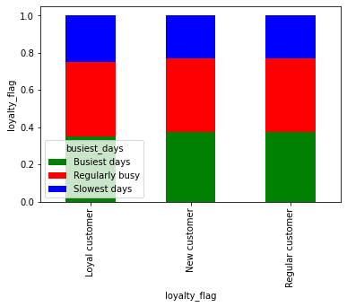
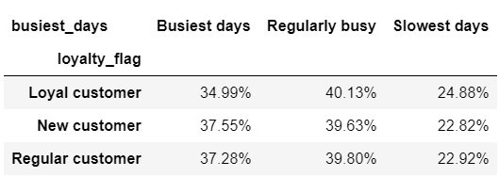

 |  | Number of day of week of placing order by loyalty customers
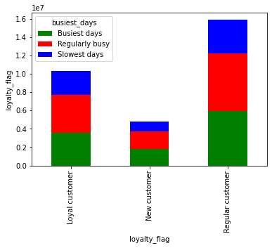

In terms of placing the order habits in a day, there is no specific difference between the customer loyalty.

 |  | Percentage of time of the day of placing order by loyalty customers
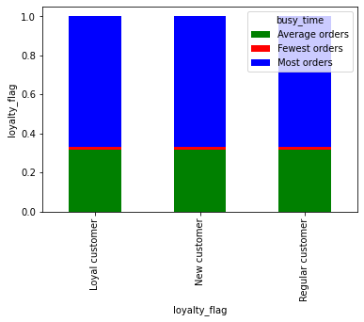

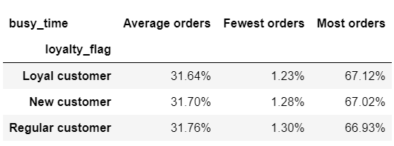

 |  | Percentage of time of the day of placing order by loyalty customers
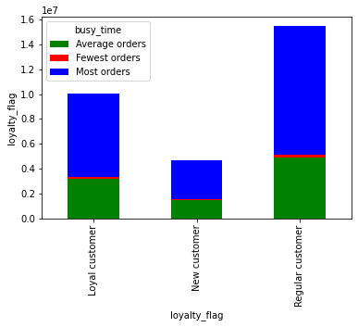

Question 5.3 Are there differences in ordering habits based on a customer’s region?

There is more order from a region 3, but in terms of placing the order in a week, there is no specific different habit between regions

 |  | Percentage of day of week of placing order by regions
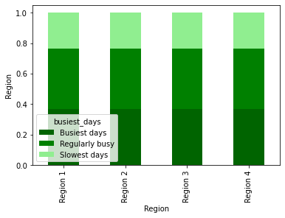

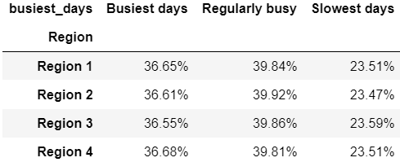

 | Number of day of week of placing order by regions
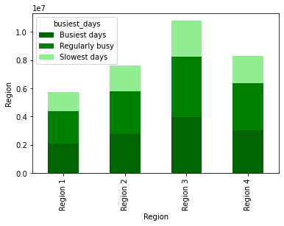

 |  |  |  | Region 1 = Maine, New Hampshire, Vermont, Massachusetts, Rhode Island, Connecticut, New York, Pennsylvania, New Jersey Region 2 = Wisconsin, Michigan, Illinois, Indiana, Ohio, North Dakota, South Dakota, Nebraska, Kansas, Minnesota, Iowa, Missouri Region 3 = Delaware, Maryland, District of Columbia, Virginia, West Virginia, North Carolina, South Carolina, Georgia, Florida, Kentucky, Tennessee, Mississippi, Alabama, Oklahoma, Texas, Arkansas, Louisiana Region 4 = Idaho, Montana, Wyoming, Nevada, Utah, Colorado, Arizona, New Mexico, Alaska, Washington, Oregon, California, Hawaii

In term of ordering time habits, there is no diffrence beteen regions.

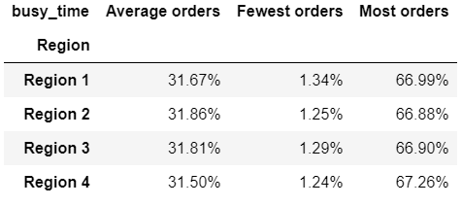
 | Percentage of time of the day of placing order by regions
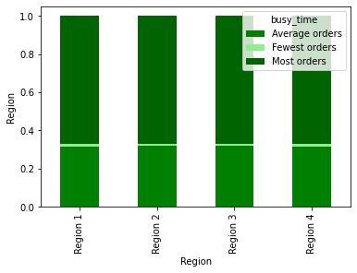

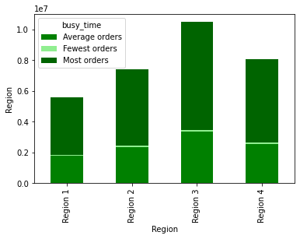
 | Number of time of the day of placing order by regions

Question 5.4 Is there a connection between age and family status in terms of ordering habits?

Old age parent has the highest number of order, Middle age parent and young parent are following. In terms of customer ordering habits, there is no specific difference between them.

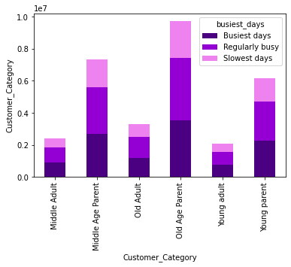
 | Number of day of a week of placing order by customer categories

 |  |  |  |  | Young adult = single, under 35

 |  |  |  |  | Young Parent = more than 1 dependent, under 35

 |  |  |  |  | Middle Adult = single, age between 35 and 55

 |  |  |  |  | Middle age parent = More than 1 dependent age between 35 and 55

 |  |  |  |  | Old adult = single, more than 55 age

 |  |  |  |  | Old parent = more than 1 dependent and age over 55

 | Percentage of day of week of placing order by customer categories
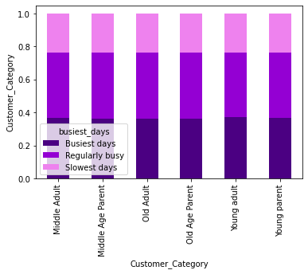

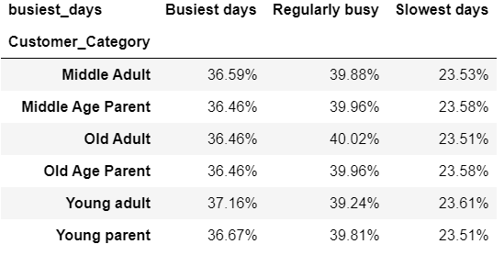

In terms of time placing order habit, there is no specific difffrence between customer categories.

 | Percentage of time of the day of placing order by customer categories

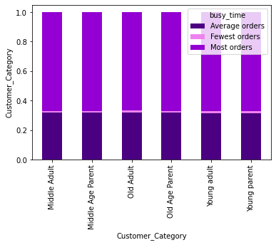
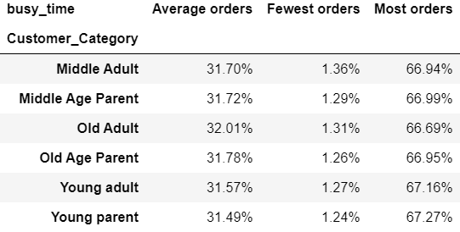

 |  |  |  |  |  |  | p

 | Number of time of the day of placing order by customer categories
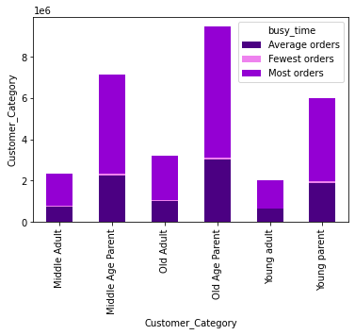

Question 5.5 What different classifications does the demographic information suggest? Age? Income? Certain types of goods? Family status?

They suggest segment audiences on the basis of income, gender, location, and other factors.

Question 5.6 What differences can you find in ordering habits of different customer profiles? Consider the price of orders, the frequency of orders, the products customers are ordering, and anything else you can think of.

 | Number of days of placing order by product department |  |  |  | Percentage of days of week of placing order by product department

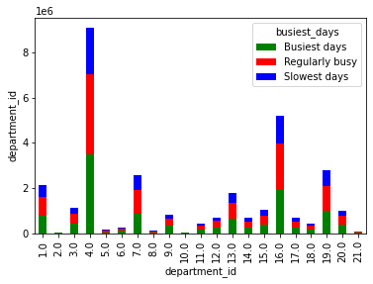
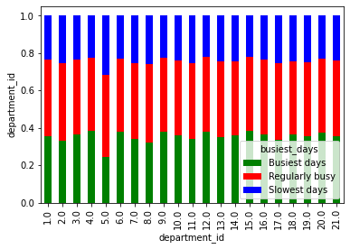

Number of time of the day of placing order by product department |  |  |  |  | Percentage of time of the day of placing order by product department

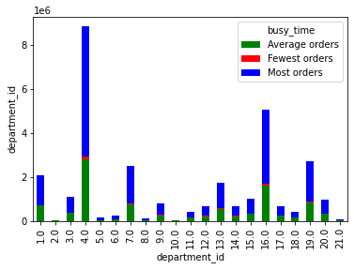
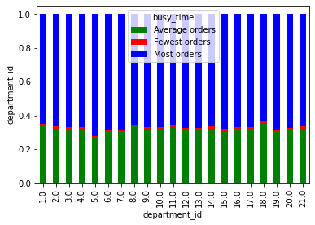

As you can see from these graphs, only department 5 (alcohol) has a different purchasing habit as customers purchased regardless of days of the week. They are purchased in busy days as well as slowest days.

7. Recommendations
 |  |  | Title page

Recommendations

Average number of orders in a week
Average number of order in day
Average price of order in day
Question | Answer | Visualisation
Key Question 1 The sales team needs to know what the busiest days of the week and hours of the day are (i.e., the days and times with the most orders) in order to schedule ads at times when there are fewer orders. | 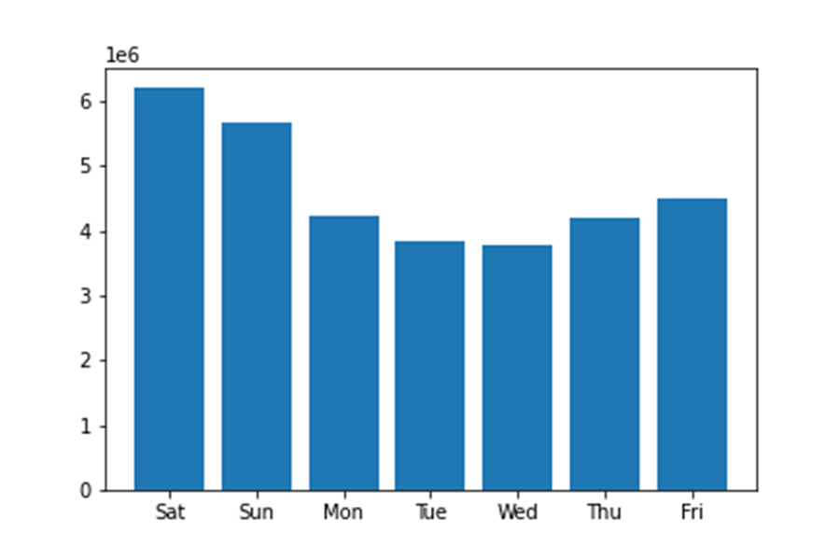 The busy days are Saturday and Sunday, and the active time is from 10 am to 4 pm. I would recommend that launch an advert from Thursday or Fridays evening. | 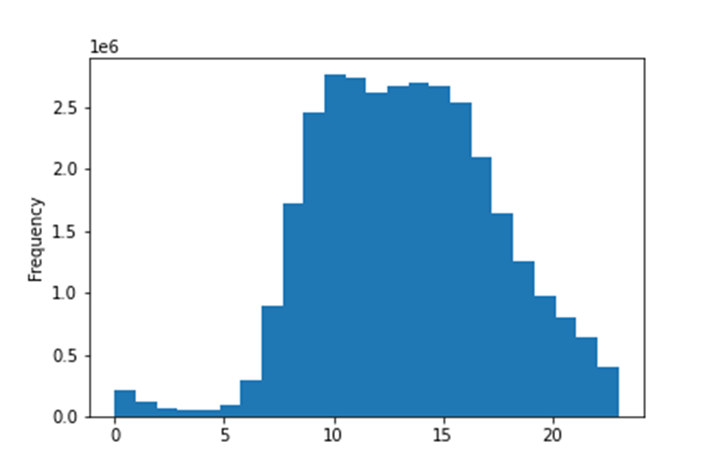
Key Question 2 They also want to know whether there are particular times of the day when people spend the most money, as this might inform the type of products they advertise at these times | The average price of the ordered product dramatically increases around 2 am. I would strongly recommend that sending an email newsletter at night for the customer. | 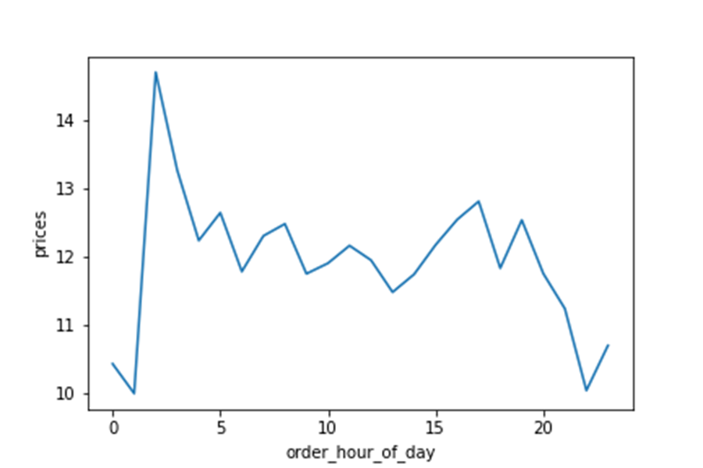
Key Question 3 Instacart has a lot of products with different price tags. Marketing and sales want to use simpler price range groupings to help direct their efforts. | We simply divided 3 categories for the price range.
Number of ordered product by department ID
Key Question 4 Are there certain types of products that are more popular than others? The marketing and sales teams want to know which departments have the highest frequency of product orders. | The produce products and daily egg are the most populer for the shop. However these are daily necessities. I would recommend that releaseing advert for non-daily products such as snack beverrages. | 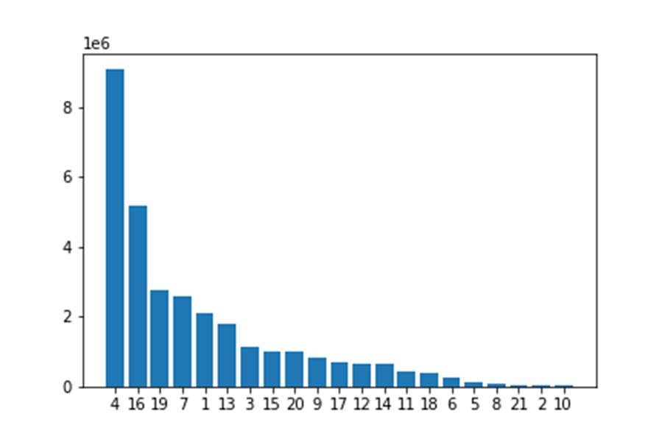 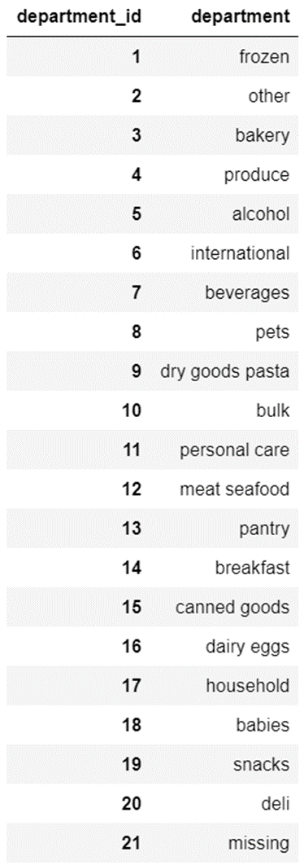
Average days since prior order by loyalty
Key Question 5.1 What’s the distribution among users in regards to their brand loyalty (i.e., how often do they return to Instacart)? | New customer and regular customer are still a considerable portion of the shop. We recommend increasing the frequency of contact with these customers to let them not forget the products, services, and companies. Also, we suggest providing reasons for customers to become repeaters, such as benefits to VIP members. | 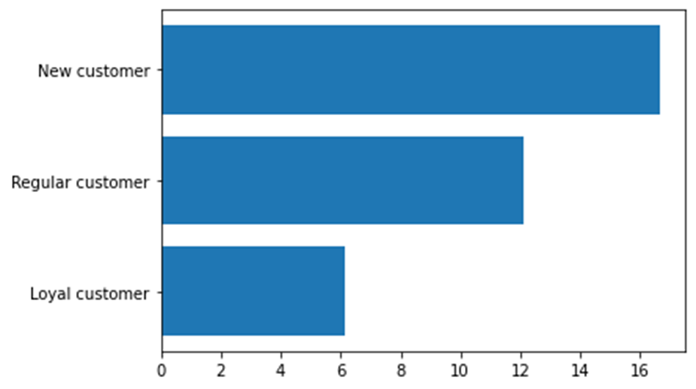 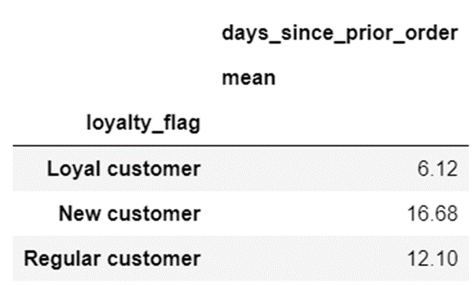
Number of day of week of placing order by loyalty customers
Key Question 5.2 Are there differences in ordering habits based on a customer’s loyalty status? | 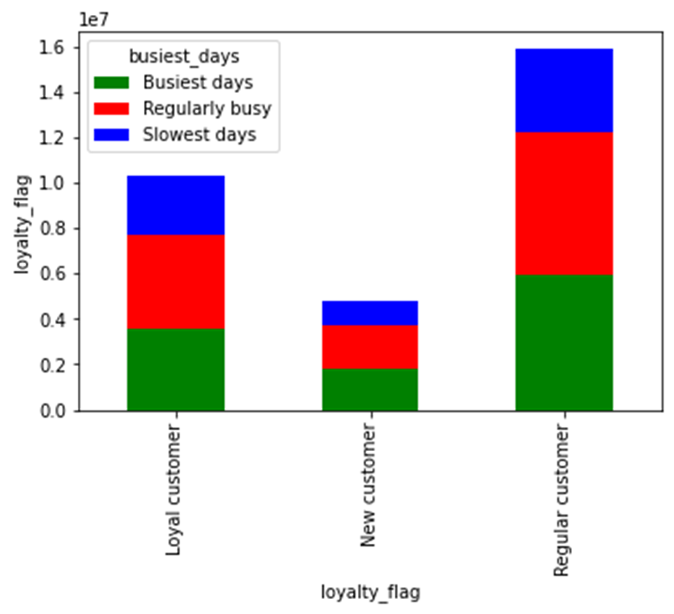 There is more order from a regular customer. Still, in terms of placing the order in a week, slightly loyal customers place orders on the slowest days instead of busy days, indicating that loyal customers have more flexible time than others. In order to acquire new royal customers, as mentioned in question 1, it is recommended to promote at a specific time.
Percentage of day of week of placing order by regions
Percentage of time of the day of placing order by regions
Key Question 5.3 Are there differences in ordering habits based on a customer’s region? | 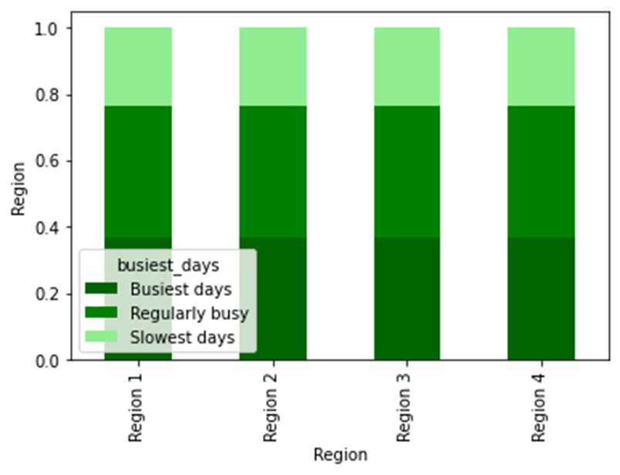 There is no diffrence beteen regions in term of ordering habits. We recommend that you promote sales regardless of region. | 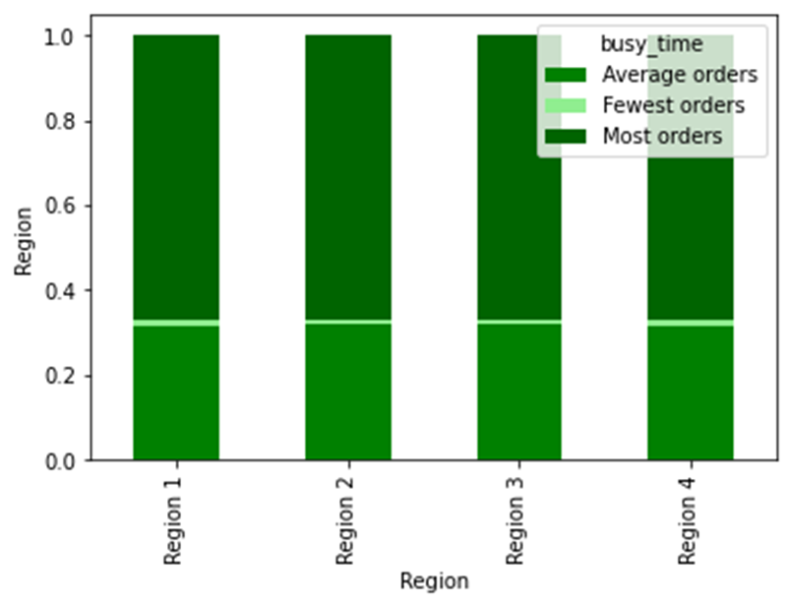
Percentage of time of the day of placing order by customer categories
Percentage of day of week of placing order by customer categories
Key Question 5.4 Is there a connection between age and family status in terms of ordering habits? | There was no difference in purchasing habits depending on age and family condition. We encourage you to promote to a wide range of people, regardless of age or family status. | 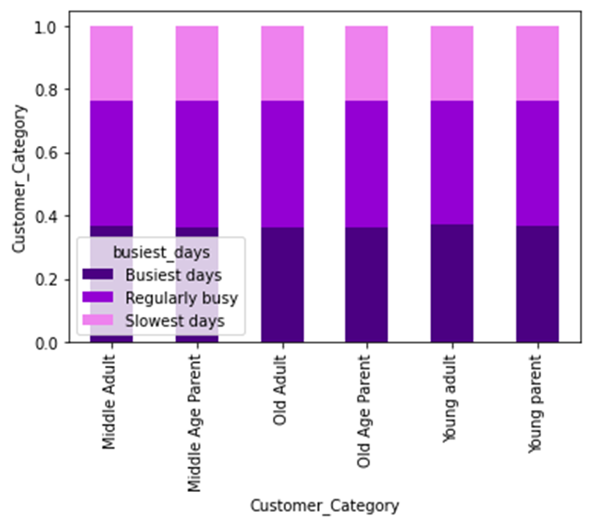 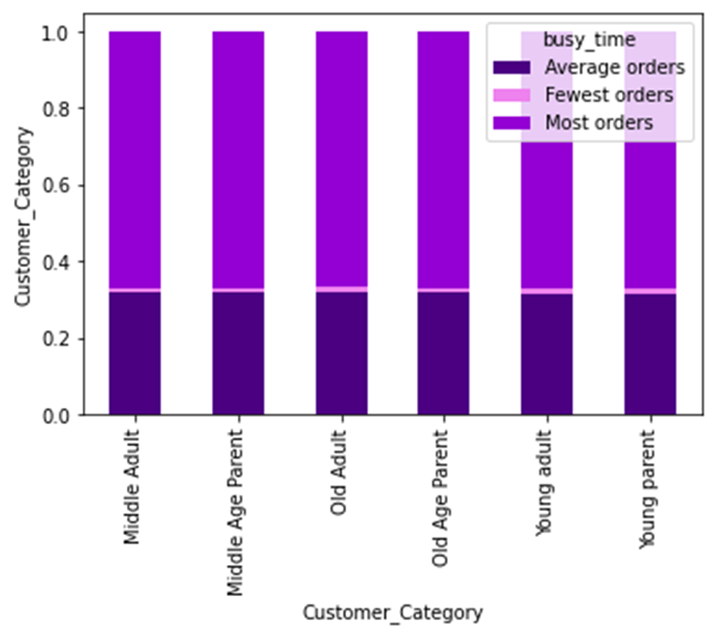
Key Question 5.5 What different classifications does the demographic information suggest? Age? Income? Certain types of goods? Family status? | They suggest segment audiences on the basis of income, gender, location, and other factors.
Percentage of days of week of placing order by product department
Percentage of time of the day of placing order by product department
Key Question 5.6 What differences can you find in ordering habits of different customer profiles? Consider the price of orders, the frequency of orders, the products customers are ordering, and anything else you can think of. | As you can see from these graphs, only department 5 (alcohol) has a different purchasing habit as customers purchased regardless of days of the week. They are purchased in busy days as well as slowest days. We recommend that you actively promote alcohol regardless of the date and time. | 