Crooked_Crk_LTP
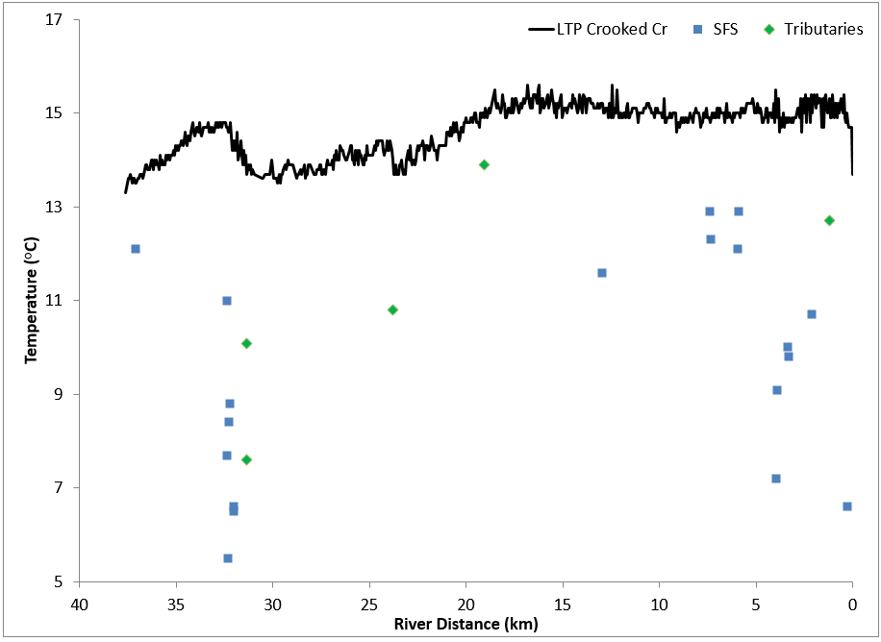

Figure 10, pg 19, NV5 Geospatial Consultants report

Moose_Rvr_LTP
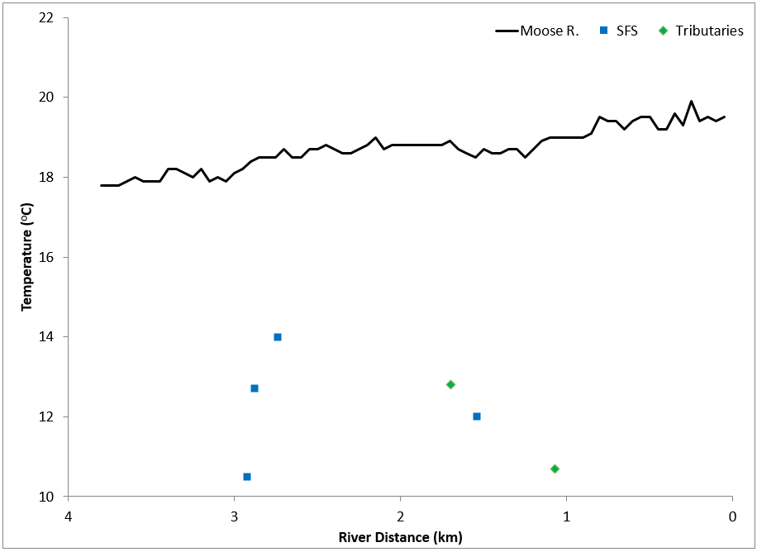

Figure 19, pg 24, NV5 Geospatial Consultants report

Beaver_Crk_LTP
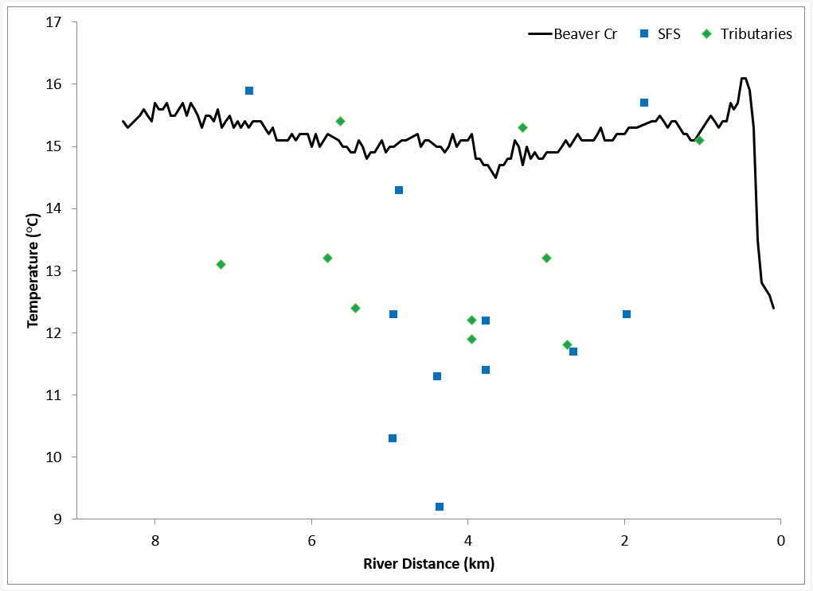

Figure 25, pg 28, NV5 Geospatial Consultants report

Funny_River_LTP
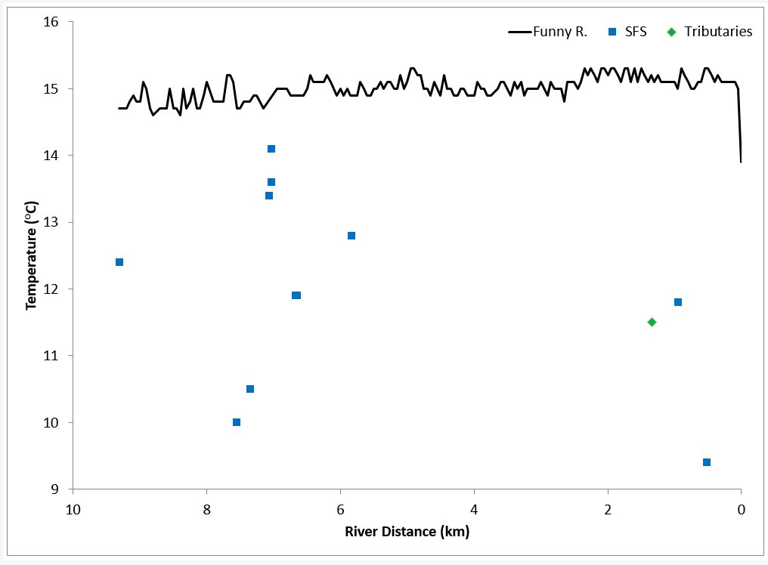

Figure 32, pg 32, NV5 Geospatial Consultants report

