Summary
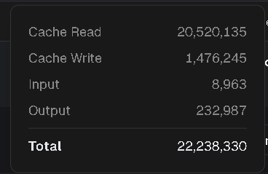
日付 | Model | Cache Read | Cache Write | Input | Output | Total | API Cost | Cost to You
2025-08-31 | auto | 15,823,734 | 1,206,042 | 8,963 | 188,486 | 17,227,225 | $6.61 | $0
2025-08-31 | Total | 15,823,734 | 1,206,042 | 8,963 | 188,486 | 17,227,225 | $6.61 | $0
2025-09-01 | auto | 20,107,172 | 1,430,162 | 8,963 | 223,730 | 21,770,027 | $8.17 | $0
2025-09-01 | Total | 20,107,172 | 1,430,162 | 8,963 | 223,730 | 21,770,027 | $8.17 | $0
2025-09-02 | auto | 20,242,560 | 1,452,285 | 8,963 | 229,506 | 21,933,314 | $8.26 | $0
2025-09-02 | Total | 20,242,560 | 1,452,285 | 8,963 | 229,506 | 21,933,314 | $8.26 | $0
2025-09-03 | auto | 20,242,560 | 1,452,285 | 8,963 | 229,506 | 21,933,314 | $8.26 | $0
2025-09-03 | Total | 20,242,560 | 1,452,285 | 8,963 | 229,506 | 21,933,314 | $8.26 | $0
2025-09-04 | auto | 20,520,135 | 1,476,245 | 8,963 | 232,987 | 22,238,330 | $8.38 | $0
2025-09-04 | Total | 20,520,135 | 1,476,245 | 8,963 | 232,987 | 22,238,330 | $8.38 | $0

