Experiment 1
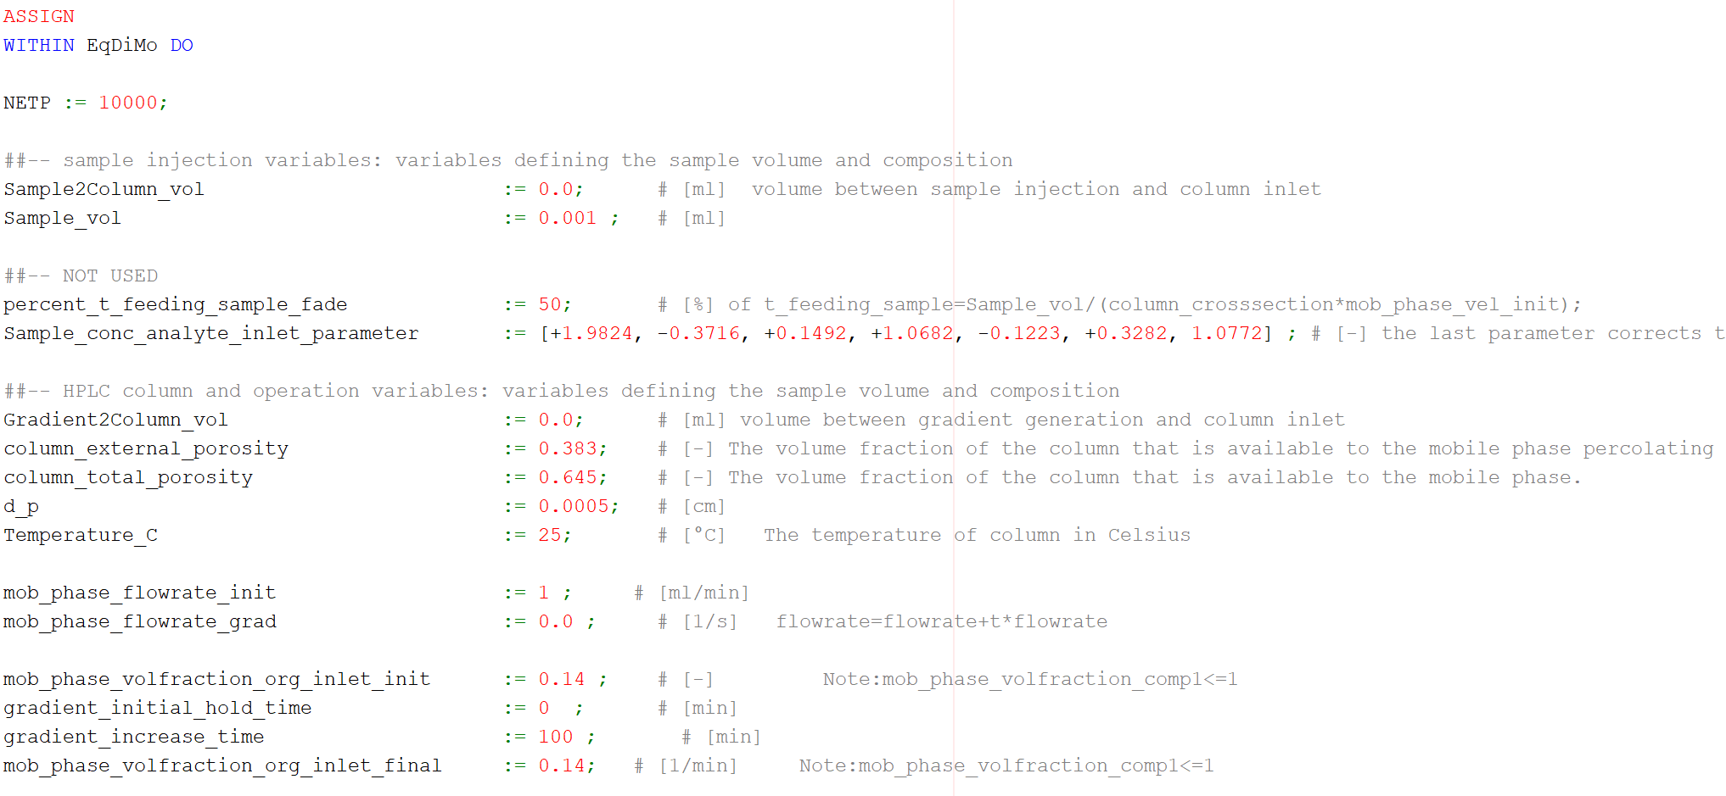
Time | Conc. At end | Sens. W.r.t. a0 | Sens. W.r.t. CT | Sens w.r.t. Ss | Temperature | Phi
0 | 0 | 0 | 0 | 0 | 25 | 0.14
9.87E-06 | 0 | 0 | 0 | 0 | 25 | 0.14
9.87E-06 | 0 | 0 | 0 | 0 | 25 | 0.14
0.0010017355 | 0 | 0 | 0 | 0 | 25 | 0.14
0.0010017355 | 0 | 0 | 0 | 0 | 25 | 0.14
0.05 | 0 | 0 | 0 | 0 | 25 | 0.14
0.1 | 0 | 0 | 0 | 0 | 25 | 0.14
0.15 | 0 | 0 | 0 | 0 | 25 | 0.14
0.2 | 0 | 0.00E+00 | 0 | 0.00E+00 | 25 | 0.14
0.25 | 0 | 0.00E+00 | 0.00E+00 | 0.00E+00 | 25 | 0.14
0.3 | 0 | 0.00E+00 | 0.00E+00 | 0.00E+00 | 25 | 0.14
0.35 | 0 | 0.00E+00 | 0.00E+00 | 0.00E+00 | 25 | 0.14
0.4 | 0 | 0.00E+00 | 0.00E+00 | 0.00E+00 | 25 | 0.14
 | Conc. At end
0.00E+00 | 0
9.87E-06 | 0
9.87E-06 | 0
1.00E-03 | 0
1.00E-03 | 0
5.00E-02 | 0
1.00E-01 | 0
1.50E-01 | 0
2.00E-01 | 0
2.50E-01 | 0
3.00E-01 | 0
3.50E-01 | 0
4.00E-01 | 0
4.50E-01 | 0
5.00E-01 | 2.19E-43
5.50E-01 | 1.94502E-40
6.00E-01 | 7.386588E-38
6.50E-01 | 1.9206078E-35
7.00E-01 | 2.7079551E-33
7.50E-01 | 2.533964E-31
8.00E-01 | 1.6667839E-29
8.50E-01 | 9.02544E-28
9.00E-01 | 3.4980736E-26
9.50E-01 | 1.0329096E-24
1.00E+00 | 2.475722E-23
1.05E+00 | 5.046021E-22
1.10E+00 | 8.376122E-21
1.15E+00 | 1.1587713E-19
1.20E+00 | 1.3632542E-18
1.25E+00 | 1.3853066E-17
1.30E+00 | 1.2311838E-16
1.35E+00 | 9.668656E-16
1.40E+00 | 6.7674786E-15
1.45E+00 | 4.2533004E-14
1.50E+00 | 2.4157483E-13
1.55E+00 | 1.2470484E-12
1.60E+00 | 5.8807833E-12
1.65E+00 | 2.545127E-11
1.70E+00 | 1.0151582E-10
1.75E+00 | 3.746204E-10
1.80E+00 | 1.2836416E-09
1.85E+00 | 4.097473E-09
1.90E+00 | 1.2216751E-08
1.95E+00 | 3.4157015E-08
2.00E+00 | 8.9796764E-08
2.05E+00 | 2.2251452E-07
2.10E+00 | 5.210124E-07
2.15E+00 | 1.1555019E-06
2.20E+00 | 2.4327057E-06
2.25E+00 | 4.8723164E-06
...
All Sensitivities
 | Sens. W.r.t. a0 | Sens. W.r.t. CT | Sens w.r.t. Ss
0.00E+00 | 0 | 0 | 0
9.87E-06 | 0 | 0 | 0
9.87E-06 | 0 | 0 | 0
1.00E-03 | 0 | 0 | 0
1.00E-03 | 0 | 0 | 0
5.00E-02 | 0 | 0 | 0
1.00E-01 | 0 | 0 | 0
1.50E-01 | 0 | 0 | 0
2.00E-01 | 0 | 0 | 0
2.50E-01 | 0 | 0 | 0
3.00E-01 | 0 | 0 | 0
3.50E-01 | 0 | 0 | 0
4.00E-01 | 0 | 0 | 0
4.50E-01 | -1.4E-45 | 0 | 1.4E-45
5.00E-01 | -1.104E-42 | 4.2E-45 | 1.701E-42
5.50E-01 | -9.6578E-40 | 3.264E-42 | 1.48834E-39
6.00E-01 | -3.606017E-37 | 1.218513E-39 | 5.557132E-37
6.50E-01 | -9.198966E-35 | 3.1084338E-37 | 1.4176217E-34
7.00E-01 | -1.27488E-32 | 4.307963E-35 | 1.9646666E-32
7.50E-01 | -1.1728999E-30 | 3.9633603E-33 | 1.807499E-30
8.00E-01 | -7.583343E-29 | 2.5624968E-31 | 1.1686241E-28
8.50E-01 | -4.0289045E-27 | 1.361412E-29 | 6.208648E-27
9.00E-01 | -1.5331169E-25 | 5.180574E-28 | 2.3625507E-25
9.50E-01 | -4.444838E-24 | 1.5019607E-26 | 6.8494804E-24
1.00E+00 | -1.0452943E-22 | 3.5321669E-25 | 1.610781E-22
1.05E+00 | -2.0875314E-21 | 7.054003E-24 | 3.2168272E-21
1.10E+00 | -3.395547E-20 | 1.1473935E-22 | 5.2324147E-20
1.15E+00 | -4.6025094E-19 | 1.5552397E-21 | 7.0922735E-19
1.20E+00 | -5.30365E-18 | 1.792163E-20 | 8.172679E-18
1.25E+00 | -5.2766473E-17 | 1.7830385E-19 | 8.131054E-17
1.30E+00 | -4.588979E-16 | 1.5506674E-18 | 7.0713804E-16
1.35E+00 | -3.5242568E-15 | 1.190886E-17 | 5.430693E-15
1.40E+00 | -2.4106219E-14 | 8.1457617E-17 | 3.7146372E-14
1.45E+00 | -1.4794101E-13 | 4.999093E-16 | 2.2796893E-13
1.50E+00 | -8.197957E-13 | 2.7701817E-15 | 1.263259E-12
1.55E+00 | -4.1250605E-12 | 1.3939043E-14 | 6.356484E-12
1.60E+00 | -1.8942993E-11 | 6.4010503E-14 | 2.9190064E-11
1.65E+00 | -7.975072E-11 | 2.6948664E-13 | 1.2289125E-10
1.70E+00 | -3.0909203E-10 | 1.0444567E-12 | 4.7629284E-10
1.75E+00 | -1.1070396E-09 | 3.740811E-12 | 1.7058831E-09
1.80E+00 | -3.676989E-09 | 1.2424959E-11 | 5.6660237E-09
1.85E+00 | -1.1362574E-08 | 3.8395415E-11 | 1.7509056E-08
1.90E+00 | -3.275542E-08 | 1.1068424E-10 | 5.0474164E-08
1.95E+00 | -8.841225E-08 | 2.987549E-10 | 1.3623804E-07
2.00E+00 | -2.2402284E-07 | 7.569983E-10 | 3.452059E-07
2.05E+00 | -5.3414493E-07 | 1.8049358E-09 | 8.230857E-07
2.10E+00 | -1.2012727E-06 | 4.059235E-09 | 1.85109E-06
2.15E+00 | -2.553992E-06 | 8.630226E-09 | 3.9355505E-06
2.20E+00 | -5.1439984E-06 | 1.7382149E-08 | 7.926597E-06
2.25E+00 | -9.834415E-06 | 3.3231593E-08 | 1.51542545E-05
...
0.45 | 0 | -1.40E-45 | 0.00E+00 | 1.40E-45 | 25 | 0.14
0.5 | 2.19E-43 | -1.10E-42 | 4.20E-45 | 1.70E-42 | 25 | 0.14
0.55 | 1.95E-40 | -9.66E-40 | 3.26E-42 | 1.49E-39 | 25 | 0.14
0.6 | 7.39E-38 | -3.61E-37 | 1.22E-39 | 5.56E-37 | 25 | 0.14
0.65 | 1.92E-35 | -9.20E-35 | 3.11E-37 | 1.42E-34 | 25 | 0.14
0.7 | 2.71E-33 | -1.27E-32 | 4.31E-35 | 1.96E-32 | 25 | 0.14
0.75 | 2.53E-31 | -1.17E-30 | 3.96E-33 | 1.81E-30 | 25 | 0.14
0.8 | 1.67E-29 | -7.58E-29 | 2.56E-31 | 1.17E-28 | 25 | 0.14
0.85 | 9.03E-28 | -4.03E-27 | 1.36E-29 | 6.21E-27 | 25 | 0.14
0.9 | 3.50E-26 | -1.53E-25 | 5.18E-28 | 2.36E-25 | 25 | 0.14
0.95 | 1.03E-24 | -4.44E-24 | 1.50E-26 | 6.85E-24 | 25 | 0.14
1 | 2.48E-23 | -1.05E-22 | 3.53E-25 | 1.61E-22 | 25 | 0.14
1.05 | 5.05E-22 | -2.09E-21 | 7.05E-24 | 3.22E-21 | 25 | 0.14
1.1 | 8.38E-21 | -3.40E-20 | 1.15E-22 | 5.23E-20 | 25 | 0.14
1.15 | 1.16E-19 | -4.60E-19 | 1.56E-21 | 7.09E-19 | 25 | 0.14
 | Sens. W.r.t. a0
0.00E+00 | 0
9.87E-06 | 0
9.87E-06 | 0
1.00E-03 | 0
1.00E-03 | 0
5.00E-02 | 0
1.00E-01 | 0
1.50E-01 | 0
2.00E-01 | 0
2.50E-01 | 0
3.00E-01 | 0
3.50E-01 | 0
4.00E-01 | 0
4.50E-01 | -1.4E-45
5.00E-01 | -1.104E-42
5.50E-01 | -9.6578E-40
6.00E-01 | -3.606017E-37
6.50E-01 | -9.198966E-35
7.00E-01 | -1.27488E-32
7.50E-01 | -1.1728999E-30
8.00E-01 | -7.583343E-29
8.50E-01 | -4.0289045E-27
9.00E-01 | -1.5331169E-25
9.50E-01 | -4.444838E-24
1.00E+00 | -1.0452943E-22
1.05E+00 | -2.0875314E-21
1.10E+00 | -3.395547E-20
1.15E+00 | -4.6025094E-19
1.20E+00 | -5.30365E-18
1.25E+00 | -5.2766473E-17
1.30E+00 | -4.588979E-16
1.35E+00 | -3.5242568E-15
1.40E+00 | -2.4106219E-14
1.45E+00 | -1.4794101E-13
1.50E+00 | -8.197957E-13
1.55E+00 | -4.1250605E-12
1.60E+00 | -1.8942993E-11
1.65E+00 | -7.975072E-11
1.70E+00 | -3.0909203E-10
1.75E+00 | -1.1070396E-09
1.80E+00 | -3.676989E-09
1.85E+00 | -1.1362574E-08
1.90E+00 | -3.275542E-08
1.95E+00 | -8.841225E-08
2.00E+00 | -2.2402284E-07
2.05E+00 | -5.3414493E-07
2.10E+00 | -1.2012727E-06
2.15E+00 | -2.553992E-06
2.20E+00 | -5.1439984E-06
2.25E+00 | -9.834415E-06
...
1.2 | 1.36E-18 | -5.30E-18 | 1.79E-20 | 8.17E-18 | 25 | 0.14
1.25 | 1.39E-17 | -5.28E-17 | 1.78E-19 | 8.13E-17 | 25 | 0.14
1.3 | 1.23E-16 | -4.59E-16 | 1.55E-18 | 7.07E-16 | 25 | 0.14
1.35 | 9.67E-16 | -3.52E-15 | 1.19E-17 | 5.43E-15 | 25 | 0.14
1.4 | 6.77E-15 | -2.41E-14 | 8.15E-17 | 3.71E-14 | 25 | 0.14
1.45 | 4.25E-14 | -1.48E-13 | 5.00E-16 | 2.28E-13 | 25 | 0.14
1.5 | 2.42E-13 | -8.20E-13 | 2.77E-15 | 1.26E-12 | 25 | 0.14
1.55 | 1.25E-12 | -4.13E-12 | 1.39E-14 | 6.36E-12 | 25 | 0.14
1.6 | 5.88E-12 | -1.89E-11 | 6.40E-14 | 2.92E-11 | 25 | 0.14
1.65 | 2.55E-11 | -7.98E-11 | 2.69E-13 | 1.23E-10 | 25 | 0.14
1.7 | 1.02E-10 | -3.09E-10 | 1.04E-12 | 4.76E-10 | 25 | 0.14
1.75 | 3.75E-10 | -1.11E-09 | 3.74E-12 | 1.71E-09 | 25 | 0.14
1.8 | 1.28E-09 | -3.68E-09 | 1.24E-11 | 5.67E-09 | 25 | 0.14
1.85 | 4.10E-09 | -1.14E-08 | 3.84E-11 | 1.75E-08 | 25 | 0.14
1.9 | 1.22E-08 | -3.28E-08 | 1.11E-10 | 5.05E-08 | 25 | 0.14
1.95 | 3.42E-08 | -8.84E-08 | 2.99E-10 | 1.36E-07 | 25 | 0.14
Temperature Sensitivity
0.00E+00 | 0
9.87E-06 | 0
9.87E-06 | 0
1.00E-03 | 0
1.00E-03 | 0
5.00E-02 | 0
1.00E-01 | 0
1.50E-01 | 0
2.00E-01 | 0
2.50E-01 | 0
3.00E-01 | 0
3.50E-01 | 0
4.00E-01 | 0
4.50E-01 | 4.2E-45
5.00E-01 | 3.264E-42
5.50E-01 | 1.218513E-39
6.00E-01 | 3.1084338E-37
6.50E-01 | 4.307963E-35
7.00E-01 | 3.9633603E-33
7.50E-01 | 2.5624968E-31
8.00E-01 | 1.361412E-29
8.50E-01 | 5.180574E-28
9.00E-01 | 1.5019607E-26
9.50E-01 | 3.5321669E-25
1.00E+00 | 7.054003E-24
1.05E+00 | 1.1473935E-22
1.10E+00 | 1.5552397E-21
1.15E+00 | 1.792163E-20
1.20E+00 | 1.7830385E-19
1.25E+00 | 1.5506674E-18
1.30E+00 | 1.190886E-17
1.35E+00 | 8.1457617E-17
1.40E+00 | 4.999093E-16
1.45E+00 | 2.7701817E-15
1.50E+00 | 1.3939043E-14
1.55E+00 | 6.4010503E-14
1.60E+00 | 2.6948664E-13
1.65E+00 | 1.0444567E-12
1.70E+00 | 3.740811E-12
1.75E+00 | 1.2424959E-11
1.80E+00 | 3.8395415E-11
1.85E+00 | 1.1068424E-10
1.90E+00 | 2.987549E-10
1.95E+00 | 7.569983E-10
2.00E+00 | 1.8049358E-09
2.05E+00 | 4.059235E-09
2.10E+00 | 8.630226E-09
2.15E+00 | 1.7382149E-08
2.20E+00 | 3.3231593E-08
2.25E+00 | 6.0419225E-08
...
2 | 8.98E-08 | -2.24E-07 | 7.57E-10 | 3.45E-07 | 25 | 0.14
2.05 | 2.23E-07 | -5.34E-07 | 1.80E-09 | 8.23E-07 | 25 | 0.14
2.1 | 5.21E-07 | -1.20E-06 | 4.06E-09 | 1.85E-06 | 25 | 0.14
2.15 | 1.16E-06 | -2.55E-06 | 8.63E-09 | 3.94E-06 | 25 | 0.14
2.2 | 2.43E-06 | -5.14E-06 | 1.74E-08 | 7.93E-06 | 25 | 0.14
2.25 | 4.87E-06 | -9.83E-06 | 3.32E-08 | 1.52E-05 | 25 | 0.14
2.3 | 9.30E-06 | -1.79E-05 | 6.04E-08 | 2.76E-05 | 25 | 0.14
2.35 | 1.70E-05 | -3.10E-05 | 1.05E-07 | 4.77E-05 | 25 | 0.14
2.4 | 2.96E-05 | -5.12E-05 | 1.73E-07 | 7.89E-05 | 25 | 0.14
2.45 | 4.95E-05 | -8.08E-05 | 2.73E-07 | 1.25E-04 | 25 | 0.14
2.5 | 7.95E-05 | -1.22E-04 | 4.13E-07 | 1.88E-04 | 25 | 0.14
2.55 | 1.23E-04 | -1.77E-04 | 5.97E-07 | 2.72E-04 | 25 | 0.14
2.6 | 1.83E-04 | -2.45E-04 | 8.29E-07 | 3.78E-04 | 25 | 0.14
2.65 | 2.62E-04 | -3.27E-04 | 1.10E-06 | 5.03E-04 | 25 | 0.14
2.7 | 3.64E-04 | -4.18E-04 | 1.41E-06 | 6.44E-04 | 25 | 0.14
2.75 | 4.88E-04 | -5.13E-04 | 1.73E-06 | 7.90E-04 | 25 | 0.14
 | Sens w.r.t. Ss
0.00E+00 | 0
9.87E-06 | 0
9.87E-06 | 0
1.00E-03 | 0
1.00E-03 | 0
5.00E-02 | 0
1.00E-01 | 0
1.50E-01 | 0
2.00E-01 | 0
2.50E-01 | 0
3.00E-01 | 0
3.50E-01 | 0
4.00E-01 | 0
4.50E-01 | 1.4E-45
5.00E-01 | 1.701E-42
5.50E-01 | 1.48834E-39
6.00E-01 | 5.557132E-37
6.50E-01 | 1.4176217E-34
7.00E-01 | 1.9646666E-32
7.50E-01 | 1.807499E-30
8.00E-01 | 1.1686241E-28
8.50E-01 | 6.208648E-27
9.00E-01 | 2.3625507E-25
9.50E-01 | 6.8494804E-24
1.00E+00 | 1.610781E-22
1.05E+00 | 3.2168272E-21
1.10E+00 | 5.2324147E-20
1.15E+00 | 7.0922735E-19
1.20E+00 | 8.172679E-18
1.25E+00 | 8.131054E-17
1.30E+00 | 7.0713804E-16
1.35E+00 | 5.430693E-15
1.40E+00 | 3.7146372E-14
1.45E+00 | 2.2796893E-13
1.50E+00 | 1.263259E-12
1.55E+00 | 6.356484E-12
1.60E+00 | 2.9190064E-11
1.65E+00 | 1.2289125E-10
1.70E+00 | 4.7629284E-10
1.75E+00 | 1.7058831E-09
1.80E+00 | 5.6660237E-09
1.85E+00 | 1.7509056E-08
1.90E+00 | 5.0474164E-08
1.95E+00 | 1.3623804E-07
2.00E+00 | 3.452059E-07
2.05E+00 | 8.230857E-07
2.10E+00 | 1.85109E-06
2.15E+00 | 3.9355505E-06
2.20E+00 | 7.926597E-06
2.25E+00 | 1.51542545E-05
...
2.8 | 6.33E-04 | -6.05E-04 | 2.04E-06 | 9.32E-04 | 25 | 0.14
2.85 | 7.97E-04 | -6.84E-04 | 2.31E-06 | 1.05E-03 | 25 | 0.14
2.9 | 9.74E-04 | -7.41E-04 | 2.50E-06 | 1.14E-03 | 25 | 0.14
2.95 | 0.0011554651 | -7.68E-04 | 2.60E-06 | 1.18E-03 | 25 | 0.14
3 | 0.0013333254 | -7.57E-04 | 2.56E-06 | 1.17E-03 | 25 | 0.14
3.05 | 0.0014975595 | -7.06E-04 | 2.39E-06 | 1.09E-03 | 25 | 0.14
3.1 | 0.0016386488 | -6.15E-04 | 2.08E-06 | 9.47E-04 | 25 | 0.14
3.15 | 0.0017482691 | -4.87E-04 | 1.65E-06 | 7.50E-04 | 25 | 0.14
3.2 | 0.001820122 | -3.31E-04 | 1.12E-06 | 5.11E-04 | 25 | 0.14
3.25 | 0.0018505258 | -1.58E-04 | 5.35E-07 | 2.44E-04 | 25 | 0.14
3.3 | 0.0018386941 | 1.98E-05 | -6.69E-08 | -3.05E-05 | 25 | 0.14
3.35 | 0.0017866782 | 1.91E-04 | -6.47E-07 | -2.95E-04 | 25 | 0.14
3.4 | 0.0016990068 | 3.46E-04 | -1.17E-06 | -5.33E-04 | 25 | 0.14
3.45 | 0.0015820944 | 4.74E-04 | -1.60E-06 | -7.31E-04 | 25 | 0.14
3.5 | 0.0014435201 | 5.72E-04 | -1.93E-06 | -8.81E-04 | 25 | 0.14
3.55 | 0.0012912779 | 6.36E-04 | -2.15E-06 | -9.80E-04 | 25 | 0.14
3.6 | 0.0011330937 | 6.67E-04 | -2.25E-06 | -1.03E-03 | 25 | 0.14
3.65 | 9.76E-04 | 6.68E-04 | -2.26E-06 | -1.03E-03 | 25 | 0.14
3.7 | 8.25E-04 | 6.45E-04 | -2.18E-06 | -9.93E-04 | 25 | 0.14
3.75 | 6.86E-04 | 6.02E-04 | -2.03E-06 | -9.27E-04 | 25 | 0.14
3.8 | 5.60E-04 | 5.45E-04 | -1.84E-06 | -8.40E-04 | 25 | 0.14
3.85 | 4.50E-04 | 4.81E-04 | -1.63E-06 | -7.41E-04 | 25 | 0.14
3.8606038 | 4.29E-04 | 4.67E-04 | -1.58E-06 | -7.20E-04 | 25 | 0.14
3.9 | 3.55E-04 | 4.14E-04 | -1.40E-06 | -6.38E-04 | 25 | 0.14
3.95 | 2.76E-04 | 3.49E-04 | -1.18E-06 | -5.37E-04 | 25 | 0.14
4 | 2.12E-04 | 2.87E-04 | -9.71E-07 | -4.43E-04 | 25 | 0.14
4.05 | 1.60E-04 | 2.32E-04 | -7.84E-07 | -3.58E-04 | 25 | 0.14
4.1 | 1.19E-04 | 1.84E-04 | -6.21E-07 | -2.83E-04 | 25 | 0.14
4.15 | 8.69E-05 | 1.43E-04 | -4.83E-07 | -2.20E-04 | 25 | 0.14
4.2 | 6.28E-05 | 1.09E-04 | -3.70E-07 | -1.69E-04 | 25 | 0.14
4.25 | 4.48E-05 | 8.22E-05 | -2.78E-07 | -1.27E-04 | 25 | 0.14
4.3 | 3.15E-05 | 6.09E-05 | -2.06E-07 | -9.38E-05 | 25 | 0.14
4.35 | 2.18E-05 | 4.43E-05 | -1.50E-07 | -6.83E-05 | 25 | 0.14
4.4 | 1.50E-05 | 3.18E-05 | -1.08E-07 | -4.90E-05 | 25 | 0.14
4.45 | 1.01E-05 | 2.25E-05 | -7.60E-08 | -3.47E-05 | 25 | 0.14
4.5 | 6.78E-06 | 1.57E-05 | -5.30E-08 | -2.42E-05 | 25 | 0.14
4.55 | 4.48E-06 | 1.08E-05 | -3.65E-08 | -1.66E-05 | 25 | 0.14
4.6 | 2.93E-06 | 7.33E-06 | -2.48E-08 | -1.13E-05 | 25 | 0.14
4.65 | 1.89E-06 | 4.92E-06 | -1.66E-08 | -7.58E-06 | 25 | 0.14
4.7 | 1.21E-06 | 3.26E-06 | -1.10E-08 | -5.02E-06 | 25 | 0.14
4.75 | 7.62E-07 | 2.13E-06 | -7.20E-09 | -3.28E-06 | 25 | 0.14
4.8 | 4.77E-07 | 1.38E-06 | -4.65E-09 | -2.12E-06 | 25 | 0.14
4.85 | 2.95E-07 | 8.80E-07 | -2.97E-09 | -1.36E-06 | 25 | 0.14
4.860604 | 2.66E-07 | 7.99E-07 | -2.70E-09 | -1.23E-06 | 25 | 0.14

Experiment 2
Time | Conc. At end | Sens. W.r.t. a0 | Sens. W.r.t. CT | Sens w.r.t. Ss | Temperature | Phi
0 | 0 | 0 | 0 | 0 | 20 | 0.05
9.87E-06 | 0 | 0 | 0.00E+00 | 0 | 20 | 0.05
9.87E-06 | 0 | 0.00E+00 | 0.00E+00 | 0 | 20 | 0.05
0.0010035825 | 0 | 0.00E+00 | 0.00E+00 | 0 | 20 | 0.05
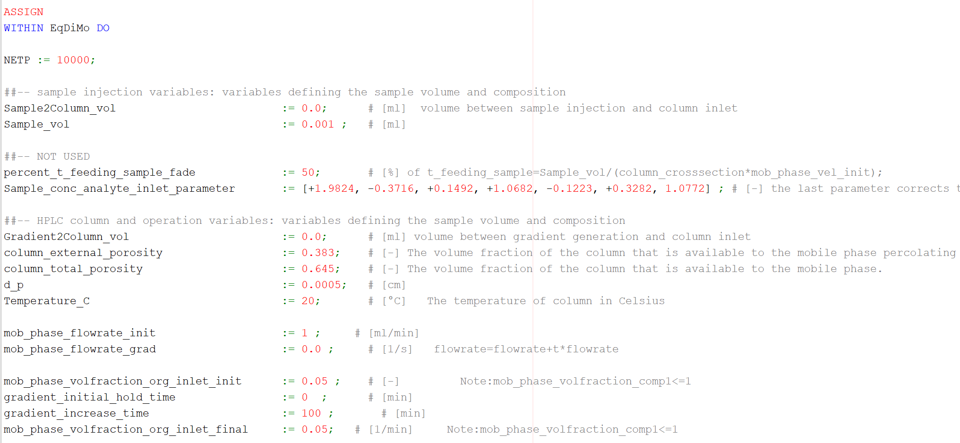
0.0010035825 | 0 | 0.00E+00 | 0.00E+00 | 0 | 20 | 0.05
0.05 | 0.00E+00 | 0.00E+00 | 0.00E+00 | 0 | 20 | 0.05
0.1 | 0.00E+00 | 0.00E+00 | 0.00E+00 | 0 | 20 | 0.05
0.15 | 0.00E+00 | 0.00E+00 | 0.00E+00 | 0 | 20 | 0.05
0.2 | 0.00E+00 | 0.00E+00 | 0.00E+00 | 0 | 20 | 0.05
0.25 | 0.00E+00 | 0.00E+00 | 0.00E+00 | 0 | 20 | 0.05
0.3 | 0.00E+00 | 0.00E+00 | 0.00E+00 | 0 | 20 | 0.05
0.35 | 0.00E+00 | 0.00E+00 | 0.00E+00 | 0 | 20 | 0.05
0.4 | 0.00E+00 | 0.00E+00 | 0.00E+00 | 0 | 20 | 0.05
0.45 | 0.00E+00 | 0.00E+00 | 0.00E+00 | 0 | 20 | 0.05
Conc. vs Time
0.00E+00 | 0
9.87E-06 | 0
9.87E-06 | 0
1.00E-03 | 0
1.00E-03 | 0
5.00E-02 | 0
1.00E-01 | 0
1.50E-01 | 0
2.00E-01 | 0
2.50E-01 | 0
3.00E-01 | 0
3.50E-01 | 0
4.00E-01 | 0
4.50E-01 | 0
5.00E-01 | 0
5.50E-01 | 0
6.00E-01 | 0
6.50E-01 | 0
7.00E-01 | 0
7.50E-01 | 2.8E-45
8.00E-01 | 1.74E-43
8.50E-01 | 9.711E-42
9.00E-01 | 4.43224E-40
9.50E-01 | 1.6110602E-38
1.00E+00 | 4.9224207E-37
1.05E+00 | 1.2628028E-35
1.10E+00 | 2.6317865E-34
1.15E+00 | 4.8770585E-33
1.20E+00 | 8.0765137E-32
1.25E+00 | 1.1951393E-30
1.30E+00 | 1.5728921E-29
1.35E+00 | 1.8819725E-28
1.40E+00 | 2.0527453E-27
1.45E+00 | 2.0489277E-26
1.50E+00 | 1.873787E-25
1.55E+00 | 1.576272E-24
1.60E+00 | 1.22255565E-23
1.65E+00 | 8.765113E-23
1.70E+00 | 5.829247E-22
1.75E+00 | 3.5987086E-21
1.80E+00 | 2.0723579E-20
1.85E+00 | 1.1162858E-19
1.90E+00 | 5.6384503E-19
1.95E+00 | 2.6771715E-18
2.00E+00 | 1.1977248E-17
2.05E+00 | 5.0606318E-17
2.10E+00 | 2.0238983E-16
2.15E+00 | 7.6779106E-16
2.20E+00 | 2.7686413E-15
2.25E+00 | 9.508675E-15
...
0.5 | 0.00E+00 | 0.00E+00 | 0.00E+00 | 0 | 20 | 0.05
0.55 | 0.00E+00 | 0.00E+00 | 0.00E+00 | 0 | 20 | 0.05
0.6 | 0.00E+00 | 0.00E+00 | 0.00E+00 | 0 | 20 | 0.05
0.65 | 0.00E+00 | 0.00E+00 | 0.00E+00 | 0 | 20 | 0.05
0.7 | 0.00E+00 | 0.00E+00 | 0.00E+00 | 0 | 20 | 0.05
0.75 | 0.00E+00 | 0.00E+00 | 0.00E+00 | 0 | 20 | 0.05
0.8 | 0.00E+00 | 0.00E+00 | 0.00E+00 | 0 | 20 | 0.05
0.85 | 0.00E+00 | 0.00E+00 | 0.00E+00 | 0 | 20 | 0.05
0.9 | 0.00E+00 | -1.40E-45 | 0.00E+00 | 1.40E-45 | 20 | 0.05
0.95 | 1.40E-44 | -8.70E-44 | 0.00E+00 | 4.80E-44 | 20 | 0.05
1 | 5.18E-43 | -3.17E-42 | 8.40E-45 | 1.75E-42 | 20 | 0.05
1.05 | 1.60E-41 | -9.69E-41 | 2.66E-43 | 5.33E-41 | 20 | 0.05
1.1 | 4.09E-40 | -2.47E-39 | 6.78E-42 | 1.36E-39 | 20 | 0.05
1.15 | 9.09E-39 | -5.44E-38 | 1.49E-40 | 2.99E-38 | 20 | 0.05
1.2 | 1.80E-37 | -1.07E-36 | 2.93E-39 | 5.87E-37 | 20 | 0.05
 | Sens. W.r.t. CT
0.00E+00 | 0
9.87E-06 | 0
9.87E-06 | 0
1.00E-03 | 0
1.00E-03 | 0
5.00E-02 | 0
1.00E-01 | 0
1.50E-01 | 0
2.00E-01 | 0
2.50E-01 | 0
3.00E-01 | 0
3.50E-01 | 0
4.00E-01 | 0
4.50E-01 | 0
5.00E-01 | 0
5.50E-01 | 0
6.00E-01 | 0
6.50E-01 | 0
7.00E-01 | 0
7.50E-01 | 0
8.00E-01 | 4.2E-45
8.50E-01 | 2.56E-43
9.00E-01 | 1.1627E-41
9.50E-01 | 4.18879E-40
1.00E+00 | 1.2682959E-38
1.05E+00 | 3.2243837E-37
1.10E+00 | 6.662932E-36
1.15E+00 | 1.2238315E-34
1.20E+00 | 2.0080672E-33
1.25E+00 | 2.943301E-32
1.30E+00 | 3.836413E-31
1.35E+00 | 4.5443972E-30
1.40E+00 | 4.9052382E-29
1.45E+00 | 4.8431717E-28
1.50E+00 | 4.3796275E-27
1.55E+00 | 3.641549E-26
1.60E+00 | 2.7905885E-25
1.65E+00 | 1.9760494E-24
1.70E+00 | 1.2974767E-23
1.75E+00 | 7.9059375E-23
1.80E+00 | 4.4919325E-22
1.85E+00 | 2.3864195E-21
1.90E+00 | 1.1884428E-20
1.95E+00 | 5.561457E-20
2.00E+00 | 2.451389E-19
2.05E+00 | 1.0201245E-18
2.10E+00 | 4.0168143E-18
2.15E+00 | 1.4997977E-17
2.20E+00 | 5.3211397E-17
2.25E+00 | 1.7974524E-16
...
1.25 | 3.17E-36 | -1.87E-35 | 5.13E-38 | 1.03E-35 | 20 | 0.05
1.3 | 5.02E-35 | -2.93E-34 | 8.06E-37 | 1.61E-34 | 20 | 0.05
1.35 | 7.18E-34 | -4.16E-33 | 1.14E-35 | 2.29E-33 | 20 | 0.05
1.4 | 9.29E-33 | -5.34E-32 | 1.47E-34 | 2.94E-32 | 20 | 0.05
1.45 | 1.09E-31 | -6.21E-31 | 1.71E-33 | 3.41E-31 | 20 | 0.05
1.5 | 1.16E-30 | -6.55E-30 | 1.80E-32 | 3.60E-30 | 20 | 0.05
1.55 | 1.14E-29 | -6.34E-29 | 1.74E-31 | 3.49E-29 | 20 | 0.05
1.6 | 1.02E-28 | -5.66E-28 | 1.56E-30 | 3.11E-28 | 20 | 0.05
1.65 | 8.51E-28 | -4.66E-27 | 1.28E-29 | 2.56E-27 | 20 | 0.05
1.7 | 6.56E-27 | -3.55E-26 | 9.77E-29 | 1.96E-26 | 20 | 0.05
1.75 | 4.70E-26 | -2.52E-25 | 6.93E-28 | 1.39E-25 | 20 | 0.05
1.8 | 3.13E-25 | -1.66E-24 | 4.58E-27 | 9.16E-25 | 20 | 0.05
1.85 | 1.96E-24 | -1.03E-23 | 2.82E-26 | 5.65E-24 | 20 | 0.05
1.9 | 1.14E-23 | -5.94E-23 | 1.63E-25 | 3.27E-23 | 20 | 0.05
1.95 | 6.28E-23 | -3.22E-22 | 8.87E-25 | 1.77E-22 | 20 | 0.05
2 | 3.25E-22 | -1.65E-21 | 4.53E-24 | 9.08E-22 | 20 | 0.05
2.05 | 1.59E-21 | -7.96E-21 | 2.19E-23 | 4.38E-21 | 20 | 0.05
2.1 | 7.34E-21 | -3.64E-20 | 1.00E-22 | 2.00E-20 | 20 | 0.05
2.15 | 3.22E-20 | -1.58E-19 | 4.33E-22 | 8.67E-20 | 20 | 0.05
2.2 | 1.34E-19 | -6.49E-19 | 1.78E-21 | 3.57E-19 | 20 | 0.05
2.25 | 5.33E-19 | -2.54E-18 | 6.99E-21 | 1.40E-18 | 20 | 0.05
2.3 | 2.02E-18 | -9.51E-18 | 2.62E-20 | 5.23E-18 | 20 | 0.05
2.35 | 7.31E-18 | -3.40E-17 | 9.35E-20 | 1.87E-17 | 20 | 0.05
2.4 | 2.53E-17 | -1.16E-16 | 3.20E-19 | 6.40E-17 | 20 | 0.05
2.45 | 8.43E-17 | -3.82E-16 | 1.05E-18 | 2.10E-16 | 20 | 0.05
2.5 | 2.69E-16 | -1.20E-15 | 3.31E-18 | 6.63E-16 | 20 | 0.05
2.55 | 8.29E-16 | -3.65E-15 | 1.00E-17 | 2.01E-15 | 20 | 0.05
2.6 | 2.46E-15 | -1.07E-14 | 2.94E-17 | 5.88E-15 | 20 | 0.05
2.65 | 7.02E-15 | -3.01E-14 | 8.28E-17 | 1.66E-14 | 20 | 0.05
2.7 | 1.94E-14 | -8.19E-14 | 2.25E-16 | 4.51E-14 | 20 | 0.05
2.75 | 5.18E-14 | -2.16E-13 | 5.93E-16 | 1.19E-13 | 20 | 0.05
2.8 | 1.34E-13 | -5.50E-13 | 1.51E-15 | 3.03E-13 | 20 | 0.05
2.85 | 3.37E-13 | -1.36E-12 | 3.74E-15 | 7.48E-13 | 20 | 0.05
2.9 | 8.20E-13 | -3.26E-12 | 8.96E-15 | 1.79E-12 | 20 | 0.05
2.95 | 1.94E-12 | -7.59E-12 | 2.09E-14 | 4.18E-12 | 20 | 0.05
3 | 4.46E-12 | -1.72E-11 | 4.72E-14 | 9.45E-12 | 20 | 0.05
3.05 | 9.98E-12 | -3.78E-11 | 1.04E-13 | 2.08E-11 | 20 | 0.05
3.1 | 2.18E-11 | -8.12E-11 | 2.23E-13 | 4.47E-11 | 20 | 0.05
3.15 | 4.63E-11 | -1.70E-10 | 4.67E-13 | 9.34E-11 | 20 | 0.05
3.2 | 9.60E-11 | -3.46E-10 | 9.52E-13 | 1.90E-10 | 20 | 0.05
3.25 | 1.95E-10 | -6.89E-10 | 1.89E-12 | 3.79E-10 | 20 | 0.05
3.3 | 3.85E-10 | -1.34E-09 | 3.68E-12 | 7.38E-10 | 20 | 0.05
3.35 | 7.45E-10 | -2.55E-09 | 7.00E-12 | 1.40E-09 | 20 | 0.05
3.4 | 1.41E-09 | -4.74E-09 | 1.30E-11 | 2.61E-09 | 20 | 0.05
3.45 | 2.62E-09 | -8.62E-09 | 2.37E-11 | 4.75E-09 | 20 | 0.05
3.5 | 4.76E-09 | -1.54E-08 | 4.23E-11 | 8.46E-09 | 20 | 0.05
3.55 | 8.47E-09 | -2.68E-08 | 7.38E-11 | 1.48E-08 | 20 | 0.05
3.6 | 1.48E-08 | -4.60E-08 | 1.26E-10 | 2.53E-08 | 20 | 0.05
3.65 | 2.54E-08 | -7.72E-08 | 2.12E-10 | 4.25E-08 | 20 | 0.05
3.7 | 4.27E-08 | -1.27E-07 | 3.50E-10 | 7.01E-08 | 20 | 0.05
3.75 | 7.06E-08 | -2.06E-07 | 5.67E-10 | 1.13E-07 | 20 | 0.05
3.8 | 1.15E-07 | -3.28E-07 | 9.02E-10 | 1.80E-07 | 20 | 0.05
3.85 | 1.83E-07 | -5.13E-07 | 1.41E-09 | 2.82E-07 | 20 | 0.05
3.9 | 2.88E-07 | -7.88E-07 | 2.17E-09 | 4.33E-07 | 20 | 0.05
3.95 | 4.45E-07 | -1.19E-06 | 3.27E-09 | 6.55E-07 | 20 | 0.05
4 | 6.78E-07 | -1.77E-06 | 4.87E-09 | 9.74E-07 | 20 | 0.05
4.05 | 1.02E-06 | -2.59E-06 | 7.13E-09 | 1.43E-06 | 20 | 0.05
4.1 | 1.50E-06 | -3.74E-06 | 1.03E-08 | 2.06E-06 | 20 | 0.05
4.15 | 2.19E-06 | -5.30E-06 | 1.46E-08 | 2.92E-06 | 20 | 0.05
4.2 | 3.14E-06 | -7.42E-06 | 2.04E-08 | 4.08E-06 | 20 | 0.05
4.25 | 4.44E-06 | -1.02E-05 | 2.81E-08 | 5.63E-06 | 20 | 0.05
4.3 | 6.21E-06 | -1.39E-05 | 3.82E-08 | 7.65E-06 | 20 | 0.05
4.35 | 8.56E-06 | -1.86E-05 | 5.13E-08 | 1.03E-05 | 20 | 0.05
4.4 | 1.16E-05 | -2.46E-05 | 6.78E-08 | 1.36E-05 | 20 | 0.05
4.45 | 1.57E-05 | -3.22E-05 | 8.84E-08 | 1.77E-05 | 20 | 0.05
4.5 | 2.08E-05 | -4.14E-05 | 1.14E-07 | 2.28E-05 | 20 | 0.05
4.55 | 2.72E-05 | -5.26E-05 | 1.45E-07 | 2.90E-05 | 20 | 0.05
4.6 | 3.53E-05 | -6.60E-05 | 1.81E-07 | 3.63E-05 | 20 | 0.05
4.65 | 4.53E-05 | -8.18E-05 | 2.25E-07 | 4.50E-05 | 20 | 0.05
4.7 | 5.73E-05 | -1.00E-04 | 2.75E-07 | 5.51E-05 | 20 | 0.05
4.75 | 7.19E-05 | -1.21E-04 | 3.33E-07 | 6.66E-05 | 20 | 0.05
4.8 | 8.91E-05 | -1.44E-04 | 3.97E-07 | 7.95E-05 | 20 | 0.05
4.85 | 1.09E-04 | -1.70E-04 | 4.68E-07 | 9.38E-05 | 20 | 0.05
4.9 | 1.33E-04 | -1.99E-04 | 5.46E-07 | 1.09E-04 | 20 | 0.05
4.95 | 1.59E-04 | -2.29E-04 | 6.29E-07 | 1.26E-04 | 20 | 0.05
5 | 1.90E-04 | -2.61E-04 | 7.16E-07 | 1.43E-04 | 20 | 0.05
5.05 | 2.23E-04 | -2.93E-04 | 8.06E-07 | 1.61E-04 | 20 | 0.05
5.1 | 2.61E-04 | -3.26E-04 | 8.97E-07 | 1.79E-04 | 20 | 0.05
5.15 | 3.02E-04 | -3.58E-04 | 9.86E-07 | 1.97E-04 | 20 | 0.05
5.2 | 3.46E-04 | -3.89E-04 | 1.07E-06 | 2.14E-04 | 20 | 0.05
5.25 | 3.92E-04 | -4.18E-04 | 1.15E-06 | 2.30E-04 | 20 | 0.05
5.3 | 4.42E-04 | -4.43E-04 | 1.22E-06 | 2.44E-04 | 20 | 0.05
5.35 | 4.93E-04 | -4.64E-04 | 1.28E-06 | 2.55E-04 | 20 | 0.05
5.4 | 5.45E-04 | -4.80E-04 | 1.32E-06 | 2.64E-04 | 20 | 0.05
5.45 | 5.98E-04 | -4.89E-04 | 1.35E-06 | 2.69E-04 | 20 | 0.05
5.5 | 6.51E-04 | -4.92E-04 | 1.35E-06 | 2.71E-04 | 20 | 0.05
5.55 | 7.02E-04 | -4.88E-04 | 1.34E-06 | 2.69E-04 | 20 | 0.05
5.6 | 7.52E-04 | -4.76E-04 | 1.31E-06 | 2.62E-04 | 20 | 0.05
5.65 | 7.99E-04 | -4.57E-04 | 1.26E-06 | 2.51E-04 | 20 | 0.05
5.7 | 8.43E-04 | -4.30E-04 | 1.18E-06 | 2.37E-04 | 20 | 0.05
5.75 | 8.83E-04 | -3.95E-04 | 1.09E-06 | 2.18E-04 | 20 | 0.05
5.8 | 9.17E-04 | -3.54E-04 | 9.74E-07 | 1.95E-04 | 20 | 0.05
5.85 | 9.46E-04 | -3.07E-04 | 8.45E-07 | 1.69E-04 | 20 | 0.05
5.9 | 9.69E-04 | -2.55E-04 | 7.02E-07 | 1.40E-04 | 20 | 0.05
5.95 | 9.86E-04 | -1.99E-04 | 5.47E-07 | 1.09E-04 | 20 | 0.05
6 | 9.96E-04 | -1.39E-04 | 3.83E-07 | 7.67E-05 | 20 | 0.05
6.05 | 1.00E-03 | -7.83E-05 | 2.15E-07 | 4.31E-05 | 20 | 0.05
6.1 | 9.97E-04 | -1.66E-05 | 4.56E-08 | 9.13E-06 | 20 | 0.05
6.15 | 9.87E-04 | 4.44E-05 | -1.22E-07 | -2.44E-05 | 20 | 0.05
6.2 | 9.71E-04 | 1.04E-04 | -2.85E-07 | -5.70E-05 | 20 | 0.05
6.25 | 9.50E-04 | 1.60E-04 | -4.39E-07 | -8.79E-05 | 20 | 0.05
6.3 | 9.23E-04 | 2.12E-04 | -5.83E-07 | -1.17E-04 | 20 | 0.05
6.35 | 8.91E-04 | 2.60E-04 | -7.14E-07 | -1.43E-04 | 20 | 0.05
6.4 | 8.56E-04 | 3.02E-04 | -8.30E-07 | -1.66E-04 | 20 | 0.05
6.45 | 8.17E-04 | 3.39E-04 | -9.31E-07 | -1.86E-04 | 20 | 0.05
6.5 | 7.75E-04 | 3.69E-04 | -1.01E-06 | -2.03E-04 | 20 | 0.05
6.55 | 7.31E-04 | 3.93E-04 | -1.08E-06 | -2.16E-04 | 20 | 0.05
6.6 | 6.86E-04 | 4.11E-04 | -1.13E-06 | -2.26E-04 | 20 | 0.05
6.65 | 6.40E-04 | 4.22E-04 | -1.16E-06 | -2.33E-04 | 20 | 0.05
6.7 | 5.94E-04 | 4.28E-04 | -1.18E-06 | -2.36E-04 | 20 | 0.05
6.75 | 5.48E-04 | 4.29E-04 | -1.18E-06 | -2.36E-04 | 20 | 0.05
6.8 | 5.03E-04 | 4.25E-04 | -1.17E-06 | -2.34E-04 | 20 | 0.05
6.85 | 4.59E-04 | 4.16E-04 | -1.14E-06 | -2.29E-04 | 20 | 0.05
6.9 | 4.17E-04 | 4.03E-04 | -1.11E-06 | -2.22E-04 | 20 | 0.05
6.95 | 3.77E-04 | 3.88E-04 | -1.07E-06 | -2.13E-04 | 20 | 0.05
7 | 3.39E-04 | 3.69E-04 | -1.02E-06 | -2.03E-04 | 20 | 0.05
7.05 | 3.04E-04 | 3.49E-04 | -9.60E-07 | -1.92E-04 | 20 | 0.05
7.1 | 2.70E-04 | 3.28E-04 | -9.01E-07 | -1.80E-04 | 20 | 0.05
7.15 | 2.40E-04 | 3.05E-04 | -8.39E-07 | -1.68E-04 | 20 | 0.05
7.1646843 | 2.31E-04 | 2.98E-04 | -8.20E-07 | -1.64E-04 | 20 | 0.05
7.2 | 2.12E-04 | 2.82E-04 | -7.76E-07 | -1.55E-04 | 20 | 0.05
7.25 | 1.86E-04 | 2.59E-04 | -7.12E-07 | -1.43E-04 | 20 | 0.05
7.3 | 1.62E-04 | 2.36E-04 | -6.50E-07 | -1.30E-04 | 20 | 0.05
7.35 | 1.41E-04 | 2.14E-04 | -5.90E-07 | -1.18E-04 | 20 | 0.05
7.4 | 1.23E-04 | 1.93E-04 | -5.32E-07 | -1.06E-04 | 20 | 0.05
7.45 | 1.06E-04 | 1.73E-04 | -4.76E-07 | -9.53E-05 | 20 | 0.05
7.5 | 9.08E-05 | 1.54E-04 | -4.24E-07 | -8.50E-05 | 20 | 0.05
7.55 | 7.76E-05 | 1.37E-04 | -3.76E-07 | -7.53E-05 | 20 | 0.05
7.6 | 6.61E-05 | 1.21E-04 | -3.32E-07 | -6.64E-05 | 20 | 0.05
7.65 | 5.61E-05 | 1.06E-04 | -2.91E-07 | -5.82E-05 | 20 | 0.05
7.7 | 4.74E-05 | 9.23E-05 | -2.54E-07 | -5.08E-05 | 20 | 0.05
7.75 | 3.98E-05 | 8.01E-05 | -2.20E-07 | -4.41E-05 | 20 | 0.05
7.8 | 3.34E-05 | 6.92E-05 | -1.90E-07 | -3.81E-05 | 20 | 0.05
7.85 | 2.78E-05 | 5.95E-05 | -1.64E-07 | -3.27E-05 | 20 | 0.05
7.9 | 2.31E-05 | 5.09E-05 | -1.40E-07 | -2.80E-05 | 20 | 0.05
7.95 | 1.91E-05 | 4.33E-05 | -1.19E-07 | -2.38E-05 | 20 | 0.05
8 | 1.58E-05 | 3.67E-05 | -1.01E-07 | -2.02E-05 | 20 | 0.05
8.05 | 1.29E-05 | 3.10E-05 | -8.52E-08 | -1.71E-05 | 20 | 0.05
8.1 | 1.06E-05 | 2.60E-05 | -7.16E-08 | -1.43E-05 | 20 | 0.05
8.15 | 8.59E-06 | 2.18E-05 | -5.98E-08 | -1.20E-05 | 20 | 0.05
8.164684 | 8.08E-06 | 2.06E-05 | -5.67E-08 | -1.13E-05 | 20 | 0.05

Experiment 3
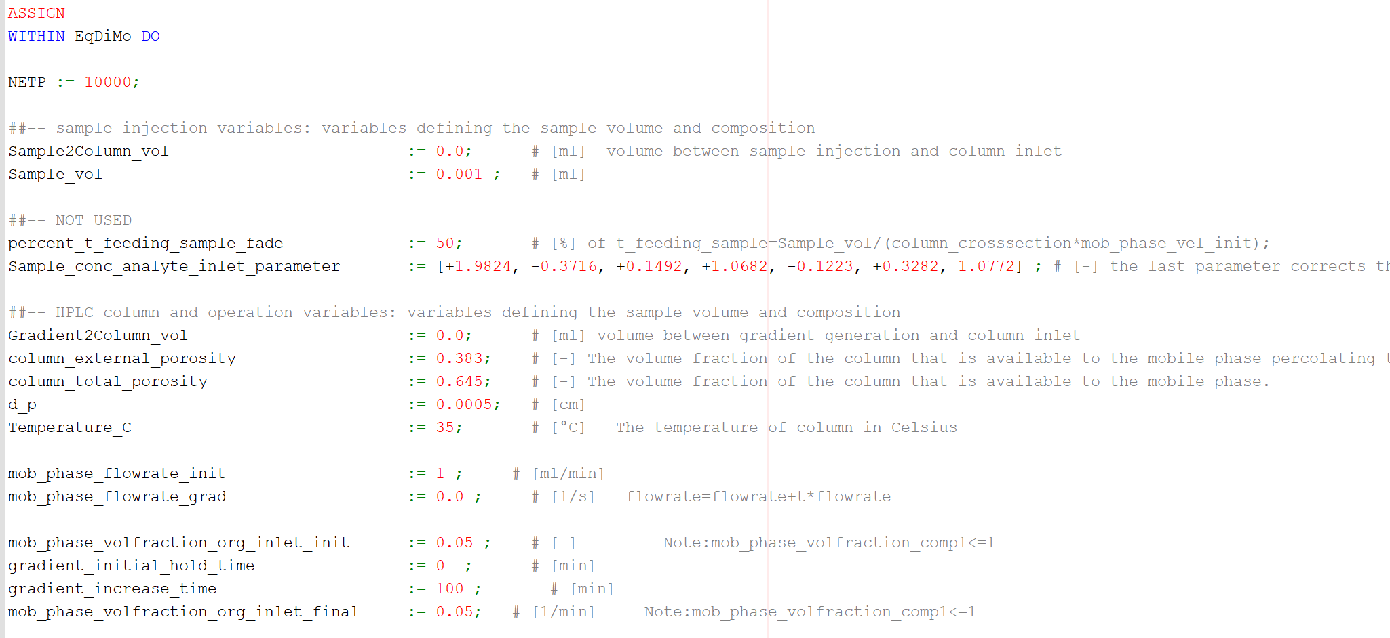
Time | Conc. At end | Sens. W.r.t. a0 | Sens. W.r.t. CT | Sens w.r.t. Ss | Temperature | Phi
0 | 0 | 0 | 0 | 0 | 35 | 0.05
9.87E-06 | 0 | 0 | 0 | 0 | 35 | 0.05
9.87E-06 | 0 | 0 | 0 | 0 | 35 | 0.05
0.0010046709 | 0 | 0 | 0 | 0 | 35 | 0.05
0.0010046709 | 0 | 0 | 0 | 0 | 35 | 0.05
0.05 | 0 | 0 | 0 | 0 | 35 | 0.05
0.1 | 0 | 0 | 0 | 0 | 35 | 0.05
0.15 | 0 | 0 | 0 | 0 | 35 | 0.05
0.2 | 0 | 0 | 0 | 0 | 35 | 0.05
0.25 | 0 | 0 | 0 | 0 | 35 | 0.05
0.3 | 0 | 0 | 0 | 0 | 35 | 0.05
0.35 | 0 | 0 | 0 | 0 | 35 | 0.05
0.4 | 0 | 0 | 0 | 0 | 35 | 0.05
0.45 | 0.00E+00 | 0 | 0 | 0 | 35 | 0.05
0.5 | 0.00E+00 | 0 | 0 | 0 | 35 | 0.05
0.55 | 0.00E+00 | 0 | 0 | 0 | 35 | 0.05
0.6 | 0.00E+00 | 0 | 0 | 0 | 35 | 0.05
0.65 | 0.00E+00 | 0 | 0 | 0 | 35 | 0.05
0.7 | 0.00E+00 | 0 | 0 | 0 | 35 | 0.05
0.75 | 2.80E-45 | -1.40E-44 | 0 | 8.40E-45 | 35 | 0.05
0.8 | 1.74E-43 | -1.01E-42 | 4.20E-45 | 5.56E-43 | 35 | 0.05
0.85 | 9.71E-42 | -5.62E-41 | 2.56E-43 | 3.09E-41 | 35 | 0.05
0.9 | 4.43E-40 | -2.54E-39 | 1.16E-41 | 1.40E-39 | 35 | 0.05
0.95 | 1.61E-38 | -9.15E-38 | 4.19E-40 | 5.04E-38 | 35 | 0.05
1 | 4.92E-37 | -2.77E-36 | 1.27E-38 | 1.52E-36 | 35 | 0.05
1.05 | 1.26E-35 | -7.04E-35 | 3.22E-37 | 3.88E-35 | 35 | 0.05
1.1 | 2.63E-34 | -1.46E-33 | 6.66E-36 | 8.01E-34 | 35 | 0.05
1.15 | 4.88E-33 | -2.67E-32 | 1.22E-34 | 1.47E-32 | 35 | 0.05
1.2 | 8.08E-32 | -4.39E-31 | 2.01E-33 | 2.41E-31 | 35 | 0.05
1.25 | 1.20E-30 | -6.43E-30 | 2.94E-32 | 3.54E-30 | 35 | 0.05
1.3 | 1.57E-29 | -8.38E-29 | 3.84E-31 | 4.61E-29 | 35 | 0.05
1.35 | 1.88E-28 | -9.93E-28 | 4.54E-30 | 5.46E-28 | 35 | 0.05
1.4 | 2.05E-27 | -1.07E-26 | 4.91E-29 | 5.90E-27 | 35 | 0.05
1.45 | 2.05E-26 | -1.06E-25 | 4.84E-28 | 5.82E-26 | 35 | 0.05
1.5 | 1.87E-25 | -9.57E-25 | 4.38E-27 | 5.27E-25 | 35 | 0.05
1.55 | 1.58E-24 | -7.96E-24 | 3.64E-26 | 4.38E-24 | 35 | 0.05
1.6 | 1.22E-23 | -6.10E-23 | 2.79E-25 | 3.36E-23 | 35 | 0.05
1.65 | 8.77E-23 | -4.32E-22 | 1.98E-24 | 2.38E-22 | 35 | 0.05
1.7 | 5.83E-22 | -2.83E-21 | 1.30E-23 | 1.56E-21 | 35 | 0.05
1.75 | 3.60E-21 | -1.73E-20 | 7.91E-23 | 9.51E-21 | 35 | 0.05
1.8 | 2.07E-20 | -9.81E-20 | 4.49E-22 | 5.40E-20 | 35 | 0.05
1.85 | 1.12E-19 | -5.21E-19 | 2.39E-21 | 2.87E-19 | 35 | 0.05
1.9 | 5.64E-19 | -2.60E-18 | 1.19E-20 | 1.43E-18 | 35 | 0.05
1.95 | 2.68E-18 | -1.22E-17 | 5.56E-20 | 6.69E-18 | 35 | 0.05
2 | 1.20E-17 | -5.36E-17 | 2.45E-19 | 2.95E-17 | 35 | 0.05
2.05 | 5.06E-17 | -2.23E-16 | 1.02E-18 | 1.23E-16 | 35 | 0.05
2.1 | 2.02E-16 | -8.78E-16 | 4.02E-18 | 4.83E-16 | 35 | 0.05
2.15 | 7.68E-16 | -3.28E-15 | 1.50E-17 | 1.80E-15 | 35 | 0.05
2.2 | 2.77E-15 | -1.16E-14 | 5.32E-17 | 6.40E-15 | 35 | 0.05
2.25 | 9.51E-15 | -3.93E-14 | 1.80E-16 | 2.16E-14 | 35 | 0.05
2.3 | 3.12E-14 | -1.27E-13 | 5.79E-16 | 6.96E-14 | 35 | 0.05
2.35 | 9.76E-14 | -3.90E-13 | 1.78E-15 | 2.14E-13 | 35 | 0.05
2.4 | 2.93E-13 | -1.15E-12 | 5.26E-15 | 6.32E-13 | 35 | 0.05
2.45 | 8.43E-13 | -3.25E-12 | 1.49E-14 | 1.79E-12 | 35 | 0.05
2.5 | 2.33E-12 | -8.81E-12 | 4.03E-14 | 4.85E-12 | 35 | 0.05
2.55 | 6.20E-12 | -2.30E-11 | 1.05E-13 | 1.27E-11 | 35 | 0.05
2.6 | 1.59E-11 | -5.78E-11 | 2.65E-13 | 3.18E-11 | 35 | 0.05
2.65 | 3.93E-11 | -1.40E-10 | 6.42E-13 | 7.72E-11 | 35 | 0.05
2.7 | 9.38E-11 | -3.28E-10 | 1.50E-12 | 1.81E-10 | 35 | 0.05
2.75 | 2.17E-10 | -7.44E-10 | 3.40E-12 | 4.09E-10 | 35 | 0.05
2.8 | 4.85E-10 | -1.63E-09 | 7.46E-12 | 8.97E-10 | 35 | 0.05
2.85 | 1.05E-09 | -3.46E-09 | 1.58E-11 | 1.90E-09 | 35 | 0.05
2.9 | 2.22E-09 | -7.13E-09 | 3.26E-11 | 3.92E-09 | 35 | 0.05
2.95 | 4.53E-09 | -1.43E-08 | 6.52E-11 | 7.85E-09 | 35 | 0.05
3 | 9.01E-09 | -2.77E-08 | 1.27E-10 | 1.52E-08 | 35 | 0.05
3.05 | 1.74E-08 | -5.24E-08 | 2.40E-10 | 2.88E-08 | 35 | 0.05
3.1 | 3.29E-08 | -9.65E-08 | 4.42E-10 | 5.31E-08 | 35 | 0.05
3.15 | 6.04E-08 | -1.73E-07 | 7.92E-10 | 9.52E-08 | 35 | 0.05
3.2 | 1.08E-07 | -3.03E-07 | 1.39E-09 | 1.67E-07 | 35 | 0.05
3.25 | 1.90E-07 | -5.17E-07 | 2.36E-09 | 2.84E-07 | 35 | 0.05
3.3 | 3.25E-07 | -8.61E-07 | 3.94E-09 | 4.74E-07 | 35 | 0.05
3.35 | 5.43E-07 | -1.40E-06 | 6.42E-09 | 7.72E-07 | 35 | 0.05
3.4 | 8.90E-07 | -2.23E-06 | 1.02E-08 | 1.23E-06 | 35 | 0.05
3.45 | 1.43E-06 | -3.48E-06 | 1.59E-08 | 1.92E-06 | 35 | 0.05
3.5 | 2.24E-06 | -5.31E-06 | 2.43E-08 | 2.92E-06 | 35 | 0.05
3.55 | 3.45E-06 | -7.93E-06 | 3.63E-08 | 4.36E-06 | 35 | 0.05
3.6 | 5.21E-06 | -1.16E-05 | 5.31E-08 | 6.39E-06 | 35 | 0.05
3.65 | 7.72E-06 | -1.67E-05 | 7.62E-08 | 9.17E-06 | 35 | 0.05
3.7 | 1.12E-05 | -2.34E-05 | 1.07E-07 | 1.29E-05 | 35 | 0.05
3.75 | 1.61E-05 | -3.24E-05 | 1.48E-07 | 1.78E-05 | 35 | 0.05
3.8 | 2.26E-05 | -4.39E-05 | 2.01E-07 | 2.42E-05 | 35 | 0.05
3.85 | 3.12E-05 | -5.84E-05 | 2.67E-07 | 3.22E-05 | 35 | 0.05
3.9 | 4.24E-05 | -7.64E-05 | 3.50E-07 | 4.20E-05 | 35 | 0.05
3.95 | 5.66E-05 | -9.82E-05 | 4.49E-07 | 5.40E-05 | 35 | 0.05
4 | 7.46E-05 | -1.24E-04 | 5.67E-07 | 6.82E-05 | 35 | 0.05
4.05 | 9.67E-05 | -1.54E-04 | 7.05E-07 | 8.47E-05 | 35 | 0.05
4.1 | 1.24E-04 | -1.88E-04 | 8.60E-07 | 1.03E-04 | 35 | 0.05
4.15 | 1.56E-04 | -2.26E-04 | 1.03E-06 | 1.24E-04 | 35 | 0.05
4.2 | 1.93E-04 | -2.67E-04 | 1.22E-06 | 1.47E-04 | 35 | 0.05
4.25 | 2.36E-04 | -3.10E-04 | 1.42E-06 | 1.70E-04 | 35 | 0.05
4.3 | 2.86E-04 | -3.54E-04 | 1.62E-06 | 1.95E-04 | 35 | 0.05
4.35 | 3.41E-04 | -3.98E-04 | 1.82E-06 | 2.19E-04 | 35 | 0.05
4.4 | 4.01E-04 | -4.40E-04 | 2.01E-06 | 2.42E-04 | 35 | 0.05
4.45 | 4.66E-04 | -4.79E-04 | 2.19E-06 | 2.63E-04 | 35 | 0.05
4.5 | 5.35E-04 | -5.12E-04 | 2.34E-06 | 2.82E-04 | 35 | 0.05
4.55 | 6.07E-04 | -5.38E-04 | 2.46E-06 | 2.96E-04 | 35 | 0.05
4.6 | 6.80E-04 | -5.55E-04 | 2.54E-06 | 3.06E-04 | 35 | 0.05
4.65 | 7.54E-04 | -5.62E-04 | 2.57E-06 | 3.09E-04 | 35 | 0.05
4.7 | 8.26E-04 | -5.58E-04 | 2.55E-06 | 3.07E-04 | 35 | 0.05
4.75 | 8.96E-04 | -5.42E-04 | 2.48E-06 | 2.98E-04 | 35 | 0.05
4.8 | 9.61E-04 | -5.13E-04 | 2.35E-06 | 2.83E-04 | 35 | 0.05
4.85 | 0.0010194054 | -4.73E-04 | 2.17E-06 | 2.60E-04 | 35 | 0.05
4.9 | 0.001070587 | -4.21E-04 | 1.93E-06 | 2.32E-04 | 35 | 0.05
4.95 | 0.0011130203 | -3.60E-04 | 1.65E-06 | 1.98E-04 | 35 | 0.05
5 | 0.0011457232 | -2.90E-04 | 1.33E-06 | 1.60E-04 | 35 | 0.05
5.05 | 0.001167987 | -2.13E-04 | 9.77E-07 | 1.17E-04 | 35 | 0.05
5.1 | 1.18E-03 | -1.33E-04 | 6.07E-07 | 7.29E-05 | 35 | 0.05
5.15 | 1.18E-03 | -4.96E-05 | 2.27E-07 | 2.73E-05 | 35 | 0.05
5.2 | 1.17E-03 | 3.30E-05 | -1.51E-07 | -1.82E-05 | 35 | 0.05
5.25 | 1.15E-03 | 1.13E-04 | -5.18E-07 | -6.23E-05 | 35 | 0.05
5.3 | 1.12E-03 | 1.89E-04 | -8.65E-07 | -1.04E-04 | 35 | 0.05
5.35 | 1.08E-03 | 2.58E-04 | -1.18E-06 | -1.42E-04 | 35 | 0.05
5.4 | 1.03E-03 | 3.20E-04 | -1.46E-06 | -1.76E-04 | 35 | 0.05
5.45 | 9.82E-04 | 3.73E-04 | -1.71E-06 | -2.05E-04 | 35 | 0.05
5.5 | 9.24E-04 | 4.16E-04 | -1.90E-06 | -2.29E-04 | 35 | 0.05
5.55 | 8.64E-04 | 4.49E-04 | -2.06E-06 | -2.47E-04 | 35 | 0.05
5.6 | 8.00E-04 | 4.72E-04 | -2.16E-06 | -2.60E-04 | 35 | 0.05
5.65 | 7.36E-04 | 4.86E-04 | -2.23E-06 | -2.68E-04 | 35 | 0.05
5.7 | 6.72E-04 | 4.91E-04 | -2.25E-06 | -2.70E-04 | 35 | 0.05
5.75 | 6.09E-04 | 4.87E-04 | -2.23E-06 | -2.68E-04 | 35 | 0.05
5.8 | 5.47E-04 | 4.77E-04 | -2.18E-06 | -2.62E-04 | 35 | 0.05
5.85 | 4.89E-04 | 4.60E-04 | -2.10E-06 | -2.53E-04 | 35 | 0.05
5.9 | 4.33E-04 | 4.38E-04 | -2.00E-06 | -2.41E-04 | 35 | 0.05
5.95 | 3.82E-04 | 4.12E-04 | -1.89E-06 | -2.27E-04 | 35 | 0.05
6 | 3.34E-04 | 3.84E-04 | -1.76E-06 | -2.11E-04 | 35 | 0.05
6.05 | 2.90E-04 | 3.54E-04 | -1.62E-06 | -1.95E-04 | 35 | 0.05
6.0703926 | 2.73E-04 | 3.41E-04 | -1.56E-06 | -1.88E-04 | 35 | 0.05
6.1 | 2.50E-04 | 3.23E-04 | -1.48E-06 | -1.78E-04 | 35 | 0.05
6.15 | 2.15E-04 | 2.92E-04 | -1.34E-06 | -1.61E-04 | 35 | 0.05
6.2 | 1.83E-04 | 2.61E-04 | -1.20E-06 | -1.44E-04 | 35 | 0.05
6.25 | 1.55E-04 | 2.32E-04 | -1.06E-06 | -1.28E-04 | 35 | 0.05
6.3 | 1.30E-04 | 2.04E-04 | -9.36E-07 | -1.12E-04 | 35 | 0.05
6.35 | 1.09E-04 | 1.79E-04 | -8.18E-07 | -9.83E-05 | 35 | 0.05
6.4 | 9.06E-05 | 1.55E-04 | -7.09E-07 | -8.52E-05 | 35 | 0.05
6.45 | 7.49E-05 | 1.33E-04 | -6.10E-07 | -7.34E-05 | 35 | 0.05
6.5 | 6.16E-05 | 1.14E-04 | -5.21E-07 | -6.27E-05 | 35 | 0.05
6.55 | 5.03E-05 | 9.67E-05 | -4.42E-07 | -5.32E-05 | 35 | 0.05
6.6 | 4.09E-05 | 8.14E-05 | -3.73E-07 | -4.48E-05 | 35 | 0.05
6.65 | 3.30E-05 | 6.82E-05 | -3.12E-07 | -3.75E-05 | 35 | 0.05
6.7 | 2.65E-05 | 5.67E-05 | -2.59E-07 | -3.12E-05 | 35 | 0.05
6.75 | 2.12E-05 | 4.68E-05 | -2.14E-07 | -2.58E-05 | 35 | 0.05
6.8 | 1.68E-05 | 3.84E-05 | -1.76E-07 | -2.12E-05 | 35 | 0.05
6.85 | 1.33E-05 | 3.14E-05 | -1.44E-07 | -1.73E-05 | 35 | 0.05
6.9 | 1.04E-05 | 2.54E-05 | -1.16E-07 | -1.40E-05 | 35 | 0.05
6.95 | 8.12E-06 | 2.05E-05 | -9.38E-08 | -1.13E-05 | 35 | 0.05
7 | 6.29E-06 | 1.64E-05 | -7.51E-08 | -9.03E-06 | 35 | 0.05
7.05 | 4.85E-06 | 1.30E-05 | -5.97E-08 | -7.18E-06 | 35 | 0.05
7.0703926 | 4.35E-06 | 1.19E-05 | -5.43E-08 | -6.52E-06 | 35 | 0.05

Experiment 4
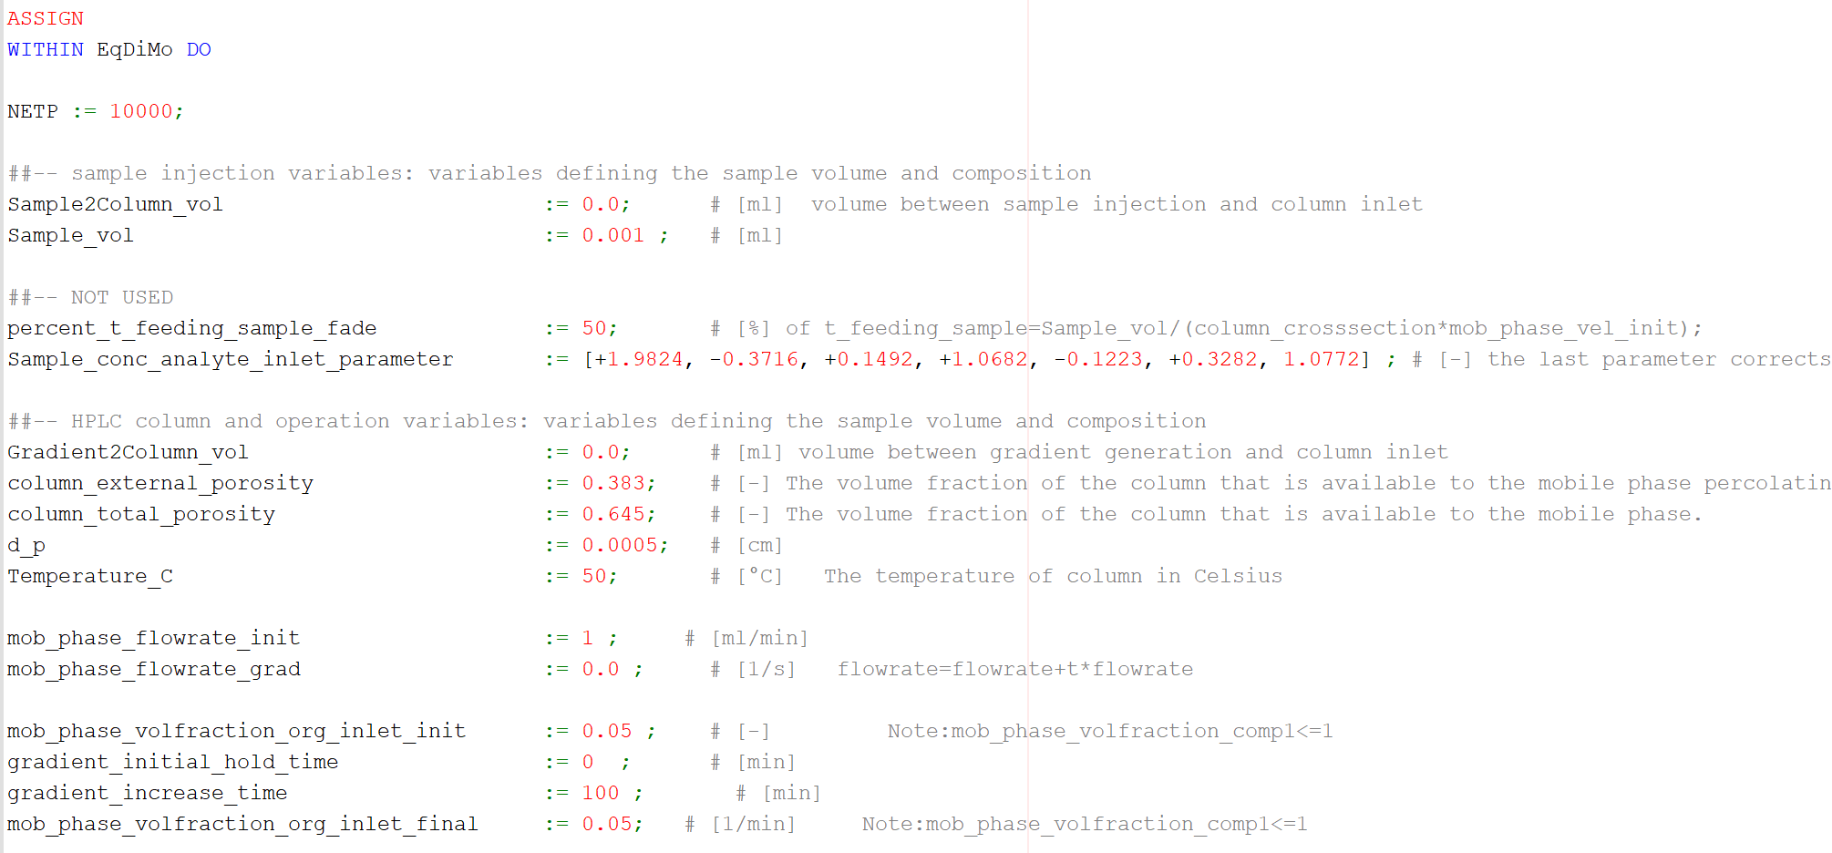
Time | Conc. At end | Sens. W.r.t. a0 | Sens. W.r.t. CT | Sens w.r.t. Ss | Temperature | Phi
0 | 0 | 0 | 0 | 0 | 50 | 0.05
9.87E-06 | 0 | 0 | 0 | 0 | 50 | 0.05
9.87E-06 | 0 | 0 | 0 | 0 | 50 | 0.05
0.0010020994 | 0 | 0 | 0 | 0 | 50 | 0.05
0.0010020994 | 0 | 0 | 0 | 0 | 50 | 0.05
0.05 | 0 | 0 | 0 | 0 | 50 | 0.05
0.1 | 0 | 0 | 0 | 0 | 50 | 0.05
0.15 | 0 | 0 | 0 | 0 | 50 | 0.05
0.2 | 0 | 0 | 0 | 0 | 50 | 0.05
0.25 | 0 | 0 | 0 | 0 | 50 | 0.05
0.3 | 0 | 0 | 0 | 0 | 50 | 0.05
0.35 | 0.00E+00 | 0 | 0 | 0 | 50 | 0.05
0.4 | 0.00E+00 | 0 | 0 | 0 | 50 | 0.05
0.45 | 0.00E+00 | 0 | 0 | 0 | 50 | 0.05
0.5 | 0.00E+00 | 0 | 0 | 0 | 50 | 0.05
0.55 | 0.00E+00 | 0 | 0 | 0 | 50 | 0.05
0.6 | 0.00E+00 | 0 | 0 | 0 | 50 | 0.05
0.65 | 1.10E-44 | -6.00E-44 | 0 | 3.40E-44 | 50 | 0.05
0.7 | 1.61E-42 | -8.93E-42 | 5.60E-44 | 4.92E-42 | 50 | 0.05
0.75 | 1.53E-40 | -8.40E-40 | 5.24E-42 | 4.63E-40 | 50 | 0.05
0.8 | 1.10E-38 | -6.00E-38 | 3.74E-40 | 3.30E-38 | 50 | 0.05
0.85 | 6.02E-37 | -3.24E-36 | 2.02E-38 | 1.78E-36 | 50 | 0.05
0.9 | 2.51E-35 | -1.34E-34 | 8.33E-37 | 7.35E-35 | 50 | 0.05
0.95 | 8.34E-34 | -4.39E-33 | 2.74E-35 | 2.42E-33 | 50 | 0.05
1 | 2.38E-32 | -1.24E-31 | 7.72E-34 | 6.81E-32 | 50 | 0.05
1.05 | 5.65E-31 | -2.91E-30 | 1.81E-32 | 1.60E-30 | 50 | 0.05
1.1 | 1.13E-29 | -5.77E-29 | 3.60E-31 | 3.17E-29 | 50 | 0.05
1.15 | 1.98E-28 | -9.95E-28 | 6.20E-30 | 5.47E-28 | 50 | 0.05
1.2 | 3.04E-27 | -1.51E-26 | 9.42E-29 | 8.31E-27 | 50 | 0.05
1.25 | 4.11E-26 | -2.01E-25 | 1.26E-27 | 1.11E-25 | 50 | 0.05
1.3 | 4.90E-25 | -2.38E-24 | 1.48E-26 | 1.31E-24 | 50 | 0.05
1.35 | 5.15E-24 | -2.46E-23 | 1.54E-25 | 1.36E-23 | 50 | 0.05
1.4 | 4.90E-23 | -2.31E-22 | 1.44E-24 | 1.27E-22 | 50 | 0.05
1.45 | 4.26E-22 | -1.98E-21 | 1.24E-23 | 1.09E-21 | 50 | 0.05
1.5 | 3.38E-21 | -1.55E-20 | 9.68E-23 | 8.54E-21 | 50 | 0.05
1.55 | 2.45E-20 | -1.11E-19 | 6.92E-22 | 6.11E-20 | 50 | 0.05
1.6 | 1.64E-19 | -7.32E-19 | 4.56E-21 | 4.03E-19 | 50 | 0.05
1.65 | 1.02E-18 | -4.46E-18 | 2.78E-20 | 2.46E-18 | 50 | 0.05
1.7 | 5.84E-18 | -2.52E-17 | 1.57E-19 | 1.39E-17 | 50 | 0.05
1.75 | 3.12E-17 | -1.33E-16 | 8.28E-19 | 7.31E-17 | 50 | 0.05
1.8 | 1.56E-16 | -6.51E-16 | 4.06E-18 | 3.58E-16 | 50 | 0.05
1.85 | 7.25E-16 | -2.98E-15 | 1.86E-17 | 1.64E-15 | 50 | 0.05
1.9 | 3.17E-15 | -1.28E-14 | 7.97E-17 | 7.03E-15 | 50 | 0.05
1.95 | 1.30E-14 | -5.15E-14 | 3.21E-16 | 2.83E-14 | 50 | 0.05
2 | 5.02E-14 | -1.95E-13 | 1.22E-15 | 1.07E-13 | 50 | 0.05
2.05 | 1.83E-13 | -6.98E-13 | 4.35E-15 | 3.84E-13 | 50 | 0.05
2.1 | 6.33E-13 | -2.36E-12 | 1.47E-14 | 1.30E-12 | 50 | 0.05
2.15 | 2.07E-12 | -7.59E-12 | 4.73E-14 | 4.17E-12 | 50 | 0.05
2.2 | 6.45E-12 | -2.31E-11 | 1.44E-13 | 1.27E-11 | 50 | 0.05
2.25 | 1.91E-11 | -6.70E-11 | 4.18E-13 | 3.69E-11 | 50 | 0.05
2.3 | 5.41E-11 | -1.85E-10 | 1.16E-12 | 1.02E-10 | 50 | 0.05
2.35 | 1.46E-10 | -4.90E-10 | 3.05E-12 | 2.69E-10 | 50 | 0.05
2.4 | 3.78E-10 | -1.24E-09 | 7.72E-12 | 6.81E-10 | 50 | 0.05
2.45 | 9.38E-10 | -3.00E-09 | 1.87E-11 | 1.65E-09 | 50 | 0.05
2.5 | 2.24E-09 | -6.97E-09 | 4.35E-11 | 3.84E-09 | 50 | 0.05
2.55 | 5.13E-09 | -1.56E-08 | 9.72E-11 | 8.58E-09 | 50 | 0.05
2.6 | 1.13E-08 | -3.35E-08 | 2.09E-10 | 1.85E-08 | 50 | 0.05
2.65 | 2.42E-08 | -6.96E-08 | 4.34E-10 | 3.83E-08 | 50 | 0.05
2.7 | 4.97E-08 | -1.39E-07 | 8.69E-10 | 7.67E-08 | 50 | 0.05
2.75 | 9.91E-08 | -2.70E-07 | 1.68E-09 | 1.48E-07 | 50 | 0.05
2.8 | 1.91E-07 | -5.05E-07 | 3.15E-09 | 2.78E-07 | 50 | 0.05
2.85 | 3.57E-07 | -9.16E-07 | 5.71E-09 | 5.04E-07 | 50 | 0.05
2.9 | 6.48E-07 | -1.61E-06 | 1.00E-08 | 8.86E-07 | 50 | 0.05
2.95 | 1.14E-06 | -2.75E-06 | 1.71E-08 | 1.51E-06 | 50 | 0.05
3 | 1.96E-06 | -4.55E-06 | 2.84E-08 | 2.51E-06 | 50 | 0.05
3.05 | 3.26E-06 | -7.34E-06 | 4.58E-08 | 4.04E-06 | 50 | 0.05
3.1 | 5.30E-06 | -1.15E-05 | 7.17E-08 | 6.33E-06 | 50 | 0.05
3.15 | 8.39E-06 | -1.76E-05 | 1.10E-07 | 9.67E-06 | 50 | 0.05
3.2 | 1.30E-05 | -2.61E-05 | 1.63E-07 | 1.44E-05 | 50 | 0.05
3.25 | 1.96E-05 | -3.79E-05 | 2.36E-07 | 2.08E-05 | 50 | 0.05
3.3 | 2.89E-05 | -5.36E-05 | 3.34E-07 | 2.95E-05 | 50 | 0.05
3.35 | 4.16E-05 | -7.40E-05 | 4.61E-07 | 4.07E-05 | 50 | 0.05
3.4 | 5.88E-05 | -9.97E-05 | 6.22E-07 | 5.49E-05 | 50 | 0.05
3.45 | 8.12E-05 | -1.31E-04 | 8.19E-07 | 7.23E-05 | 50 | 0.05
3.5 | 1.10E-04 | -1.69E-04 | 1.06E-06 | 9.31E-05 | 50 | 0.05
3.55 | 1.46E-04 | -2.13E-04 | 1.33E-06 | 1.17E-04 | 50 | 0.05
3.6 | 1.90E-04 | -2.62E-04 | 1.64E-06 | 1.44E-04 | 50 | 0.05
3.65 | 2.42E-04 | -3.16E-04 | 1.97E-06 | 1.74E-04 | 50 | 0.05
3.7 | 3.04E-04 | -3.73E-04 | 2.32E-06 | 2.05E-04 | 50 | 0.05
3.75 | 3.75E-04 | -4.29E-04 | 2.68E-06 | 2.36E-04 | 50 | 0.05
3.8 | 4.54E-04 | -4.84E-04 | 3.02E-06 | 2.67E-04 | 50 | 0.05
3.85 | 5.40E-04 | -5.34E-04 | 3.33E-06 | 2.94E-04 | 50 | 0.05
3.9 | 6.33E-04 | -5.76E-04 | 3.59E-06 | 3.17E-04 | 50 | 0.05
3.95 | 7.29E-04 | -6.07E-04 | 3.78E-06 | 3.34E-04 | 50 | 0.05
4 | 8.28E-04 | -6.24E-04 | 3.89E-06 | 3.43E-04 | 50 | 0.05
4.05 | 9.25E-04 | -6.24E-04 | 3.89E-06 | 3.44E-04 | 50 | 0.05
4.1 | 0.001018931 | -6.07E-04 | 3.79E-06 | 3.34E-04 | 50 | 0.05
4.15 | 0.0011060939 | -5.73E-04 | 3.57E-06 | 3.15E-04 | 50 | 0.05
4.2 | 0.0011838897 | -5.20E-04 | 3.24E-06 | 2.86E-04 | 50 | 0.05
4.25 | 0.0012498241 | -4.51E-04 | 2.81E-06 | 2.48E-04 | 50 | 0.05
4.3 | 0.0013018057 | -3.67E-04 | 2.29E-06 | 2.02E-04 | 50 | 0.05
4.35 | 0.0013382563 | -2.72E-04 | 1.70E-06 | 1.50E-04 | 50 | 0.05
4.4 | 0.0013581874 | -1.70E-04 | 1.06E-06 | 9.35E-05 | 50 | 0.05
4.45 | 0.0013612399 | -6.34E-05 | 3.96E-07 | 3.49E-05 | 50 | 0.05
4.5 | 1.35E-03 | 4.29E-05 | -2.68E-07 | -2.36E-05 | 50 | 0.05
4.55 | 1.32E-03 | 1.45E-04 | -9.06E-07 | -8.00E-05 | 50 | 0.05
4.6 | 1.27E-03 | 2.40E-04 | -1.50E-06 | -1.32E-04 | 50 | 0.05
4.65 | 1.22E-03 | 3.25E-04 | -2.03E-06 | -1.79E-04 | 50 | 0.05
4.7 | 1.15E-03 | 3.98E-04 | -2.48E-06 | -2.19E-04 | 50 | 0.05
4.75 | 1.08E-03 | 4.56E-04 | -2.84E-06 | -2.51E-04 | 50 | 0.05
4.8 | 9.96E-04 | 5.00E-04 | -3.12E-06 | -2.75E-04 | 50 | 0.05
4.85 | 9.11E-04 | 5.29E-04 | -3.30E-06 | -2.91E-04 | 50 | 0.05
4.9 | 8.25E-04 | 5.44E-04 | -3.39E-06 | -2.99E-04 | 50 | 0.05
4.95 | 7.40E-04 | 5.46E-04 | -3.40E-06 | -3.00E-04 | 50 | 0.05
5 | 6.57E-04 | 5.36E-04 | -3.34E-06 | -2.95E-04 | 50 | 0.05
5.05 | 5.78E-04 | 5.16E-04 | -3.22E-06 | -2.84E-04 | 50 | 0.05
5.1 | 5.03E-04 | 4.89E-04 | -3.05E-06 | -2.69E-04 | 50 | 0.05
5.15 | 4.34E-04 | 4.56E-04 | -2.84E-06 | -2.51E-04 | 50 | 0.05
5.2 | 3.71E-04 | 4.19E-04 | -2.61E-06 | -2.31E-04 | 50 | 0.05
5.249644 | 3.15E-04 | 3.80E-04 | -2.37E-06 | -2.09E-04 | 50 | 0.05
5.25 | 3.15E-04 | 3.80E-04 | -2.37E-06 | -2.09E-04 | 50 | 0.05
5.3 | 2.64E-04 | 3.40E-04 | -2.12E-06 | -1.87E-04 | 50 | 0.05
5.35 | 2.20E-04 | 3.00E-04 | -1.87E-06 | -1.65E-04 | 50 | 0.05
5.4 | 1.82E-04 | 2.62E-04 | -1.63E-06 | -1.44E-04 | 50 | 0.05
5.45 | 1.49E-04 | 2.26E-04 | -1.41E-06 | -1.25E-04 | 50 | 0.05
5.5 | 1.21E-04 | 1.93E-04 | -1.21E-06 | -1.06E-04 | 50 | 0.05
5.55 | 9.76E-05 | 1.63E-04 | -1.02E-06 | -8.99E-05 | 50 | 0.05
5.6 | 7.81E-05 | 1.37E-04 | -8.52E-07 | -7.52E-05 | 50 | 0.05
5.65 | 6.20E-05 | 1.13E-04 | -7.06E-07 | -6.23E-05 | 50 | 0.05
5.7 | 4.89E-05 | 9.29E-05 | -5.80E-07 | -5.12E-05 | 50 | 0.05
5.75 | 3.83E-05 | 7.56E-05 | -4.72E-07 | -4.16E-05 | 50 | 0.05
5.8 | 2.98E-05 | 6.10E-05 | -3.80E-07 | -3.36E-05 | 50 | 0.05
5.85 | 2.30E-05 | 4.88E-05 | -3.04E-07 | -2.69E-05 | 50 | 0.05
5.9 | 1.77E-05 | 3.87E-05 | -2.42E-07 | -2.13E-05 | 50 | 0.05
5.95 | 1.36E-05 | 3.05E-05 | -1.90E-07 | -1.68E-05 | 50 | 0.05
6 | 1.03E-05 | 2.39E-05 | -1.49E-07 | -1.32E-05 | 50 | 0.05
6.05 | 7.83E-06 | 1.86E-05 | -1.16E-07 | -1.02E-05 | 50 | 0.05
6.1 | 5.92E-06 | 1.44E-05 | -8.99E-08 | -7.93E-06 | 50 | 0.05
6.15 | 4.45E-06 | 1.11E-05 | -6.92E-08 | -6.11E-06 | 50 | 0.05
6.2 | 3.33E-06 | 8.50E-06 | -5.30E-08 | -4.68E-06 | 50 | 0.05
6.249644 | 2.47E-06 | 6.47E-06 | -4.04E-08 | -3.56E-06 | 50 | 0.05

Experiment 5
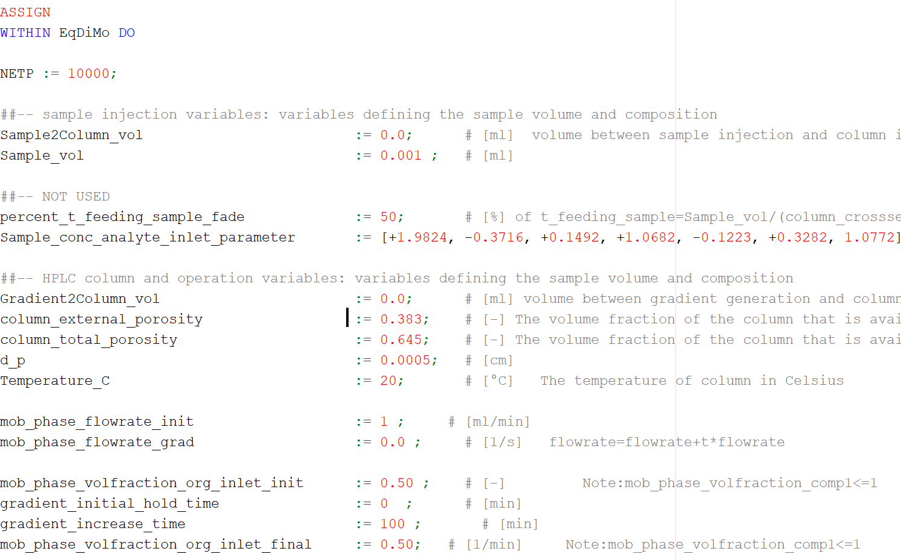
Time | Conc. At end | Sens. W.r.t. a0 | Sens. W.r.t. CT | Sens w.r.t. Ss | Temperature | Phi
0 | 0 | 0 | 0 | 0 | 20 | 0.5
9.87E-06 | 0.00E+00 | 0 | 0 | 0 | 20 | 0.5
9.87E-06 | 0.00E+00 | 0 | 0 | 0 | 20 | 0.5
0.0010051203 | 0.00E+00 | 0 | 0 | 0 | 20 | 0.5
0.0010051203 | 0.00E+00 | 0 | 0 | 0 | 20 | 0.5
0.05 | 0.00E+00 | 0 | 0 | 0 | 20 | 0.5
0.1 | 0.00E+00 | 0 | 0 | 0 | 20 | 0.5
0.15 | 1.40E-45 | -1.40E-45 | 0 | 8.40E-45 | 20 | 0.5
0.2 | 7.66E-37 | -6.75E-37 | 1.86E-39 | 3.72E-36 | 20 | 0.5
0.25 | 2.17E-30 | -1.81E-30 | 4.98E-33 | 9.97E-30 | 20 | 0.5
0.3 | 2.74E-25 | -2.16E-25 | 5.95E-28 | 1.19E-24 | 20 | 0.5
0.35 | 3.56E-21 | -2.66E-21 | 7.30E-24 | 1.46E-20 | 20 | 0.5
0.4 | 8.61E-18 | -6.04E-18 | 1.66E-20 | 3.32E-17 | 20 | 0.5
0.45 | 5.91E-15 | -3.87E-15 | 1.06E-17 | 2.13E-14 | 20 | 0.5
0.5 | 1.37E-12 | -8.35E-13 | 2.30E-15 | 4.60E-12 | 20 | 0.5
0.55 | 1.35E-10 | -7.57E-11 | 2.08E-13 | 4.17E-10 | 20 | 0.5
0.6 | 6.32E-09 | -3.23E-09 | 8.89E-12 | 1.78E-08 | 20 | 0.5
0.65 | 1.57E-07 | -7.27E-08 | 2.00E-10 | 4.00E-07 | 20 | 0.5
0.7 | 2.27E-06 | -9.31E-07 | 2.56E-09 | 5.13E-06 | 20 | 0.5
0.75 | 2.01E-05 | -7.22E-06 | 1.99E-08 | 3.98E-05 | 20 | 0.5
0.8 | 1.17E-04 | -3.57E-05 | 9.82E-08 | 1.97E-04 | 20 | 0.5
0.85 | 4.62E-04 | -1.17E-04 | 3.22E-07 | 6.44E-04 | 20 | 0.5
0.9 | 0.001308788 | -2.61E-04 | 7.18E-07 | 0.0014378474 | 20 | 0.5
0.95 | 0.002739184 | -4.00E-04 | 1.10E-06 | 0.0022014943 | 20 | 0.5
1 | 4.37E-03 | -4.05E-04 | 1.11E-06 | 0.002227556 | 20 | 0.5
1.05 | 5.47E-03 | -2.15E-04 | 5.90E-07 | 0.0011810206 | 20 | 0.5
1.1 | 5.50E-03 | 7.69E-05 | -2.11E-07 | -4.23E-04 | 20 | 0.5
1.15 | 4.52E-03 | 3.03E-04 | -8.33E-07 | -0.0016678759 | 20 | 0.5
1.2 | 3.09E-03 | 3.72E-04 | -1.02E-06 | -0.0020452065 | 20 | 0.5
1.25 | 1.79E-03 | 3.10E-04 | -8.52E-07 | -0.0017063414 | 20 | 0.5
1.2736009 | 1.31E-03 | 2.60E-04 | -7.14E-07 | -0.001428444 | 20 | 0.5
1.3 | 8.83E-04 | 2.01E-04 | -5.52E-07 | -0.001104469 | 20 | 0.5
1.35 | 3.78E-04 | 1.06E-04 | -2.92E-07 | -5.84E-04 | 20 | 0.5
1.4 | 1.41E-04 | 4.72E-05 | -1.30E-07 | -2.60E-04 | 20 | 0.5
1.45 | 4.65E-05 | 1.80E-05 | -4.95E-08 | -9.90E-05 | 20 | 0.5
1.5 | 1.39E-05 | 5.97E-06 | -1.64E-08 | -3.28E-05 | 20 | 0.5
1.55 | 3.92E-06 | 1.76E-06 | -4.84E-09 | -9.68E-06 | 20 | 0.5
1.6 | 1.18E-06 | 4.99E-07 | -1.37E-09 | -2.75E-06 | 20 | 0.5
1.65 | 4.23E-07 | 1.63E-07 | -4.49E-10 | -8.99E-07 | 20 | 0.5
1.7 | 1.77E-07 | 6.50E-08 | -1.79E-10 | -3.58E-07 | 20 | 0.5
1.75 | 1.34E-07 | 4.47E-08 | -1.23E-10 | -2.46E-07 | 20 | 0.5
1.8 | 8.84E-08 | 3.58E-08 | -9.85E-11 | -1.97E-07 | 20 | 0.5
1.85 | 2.13E-08 | 1.11E-08 | -3.04E-11 | -6.09E-08 | 20 | 0.5
1.9 | 8.57E-09 | -3.76E-09 | 1.03E-11 | 2.07E-08 | 20 | 0.5
1.95 | 6.66E-08 | 1.62E-09 | -4.44E-12 | -8.89E-09 | 20 | 0.5
2 | 9.56E-08 | 2.40E-08 | -6.61E-11 | -1.32E-07 | 20 | 0.5
2.05 | 6.91E-08 | 3.27E-08 | -8.99E-11 | -1.80E-07 | 20 | 0.5
2.1 | 4.00E-08 | 2.07E-08 | -5.70E-11 | -1.14E-07 | 20 | 0.5
2.15 | 2.15E-08 | -4.77E-09 | 1.31E-11 | 2.62E-08 | 20 | 0.5
2.2 | 3.86E-08 | -1.46E-08 | 4.02E-11 | 8.04E-08 | 20 | 0.5
2.25 | 4.01E-08 | -1.51E-09 | 4.15E-12 | 8.31E-09 | 20 | 0.5
2.273601 | 2.57E-08 | 8.29E-09 | -2.28E-11 | -4.56E-08 | 20 | 0.5

Experiment 6
Time | Conc. At end | Sens. W.r.t. a0 | Sens. W.r.t. CT | Sens w.r.t. Ss | Temperature | Phi
0 | 0 | 0 | 0 | 0 | 35 | 0.5
9.87E-06 | 0 | 0 | 0 | 0 | 35 | 0.5
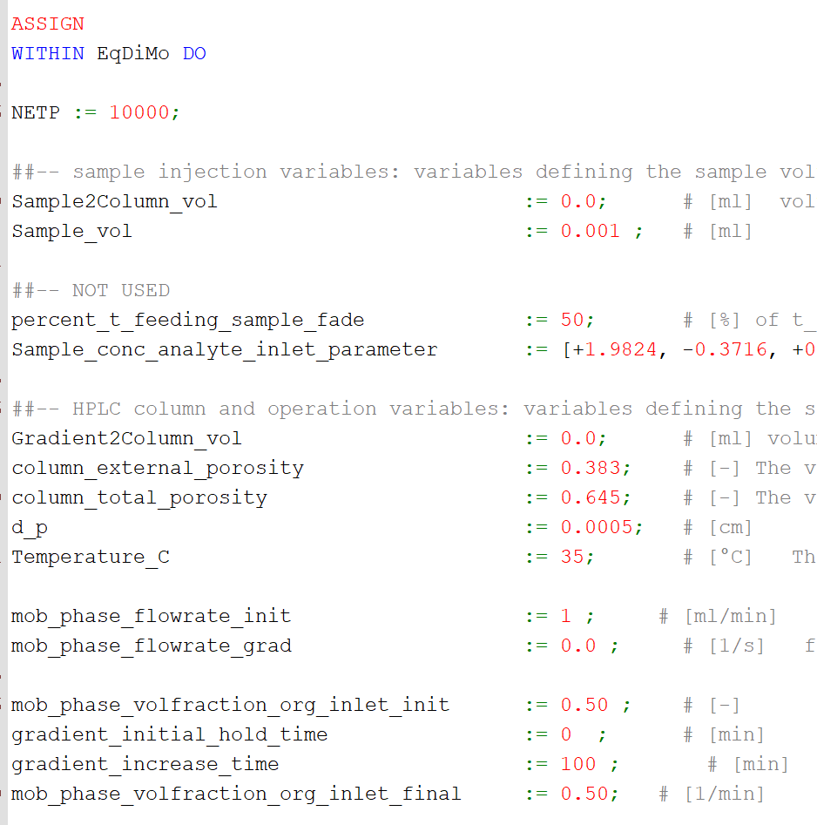
9.87E-06 | 0 | 0 | 0 | 0 | 35 | 0.5
0.0010032653 | 0 | 0 | 0 | 0 | 35 | 0.5
0.0010032653 | 0 | 0 | 0 | 0 | 35 | 0.5
0.05 | 0 | 0 | 0 | 0 | 35 | 0.5
0.1 | 0 | 0 | 0 | 0 | 35 | 0.5
0.15 | 9.80E-45 | -7.00E-45 | 0 | 4.10E-44 | 35 | 0.5
0.2 | 4.03E-36 | -2.97E-36 | 1.36E-38 | 1.63E-35 | 35 | 0.5
0.25 | 1.14E-29 | -7.96E-30 | 3.64E-32 | 4.38E-29 | 35 | 0.5
0.3 | 1.20E-24 | -7.88E-25 | 3.61E-27 | 4.34E-24 | 35 | 0.5
0.35 | 1.55E-20 | -9.58E-21 | 4.39E-23 | 5.27E-20 | 35 | 0.5
0.4 | 3.54E-17 | -2.05E-17 | 9.39E-20 | 1.13E-16 | 35 | 0.5
0.45 | 2.16E-14 | -1.17E-14 | 5.34E-17 | 6.43E-14 | 35 | 0.5
0.5 | 4.64E-12 | -2.32E-12 | 1.06E-14 | 1.28E-11 | 35 | 0.5
0.55 | 4.10E-10 | -1.88E-10 | 8.62E-13 | 1.04E-09 | 35 | 0.5
0.6 | 1.75E-08 | -7.28E-09 | 3.33E-11 | 4.01E-08 | 35 | 0.5
0.65 | 3.92E-07 | -1.47E-07 | 6.72E-10 | 8.08E-07 | 35 | 0.5
0.7 | 5.08E-06 | -1.68E-06 | 7.68E-09 | 9.24E-06 | 35 | 0.5
0.75 | 4.06E-05 | -1.16E-05 | 5.30E-08 | 6.37E-05 | 35 | 0.5
0.8 | 2.11E-04 | -5.07E-05 | 2.32E-07 | 2.79E-04 | 35 | 0.5
0.85 | 7.52E-04 | -1.46E-04 | 6.68E-07 | 8.03E-04 | 35 | 0.5
0.9 | 0.0019074703 | -2.82E-04 | 1.29E-06 | 0.0015540689 | 35 | 0.5
0.95 | 0.0035795856 | -3.65E-04 | 1.67E-06 | 0.0020095953 | 35 | 0.5
1 | 0.005125793 | -2.88E-04 | 1.32E-06 | 0.0015826366 | 35 | 0.5
1.05 | 0.0057549863 | -5.95E-05 | 2.72E-07 | 3.28E-04 | 35 | 0.5
1.1 | 0.0051851617 | 1.83E-04 | -8.38E-07 | -0.0010076849 | 35 | 0.5
1.15 | 0.0038241313 | 3.10E-04 | -1.42E-06 | -0.0017037936 | 35 | 0.5
1.2 | 0.0023478016 | 2.97E-04 | -1.36E-06 | -0.0016371119 | 35 | 0.5
1.2436914 | 0.0013343493 | 2.23E-04 | -1.02E-06 | -0.0012252511 | 35 | 0.5
1.25 | 0.001217352 | 2.10E-04 | -9.62E-07 | -0.0011567972 | 35 | 0.5
1.3 | 5.40E-04 | 1.18E-04 | -5.41E-07 | -6.50E-04 | 35 | 0.5
1.35 | 2.07E-04 | 5.48E-05 | -2.51E-07 | -3.02E-04 | 35 | 0.5
1.4 | 6.92E-05 | 2.15E-05 | -9.84E-08 | -1.18E-04 | 35 | 0.5
1.45 | 2.06E-05 | 7.23E-06 | -3.31E-08 | -3.98E-05 | 35 | 0.5
1.5 | 5.68E-06 | 2.13E-06 | -9.74E-09 | -1.17E-05 | 35 | 0.5
1.55 | 1.64E-06 | 5.92E-07 | -2.71E-09 | -3.26E-06 | 35 | 0.5
1.6 | 5.46E-07 | 1.81E-07 | -8.29E-10 | -9.97E-07 | 35 | 0.5
1.65 | 2.84E-07 | 7.35E-08 | -3.37E-10 | -4.05E-07 | 35 | 0.5
1.7 | 2.04E-07 | 5.15E-08 | -2.36E-10 | -2.83E-07 | 35 | 0.5
1.75 | 8.96E-08 | 3.54E-08 | -1.62E-10 | -1.95E-07 | 35 | 0.5
1.8 | 7.82E-09 | 4.74E-09 | -2.17E-11 | -2.61E-08 | 35 | 0.5
1.85 | 4.82E-08 | -1.83E-08 | 8.38E-11 | 1.01E-07 | 35 | 0.5
1.9 | 1.25E-07 | -5.19E-09 | 2.38E-11 | 2.86E-08 | 35 | 0.5
1.95 | 1.36E-07 | 2.14E-08 | -9.80E-11 | -1.18E-07 | 35 | 0.5
2 | 9.33E-08 | 2.87E-08 | -1.31E-10 | -1.58E-07 | 35 | 0.5
2.05 | 2.78E-08 | 1.25E-08 | -5.72E-11 | -6.88E-08 | 35 | 0.5
2.1 | 1.22E-08 | -9.64E-09 | 4.41E-11 | 5.30E-08 | 35 | 0.5
2.15 | 2.24E-08 | -1.71E-08 | 7.83E-11 | 9.41E-08 | 35 | 0.5
2.2 | 2.24E-08 | -2.53E-08 | 1.16E-10 | 1.39E-07 | 35 | 0.5
2.2436914 | 8.85E-09 | 6.87E-10 | -3.14E-12 | -3.78E-09 | 35 | 0.5

Experiment 7
Time | Conc. At end | Sens. W.r.t. a0 | Sens. W.r.t. CT | Sens w.r.t. Ss | Temperature | Phi
0 | 0 | 0 | 0 | 0 | 50 | 0.5
9.87E-06 | 0 | 0 | 0 | 0 | 50 | 0.5
9.87E-06 | 0 | 0 | 0 | 0 | 50 | 0.5
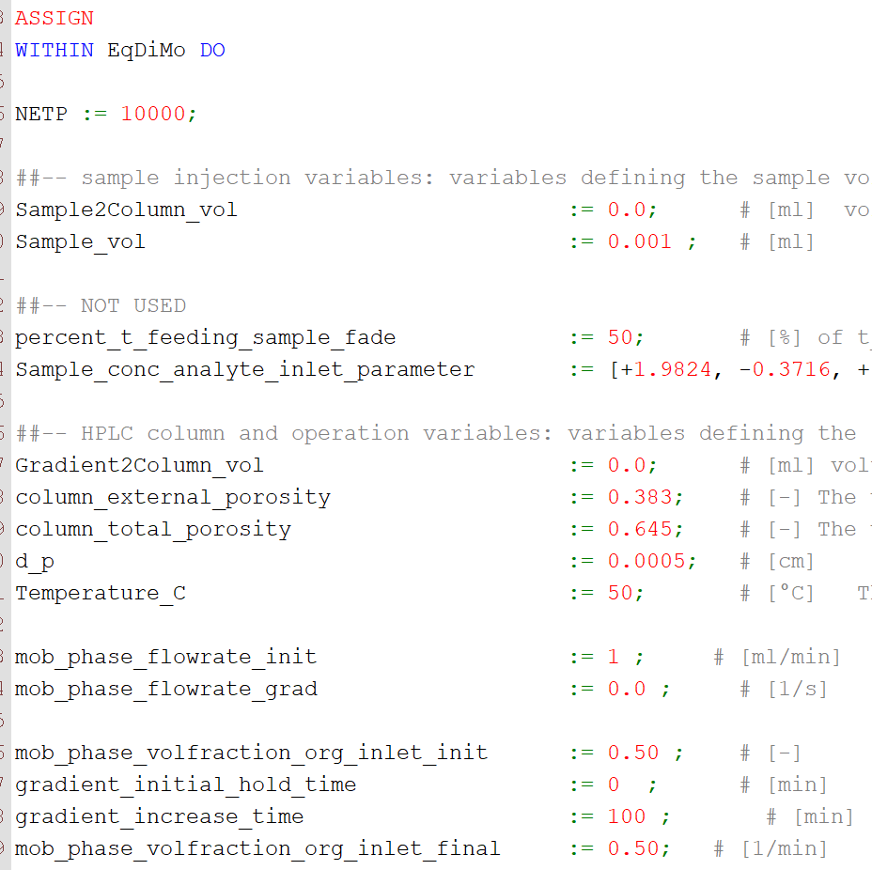
0.0010042585 | 0 | 0 | 0 | 0 | 50 | 0.5
0.0010042585 | 0 | 0 | 0 | 0 | 50 | 0.5
0.05 | 0 | 0 | 0 | 0 | 50 | 0.5
0.1 | 0 | 0 | 0 | 0 | 50 | 0.5
0.15 | 3.80E-44 | -2.50E-44 | 0 | 1.37E-43 | 50 | 0.5
0.2 | 1.38E-35 | -8.58E-36 | 5.35E-38 | 4.72E-35 | 50 | 0.5
0.25 | 4.14E-29 | -2.43E-29 | 1.52E-31 | 1.34E-28 | 50 | 0.5
0.3 | 3.96E-24 | -2.20E-24 | 1.37E-26 | 1.21E-23 | 50 | 0.5
0.35 | 4.73E-20 | -2.47E-20 | 1.54E-22 | 1.36E-19 | 50 | 0.5
0.4 | 1.02E-16 | -4.95E-17 | 3.09E-19 | 2.72E-16 | 50 | 0.5
0.45 | 5.76E-14 | -2.61E-14 | 1.63E-16 | 1.44E-13 | 50 | 0.5
0.5 | 1.15E-11 | -4.82E-12 | 3.00E-14 | 2.65E-11 | 50 | 0.5
0.55 | 9.47E-10 | -3.63E-10 | 2.26E-12 | 2.00E-09 | 50 | 0.5
0.6 | 3.73E-08 | -1.29E-08 | 8.05E-11 | 7.10E-08 | 50 | 0.5
0.65 | 7.73E-07 | -2.39E-07 | 1.49E-09 | 1.32E-06 | 50 | 0.5
0.7 | 9.23E-06 | -2.50E-06 | 1.56E-08 | 1.38E-05 | 50 | 0.5
0.75 | 6.78E-05 | -1.57E-05 | 9.81E-08 | 8.66E-05 | 50 | 0.5
0.8 | 3.24E-04 | -6.25E-05 | 3.89E-07 | 3.44E-04 | 50 | 0.5
0.85 | 0.0010605514 | -1.62E-04 | 1.01E-06 | 8.92E-04 | 50 | 0.5
0.9 | 0.002471457 | -2.79E-04 | 1.74E-06 | 0.001535542 | 50 | 0.5
0.95 | 0.0042587533 | -3.11E-04 | 1.94E-06 | 0.0017126896 | 50 | 0.5
1 | 0.005601094 | -1.87E-04 | 1.17E-06 | 0.0010290408 | 50 | 0.5
1.05 | 0.0057774005 | 3.57E-05 | -2.23E-07 | -1.97E-04 | 50 | 0.5
1.1 | 0.004783072 | 2.18E-04 | -1.36E-06 | -0.0012023309 | 50 | 0.5
1.15 | 0.003241386 | 2.76E-04 | -1.72E-06 | -0.0015199849 | 50 | 0.5
1.2 | 0.0018281955 | 2.28E-04 | -1.42E-06 | -0.001256438 | 50 | 0.5
1.2212553 | 0.0013605038 | 1.93E-04 | -1.20E-06 | -0.0010617897 | 50 | 0.5
1.25 | 8.70E-04 | 1.43E-04 | -8.95E-07 | -7.89E-04 | 50 | 0.5
1.3 | 3.54E-04 | 7.26E-05 | -4.52E-07 | -3.99E-04 | 50 | 0.5
1.35 | 1.24E-04 | 3.05E-05 | -1.90E-07 | -1.68E-04 | 50 | 0.5
1.4 | 3.82E-05 | 1.08E-05 | -6.74E-08 | -5.95E-05 | 50 | 0.5
1.45 | 1.07E-05 | 3.31E-06 | -2.06E-08 | -1.82E-05 | 50 | 0.5
1.5 | 2.90E-06 | 8.97E-07 | -5.60E-09 | -4.94E-06 | 50 | 0.5
1.55 | 9.28E-07 | 2.55E-07 | -1.59E-09 | -1.40E-06 | 50 | 0.5
1.6 | 3.42E-07 | 8.89E-08 | -5.54E-10 | -4.89E-07 | 50 | 0.5
1.65 | 1.79E-07 | 4.05E-08 | -2.52E-10 | -2.23E-07 | 50 | 0.5
1.7 | 1.51E-07 | 3.66E-08 | -2.28E-10 | -2.01E-07 | 50 | 0.5
1.75 | 6.94E-08 | 2.65E-08 | -1.65E-10 | -1.46E-07 | 50 | 0.5
1.8 | 6.79E-09 | 1.02E-10 | -6.38E-13 | -5.65E-10 | 50 | 0.5
1.85 | 3.49E-08 | -6.80E-09 | 4.24E-11 | 3.74E-08 | 50 | 0.5
1.9 | 8.63E-08 | 1.07E-08 | -6.66E-11 | -5.88E-08 | 50 | 0.5
1.95 | 9.91E-08 | 3.19E-08 | -1.99E-10 | -1.75E-07 | 50 | 0.5
2 | 2.72E-08 | 2.75E-08 | -1.72E-10 | -1.51E-07 | 50 | 0.5
2.05 | 1.83E-09 | -1.95E-09 | 1.22E-11 | 1.07E-08 | 50 | 0.5
2.1 | 3.89E-08 | -1.67E-08 | 1.04E-10 | 9.22E-08 | 50 | 0.5
2.15 | 5.96E-08 | -6.79E-09 | 4.23E-11 | 3.73E-08 | 50 | 0.5
2.2 | 5.25E-08 | 9.72E-09 | -6.06E-11 | -5.35E-08 | 50 | 0.5
2.2212553 | 2.19E-08 | 1.53E-08 | -9.51E-11 | -8.39E-08 | 50 | 0.5

Experiment 8
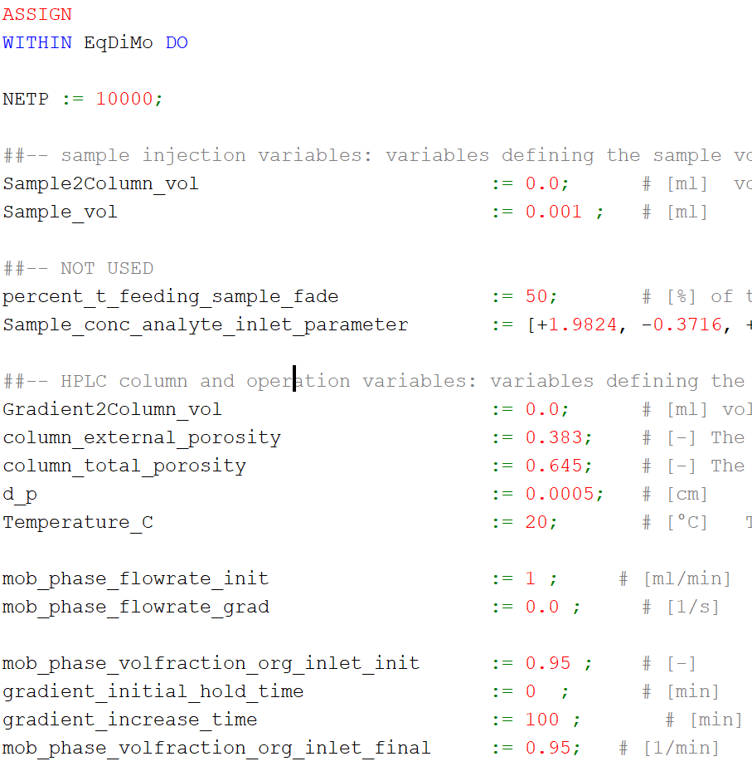
Time | Conc. At end | Sens. W.r.t. a0 | Sens. W.r.t. CT | Sens w.r.t. Ss | Temperature | Phi
0 | 0 | 0 | 0 | 0 | 20 | 0.95
9.87E-06 | 0 | 0 | 0 | 0 | 20 | 0.95
9.87E-06 | 0 | 0 | 0 | 0 | 20 | 0.95
0.0010023804 | 0 | 0 | 0 | 0 | 20 | 0.95
0.0010023804 | 0 | 0 | 0 | 0 | 20 | 0.95
0.05 | 0 | 0 | 0 | 0 | 20 | 0.95
0.1 | 0 | 0 | 0 | 0 | 20 | 0.95
0.15 | 3.10E-41 | -8.81E-43 | 2.80E-45 | 9.22E-42 | 20 | 0.95
0.2 | 1.01E-32 | -2.70E-34 | 7.43E-37 | 2.83E-33 | 20 | 0.95
0.25 | 1.90E-26 | -4.75E-28 | 1.30E-30 | 4.96E-27 | 20 | 0.95
0.3 | 1.52E-21 | -3.56E-23 | 9.78E-26 | 3.72E-22 | 20 | 0.95
0.35 | 1.23E-17 | -2.67E-19 | 7.35E-22 | 2.79E-18 | 20 | 0.95
0.4 | 1.80E-14 | -3.64E-16 | 1.00E-18 | 3.80E-15 | 20 | 0.95
0.45 | 7.19E-12 | -1.33E-13 | 3.65E-16 | 1.39E-12 | 20 | 0.95
0.5 | 9.58E-10 | -1.61E-11 | 4.42E-14 | 1.68E-10 | 20 | 0.95
0.55 | 5.26E-08 | -7.91E-10 | 2.17E-12 | 8.27E-09 | 20 | 0.95
0.6 | 1.35E-06 | -1.79E-08 | 4.92E-11 | 1.87E-07 | 20 | 0.95
0.65 | 1.81E-05 | -2.07E-07 | 5.68E-10 | 2.16E-06 | 20 | 0.95
0.7 | 1.38E-04 | -1.32E-06 | 3.63E-09 | 1.38E-05 | 20 | 0.95
0.75 | 6.44E-04 | -4.92E-06 | 1.35E-08 | 5.14E-05 | 20 | 0.95
0.8 | 0.0019446404 | -1.11E-05 | 3.06E-08 | 1.16E-04 | 20 | 0.95
0.85 | 0.0040039695 | -1.52E-05 | 4.18E-08 | 1.59E-04 | 20 | 0.95
0.9 | 0.0058782417 | -1.11E-05 | 3.04E-08 | 1.16E-04 | 20 | 0.95
0.95 | 0.0063905516 | 1.40E-07 | -3.86E-10 | -1.46E-06 | 20 | 0.95
1 | 0.005311119 | 1.02E-05 | -2.81E-08 | -1.07E-04 | 20 | 0.95
1.05 | 0.0034646583 | 1.33E-05 | -3.64E-08 | -1.39E-04 | 20 | 0.95
1.1 | 0.0018133031 | 1.04E-05 | -2.86E-08 | -1.09E-04 | 20 | 0.95
1.1125833 | 0.0014913493 | 9.28E-06 | -2.55E-08 | -9.70E-05 | 20 | 0.95
1.15 | 7.75E-04 | 5.95E-06 | -1.63E-08 | -6.22E-05 | 20 | 0.95
1.2 | 2.74E-04 | 2.64E-06 | -7.26E-09 | -2.76E-05 | 20 | 0.95
1.25 | 8.17E-05 | 9.43E-07 | -2.59E-09 | -9.86E-06 | 20 | 0.95
1.3 | 2.10E-05 | 2.76E-07 | -7.58E-10 | -2.88E-06 | 20 | 0.95
1.35 | 5.08E-06 | 6.83E-08 | -1.88E-10 | -7.14E-07 | 20 | 0.95
1.4 | 1.43E-06 | 1.71E-08 | -4.71E-11 | -1.79E-07 | 20 | 0.95
1.45 | 4.95E-07 | 5.52E-09 | -1.52E-11 | -5.78E-08 | 20 | 0.95
1.5 | 3.28E-07 | 2.64E-09 | -7.25E-12 | -2.76E-08 | 20 | 0.95
1.55 | 2.04E-07 | 2.30E-09 | -6.32E-12 | -2.40E-08 | 20 | 0.95
1.6 | 3.09E-09 | 1.01E-09 | -2.79E-12 | -1.06E-08 | 20 | 0.95
1.65 | -7.16E-09 | -1.29E-09 | 3.54E-12 | 1.35E-08 | 20 | 0.95
1.7 | 1.43E-07 | -1.58E-09 | 4.35E-12 | 1.65E-08 | 20 | 0.95
1.75 | 1.88E-07 | 6.34E-10 | -1.74E-12 | -6.63E-09 | 20 | 0.95
1.8 | 4.30E-08 | 1.89E-09 | -5.19E-12 | -1.97E-08 | 20 | 0.95
1.85 | -7.14E-08 | 2.92E-10 | -8.04E-13 | -3.05E-09 | 20 | 0.95
1.9 | -2.37E-08 | -1.60E-09 | 4.39E-12 | 1.67E-08 | 20 | 0.95
1.95 | 5.05E-08 | -2.07E-09 | 5.70E-12 | 2.17E-08 | 20 | 0.95
2 | 9.56E-08 | -8.27E-10 | 2.28E-12 | 8.65E-09 | 20 | 0.95
2.05 | 4.24E-08 | 7.58E-10 | -2.08E-12 | -7.93E-09 | 20 | 0.95
2.1 | -3.51E-08 | 7.39E-10 | -2.03E-12 | -7.73E-09 | 20 | 0.95
2.1125834 | -4.42E-08 | 4.72E-10 | -1.30E-12 | -4.93E-09 | 20 | 0.95

Experiment 9
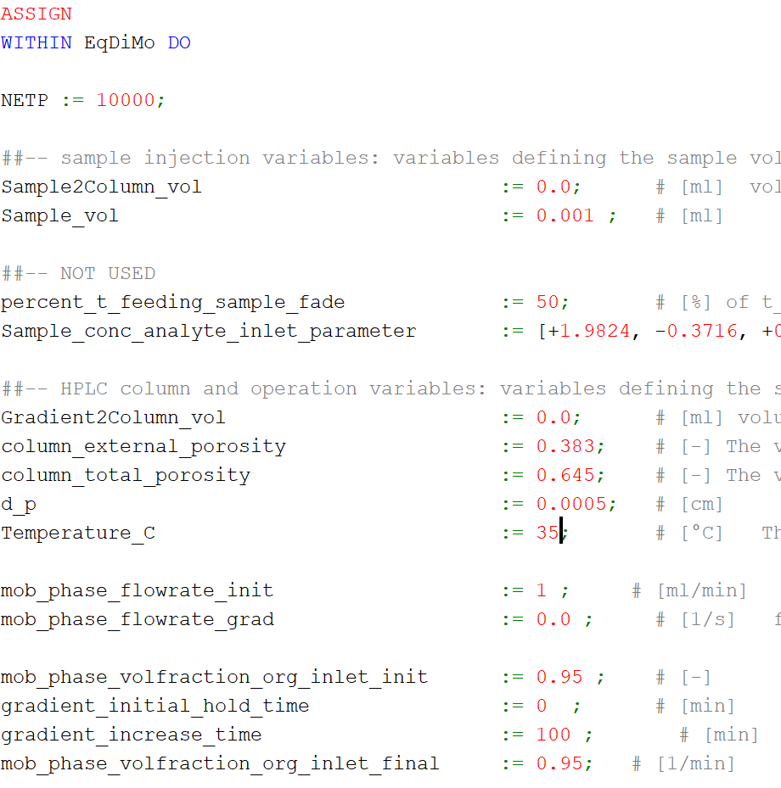
Time | Conc. At end | Sens. W.r.t. a0 | Sens. W.r.t. CT | Sens w.r.t. Ss | Temperature | Phi
0 | 0 | 0 | 0 | 0 | 35 | 0.95
9.87E-06 | 0 | 0 | 0 | 0 | 35 | 0.95
9.87E-06 | 0 | 0 | 0 | 0 | 35 | 0.95
1.00E-03 | 0 | 0 | 0 | 0 | 35 | 0.95
0.001001899 | 0 | 0 | 0 | 0 | 35 | 0.95
0.05 | 0 | 0 | 0 | 0 | 35 | 0.95
0.1 | 0 | 0 | 0 | 0 | 35 | 0.95
0.15 | 3.26E-41 | -7.60E-43 | 2.80E-45 | 7.94E-42 | 35 | 0.95
0.2 | 1.07E-32 | -2.33E-34 | 1.07E-36 | 2.44E-33 | 35 | 0.95
0.25 | 1.99E-26 | -4.09E-28 | 1.87E-30 | 4.28E-27 | 35 | 0.95
0.3 | 1.59E-21 | -3.04E-23 | 1.39E-25 | 3.18E-22 | 35 | 0.95
0.35 | 1.28E-17 | -2.29E-19 | 1.05E-21 | 2.39E-18 | 35 | 0.95
0.4 | 1.87E-14 | -3.10E-16 | 1.42E-18 | 3.24E-15 | 35 | 0.95
0.45 | 7.45E-12 | -1.13E-13 | 5.17E-16 | 1.18E-12 | 35 | 0.95
0.5 | 9.90E-10 | -1.36E-11 | 6.23E-14 | 1.42E-10 | 35 | 0.95
0.55 | 5.41E-08 | -6.67E-10 | 3.05E-12 | 6.97E-09 | 35 | 0.95
0.6 | 1.38E-06 | -1.50E-08 | 6.88E-11 | 1.57E-07 | 35 | 0.95
0.65 | 1.85E-05 | -1.73E-07 | 7.92E-10 | 1.81E-06 | 35 | 0.95
0.7 | 1.41E-04 | -1.10E-06 | 5.03E-09 | 1.15E-05 | 35 | 0.95
0.75 | 6.54E-04 | -4.08E-06 | 1.87E-08 | 4.27E-05 | 35 | 0.95
0.8 | 0.0019659018 | -9.18E-06 | 4.20E-08 | 9.60E-05 | 35 | 0.95
0.85 | 0.0040323013 | -1.25E-05 | 5.71E-08 | 1.30E-04 | 35 | 0.95
0.9 | 0.0058973287 | -8.99E-06 | 4.11E-08 | 9.40E-05 | 35 | 0.95
0.95 | 0.0063870307 | 2.54E-07 | -1.16E-09 | -2.65E-06 | 35 | 0.95
1 | 0.0052881446 | 8.46E-06 | -3.87E-08 | -8.84E-05 | 35 | 0.95
1.05 | 0.0034366318 | 1.09E-05 | -4.97E-08 | -1.14E-04 | 35 | 0.95
1.1 | 0.0017917993 | 8.48E-06 | -3.88E-08 | -8.86E-05 | 35 | 0.95
1.1117662 | 0.001491717 | 7.61E-06 | -3.48E-08 | -7.96E-05 | 35 | 0.95
1.15 | 7.63E-04 | 4.82E-06 | -2.21E-08 | -5.04E-05 | 35 | 0.95
1.2 | 2.69E-04 | 2.13E-06 | -9.76E-09 | -2.23E-05 | 35 | 0.95
1.25 | 7.98E-05 | 7.57E-07 | -3.47E-09 | -7.92E-06 | 35 | 0.95
1.3 | 2.05E-05 | 2.21E-07 | -1.01E-09 | -2.31E-06 | 35 | 0.95
1.35 | 4.94E-06 | 5.44E-08 | -2.49E-10 | -5.69E-07 | 35 | 0.95
1.4 | 1.40E-06 | 1.37E-08 | -6.26E-11 | -1.43E-07 | 35 | 0.95
1.45 | 4.86E-07 | 4.44E-09 | -2.03E-11 | -4.64E-08 | 35 | 0.95
1.5 | 3.25E-07 | 2.14E-09 | -9.80E-12 | -2.24E-08 | 35 | 0.95
1.55 | 2.00E-07 | 1.87E-09 | -8.57E-12 | -1.96E-08 | 35 | 0.95
1.6 | 1.12E-09 | 8.09E-10 | -3.70E-12 | -8.45E-09 | 35 | 0.95
1.65 | -5.60E-09 | -1.08E-09 | 4.93E-12 | 1.13E-08 | 35 | 0.95
1.7 | 1.45E-07 | -1.28E-09 | 5.87E-12 | 1.34E-08 | 35 | 0.95
1.75 | 1.86E-07 | 5.57E-10 | -2.55E-12 | -5.82E-09 | 35 | 0.95
1.8 | 3.90E-08 | 1.55E-09 | -7.10E-12 | -1.62E-08 | 35 | 0.95
1.85 | -7.26E-08 | 2.02E-10 | -9.23E-13 | -2.11E-09 | 35 | 0.95
1.9 | -2.14E-08 | -1.34E-09 | 6.14E-12 | 1.40E-08 | 35 | 0.95
1.95 | 5.47E-08 | -1.68E-09 | 7.67E-12 | 1.75E-08 | 35 | 0.95
2 | 9.69E-08 | -6.39E-10 | 2.92E-12 | 6.68E-09 | 35 | 0.95
2.05 | 4.09E-08 | 6.50E-10 | -2.98E-12 | -6.80E-09 | 35 | 0.95
2.1 | -3.71E-08 | 5.93E-10 | -2.71E-12 | -6.20E-09 | 35 | 0.95
2.111766 | -4.50E-08 | 3.82E-10 | -1.75E-12 | -4.00E-09 | 35 | 0.95

Experiment 10
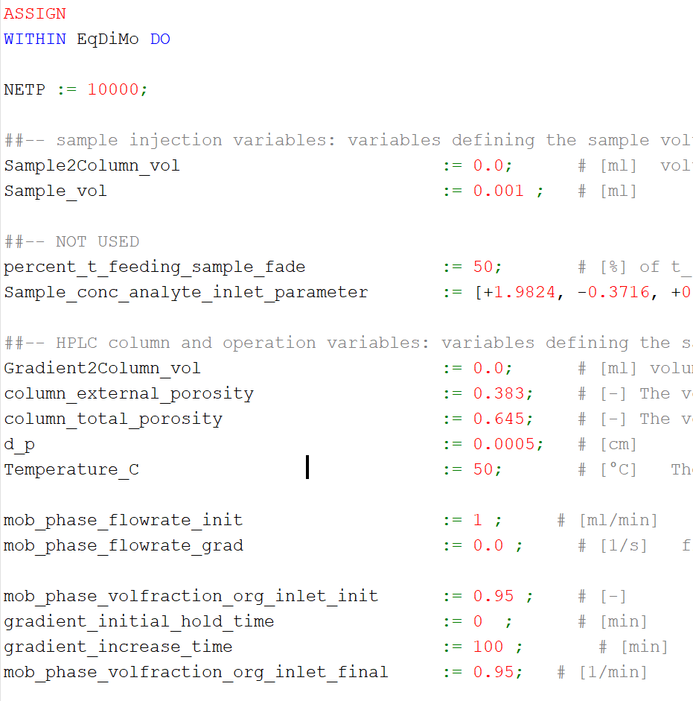
Time | Conc. At end | Sens. W.r.t. a0 | Sens. W.r.t. CT | Sens w.r.t. Ss | Temperature | Phi
0 | 0 | 0 | 0 | 0 | 50 | 0.95
9.87E-06 | 0 | 0 | 0 | 0 | 50 | 0.95
9.87E-06 | 0 | 0 | 0 | 0 | 50 | 0.95
0.0010015371 | 0 | 0 | 0 | 0 | 50 | 0.95
0.0010015371 | 0 | 0 | 0 | 0 | 50 | 0.95
0.05 | 0 | 0 | 0 | 0 | 50 | 0.95
0.1 | 0 | 0 | 0 | 0 | 50 | 0.95
0.15 | 3.38E-41 | -6.59E-43 | 4.20E-45 | 6.88E-42 | 50 | 0.95
0.2 | 1.11E-32 | -2.02E-34 | 1.26E-36 | 2.11E-33 | 50 | 0.95
0.25 | 2.07E-26 | -3.54E-28 | 2.21E-30 | 3.70E-27 | 50 | 0.95
0.3 | 1.64E-21 | -2.62E-23 | 1.64E-25 | 2.74E-22 | 50 | 0.95
0.35 | 1.32E-17 | -1.97E-19 | 1.23E-21 | 2.06E-18 | 50 | 0.95
0.4 | 1.93E-14 | -2.66E-16 | 1.66E-18 | 2.78E-15 | 50 | 0.95
0.45 | 7.66E-12 | -9.69E-14 | 6.04E-16 | 1.01E-12 | 50 | 0.95
0.5 | 1.01E-09 | -1.17E-11 | 7.27E-14 | 1.22E-10 | 50 | 0.95
0.55 | 5.53E-08 | -5.69E-10 | 3.55E-12 | 5.95E-09 | 50 | 0.95
0.6 | 1.41E-06 | -1.28E-08 | 7.97E-11 | 1.34E-07 | 50 | 0.95
0.65 | 1.88E-05 | -1.47E-07 | 9.15E-10 | 1.53E-06 | 50 | 0.95
0.7 | 1.43E-04 | -9.29E-07 | 5.80E-09 | 9.72E-06 | 50 | 0.95
0.75 | 6.61E-04 | -3.44E-06 | 2.14E-08 | 3.60E-05 | 50 | 0.95
0.8 | 0.0019819494 | -7.71E-06 | 4.80E-08 | 8.06E-05 | 50 | 0.95
0.85 | 0.004053563 | -1.04E-05 | 6.50E-08 | 1.09E-04 | 50 | 0.95
0.9 | 0.0059114927 | -7.45E-06 | 4.64E-08 | 7.79E-05 | 50 | 0.95
0.95 | 0.006384163 | 2.99E-07 | -1.87E-09 | -3.12E-06 | 50 | 0.95
1 | 0.0052707717 | 7.11E-06 | -4.44E-08 | -7.44E-05 | 50 | 0.95
1.05 | 0.0034156137 | 9.07E-06 | -5.65E-08 | -9.48E-05 | 50 | 0.95
1.1 | 0.0017757555 | 7.04E-06 | -4.39E-08 | -7.36E-05 | 50 | 0.95
1.1111473 | 0.0014921374 | 6.36E-06 | -3.96E-08 | -6.65E-05 | 50 | 0.95
1.15 | 7.54E-04 | 3.99E-06 | -2.49E-08 | -4.17E-05 | 50 | 0.95
1.2 | 2.65E-04 | 1.76E-06 | -1.10E-08 | -1.84E-05 | 50 | 0.95
1.25 | 7.84E-05 | 6.22E-07 | -3.88E-09 | -6.51E-06 | 50 | 0.95
1.3 | 2.01E-05 | 1.81E-07 | -1.13E-09 | -1.89E-06 | 50 | 0.95
1.35 | 4.84E-06 | 4.44E-08 | -2.77E-10 | -4.65E-07 | 50 | 0.95
1.4 | 1.38E-06 | 1.12E-08 | -6.98E-11 | -1.17E-07 | 50 | 0.95
1.45 | 4.80E-07 | 3.66E-09 | -2.28E-11 | -3.82E-08 | 50 | 0.95
1.5 | 3.23E-07 | 1.77E-09 | -1.11E-11 | -1.85E-08 | 50 | 0.95
1.55 | 1.97E-07 | 1.56E-09 | -9.70E-12 | -1.63E-08 | 50 | 0.95
1.6 | -4.09E-10 | 6.60E-10 | -4.11E-12 | -6.90E-09 | 50 | 0.95
1.65 | -4.34E-09 | -9.14E-10 | 5.70E-12 | 9.56E-09 | 50 | 0.95
1.7 | 1.47E-07 | -1.06E-09 | 6.61E-12 | 1.11E-08 | 50 | 0.95
1.75 | 1.85E-07 | 4.89E-10 | -3.05E-12 | -5.11E-09 | 50 | 0.95
1.8 | 3.59E-08 | 1.30E-09 | -8.08E-12 | -1.36E-08 | 50 | 0.95
1.85 | -7.34E-08 | 1.44E-10 | -8.99E-13 | -1.51E-09 | 50 | 0.95
1.9 | -1.98E-08 | -1.14E-09 | 7.13E-12 | 1.20E-08 | 50 | 0.95
1.95 | 5.77E-08 | -1.38E-09 | 8.61E-12 | 1.44E-08 | 50 | 0.95
2 | 9.76E-08 | -5.08E-10 | 3.17E-12 | 5.31E-09 | 50 | 0.95
2.05 | 3.97E-08 | 5.60E-10 | -3.49E-12 | -5.85E-09 | 50 | 0.95
2.1 | -3.85E-08 | 4.85E-10 | -3.03E-12 | -5.07E-09 | 50 | 0.95
2.1111472 | -4.55E-08 | 3.16E-10 | -1.97E-12 | -3.30E-09 | 50 | 0.95

