Handy Dictionary
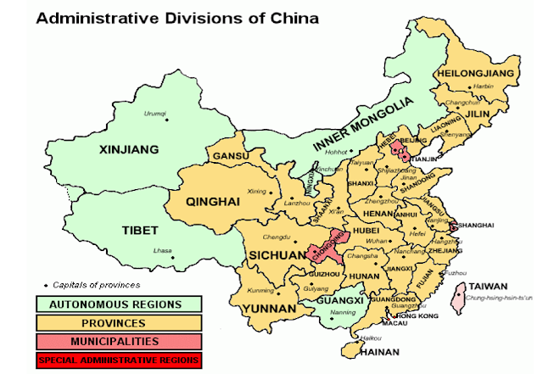
IATA Code | Country | Sea Port?
ADD | Ethopia
AKL | New Zealand | 1 | Auckland | NZAKL
AMS | Netherlands
ANC | USA |  | Alaska
BAH | Bahrain
BKK | Thailand
BLR | India | 1 | Bangalore
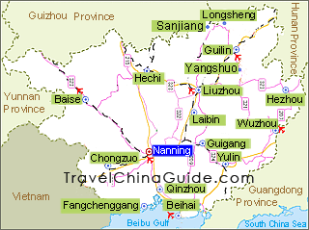
BOM | India | 1 | Mumbai | INNSA
BPN | Indonesia
BRU | Belgium
BTH | Indonesia
BWN | Brunei
CAN | China | 1 | Guangzhou
CGK | Indonesia
CKG | China | 1 | Chongqing
CRK | Philippines
CTU | China | 1 | Chengdu
CVG | USA |  | Cincinnati
DFW | USA
DOH | Qatar
DRW | Australia | 1 | Darwin
DWC | United Arab Emirates
FRA | Germany |  | Frankfurt
GYD | Azerbaijan
HAK | China | 1 | Haikou
HAN | Vietnam
HGH | China | 1 | Hangzhou
HKG | Hong Kong
HKT | Thailand |  | Phuket
HNL | USA |  | Hawaii
ICN | South Korea
IST | Turkey
JNB | South Africa
KIX | Japan
KNO | Indonesia |  | Kualanamu
KUL | Malaysia |  | Kuala Lumpur
LAX | USA
LEJ | Germany
LHR | United Kingdom
LUX | Luxembourg
MAA | India | 1 | Chennai
MEL | Australia | 1 | Melbourne | AUMEL
MNL | Philippines
NBO | Kenya
NKG | China | 1 | Nanjing
NNG | China | 1 | Nanning | CNQZH
NRT | Japan
PEK | China | 1 | Beijing
PEN | Malaysia
PVG | China | 1 | Shanghai
SDF | USA
SGN | Vietnam
SRG | Indonesia
SUB | Indonesia
SYD | Australia | 1 | Sydney
SZB | Malaysia
SZX | China | 1 | Shenzhen (Guangzhou)
TPE | Taiwan
WUH | China | 1 | Wuhan

SIN | Singapore | 1 | SGSIN

SIN | NNG | 3 hours
SIN | BOM | 3 hours
SIN | MEL | 10 hours
SIN | AKL | 13 hours

