Sheet1
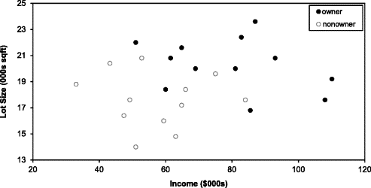
C4.5 |  |  |  | Entropy
X2
X1 | X2 | Y
2.77 | 1.78 | 0
1.73 | 1.17 | 0
3.68 | 2.81 | 0
3.96 | 2.62 | 0
3.00 | 2.21 | 0
Y
7.50 | 3.16 | 1
9.00 | 3.34 | 1
7.44 | 0.48 | 1
10.12 | 3.23 | 1
6.64 | 3.32 | 1

X1
Split #1
2.25 | (X1)

X1 | Y | Group (LEFT/RIGHT)
2.77 | 0 | RIGHT
1.73 | 0 | LEFT
3.68 | 0 | RIGHT
3.96 | 0 | RIGHT
3.00 | 0 | RIGHT
7.50 | 1 | RIGHT
9.00 | 1 | RIGHT
7.44 | 1 | RIGHT
10.12 | 1 | RIGHT
6.64 | 1 | RIGHT

Class Counts
 | LEFT | RIGHT | Parent
Y=0 | 1 | 4 | 5
Y=1 | 0 | 5 | 5
Counts | 1 | 9 | 10

Entropy
 | LEFT | RIGHT | Entropy LEFT | Entropy RIGHT | Entropy TOTAL
Y=0 | 1.00 | 0.44 | 0.00 | 0.99 | 0.99 | unweighted
Y=1 | 0.00 | 0.56 |  |  |  | weighted
Weight | 0.10 | 0.90

Example:
 | Lot size, income, and ownership of a riding mower for 24 households
 |  |  |  | Household Number | Income ($000s) | Lot Size (000s ft2) | Ownership of Riding Mower
 |  |  |  | 1 | 60 | 18.4 | Owner
 |  |  |  | 2 | 85.5 | 16.8 | Owner
 |  |  |  | 3 | 64.8 | 21.6 | Owner
 |  |  |  | 4 | 61.5 | 20.8 | Owner
 |  |  |  | 5 | 87 | 23.6 | Owner
 |  |  |  | 6 | 110.1 | 19.2 | Owner
 |  |  |  | 7 | 108 | 17.6 | Owner
 |  |  |  | 8 | 82.8 | 22.4 | Owner
 |  |  |  | 9 | 69 | 20 | Owner
 | Split 1: | Income < 59.7 |  | 10 | 93 | 20.8 | Owner
 | Split 2: | Lot Size ≥ 21.4 |  | 11 | 51 | 22 | Owner
 | Split 3: |  |  | 12 | 81 | 20 | Owner
 |  |  |  | 13 | 75 | 19.6 | Nonowner
 | Split 4: |  |  | 14 | 52.8 | 20.8 | Nonowner
 |  |  |  | 15 | 64.8 | 17.2 | Nonowner
 | Split 5: |  |  | 16 | 43.2 | 20.4 | Nonowner
 |  |  |  | 17 | 84 | 17.6 | Nonowner
 |  |  |  | 18 | 49.2 | 17.6 | Nonowner
 |  |  |  | 19 | 59.4 | 16 | Nonowner
 |  |  |  | 20 | 66 | 18.4 | Nonowner
 |  |  |  | 21 | 47.4 | 16.4 | Nonowner
 |  |  |  | 22 | 33 | 18.8 | Nonowner
 |  |  |  | 23 | 51 | 14 | Nonowner
 |  |  |  | 24 | 63 | 14.8 | Nonowner

