Sheet1
 | TS9 | DS-1W
DRIVE(DIST)=0,TONE=0,LEVEL=0 | 0.0017372115984 | 0.0013517422157
DRIVE(DIST)=0,TONE=0,LEVEL=5 | 0.033052265344 | 0.071112917889
DRIVE(DIST)=0,TONE=0,LEVEL=10 | 0.072189041814 | 0.18694510098
DRIVE(DIST)=0,TONE=5,LEVEL=5 | 0.058450890515 | 0.15527461764
DRIVE(DIST)=0,TONE=5,LEVEL=10 | 0.12999139606 | 0.38015027899
DRIVE(DIST)=0,TONE=10,LEVEL=5 | 0.15413689792 | 0.27829405651
DRIVE(DIST)=0,TONE=10,LEVEL=10 | 0.33985126421 | 0.73837330113
DRIVE(DIST)=5,TONE=0,LEVEL=5 | 0.040397689462 | 0.073609033905
DRIVE(DIST)=5,TONE=0,LEVEL=10 | 0.088388909658 | 0.19753192076
DRIVE(DIST)=5,TONE=5,LEVEL=5 | 0.070945387141 | 0.18074538545
DRIVE(DIST)=5,TONE=5,LEVEL=10 | 0.15691711926 | 0.44608036764
DRIVE(DIST)=5,TONE=10,LEVEL=5 | 0.19488505609 | 0.32973060933
DRIVE(DIST)=5,TONE=10,LEVEL=10 | 0.42965204517 | 0.86206723681
DRIVE(DIST)=10,TONE=0,LEVEL=5 | 0.042858262259 | 0.082519735379
DRIVE(DIST)=10,TONE=0,LEVEL=10 | 0.094112199953 | 0.20724394181
DRIVE(DIST)=10,TONE=5,LEVEL=5 | 0.07303531587 | 0.20228745636
DRIVE(DIST)=10,TONE=5,LEVEL=10 | 0.16578521344 | 0.50327290973
DRIVE(DIST)=10,TONE=10,LEVEL=5 | 0.21107065156 | 0.3686639547
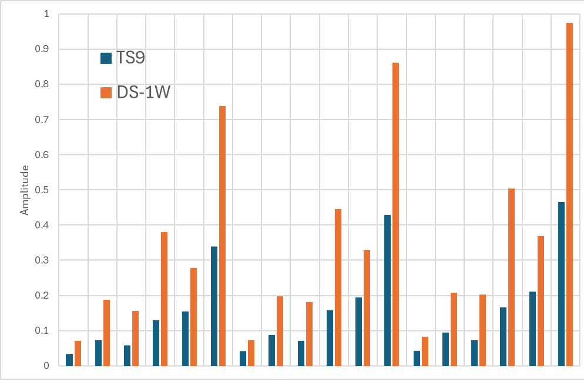
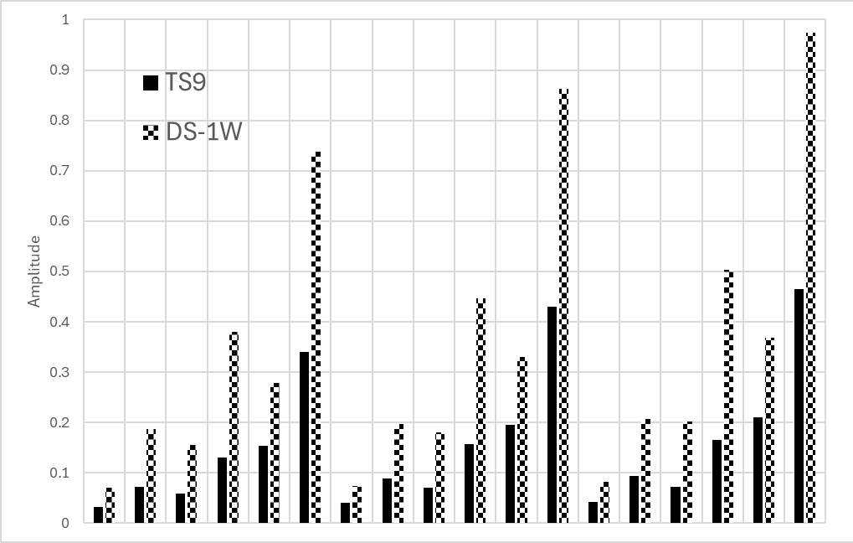
DRIVE(DIST)=10,TONE=10,LEVEL=10 | 0.46526769378 | 0.9741023189

