Home
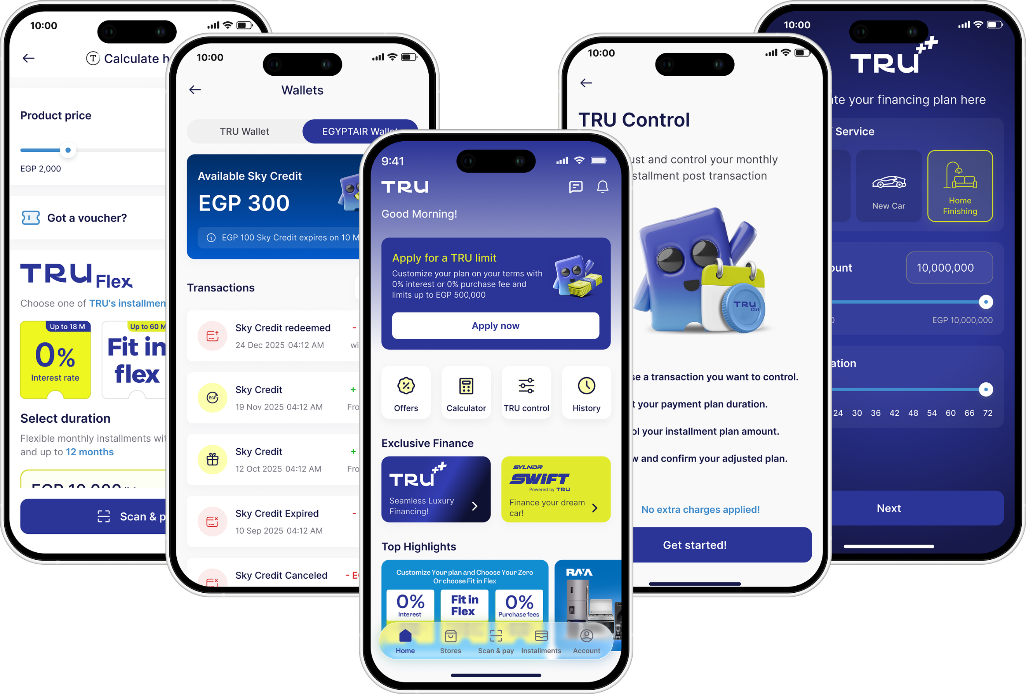

Main Page
Category & Product Page
User & Merchant Page
Payment & Device Type Page
Analysis 1 Page
Analysis 2 Page

Main Dashboard
# of Transactions by Transaction Status
 | Total
Successful | 4755
Failed | 146
Pending | 99
# of Transactions by Device Type
 | Total
Android | 2995
iOS | 1526
Web | 479
Total Revenue by Months
 | Total
Jan | $2,006,365
Feb | $1,980,360
Mar | $2,149,380
Apr | $1,945,393
May | $2,146,195
Jun | $2,014,348
Jul | $2,189,262
Aug | $2,111,020
Sep | $1,938,586
Oct | $2,035,932
Nov | $1,997,644
Dec | $2,145,680
Total Revenue by Location
 | Total
Urban | $17,159,633
Suburban | $4,988,365
Rural | $2,512,166
# of Transactions by Payment Method
 | Total
Bank Transfer | 1045
Debit Card | 1022
UPI | 999
Credit Card | 992
Wallet Balance | 942
$253.3K
Total
Cashback
$125.9K
Total
Fee
$24.7M
Total
Revenue
5K
# of
Transactions
Category & Product Page
User & Merchant Page
Payment & Device Type Page
Analysis 1 Page
Analysis 2 Page

Category & Product Dashboard
# of Transactions by Categories
 | # of Transactions
Streaming | 299
Education | 286
Hotel | 274
Water | 273
Movie | 272
Food | 259
Taxi | 256
Electricity | 252
Rent | 251
Gas | 250
Total Revenue by Categories
 | Total Revenue
Streaming | $1,454,863
Water | $1,393,431
Gas | $1,355,832
Education | $1,342,392
Movie | $1,329,755
Hotel | $1,312,840
Food | $1,310,115
Taxi | $1,299,937
Rent | $1,251,553
Internet | $1,241,431
# of Transactions by Products
 | # of Transactions
Python Programming | 80
Basic Plan | 74
Standard Plan | 66
3 Idiots | 64
Commercial Property | 63
Deluxe Room | 62
Vegetable Biryani | 61
Laptop Backpack | 60
City Ride | 60
Borewell Charges | 59
Total Revenue by Products
 | Total Revenue
Basic Plan | $377,879
Python Programming | $367,190
Commercial Property | $332,384
Industrial Gas | $330,552
Share Ride | $314,881
Legendary Weapon | $311,550
City Ride | $311,473
Standard Plan | $307,105
Vegetable Biryani | $300,414
Commercial Space | $299,531
20
# of
Categories
100
# of
Producs
User & Merchant Page
Payment & Device Type Page
Analysis 1 Page
Analysis 2 Page
Main Page

User & Merchant Dashboard
Top 10 Users by Total Revenue
 | Total
USER_04724 | $29,186
USER_08946 | $28,756
USER_03945 | $25,033
USER_05836 | $24,936
USER_05744 | $24,862
USER_08775 | $24,675
USER_08584 | $23,724
USER_03888 | $23,656
USER_00949 | $23,604
USER_05280 | $23,430
Top 10 Users by Loyalty Points
 | Total
USER_08584 | 3109
USER_08946 | 2760
USER_05836 | 2572
USER_07771 | 2450
USER_04319 | 2438
USER_08354 | 2339
USER_08775 | 2331
USER_05831 | 2311
USER_09328 | 2291
USER_06445 | 2283
Top 10 Merchants by Total Revenue
 | Total
Airbnb | $547,502
Flipkart | $455,691
MakeMyTrip | $436,158
Bangalore Water Supply | $336,076
Netflix | $333,273
Coursera | $326,816
Cinepolis | $320,477
Uber Eats | $314,522
Carnival Cinemas | $313,016
Hotstar | $312,615
# of Users by Months
 | Total
Jan | 399
Feb | 387
Mar | 415
Apr | 382
May | 434
Jun | 409
Jul | 420
Aug | 424
Sep | 408
Oct | 409
Nov | 395
Dec | 419
# of Transactions by Months
 | Total
Jan | 405
Feb | 394
Mar | 426
Apr | 389
May | 447
Jun | 417
Jul | 429
Aug | 427
Sep | 418
Oct | 420
Nov | 400
Dec | 428
97
# of
Merchants
3932
# of
Users
Main Page
Payment & Device Type Page
Analysis 1 Page
Analysis 2 Page
Category & Product Page

Method & D.Type Dashboards
# of Users by Payment Method
 | Total
Debit Card | 817
Bank Transfer | 814
UPI | 786
Credit Card | 783
Wallet Balance | 732
# of Transactions by Payment Method
 | Total
Bank Transfer | 1045
Debit Card | 1022
UPI | 999
Credit Card | 992
Wallet Balance | 942
Total Revenue by Payment Method
 | Total
Bank Transfer | $5,191,536
Debit Card | $5,133,610
UPI | $4,872,313
Credit Card | $4,863,563
Wallet Balance | $4,599,141
# of Users by Device Type
 | Total
Android | 2356
iOS | 1200
Web | 377
Total Revenue by Device Type
 | Total
Android | $14,962,298
iOS | $7,355,829
Web | $2,342,037
Analysis 1 Page
Analysis 2 Page
Main Page
Category & Product Page
User & Merchant Page

Analytics1 Dashboard
1.02%
Cashback
Ratio
0.51%
Fee
Ratio
Analysis 2 Page
Main Page
Category & Product Page
User & Merchant Page
Payment & Device Type Page

Analytics2 Dashboard
Main Page
Category & Product Page
User & Merchant Page
Payment & Device Type Page
Analysis 1 Page

