Meas 1 STAT tab
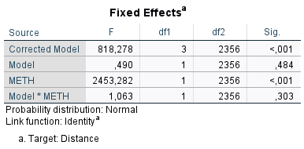
Distance

Mixed model |  |  | Bonferroni
VPA model | F(1,2356)=0.49 p=0.484 | n.s. | N/A
METH | F(1,2356)=2453.28 p<0.001 | *** METH>SAL | N/A
VPA*METH | F(1,2356)=1.06 p=0.303 | n.s. | N/A

No rearings
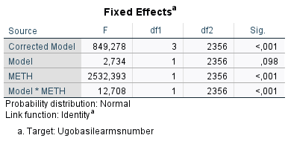
Mixed model |  |  | Bonferroni
VPA model | F(1,2356)=2.73 p=0.098 | n.s. | N/A
METH | F(1,2356)=2532.39 p<0.001 | *** METH>SAL | N/A
VPA*METH | F(1,2356)=12,71 p<0.001 | *** | VPA-METH>CTR-METH p<0.001

Time rearings
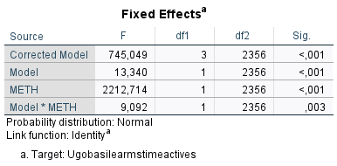
Mixed model |  |  | Bonferroni
VPA model | F(1,2356)=13.34 p<0.001 | *** CTR>VPA | N/A
METH | F(1,2356)=2212.71 p<0.001 | *** METH>SAL | N/A
VPA*METH | F(1,2356)=9.09 p=0.003 | ** | CTR-SAL>VPA-SAL p<0.001

 |  |  |  | 0

Meas 2 STAT tab
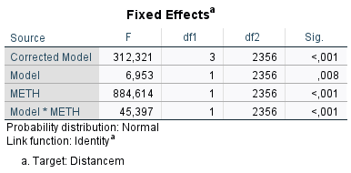
Distance

Mixed model |  |  | Bonferroni
VPA model | F(1,2356)=6.95 p=0.008 | ** VPA>CTR | N/A
METH | F(1,2356)=884.61 p<0.001 | *** METH>SAL | N/A
VPA*METH | F(1,2356)=45.40 p<0.001 | *** | VPA-METH>CTR-METH p<0.001 CTR-SAL>VPA-SAL p=0.004

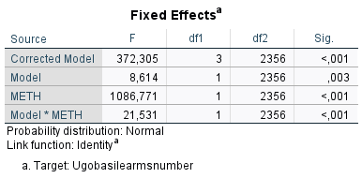
No rearings

Mixed model |  |  | Bonferroni
VPA model | F(1,2356)=8.61 p=0.003 | ** VPA>CTR | N/A
METH | F(1,2356)=1086.77 p<0.001 | *** METH>SAL | N/A
VPA*METH | F(1,2356)=21.53 p<0.001 | *** | VPA-METH>CTR-METH p<0.001


Time rearings

Mixed model |  |  | Bonferroni
VPA model | F(1,2356)=67.02 p<0.001 | *** CTR>VPA | N/A
METH | F(1,2356)=725.76 p<0.001 | *** METH>SAL | N/A
VPA*METH | F(1,2356)=5.06 p=0.025 | * | CTR-METH>VPA-METH p<0.001 CTR-SAL>VPA-SAL p<0.001

Meas 3 STAT tab
Distance
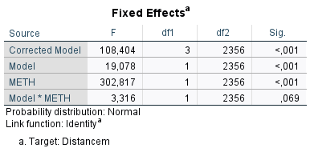
Mixed model |  |  | Bonferroni
VPA model | F(1,2356)=19.08 p<0.001 | *** CTR>VPA | N/A
METH | F(1,2356)=302.82 p<0.001 | *** METH>SAL | N/A
VPA*METH | F(1,2356)=3.32 p=0.069 | n.s. | N/A

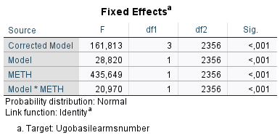
No rearings

Mixed model |  |  | Bonferroni
VPA model | F(1,2356)=28.82 p<0.001 | *** CTR>VPA. | N/A
METH | F(1,2356)=435.65 p<0.001 | *** METH>SAL | N/A
VPA*METH | F(1,2356)=20.97 p<0.001 | *** | CTR-METH>VPA-METH p<0.001

Time rearings
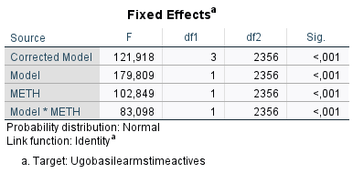
Mixed model |  |  | Bonferroni
VPA model | F(1,2356)=179.81 p<0.001 | *** CTR>VPA | N/A
METH | F(1,2356)=102.85 p<0.001 | *** METH>SAL | N/A
VPA*METH | F(1,2356)=83.10 p<0.001 | *** | CTR-METH>VPA-METH p<0.001 CTRL-SAL>VPA-SAL p=0.002

