Exponents
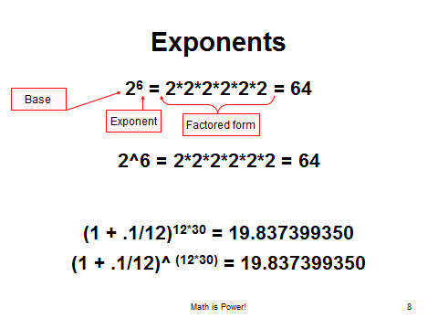
Base | 2
Exponent | 6
2^6 = ?

Annual Rate | 0.1
Periods per year | 12
Years | 30
Future Value Factor

*Square means 2
Number | 16
Square root

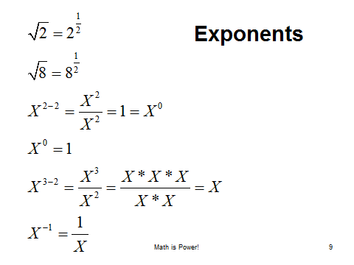
n root of 8, where n = 3
n root means "what times itself n times equals the number?"
Number (radicand) | 8
n root | 3
3rd root of 8 = ?
8^3 | because 2*2*2 = 8

