Sheet2
LATERAL LOAD CAPACITY OF PILE

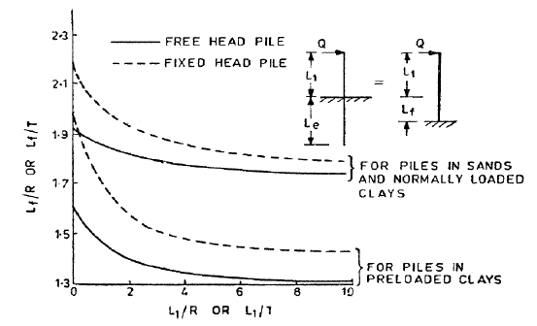
PILE PROPERTIES |  |  |  |  |  | CALCULATION OF Lf
Diameter of pile |  | = | 0.9 | m
grade of concrete |  | = | 25 | Mpa
E |  | = | 25000 | N/mm^2
I |  | = | 0.032206233438 | m^4
noof piles |  | = | 3
consider pile head as |  |  | free-head piles
unsupported length(L1)= |  |  | 0 | m
Relative stiffness:
for sand and normal loaded clays
$$T=\sqrt[5]{\frac{EI}{ηh}}$$
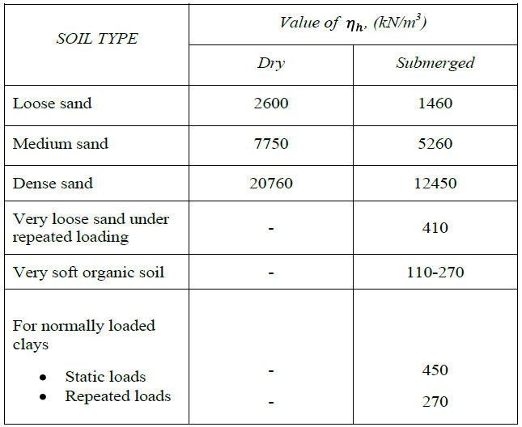

for pre loaded clays

R$=\sqrt[5]{\frac{EI}{K}}$
 |  |  |  |  |  |  | Lf/T or Lf/R= |  | 2.2
 |  |  |  |  |  |  | Lf= |  | 9.8391179552

 |  |  |  |  |  |  | TOTAL LENGTH(L1+Lf)= |  |  | 9.8391179552
ηh | = | 450
k | = |  |  |  |  |  | LATERAL LOAD CAPACITY(Q)
$$Q=\frac{3EIY}{{\left(L1+LF\right)}^{3}}$$
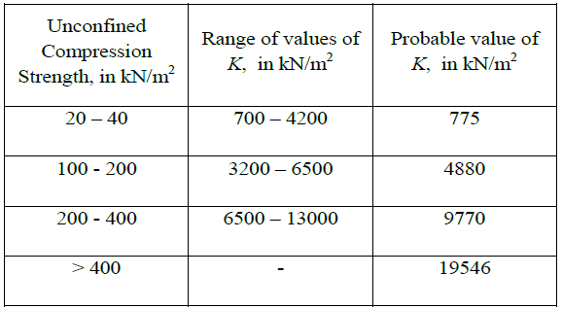
$$Q=\frac{12EIY}{{\left(L1+LF\right)}^{3}}$$
T or R | = | 4.4723263433 |  |  |  |  |  |  |  | FREE HEAD
 |  |  |  |  | Values of ηh
L1/T or L1/R= |  | 0 |  |  |  |  |  |  |  | FIXED HEAD

 |  |  |  |  |  |  | Y = limited lateral deflection(5 mm)

 |  |  |  |  |  |  | Q | = | 12.679516784 | kN

 |  |  |  |  |  |  | Fixed end moment

$$Mf=Q\left(L1+Lf\right)$$
$$Mf=0.5Q\left(L1+Lf\right)$$
 |  |  |  |  | values of k |  |  |  |  | FREE HEAD

 |  |  |  |  |  |  |  |  |  | FIXED HEAD

 |  |  |  |  |  |  | Mf | = | 124.75526125 | kN m

DESIGN MOMENT (M)

 | M | = | mMf
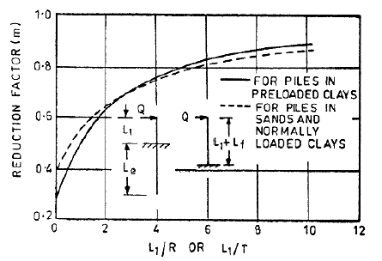

 | Reduction factor(m) for free head piles
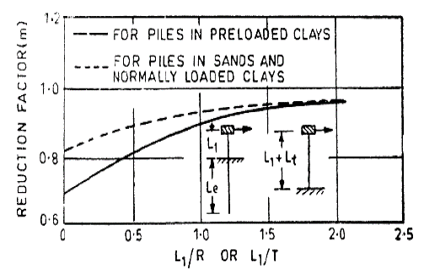

 | Reduction factor(m) for fied head piles

 |  | m | = | 0.3

 |  | M | = | 37.426578376 | kN-m

