1. Title Page
[Instacart Basket Analysis]

Project Name: Instacart Basket Analysis
Date: 8/3/2023
Analyst Name: Ketaki Avinash Thote

Contents:
Population Flow
Consistency checks
Wrangling steps
Column derivations
Visualizations
Recommendations

Data Citation:
“The Instacart Online Grocery Shopping Dataset 2017”, Accessed from www.instacart.com/datasets/grocery-shopping-2017 via Kaggle on 6th July 2023.

2. Population Flow
Title page

Population flow

Exclusion flag
Condition: max_order < 5 for low activity customers.
Obervations to be removed: 2233435
Final total count of order_products_all: 30171424

Orders_products_combined
Orders_products_merged
Orders_products_all

Total: 32404859
Total: 32434489
Total: 32404859

1.) The grey boxes in the first row of the population flow represent the original data sets as they were when you downloaded them. In the Total fields you need to add the count of the rows when you imported the data set into Jupyter.
2.) The second row of boxes (coloured) represents the data sets after you manipulated them, e.g., removed missing values and duplicates. In the Total fields you need to add the count of the rows after conducting these operations. This offers a visual oveview of how the data flows throughout the data consistency checks.
3.) The third row, where also the arrows are coloured, represents the merges you performed between the datasets. In the Total fields you need to add the count of the rows in the merged datasets, so that you end up with the final dataset (in the red box). Keep in mind the final dataset should be without exclusions (based on the exclusion flag).

3. Consistency checks
 |  |  |  | Title page
Consistency checks

Dataset | Missing values | Missing values treatment | Duplicates
orders | Days_since_prior_order has 206209 missing values. | Dropped the missing values since it could be for customers placing order for the first time. | No duplicates found.
products | Product_name has 16 missing values. | Created a list of missing values and then created a dataframe where that list was dropped. | 5 Duplicates were removed
orders_products_prior | Unnamed:0 column was missing | Dropped Unnamed 0: column | No duplicates found.
customers | First name had 1259 missing values | Created a new dataframe where the First name column is blank and the first name variable was changed to a string variable. Therefore it doesn't register blanks as null values. | No duplicates found.

4. Wrangling steps
 |  |  |  | Title page
Wrangling steps

Columns dropped | Columns renamed | Columns' type changed | Comment/Reason
eval_set column from orders.csv |  |  | This column contains system information that acts as a label for the entire dataset. It has one value , prior, which indicates that this was the prior dataset released by Instacart. This makes it irrelevant for our purposes.

 | order_dow' renamed to 'order_day_of_week' from orders.csv |  | 'order_dow' is not the most self explanatory, although it stands for orders days of the week.

 |  | 'order_id' and 'user_id' data type are changed from numeric to string in orders.csv | They don't represent real numeric values, rather keys related to specific orders and users.

 | Renamed 'surnam' to 'last_name' in customers.csv |  | 'surnam' seems to be a typing mistake for surname and 'last_name' is more appropriate here.

 | Renamed 'First Name' to 'first_name' in customers.csv |  | To keep the format consistent for both the 'first_name' and 'last_name'.

 |  | 'user_id' datatype is changed to string in customers.csv | 'user_id' doesn't represent real numeric values, rather, keys relate to specific users.

5. Column derivations
 |  |  |  |  |  | Title page

Column derivations and aggregations

In this tab you should add tables below that the frequences of flags/label variables that you produced after deriving them. NB: don't do this for continuous variables, only for flags.
Dataset | New column | Column/s it was derived from | Conditions | Frequency | Location
orders_products_merged | Price_range | Prices | if prices > 15 then high-range product | 417678 | Script 4.7

orders_products_merged | Price_range | Prices | if prices <= 15 & prices > 5 then mid-range product | 21860860 | Script 4.7

orders_products_merged | Price_range | Prices | if prices < = 15 then low range product | 10126321 | Script 4.7

orders_products_merged | busiest_day | order_day_of_week | if value == 0 then Busiest day | 6204182 | Script 4.7

orders_products_merged | busiest_day | order_day_of_week | if value == 4 then Least busy day | 3783802 | Script 4.7

orders_products_merged | busiest_day | order_day_of_week | else regularly busy | 22416875 | Script 4.7

orders_products_merged | busiest_period_of_day | order_hour_of_day | if orders < 1000000 in same hour then Fewest orders | 1289137 | Script 4.7

orders_products_merged | busiest_period_of_day | order_hour_of_day | if orders > 1000000 and orders <= 2000000 then avaerage orders | 30626984 | Script 4.7

orders_products_merged | busiest_period_of_day | order_hour_of_day | if orders > 2000000 then labelled as most orders | 21118071 | Script 4.7

df_ords_prods_merge | Loyalty flag | max_order | if max_order > 40 then Loyal customer | 10284099 | Script 4.8
 |  |  |  | in percentage 31.73 % of total orders
df_ords_prods_merge | Loyalty flag | max_order | if max_order < = 40 and max_order > 10 then Regular customer | 15876776 | Script 4.8
 |  |  |  | in percentage 48.99 % of total orders
df_ords_prods_merge | Loyalty flag | max_order | if max_order <= 10 then New customer | 6243990 | Script 4.8
 |  |  |  | in percentage 19.26 % of total orders
df_ords_prods_merge | spending_flag | mean_price | if mean_price < 10 then low spender | 31770614 | Script 4.8

df_ords_prods_merge | spending_flag | mean_price | if mean_price >= 10 then high spender | 634245 | Script 4.8

df_ords_prods_merge | frequency_flag | median_orders | if median_orders > 20 then non-frequent customer | 3636437 | Script 4.8

df_ords_prods_merge | frequency_flag | median_orders | if median_orders > 10 and median_orders < = 20 then regular customer | 7208564 | Script 4.8

df_ords_prods_merge | frequency_flag | median_orders | if median_orders <= 10 then frequent customer | 21559853 | Script 4.8

customers_merged | region | state | if value in 'Maine', 'New Hampshire', 'Vermont','Massachusetts','Rhode Island', 'Connecticut','New York','Pennsylvania', 'New Jersey' then Northeast | 5722736 | Script 4.10

customers_merged | region | state | if value in 'Wisconsin','Michigan','Illinois', 'Indiana','Ohio','North Dakota','South Dakota', 'Nebraska','Kansas','Minnesota','Iowa','Missouri' then Midwest | 7597325 | Script 4.10

customers_merged | region | state | if value in 'Delaware','Maryland','District of Columbia', 'Virginia','West Virginia', 'North Carolina','South Carolina', 'Georgia', 'Florida','Kentucky', 'Tennessee', 'Mississippi', 'Alabama', 'Oklahoma','Texas', 'Arkansas',' Louisiana' then South | 10154403 | Script 4.10

customers_merged | region | state | else West | 8930395 | Script 4.10

customers_merged | customer_activity | max_order | if max_orders <= 5 then Low activity customers | 2233435 | Script 4.10

customers_merged | customer_activity | max_order | if max_orders > 5 then High activity customers | 30171424 | Script 4.10

customers_merged | income_loc | income | if income <= 50000 then Low income | 3248834 | Script 4.10

customers_merged | income_loc | income | if income > 50000 and income < 150000 then Average income | 23120016 | Script 4.10

customers_merged | income_loc | income | if income > 150000 then High income | 3801883 | Script 4.10

customers_merged | n_dependants_loc | n_dependants | if n_dependants == 0 then single adult | 7539213 | Script 4.10

customers_merged | n_dependants_loc | n_dependants | if n_dependants != 0 then Person with family | 22632211 | Script 4.10

customers_merged | age_loc | age | if age <= 40 then Adult | 10863364 | Script 4.10

customers_merged | age_loc | age | if age > 40 and age <= 60 then middle aged | 9452557 | Script 4.10

customers_merged | age_loc | age | if age > 60 then senior | 9855503 | Script 4.10

6. Visualizations
 | Title page

Visualisations

In this tab you should include all the visualtions from Exercises 4.9 and 4.10, alongside the questions from the project brief that they answer. Include any commentary on the relationship between different variables.

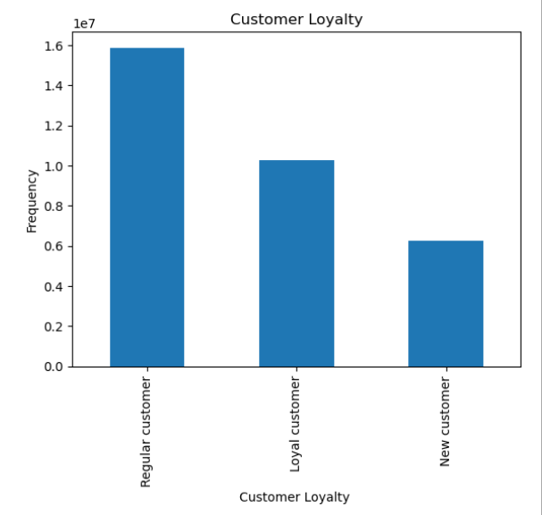
What’s the distribution among users in regards to their brand loyalty (i.e., how often do they return to Instacart)?

Figure 1. Customer loyalty

Are there differences in ordering habits based on a customer’s loyalty status?
Regular customers have the highest frequency of orders from Instacart.

Are there differences in ordering habits based on a customer’s region?
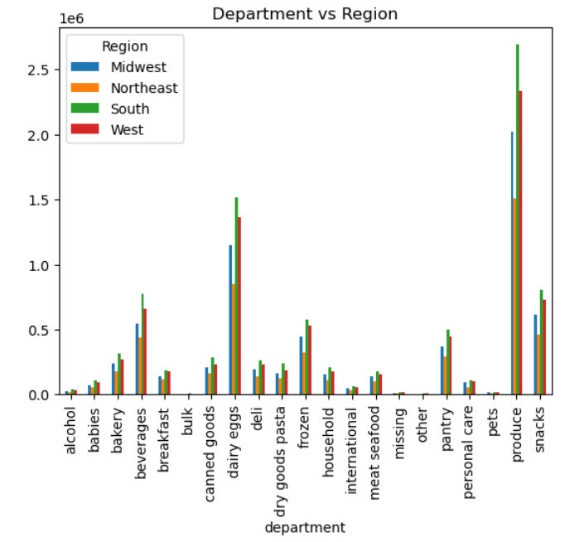

Figure 2. Department vs region

Out of all categories in the department, produce is the most shopped category and customers from the south region order the highest amount of produce out of the four regions.

Is there a connection between age and spending power?

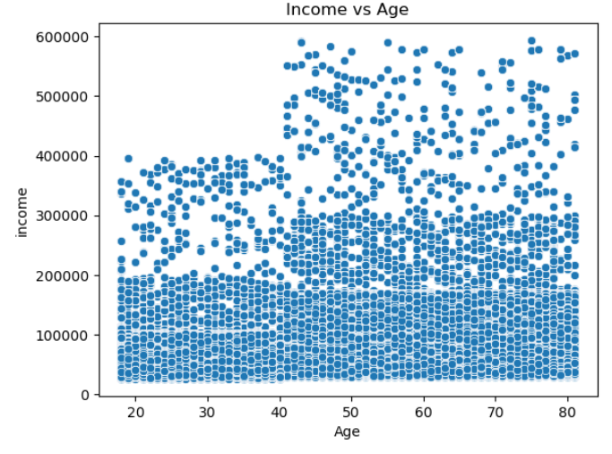

Figure 3. Income vs Age

There is a connection between age and spending power. People in the age group of 40 years of age and above have higher income and have the capacity to buy more expensive items.

What different classifications does the demographic information suggest? Age? Income? Certain types of goods? Family status?

Figure 4. Department vs region

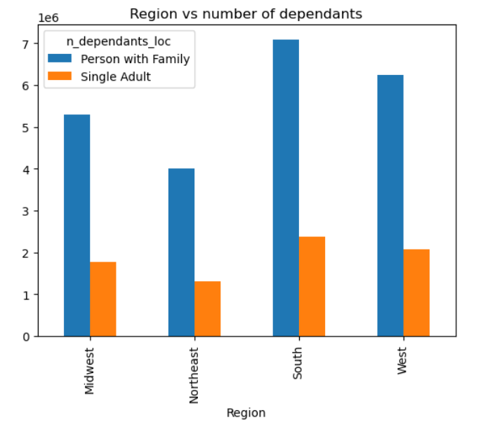

Figure 5. Region vs number of dependants

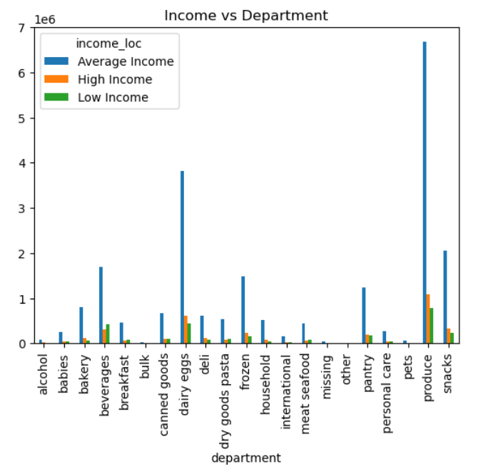

Figure 6. Income vs department

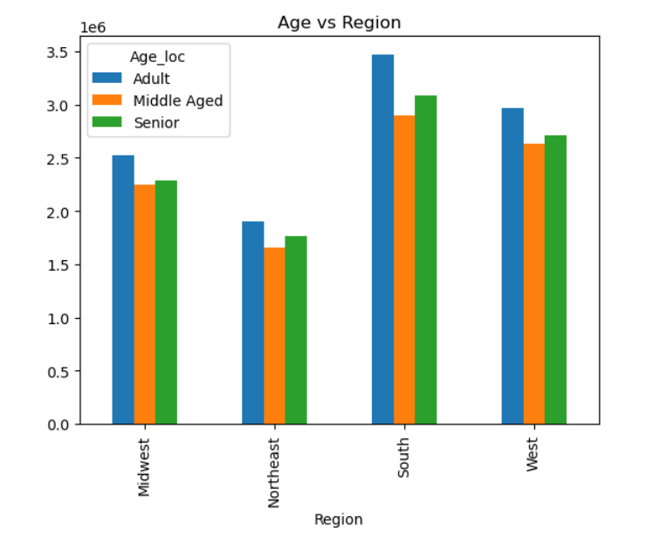

Figure 7. Age vs region

The demographic information shows the classification of orders in different regions based on their age groups, income, number of dependants in the family and according to the different categories of items in the respective departments.

What differences can you find in ordering habits of different customer profiles? Consider the price of orders, the frequency of orders, the products customers are ordering, and anything else you can think of.

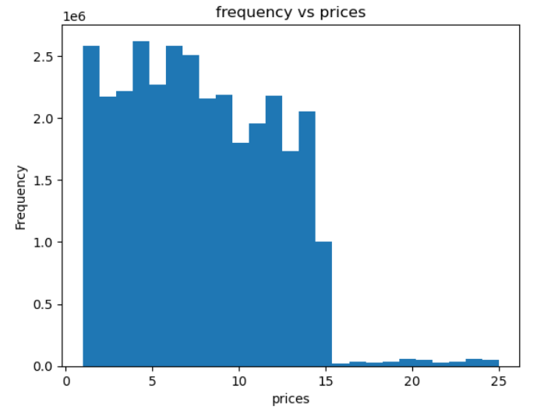

Figure 8. Frequency vs prices

Above graph is for the frequency vs prices of the different products available. We can see from the graph that majority of the products purchased fall between the values of 0 to 10.

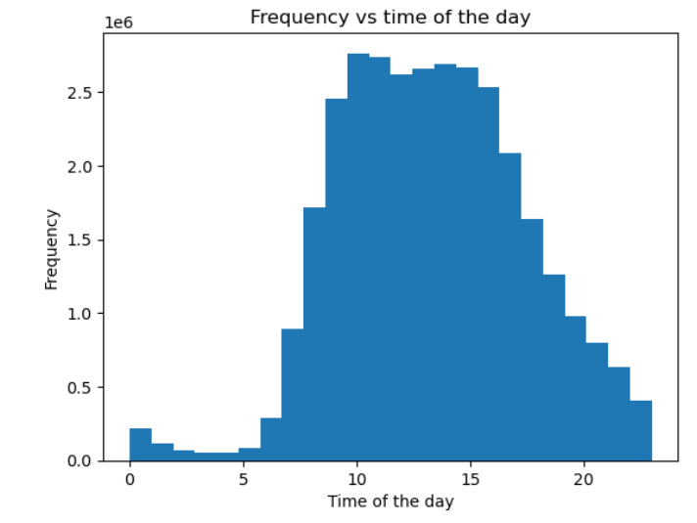

Figure 9. Frequency vs time of the day

Above graph shows that most orders are placed between 10 am and 5 pm.
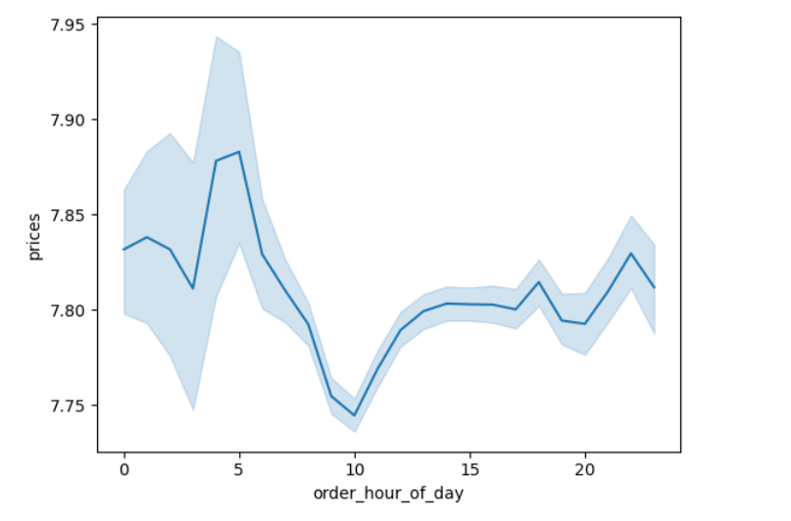

Figure 10. prices vs order_hour_of_day for 30 % of the data

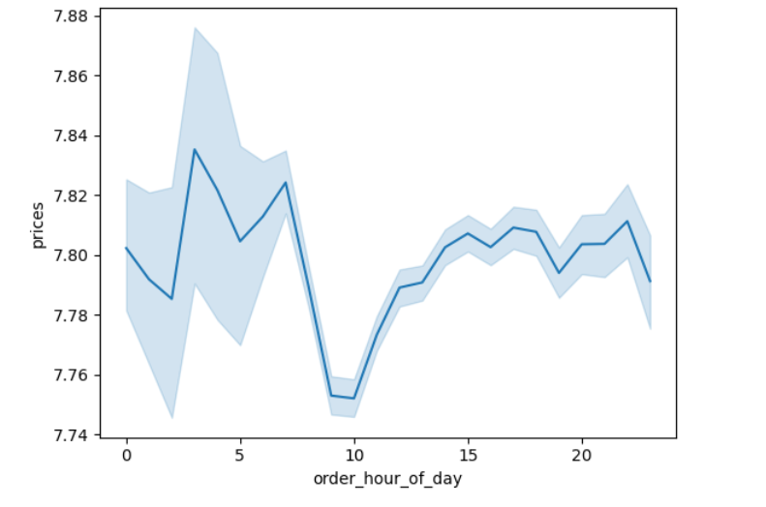

Figure 11. prices vs order_hour_of_day for 70% of the data

Above graph shows the correlation between prices and the order_hour_of_day.
First graph is with 30 percent of the data and second graph is with 70 percent of the data.

7. Recommendations
 |  | Title page

Recommendations

Questions | Answers

Key Question 1 The sales team needs to know what the busiest days of the week and hours of the day are (i.e., the days and times with the most orders) in order to schedule ads at times when there are fewer orders. | Most orders are placed between 10 am and 5 pm. This information can help the sales team to schedule ads at times when there are fewer orders. From the visualizaions in the previous sheet , we can see that the fewest orders are placed Monday through Thursday between the hours of 5 pm to 10 am. The busiest days are Friday, Saturday and Sunday.

Key Question 2
They also want to know whether there are particular times of the day when people spend the most money, as this might inform the type of products they advertise at these times. | As we can see from the visualizations in the previous sheet, people spend the most amount of money between 3 a.m. and 7 a.m. They can advertise high price items between 3 a.m and 7 a.m. And they spend the least amount of money between 8 a.m and 10 a.m.

Key Question 3 Instacart has a lot of products with different price tags. Marketing and sales want to use simpler price range groupings to help direct their efforts. | Price grouping used in the analysis are: if prices > 15 then high-range product, if prices <= 15 & prices > 5 then mid-range product, if prices < = 15 then low range product. The marketing team can make use of the above grouping to make their work simpler.

Key Question 4 Are there certain types of products that are more popular than others? The marketing and sales teams want to know which departments have the highest frequency of product orders. | Produce is the department that is most popular throughout different regions followed by dairy,eggs and then beverages and snacks.

Key Question 5 What’s the distribution among users in regards to their brand loyalty (i.e., how often do they return to Instacart)? | 31.73 % of total orders belong to loyal customers which is a category of customers who have more than 40 orders. 48.99 % of total orders belong to regular customers whose number of orders fall in the range of 10 to 40. 19.26 % of total orders belong to new customers who have less than 10 orders.

Key Question 6 Are there differences in ordering habits based on a customer’s loyalty status? | Regular customers tend to order more frequently from Instacart, followed by loyal customers and new customers do not order frequently from Instacart.

Key Question 7 Are there differences in ordering habits based on a customer’s region? | Out of all categories in the department, produce is the most shopped category and customers from the south region order the highest amount of produce out of the four regions. Also, we can see from the visualizations that the difference in the orders of regions of South and West is very less for dairy, eggs and snacks department and the difference is much higher in the orders for the produce department.

Key question 8 Is there a connection between age and family status in terms of ordering habits? | There is a connection between age and family status in terms of ordering habits. People with families or who have dependants tend have more orders than single adults. People in the age group of 40 years of age and above have higher income and have the capacity to buy more expensive items.

Key question 9 What different classifications does the demographic information suggest? Age? Income? Certain types of goods? Family status? | The demographic information shows the classification of orders in different regions based on their age groups, income, number of dependants in the family and according to the different categories of items in the respective departments.

Key question 10 What differences can you find in ordering habits of different customer profiles? Consider the price of orders, the frequency of orders, the products customers are ordering, and anything else you can think of. | We can see from the visualizations in the previous sheet that the price of majority of the products purchased fall between the values of 0 to 10. Majority of the orders are placed between 10 am to 5 pm. Produce has the highest number of orders followed by dairy,eggs and then snacks and beverages. This sequence of orders is fairly common across different regions.

