Trajectory78B-32
 |  |  |  | FORGE directional surveys.xlsx |  |  |  | File Processed |  |  | Sender | Date received
 | X | Y | Z | E-W (ft) | N-S (ft) | TVD (ft) |  | FORGE directional surveys.xlsx (Sheet for 78B-32) |  |  | Phil Wannamaker, 17 December 2021
1 | 4016.6 | -1509.7 | -212.8 | 0.0 | 0.0 | 0.0 |  | Clay Jones 3/2/22 FORGE wellhead flanges wrt GL.docx
2 | 4016.6 | -1508.2 | 28.2 | 0.0 | 1.5 | 241.0 |  | Easting (X) [m] | Northing (Y ) [m] | Latitude | Longitude | Elevation [m] | Kelly Bushing [m] | Flange
3 | 4016.5 | -1506.8 | 124.2 | -0.1 | 2.9 | 337.0 | Well's actual location | 335865.45 | 4262983.529 | 38.50010313 | -112.8822486 | 1705.6162 | 9.26592
4 | 4016.8 | -1504.9 | 332.2 | 0.2 | 4.8 | 545.0 | Wellhead wrt 16A | 1224.2609 | -460.164 |  |  | 55.5913
5 | 4017.0 | -1504.9 | 518.2 | 0.4 | 4.8 | 731.0
6 | 4017.0 | -1504.9 | 609.2 | 0.4 | 4.8 | 822.0 |  | Easting (X) [usft] | Northing (Y ) [usft] | Latitude | Longitude | Elevation [usft] | Kelly Bushing [ft]
7 | 4017.0 | -1504.7 | 701.2 | 0.4 | 5.0 | 914.0 | Well's actual location | 1101920.7677 | 13986166.434 | 38.50010313 | -112.8822486 | 5595.8536745 | 30.4 | 87.5"
8 | 4016.9 | -1504.9 | 792.2 | 0.3 | 4.8 | 1,005.0 | Wellhead wrt 16A | 4016.6040026 | -1509.7244094 |  |  | 182.38615486
9 | 4016.9 | -1505.2 | 888.2 | 0.3 | 4.5 | 1,101.0
10 | 4016.8 | -1505.0 | 982.2 | 0.2 | 4.7 | 1,195.0
11 | 4016.9 | -1504.9 | 1078.2 | 0.3 | 4.8 | 1,291.0
12 | 4016.9 | -1504.9 | 1173.2 | 0.3 | 4.8 | 1,386.0 | BD. Note there is no depth reference. DK assumes it is GL but it is usually KB
13 | 4017.0 | -1505.0 | 1267.2 | 0.4 | 4.7 | 1,480.0 | Revised Z TVD to be Survey - Elevation - KB
14 | 4017.2 | -1505.1 | 1363.2 | 0.6 | 4.6 | 1,576.0 | Trajectory depth reference |  | KB | 30.4 | ft above GL
15 | 4017.3 | -1505.0 | 1457.2 | 0.7 | 4.7 | 1,670.0
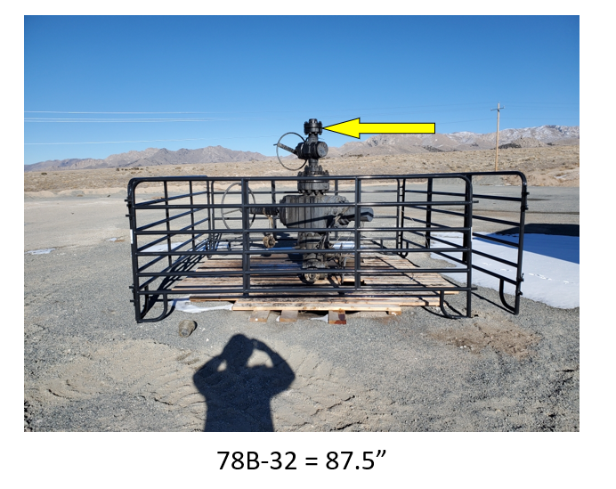
16 | 4017.1 | -1505.2 | 1552.2 | 0.5 | 4.5 | 1,765.0
17 | 4017.2 | -1505.3 | 1648.2 | 0.6 | 4.4 | 1,861.0
18 | 4017.2 | -1505.4 | 1742.2 | 0.6 | 4.3 | 1,955.0
19 | 4017.0 | -1505.5 | 1837.2 | 0.4 | 4.2 | 2,050.0
20 | 4016.8 | -1505.6 | 1932.2 | 0.2 | 4.1 | 2,145.0
21 | 4016.8 | -1505.5 | 2027.2 | 0.2 | 4.2 | 2,240.0
22 | 4017.1 | -1505.6 | 2122.2 | 0.5 | 4.1 | 2,335.0
23 | 4017.2 | -1505.5 | 2218.2 | 0.6 | 4.2 | 2,431.0
24 | 4017.3 | -1505.5 | 2313.2 | 0.7 | 4.2 | 2,526.0
25 | 4017.3 | -1505.5 | 2407.2 | 0.7 | 4.2 | 2,620.0
26 | 4017.4 | -1505.6 | 2502.2 | 0.8 | 4.1 | 2,715.0
27 | 4017.5 | -1505.7 | 2597.2 | 0.9 | 4.0 | 2,810.0
28 | 4017.7 | -1505.7 | 2692.2 | 1.1 | 4.0 | 2,905.0
29 | 4017.7 | -1505.7 | 2768.2 | 1.1 | 4.0 | 2,981.0
30 | 4017.8 | -1505.5 | 2888.2 | 1.2 | 4.2 | 3,101.0
31 | 4017.9 | -1505.3 | 2983.2 | 1.3 | 4.4 | 3,196.0
32 | 4018.0 | -1505.2 | 3076.2 | 1.4 | 4.5 | 3,289.0
33 | 4017.5 | -1505.6 | 3171.2 | 0.9 | 4.1 | 3,384.0
34 | 4015.3 | -1507.3 | 3267.1 | -1.3 | 2.4 | 3,479.9
35 | 4011.4 | -1511.0 | 3362.0 | -5.2 | -1.3 | 3,574.8
36 | 4008.4 | -1514.4 | 3428.8 | -8.2 | -4.7 | 3,641.6
37 | 4005.8 | -1517.7 | 3523.7 | -10.8 | -8.0 | 3,736.5
38 | 4006.2 | -1518.5 | 3618.7 | -10.4 | -8.8 | 3,831.5
39 | 4008.6 | -1518.5 | 3713.7 | -8.0 | -8.8 | 3,926.5
40 | 4012.6 | -1518.3 | 3808.6 | -4.0 | -8.6 | 4,021.4
41 | 4015.7 | -1519.6 | 3903.5 | -0.9 | -9.9 | 4,116.3
42 | 4015.8 | -1521.2 | 3967.5 | -0.8 | -11.5 | 4,180.3
43 | 4015.5 | -1521.7 | 3999.5 | -1.1 | -12.0 | 4,212.3
44 | 4014.7 | -1523.0 | 4094.5 | -1.9 | -13.3 | 4,307.3
45 | 4014.0 | -1523.7 | 4189.5 | -2.6 | -14.0 | 4,402.3
46 | 4013.1 | -1523.8 | 4284.5 | -3.5 | -14.1 | 4,497.3
47 | 4011.8 | -1523.0 | 4379.4 | -4.8 | -13.3 | 4,592.2
48 | 4010.2 | -1521.1 | 4474.4 | -6.4 | -11.4 | 4,687.2
49 | 4009.2 | -1518.8 | 4569.4 | -7.4 | -9.1 | 4,782.2
50 | 4008.7 | -1516.2 | 4665.3 | -7.9 | -6.5 | 4,878.1
51 | 4007.4 | -1513.8 | 4760.3 | -9.2 | -4.1 | 4,973.1
52 | 4006.9 | -1512.5 | 4855.3 | -9.7 | -2.8 | 5,068.1
53 | 4007.3 | -1512.1 | 4950.3 | -9.3 | -2.4 | 5,163.1
54 | 4006.9 | -1512.1 | 5045.3 | -9.7 | -2.4 | 5,258.1
55 | 4005.6 | -1512.5 | 5140.3 | -11.0 | -2.8 | 5,353.1
56 | 4002.4 | -1513.4 | 5285.2 | -14.2 | -3.7 | 5,498.0
57 | 4001.0 | -1513.5 | 5331.2 | -15.6 | -3.8 | 5,544.0
58 | 3997.9 | -1514.2 | 5426.2 | -18.7 | -4.5 | 5,639.0
59 | 3995.9 | -1516.0 | 5522.1 | -20.7 | -6.3 | 5,734.9
60 | 3995.3 | -1518.6 | 5618.1 | -21.3 | -8.9 | 5,830.9
61 | 3994.7 | -1521.2 | 5713.0 | -21.9 | -11.5 | 5,925.8
62 | 3994.0 | -1523.8 | 5808.0 | -22.6 | -14.1 | 6,020.8
63 | 3994.2 | -1525.9 | 5903.0 | -22.4 | -16.2 | 6,115.8
64 | 3996.2 | -1528.7 | 6092.9 | -20.4 | -19.0 | 6,305.7
65 | 3997.6 | -1529.8 | 6187.9 | -19.0 | -20.1 | 6,400.7
66 | 3999.0 | -1530.4 | 6282.9 | -17.6 | -20.7 | 6,495.7
67 | 3999.9 | -1529.9 | 6377.9 | -16.7 | -20.2 | 6,590.7
68 | 4000.4 | -1529.5 | 6420.9 | -16.2 | -19.8 | 6,633.7
69 | 4000.9 | -1529.0 | 6460.9 | -15.7 | -19.3 | 6,673.7
70 | 4002.0 | -1527.4 | 6555.9 | -14.6 | -17.7 | 6,768.7
71 | 4003.0 | -1525.4 | 6650.9 | -13.6 | -15.7 | 6,863.7
72 | 4004.1 | -1523.6 | 6745.8 | -12.5 | -13.9 | 6,958.6
73 | 4004.1 | -1524.0 | 6841.8 | -12.5 | -14.3 | 7,054.6
74 | 4003.1 | -1526.8 | 6936.8 | -13.5 | -17.1 | 7,149.6
75 | 4002.4 | -1529.4 | 7031.7 | -14.2 | -19.7 | 7,244.5
76 | 4001.8 | -1531.1 | 7126.7 | -14.8 | -21.4 | 7,339.5
77 | 4001.2 | -1532.4 | 7221.7 | -15.4 | -22.7 | 7,434.5
78 | 4000.6 | -1533.8 | 7316.7 | -16.0 | -24.1 | 7,529.5
79 | 3999.8 | -1535.2 | 7424.7 | -16.8 | -25.5 | 7,637.5
80 | 3997.8 | -1538.6 | 7615.6 | -18.8 | -28.9 | 7,828.4
81 | 3995.7 | -1540.6 | 7710.6 | -20.9 | -30.9 | 7,923.4
82 | 3993.2 | -1542.3 | 7805.6 | -23.4 | -32.6 | 8,018.4
83 | 3990.7 | -1543.0 | 7901.5 | -25.9 | -33.3 | 8,114.3
84 | 3988.1 | -1542.2 | 7996.5 | -28.5 | -32.5 | 8,209.3
85 | 3985.5 | -1541.6 | 8091.4 | -31.1 | -31.9 | 8,304.2
86 | 3983.6 | -1541.7 | 8187.4 | -33.0 | -32.0 | 8,400.2
87 | 3983.1 | -1541.8 | 8213.4 | -33.5 | -32.1 | 8,426.2
88 | 3978.5 | -1542.7 | 8343.3 | -38.1 | -33.0 | 8,556.1
89 | 3974.6 | -1541.8 | 8438.2 | -42.0 | -32.1 | 8,651.0
90 | 3973.5 | -1539.9 | 8528.2 | -43.1 | -30.2 | 8,741.0
91 | 3973.0 | -1538.9 | 8628.2 | -43.6 | -29.2 | 8,841.0
92 | 3970.0 | -1538.3 | 8723.1 | -46.6 | -28.6 | 8,935.9
93 | 3967.0 | -1538.0 | 8818.1 | -49.6 | -28.3 | 9,030.9
94 | 3964.2 | -1538.7 | 8912.0 | -52.4 | -29.0 | 9,124.8
95 | 3961.2 | -1538.8 | 9007.0 | -55.4 | -29.1 | 9,219.8
96 | 3957.1 | -1538.6 | 9101.9 | -59.5 | -28.9 | 9,314.7
97 | 3950.9 | -1539.6 | 9196.7 | -65.7 | -29.9 | 9,409.5
98 | 3949.0 | -1540.6 | 9228.6 | -67.6 | -30.9 | 9,441.4
99 | 3946.0 | -1542.7 | 9281.9 | -70.6 | -33.0 | 9,494.7
100 | 3945.8 | -1542.8 | 9284.5 | -70.8 | -33.1 | 9,497.3

Trajectory78A-32
78A-32 does NOT have a survey and is assumed to be vertical |  |  |  |  |  |  |  | File Processed |  |  | Sender | Date received
 |  |  |  | E-W (ft) | N-S (ft) | TVD (ft) |  | EOWR_78-32_profile.pdf
1 | 3739.0 | -1482.0 | -170.3 | 0.0 | 0.0 | 0.0 |  | Clay Jones 3/2/22 FORGE wellhead flanges wrt GL.docx
2 | 3739.0 | -1482.0 | -70.3 | 0.0 | 0.0 | 100.0 |  | Easting (X) [m] | Northing (Y ) [m] | Latitude | Longitude | Elevation [m] | Kelly Bushing [m] | Flange
3 | 3739.0 | -1482.0 | 29.7 | 0.0 | 0.0 | 200.0 | Well's actual location | 335780.8402 | 4262991.991 | 38.50016375 | -112.8832204 | 1701.9194 | 1.73736
4 | 3739.0 | -1482.0 | 129.7 | 0.0 | 0.0 | 300.0 | Wellhead wrt 16A | 1139.6511 | -451.702 |  |  | 51.8945
5 | 3739.0 | -1482.0 | 229.7 | 0.0 | 0.0 | 400.0
6 | 3739.0 | -1482.0 | 329.7 | 0.0 | 0.0 | 500.0 |  | Easting (X) [usft] | Northing (Y ) [usft] | Latitude | Longitude | Elevation [usft] | Kelly Bushing [ft]
7 | 3739.0 | -1482.0 | 429.7 | 0.0 | 0.0 | 600.0 | Well's actual location | 1101643.1765 | 13986194.196 | 38.50016375 | -112.8832204 | 5583.7250656 | 5.7 | 24.5
8 | 3739.0 | -1482.0 | 529.7 | 0.0 | 0.0 | 700.0 | Wellhead wrt 16A | 3739.0127953 | -1481.9619423 |  |  | 170.25754593
9 | 3739.0 | -1482.0 | 629.7 | 0.0 | 0.0 | 800.0
10 | 3739.0 | -1482.0 | 729.7 | 0.0 | 0.0 | 900.0
11 | 3739.0 | -1482.0 | 829.7 | 0.0 | 0.0 | 1000.0 | Trajectory depth reference |  | GL at 78A-32 | 0 | ft above GL
12 | 3739.0 | -1482.0 | 929.7 | 0.0 | 0.0 | 1100.0
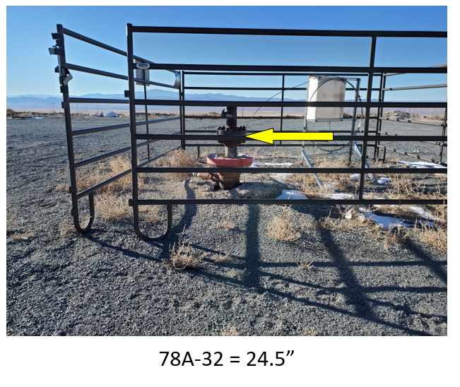
13 | 3739.0 | -1482.0 | 1029.7 | 0.0 | 0.0 | 1200.0
14 | 3739.0 | -1482.0 | 1129.7 | 0.0 | 0.0 | 1300.0
15 | 3739.0 | -1482.0 | 1229.7 | 0.0 | 0.0 | 1400.0
16 | 3739.0 | -1482.0 | 1329.7 | 0.0 | 0.0 | 1500.0
17 | 3739.0 | -1482.0 | 1429.7 | 0.0 | 0.0 | 1600.0
18 | 3739.0 | -1482.0 | 1529.7 | 0.0 | 0.0 | 1700.0
19 | 3739.0 | -1482.0 | 1629.7 | 0.0 | 0.0 | 1800.0
20 | 3739.0 | -1482.0 | 1729.7 | 0.0 | 0.0 | 1900.0
21 | 3739.0 | -1482.0 | 1829.7 | 0.0 | 0.0 | 2000.0
22 | 3739.0 | -1482.0 | 1929.7 | 0.0 | 0.0 | 2100.0
23 | 3739.0 | -1482.0 | 2029.7 | 0.0 | 0.0 | 2200.0
24 | 3739.0 | -1482.0 | 2129.7 | 0.0 | 0.0 | 2300.0
25 | 3739.0 | -1482.0 | 2229.7 | 0.0 | 0.0 | 2400.0
26 | 3739.0 | -1482.0 | 2329.7 | 0.0 | 0.0 | 2500.0
27 | 3739.0 | -1482.0 | 2429.7 | 0.0 | 0.0 | 2600.0
28 | 3739.0 | -1482.0 | 2529.7 | 0.0 | 0.0 | 2700.0
29 | 3739.0 | -1482.0 | 2629.7 | 0.0 | 0.0 | 2800.0
30 | 3739.0 | -1482.0 | 2729.7 | 0.0 | 0.0 | 2900.0
31 | 3739.0 | -1482.0 | 2829.7 | 0.0 | 0.0 | 3000.0
32 | 3739.0 | -1482.0 | 2929.7 | 0.0 | 0.0 | 3100.0
33 | 3739.0 | -1482.0 | 3029.7 | 0.0 | 0.0 | 3200.0
34 | 3739.0 | -1482.0 | 3109.7 | 0.0 | 0.0 | 3280.0

Trajectory56-32
index | X | Y | Z TVD | Uncorrected X | Uncorrected Y | Uncorrected Z
1 | 2831.66 | -57.43 | -38.15 | 0 | 0 | 0
2 | 2831.96 | -57.23 | 162.85 | 0.3 | 0.2 | 201
3 | 2832.36 | -56.93 | 253.85 | 0.7 | 0.5 | 292
4 | 2833.06 | -56.13 | 362.85 | 1.4 | 1.3 | 401 |  | File Processed |  |  | Sender
5 | 2833.26 | -55.03 | 454.85 | 1.6 | 2.4 | 493 |  | 56-32 EOWR - Final 22 July 2021.pdf |  |  | 0
6 | 2833.16 | -53.53 | 546.85 | 1.5 | 3.9 | 585 |  | Clay Jones 3/2/22 FORGE wellhead flanges wrt GL.docx
7 | 2832.26 | -52.83 | 637.85 | 0.6 | 4.6 | 676 |  | Easting (X) [m] | Northing (Y ) [m] | Latitude | Longitude | Elevation [m] | Kelly Bushing [m] | Flange
8 | 2831.36 | -51.93 | 728.85 | -0.3 | 5.5 | 767 | Well's actual location | 335504.2787 | 4263426.189 | 38.50402364 | -112.8864923 | 1661.652 | 9.26592
9 | 2831.46 | -49.63 | 819.75 | -0.2 | 7.8 | 857.9 | Wellhead wrt 16A | 863.0896 | -17.504 |  |  | 11.6271
10 | 2831.76 | -47.33 | 910.75 | 0.1 | 10.1 | 948.9
11 | 2832.06 | -45.03 | 1001.75 | 0.4 | 12.4 | 1039.9 |  | Easting (X) [usft] | Northing (Y ) [usft] | Latitude | Longitude | Elevation [usft] | Kelly Bushing [ft]
12 | 2832.46 | -42.33 | 1096.65 | 0.8 | 15.1 | 1134.8 | Well's actual location | 1100735.8225 | 13987618.73 | 38.50402364 | -112.8864923 | 5451.6141732 | 30.4 | 57"
13 | 2832.96 | -39.43 | 1191.65 | 1.3 | 18 | 1229.8 | Wellhead wrt 16A | 2831.6587927 | -57.427821521 |  |  | 38.146653543
14 | 2833.76 | -36.43 | 1286.55 | 2.1 | 21 | 1324.7
15 | 2834.66 | -33.43 | 1380.55 | 3 | 24 | 1418.7 | According to 56-32 EOWR the depth reference is the surface for the survey data in column G here. Also same as depth reference in FORGE directional surveys.xlsx
16 | 2835.76 | -30.83 | 1475.45 | 4.1 | 26.6 | 1513.6 | Revised Z TVD to be Survey - Elevation
17 | 2837.06 | -28.93 | 1569.45 | 5.4 | 28.5 | 1607.6
18 | 2838.76 | -26.83 | 1664.45 | 7.1 | 30.6 | 1702.6 | Trajectory depth reference |  | GL | 0 | ft above GL
19 | 2841.06 | -24.73 | 1759.35 | 9.4 | 32.7 | 1797.5
20 | 2843.16 | -23.03 | 1853.35 | 11.5 | 34.4 | 1891.5
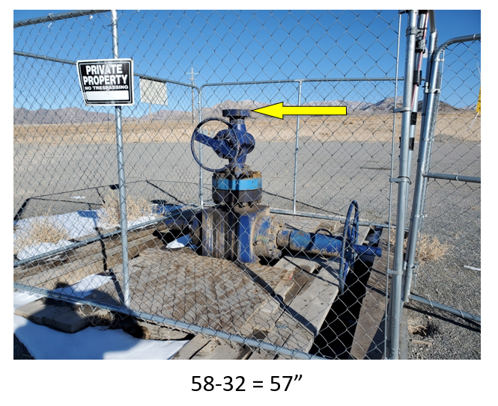
21 | 2845.06 | -22.13 | 1947.35 | 13.4 | 35.3 | 1985.5
22 | 2847.16 | -21.23 | 2042.25 | 15.5 | 36.2 | 2080.4
23 | 2849.16 | -20.43 | 2136.25 | 17.5 | 37 | 2174.4
24 | 2851.26 | -19.53 | 2231.25 | 19.6 | 37.9 | 2269.4
25 | 2853.36 | -18.53 | 2326.15 | 21.7 | 38.9 | 2364.3
26 | 2855.46 | -17.93 | 2419.15 | 23.8 | 39.5 | 2457.3
27 | 2857.76 | -17.23 | 2512.15 | 26.1 | 40.2 | 2550.3
28 | 2860.86 | -16.53 | 2609.05 | 29.2 | 40.9 | 2647.2
29 | 2864.16 | -16.03 | 2704.05 | 32.5 | 41.4 | 2742.2
30 | 2867.06 | -15.43 | 2799.95 | 35.4 | 42 | 2838.1
31 | 2869.16 | -14.53 | 2894.95 | 37.5 | 42.9 | 2933.1
32 | 2871.46 | -13.43 | 2989.95 | 39.8 | 44 | 3028.1
33 | 2873.56 | -12.93 | 3084.85 | 41.9 | 44.5 | 3123
34 | 2874.96 | -13.13 | 3179.85 | 43.3 | 44.3 | 3218
35 | 2876.66 | -13.63 | 3274.85 | 45 | 43.8 | 3313
36 | 2878.86 | -14.53 | 3370.85 | 47.2 | 42.9 | 3409
37 | 2879.76 | -14.93 | 3407.85 | 48.1 | 42.5 | 3446
38 | 2880.86 | -15.53 | 3457.85 | 49.2 | 41.9 | 3496
39 | 2881.86 | -16.23 | 3552.75 | 50.2 | 41.2 | 3590.9
40 | 2880.76 | -16.13 | 3647.75 | 49.1 | 41.3 | 3685.9
41 | 2878.66 | -16.23 | 3752.75 | 47 | 41.2 | 3790.9
42 | 2876.56 | -16.63 | 3837.75 | 44.9 | 40.8 | 3875.9
43 | 2873.56 | -17.93 | 3932.65 | 41.9 | 39.5 | 3970.8
44 | 2871.96 | -18.23 | 4027.65 | 40.3 | 39.2 | 4065.8
45 | 2872.76 | -17.33 | 4123.65 | 41.1 | 40.1 | 4161.8
46 | 2872.36 | -17.43 | 4218.65 | 40.7 | 40 | 4256.8
47 | 2870.06 | -18.23 | 4313.65 | 38.4 | 39.2 | 4351.8
48 | 2868.16 | -17.73 | 4408.55 | 36.5 | 39.7 | 4446.7
49 | 2865.66 | -15.03 | 4504.55 | 34 | 42.4 | 4542.7
50 | 2862.06 | -13.83 | 4600.45 | 30.4 | 43.6 | 4638.6
51 | 2861.06 | -13.63 | 4694.45 | 29.4 | 43.8 | 4732.6
52 | 2861.66 | -12.13 | 4789.35 | 30 | 45.3 | 4827.5
53 | 2861.76 | -10.83 | 4884.35 | 30.1 | 46.6 | 4922.5
54 | 2861.26 | -9.93 | 4978.35 | 29.6 | 47.5 | 5016.5
55 | 2859.86 | -10.93 | 5073.35 | 28.2 | 46.5 | 5111.5
56 | 2859.96 | -10.43 | 5168.35 | 28.3 | 47 | 5206.5
57 | 2858.56 | -8.53 | 5262.25 | 26.9 | 48.9 | 5300.4
58 | 2854.76 | -7.83 | 5357.15 | 23.1 | 49.6 | 5395.3
59 | 2849.96 | -7.43 | 5452.05 | 18.3 | 50 | 5490.2
60 | 2841.56 | -8.13 | 5546.65 | 9.9 | 49.3 | 5584.8
61 | 2831.66 | -9.93 | 5640.15 | 0 | 47.5 | 5678.3
62 | 2823.76 | -12.43 | 5734.75 | -7.9 | 45 | 5772.9
63 | 2817.46 | -14.53 | 5829.55 | -14.2 | 42.9 | 5867.7
64 | 2812.36 | -17.13 | 5912.35 | -19.3 | 40.3 | 5950.5
65 | 2809.16 | -22.03 | 6007.15 | -22.5 | 35.4 | 6045.3
66 | 2808.16 | -27.03 | 6102.05 | -23.5 | 30.4 | 6140.2
67 | 2807.56 | -29.83 | 6195.95 | -24.1 | 27.6 | 6234.1
68 | 2806.46 | -31.23 | 6290.95 | -25.2 | 26.2 | 6329.1
69 | 2803.46 | -33.03 | 6385.85 | -28.2 | 24.4 | 6424
70 | 2799.56 | -35.03 | 6480.75 | -32.1 | 22.4 | 6518.9
71 | 2796.16 | -36.63 | 6576.75 | -35.5 | 20.8 | 6614.9
72 | 2793.96 | -37.23 | 6670.65 | -37.7 | 20.2 | 6708.8
73 | 2792.56 | -38.43 | 6765.65 | -39.1 | 19 | 6803.8
74 | 2790.36 | -40.63 | 6859.65 | -41.3 | 16.8 | 6897.8
75 | 2787.76 | -43.23 | 6955.55 | -43.9 | 14.2 | 6993.7
76 | 2785.56 | -45.33 | 7050.45 | -46.1 | 12.1 | 7088.6
77 | 2784.06 | -46.83 | 7144.45 | -47.6 | 10.6 | 7182.6
78 | 2782.76 | -48.53 | 7238.45 | -48.9 | 8.9 | 7276.6
79 | 2780.16 | -53.03 | 7428.35 | -51.5 | 4.4 | 7466.5
80 | 2779.16 | -56.33 | 7523.35 | -52.5 | 1.1 | 7561.5
81 | 2776.26 | -62.43 | 7650.15 | -55.4 | -5 | 7688.3
82 | 2773.66 | -67.33 | 7744.95 | -58 | -9.9 | 7783.1
83 | 2772.46 | -71.43 | 7839.85 | -59.2 | -14 | 7878
84 | 2770.46 | -75.63 | 7933.75 | -61.2 | -18.2 | 7971.9
85 | 2767.56 | -78.83 | 8027.65 | -64.1 | -21.4 | 8065.8
86 | 2765.66 | -79.83 | 8122.65 | -66 | -22.4 | 8160.8
87 | 2764.06 | -79.53 | 8216.55 | -67.6 | -22.1 | 8254.7
88 | 2761.06 | -78.33 | 8311.55 | -70.6 | -20.9 | 8349.7
89 | 2758.06 | -76.63 | 8406.45 | -73.6 | -19.2 | 8444.6
90 | 2753.16 | -74.13 | 8501.35 | -78.5 | -16.7 | 8539.5
91 | 2744.56 | -71.23 | 8595.85 | -87.1 | -13.8 | 8634
92 | 2736.56 | -69.33 | 8690.55 | -95.1 | -11.9 | 8728.7
93 | 2734.16 | -70.43 | 8786.45 | -97.5 | -13 | 8824.6
94 | 2733.26 | -72.53 | 8882.35 | -98.4 | -15.1 | 8920.5
95 | 2730.06 | -73.83 | 8976.35 | -101.6 | -16.4 | 9014.5
96 | 2727.56 | -75.53 | 9048.25 | -104.1 | -18.1 | 9086.4
97 | 2725.26 | -76.93 | 9100.15 | -106.4 | -19.5 | 9138.3

Trajectory16A-32
 |  |  |  |  | Data from FORGE directional surveysCompiled.xls based on FORGE directional surveys.xls from PW 17/12/21

 | X | Y | Z TVD | MD rKB | X | Y | TVD | MD
1 | 0.00 | 0.00 | -30.40 | 0.00 | 0.00 | 0.00 | 0.00 | 0.00 |  | File Processed |  |  | Sender
2 | -0.17 | 0.24 | 69.60 | 100.00 | -0.17 | 0.24 | 100.00 | 100.00 |  | FORGE directional surveys.xls
3 | -0.56 | 0.73 | 169.60 | 200.00 | -0.56 | 0.73 | 200.00 | 200.00 |  | Clay Jones 3/2/22 FORGE wellhead flanges wrt GL.docx
4 | -1.05 | 1.22 | 269.60 | 300.00 | -1.05 | 1.22 | 300.00 | 300.00 |  | Easting (X) [m] | Northing (Y ) [m] | Latitude | Longitude | Elevation [m] | Kelly Bushing [m] | Flange
5 | -1.47 | 1.60 | 369.59 | 400.00 | -1.47 | 1.60 | 399.99 | 400.00 | Well's actual location | 334641.1891 | 4263443.693 | 38.50402147 | -112.8963897 | 1650.0249 | 9.26592
6 | -1.54 | 1.51 | 469.59 | 500.00 | -1.54 | 1.51 | 499.99 | 500.00 | Wellhead wrt 16A | 0 | 0 |  |  | 0
7 | -1.34 | 0.81 | 569.59 | 600.00 | -1.34 | 0.81 | 599.99 | 600.00
8 | -1.28 | -0.13 | 669.59 | 700.00 | -1.28 | -0.13 | 699.99 | 700.00 |  | Easting (X) [usft] | Northing (Y ) [usft] | Latitude | Longitude | Elevation [usft] | Kelly Bushing [ft]
9 | -1.48 | -1.21 | 769.58 | 800.00 | -1.48 | -1.21 | 799.98 | 800.00 | Well's actual location | 1097904.1637 | 13987676.158 | 38.50402147 | -112.8963897 | 5413.4675197 | 30.4 | 81.5"
10 | -1.77 | -2.79 | 869.57 | 900.00 | -1.77 | -2.79 | 899.97 | 900.00 | Wellhead wrt 16A | 0 | 0 |  |  | 0
11 | -2.09 | -5.08 | 969.54 | 1000.00 | -2.09 | -5.08 | 999.94 | 1000.00
12 | -2.37 | -8.04 | 1069.50 | 1100.00 | -2.37 | -8.04 | 1099.90 | 1100.00
13 | -2.36 | -11.47 | 1169.44 | 1200.00 | -2.36 | -11.47 | 1199.84 | 1200.00 | Survey depth reference is KB
14 | -2.03 | -14.73 | 1269.38 | 1300.00 | -2.03 | -14.73 | 1299.78 | 1300.00 | Our reference is GL at 16A so TVD-KB
15 | -1.69 | -17.24 | 1369.35 | 1400.00 | -1.69 | -17.24 | 1399.75 | 1400.00
16 | -1.19 | -18.76 | 1469.34 | 1500.00 | -1.19 | -18.76 | 1499.74 | 1500.00 | Trajectory depth reference |  | KB | 30.4 | ft above GL
17 | -0.29 | -19.60 | 1569.33 | 1600.00 | -0.29 | -19.60 | 1599.73 | 1600.00
18 | 0.88 | -20.27 | 1669.32 | 1700.00 | 0.88 | -20.27 | 1699.72 | 1700.00
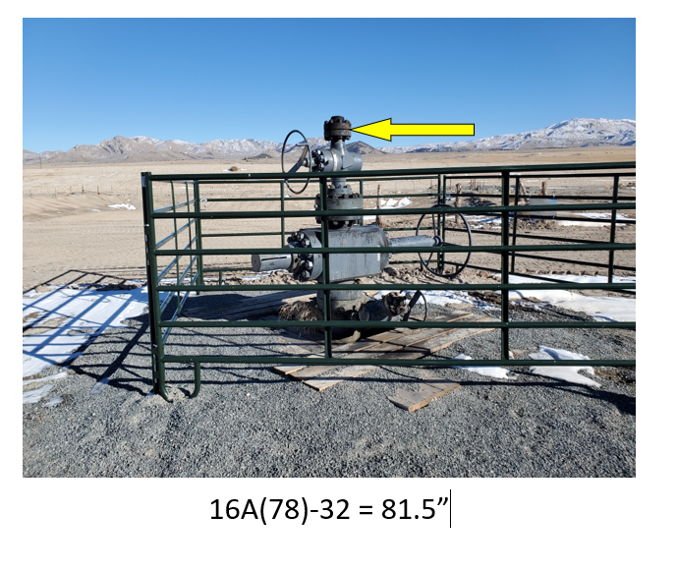
19 | 2.29 | -20.58 | 1769.31 | 1800.00 | 2.29 | -20.58 | 1799.71 | 1800.00
20 | 3.73 | -20.08 | 1869.30 | 1900.00 | 3.73 | -20.08 | 1899.70 | 1900.00
21 | 4.42 | -18.66 | 1969.28 | 2000.00 | 4.42 | -18.66 | 1999.68 | 2000.00
22 | 3.71 | -17.17 | 2069.27 | 2100.00 | 3.71 | -17.17 | 2099.67 | 2100.00
23 | 2.20 | -16.68 | 2169.26 | 2200.00 | 2.20 | -16.68 | 2199.66 | 2200.00
24 | 1.13 | -17.25 | 2269.25 | 2300.00 | 1.13 | -17.25 | 2299.65 | 2300.00
25 | 1.25 | -18.14 | 2369.24 | 2400.00 | 1.25 | -18.14 | 2399.64 | 2400.00
26 | 2.20 | -18.36 | 2469.24 | 2500.00 | 2.20 | -18.36 | 2499.64 | 2500.00
27 | 2.93 | -17.41 | 2569.23 | 2600.00 | 2.93 | -17.41 | 2599.63 | 2600.00
28 | 2.56 | -15.84 | 2669.22 | 2700.00 | 2.56 | -15.84 | 2699.62 | 2700.00
29 | 1.17 | -14.95 | 2769.20 | 2800.00 | 1.17 | -14.95 | 2799.60 | 2800.00
30 | 0.09 | -15.32 | 2869.19 | 2900.00 | 0.09 | -15.32 | 2899.59 | 2900.00
31 | 0.51 | -16.29 | 2969.19 | 3000.00 | 0.51 | -16.29 | 2999.59 | 3000.00
32 | 2.30 | -16.63 | 3069.17 | 3100.00 | 2.30 | -16.63 | 3099.57 | 3100.00
33 | 4.09 | -15.30 | 3169.14 | 3200.00 | 4.09 | -15.30 | 3199.54 | 3200.00
34 | 4.49 | -13.06 | 3269.11 | 3300.00 | 4.49 | -13.06 | 3299.51 | 3300.00
35 | 3.45 | -11.73 | 3369.10 | 3400.00 | 3.45 | -11.73 | 3399.50 | 3400.00
36 | 2.10 | -11.74 | 3469.09 | 3500.00 | 2.10 | -11.74 | 3499.49 | 3500.00
37 | 1.67 | -12.34 | 3569.09 | 3600.00 | 1.67 | -12.34 | 3599.49 | 3600.00
38 | 2.57 | -12.53 | 3669.08 | 3700.00 | 2.57 | -12.53 | 3699.48 | 3700.00
39 | 4.35 | -11.52 | 3769.06 | 3800.00 | 4.35 | -11.52 | 3799.46 | 3800.00
40 | 5.88 | -9.34 | 3869.02 | 3900.00 | 5.88 | -9.34 | 3899.42 | 3900.00
41 | 6.15 | -6.78 | 3968.99 | 4000.00 | 6.15 | -6.78 | 3999.39 | 4000.00
42 | 5.10 | -4.95 | 4068.96 | 4100.00 | 5.10 | -4.95 | 4099.36 | 4100.00
43 | 3.56 | -4.54 | 4168.95 | 4200.00 | 3.56 | -4.54 | 4199.35 | 4200.00
44 | 2.58 | -5.48 | 4268.94 | 4300.00 | 2.58 | -5.48 | 4299.34 | 4300.00
45 | 2.92 | -6.83 | 4368.93 | 4400.00 | 2.92 | -6.83 | 4399.33 | 4400.00
46 | 4.22 | -6.75 | 4468.92 | 4500.00 | 4.22 | -6.75 | 4499.32 | 4500.00
47 | 4.72 | -4.76 | 4568.90 | 4600.00 | 4.72 | -4.76 | 4599.30 | 4600.00
48 | 3.38 | -2.99 | 4668.87 | 4700.00 | 3.38 | -2.99 | 4699.27 | 4700.00
49 | 1.44 | -3.05 | 4768.85 | 4800.00 | 1.44 | -3.05 | 4799.25 | 4800.00
50 | 0.50 | -4.61 | 4868.83 | 4900.00 | 0.50 | -4.61 | 4899.23 | 4900.00
51 | 1.39 | -6.61 | 4968.80 | 5000.00 | 1.39 | -6.61 | 4999.20 | 5000.00
52 | 3.63 | -7.87 | 5068.77 | 5100.00 | 3.63 | -7.87 | 5099.17 | 5100.00
53 | 6.19 | -7.96 | 5168.74 | 5200.00 | 6.19 | -7.96 | 5199.14 | 5200.00
54 | 8.61 | -7.04 | 5268.70 | 5300.00 | 8.61 | -7.04 | 5299.10 | 5300.00
55 | 10.23 | -5.37 | 5368.67 | 5400.00 | 10.23 | -5.37 | 5399.07 | 5400.00
56 | 10.80 | -4.13 | 5468.66 | 5500.00 | 10.80 | -4.13 | 5499.06 | 5500.00
57 | 11.45 | -4.40 | 5568.66 | 5600.00 | 11.45 | -4.40 | 5599.06 | 5600.00
58 | 13.53 | -5.63 | 5668.63 | 5700.00 | 13.53 | -5.63 | 5699.03 | 5700.00
59 | 16.46 | -7.07 | 5768.58 | 5800.00 | 16.46 | -7.07 | 5798.98 | 5800.00
60 | 20.37 | -8.30 | 5868.49 | 5900.00 | 20.37 | -8.30 | 5898.89 | 5900.00
61 | 30.06 | -9.25 | 5967.98 | 6000.00 | 30.06 | -9.25 | 5998.38 | 6000.00
62 | 49.80 | -10.16 | 6065.96 | 6100.00 | 49.80 | -10.16 | 6096.36 | 6100.00
63 | 77.06 | -14.51 | 6162.04 | 6200.00 | 77.06 | -14.51 | 6192.44 | 6200.00
64 | 106.62 | -22.99 | 6257.19 | 6300.00 | 106.62 | -22.99 | 6287.59 | 6300.00
65 | 136.62 | -33.62 | 6351.99 | 6400.00 | 136.62 | -33.62 | 6382.39 | 6400.00
66 | 169.65 | -47.86 | 6445.27 | 6500.00 | 169.65 | -47.86 | 6475.67 | 6500.00
67 | 209.33 | -66.27 | 6535.15 | 6600.00 | 209.33 | -66.27 | 6565.55 | 6600.00
68 | 258.53 | -86.34 | 6619.78 | 6700.00 | 258.53 | -86.34 | 6650.18 | 6700.00
69 | 317.54 | -102.73 | 6698.76 | 6800.00 | 317.54 | -102.73 | 6729.16 | 6800.00
70 | 385.00 | -115.63 | 6771.37 | 6900.00 | 385.00 | -115.63 | 6801.77 | 6900.00
71 | 459.98 | -129.42 | 6836.01 | 7000.00 | 459.98 | -129.42 | 6866.41 | 7000.00
72 | 540.78 | -146.08 | 6892.45 | 7100.00 | 540.78 | -146.08 | 6922.85 | 7100.00
73 | 625.65 | -164.62 | 6941.95 | 7200.00 | 625.65 | -164.62 | 6972.35 | 7200.00
74 | 713.68 | -182.93 | 6985.66 | 7300.00 | 713.68 | -182.93 | 7016.06 | 7300.00
75 | 803.03 | -201.57 | 7026.52 | 7400.00 | 803.03 | -201.57 | 7056.92 | 7400.00
76 | 891.83 | -221.90 | 7067.77 | 7500.00 | 891.83 | -221.90 | 7098.17 | 7500.00
77 | 979.60 | -245.24 | 7109.60 | 7600.00 | 979.60 | -245.24 | 7140.00 | 7600.00
78 | 1064.17 | -271.98 | 7155.69 | 7700.00 | 1064.17 | -271.98 | 7186.09 | 7700.00
79 | 1144.38 | -300.46 | 7208.15 | 7800.00 | 1144.38 | -300.46 | 7238.55 | 7800.00
80 | 1222.97 | -329.01 | 7263.01 | 7900.00 | 1222.97 | -329.01 | 7293.41 | 7900.00
81 | 1303.20 | -357.59 | 7315.38 | 8000.00 | 1303.20 | -357.59 | 7345.78 | 8000.00
82 | 1386.55 | -387.14 | 7362.00 | 8100.00 | 1386.55 | -387.14 | 7392.40 | 8100.00
83 | 1471.64 | -418.08 | 7404.46 | 8200.00 | 1471.64 | -418.08 | 7434.86 | 8200.00
84 | 1557.42 | -449.00 | 7445.52 | 8300.00 | 1557.42 | -449.00 | 7475.92 | 8300.00
85 | 1644.20 | -478.21 | 7485.72 | 8400.00 | 1644.20 | -478.21 | 7516.12 | 8400.00
86 | 1731.05 | -506.91 | 7526.13 | 8500.00 | 1731.05 | -506.91 | 7556.53 | 8500.00
87 | 1818.62 | -533.88 | 7566.15 | 8600.00 | 1818.62 | -533.88 | 7596.55 | 8600.00
88 | 1908.36 | -555.81 | 7604.38 | 8700.00 | 1908.36 | -555.81 | 7634.78 | 8700.00
89 | 1999.74 | -573.90 | 7640.76 | 8800.00 | 1999.74 | -573.90 | 7671.16 | 8800.00
90 | 2091.27 | -590.44 | 7677.47 | 8900.00 | 2091.27 | -590.44 | 7707.87 | 8900.00
91 | 2182.01 | -605.94 | 7716.53 | 9000.00 | 2182.01 | -605.94 | 7746.93 | 9000.00
92 | 2272.22 | -621.94 | 7756.60 | 9100.00 | 2272.22 | -621.94 | 7787.00 | 9100.00
93 | 2362.02 | -640.27 | 7796.59 | 9200.00 | 2362.02 | -640.27 | 7826.99 | 9200.00
94 | 2451.01 | -661.12 | 7837.15 | 9300.00 | 2451.01 | -661.12 | 7867.55 | 9300.00
95 | 2538.55 | -684.18 | 7879.63 | 9400.00 | 2538.55 | -684.18 | 7910.03 | 9400.00
96 | 2624.68 | -708.60 | 7924.17 | 9500.00 | 2624.68 | -708.60 | 7954.57 | 9500.00
97 | 2710.20 | -733.15 | 7969.81 | 9600.00 | 2710.20 | -733.15 | 8000.21 | 9600.00
98 | 2795.55 | -757.84 | 8015.70 | 9700.00 | 2795.55 | -757.84 | 8046.10 | 9700.00
99 | 2881.58 | -782.80 | 8060.16 | 9800.00 | 2881.58 | -782.80 | 8090.56 | 9800.00
100 | 2969.40 | -807.18 | 8101.27 | 9900.00 | 2969.40 | -807.18 | 8131.67 | 9900.00
101 | 3058.17 | -831.23 | 8140.54 | 10000.00 | 3058.17 | -831.23 | 8170.94 | 10000.00
102 | 3146.16 | -856.48 | 8180.78 | 10100.00 | 3146.16 | -856.48 | 8211.18 | 10100.00
103 | 3232.88 | -883.68 | 8222.49 | 10200.00 | 3232.88 | -883.68 | 8252.89 | 10200.00
104 | 3318.63 | -911.59 | 8265.70 | 10300.00 | 3318.63 | -911.59 | 8296.10 | 10300.00
105 | 3404.73 | -938.10 | 8309.09 | 10400.00 | 3404.73 | -938.10 | 8339.49 | 10400.00
106 | 3491.78 | -962.60 | 8351.77 | 10500.00 | 3491.78 | -962.60 | 8382.17 | 10500.00
107 | 3580.74 | -984.57 | 8391.78 | 10600.00 | 3580.74 | -984.57 | 8422.18 | 10600.00
108 | 3672.14 | -1003.34 | 8427.72 | 10700.00 | 3672.14 | -1003.34 | 8458.12 | 10700.00
109 | 3764.17 | -1019.88 | 8463.16 | 10800.00 | 3764.17 | -1019.88 | 8493.56 | 10800.00
110 | 3856.15 | -1035.08 | 8499.34 | 10900.00 | 3856.15 | -1035.08 | 8529.74 | 10900.00
111 | 3906.97 | -1042.90 | 8518.85 | 10955.00 | 3906.97 | -1042.90 | 8549.25 | 10955.00
112 | 3936.17 | -1048.30 | 8528.60 | 10987.00 |  |  | 8559.00 | 10987.00

 | Point 112 by linear interpolation - BD

Trajectory58-32
 |  |  |  | DirectionalSurveyRpt_171027103004.pdf
 | X | Y | Z TVD |  | E-W (ft) | N-S (ft) | TVD (ft)
1 | 2656.82 | -1331.32 | -114.00 | 1 | 0.00 | 0.00 | 0.00
2 | 2657.12 | -1330.62 | 164.00 | 2 | 0.30 | 0.70 | 278.00
3 | 2657.02 | -1330.62 | 468.00 | 3 | 0.20 | 0.70 | 582.00 |  | File Processed |  |  | Sender
4 | 2656.72 | -1330.32 | 754.00 | 4 | -0.10 | 1.00 | 868.00 |  | DirectionalSurveyRpt_171027103004.pdf |  |  | 0
5 | 2656.02 | -1326.52 | 1071.00 | 5 | -0.80 | 4.80 | 1185.00 |  | Clay Jones 3/2/22 FORGE wellhead flanges wrt GL.docx
6 | 2654.92 | -1321.62 | 1356.90 | 6 | -1.90 | 9.70 | 1470.90 |  | Easting (X) [m] | Northing (Y ) [m] | Latitude | Longitude | Elevation [m] | Kelly Bushing [m] | Flange
7 | 2652.72 | -1315.72 | 1674.90 | 7 | -4.10 | 15.60 | 1788.90 | Well's actual location | 335450.9891 | 4263037.906 | 38.50051644 | -112.8870119 | 1684.7724 | 6.5532
8 | 2653.32 | -1306.92 | 2023.70 | 8 | -3.50 | 24.40 | 2137.70 | Wellhead wrt 16A | 809.8 | -405.787 |  |  | 34.7475
9 | 2657.82 | -1302.62 | 2283.70 | 9 | 1.00 | 28.70 | 2397.70
10 | 2662.02 | -1300.02 | 2653.60 | 10 | 5.20 | 31.30 | 2767.60 |  | Easting (X) [usft] | Northing (Y ) [usft] | Latitude | Longitude | Elevation [usft] | Kelly Bushing [ft]
11 | 2659.82 | -1295.92 | 2970.60 | 11 | 3.00 | 35.40 | 3084.60 | Well's actual location | 1100560.9879 | 13986344.836 | 38.50051644 | -112.8870119 | 5527.4685039 | 21.5 | 57"
12 | 2660.12 | -1295.52 | 3265.60 | 12 | 3.30 | 35.80 | 3379.60 | Wellhead wrt 16A | 2656.824147 | -1331.3221785 |  |  | 114.00098425
13 | 2659.82 | -1300.92 | 3582.50 | 13 | 3.00 | 30.40 | 3696.50
14 | 2648.32 | -1306.72 | 3861.20 | 14 | -8.50 | 24.60 | 3975.20 | The survey report does not specify the reference for MD
15 | 2621.32 | -1313.92 | 4176.90 | 15 | -35.50 | 17.40 | 4290.90 | Revised Z TVD to be Survey - Elevation
16 | 2591.02 | -1322.12 | 4451.10 | 16 | -65.80 | 9.20 | 4565.10
17 | 2586.82 | -1322.62 | 4484.90 | 17 | -70.00 | 8.70 | 4598.90 | Trajectory depth reference |  | 0 | ft | above GL
18 | 2578.82 | -1322.02 | 4548.30 | 18 | -78.00 | 9.30 | 4662.30
19 | 2570.12 | -1321.42 | 4619.80 | 19 | -86.70 | 9.90 | 4733.80
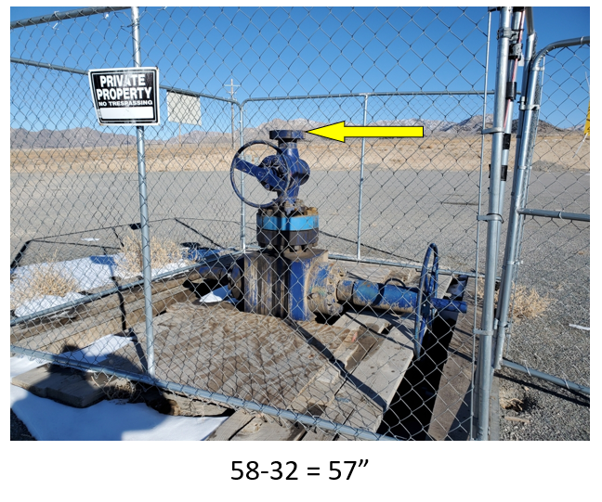
20 | 2566.32 | -1321.32 | 4651.60 | 20 | -90.50 | 10.00 | 4765.60
21 | 2562.32 | -1321.22 | 4683.30 | 21 | -94.50 | 10.10 | 4797.30
22 | 2558.62 | -1321.02 | 4713.10 | 22 | -98.20 | 10.30 | 4827.10
23 | 2554.72 | -1320.62 | 4744.90 | 23 | -102.10 | 10.70 | 4858.90
24 | 2551.32 | -1320.22 | 4776.70 | 24 | -105.50 | 11.10 | 4890.70
25 | 2548.32 | -1319.82 | 4807.50 | 25 | -108.50 | 11.50 | 4921.50
26 | 2545.62 | -1319.52 | 4839.40 | 26 | -111.20 | 11.80 | 4953.40
27 | 2543.22 | -1319.52 | 4871.30 | 27 | -113.60 | 11.80 | 4985.30
28 | 2541.32 | -1319.72 | 4903.30 | 28 | -115.50 | 11.60 | 5017.30
29 | 2540.02 | -1320.12 | 4934.20 | 29 | -116.80 | 11.20 | 5048.20
30 | 2539.02 | -1320.42 | 4966.20 | 30 | -117.80 | 10.90 | 5080.20
31 | 2538.12 | -1320.52 | 4998.20 | 31 | -118.70 | 10.80 | 5112.20
32 | 2537.22 | -1320.52 | 5030.20 | 32 | -119.60 | 10.80 | 5144.20
33 | 2536.32 | -1320.22 | 5062.20 | 33 | -120.50 | 11.10 | 5176.20
34 | 2535.52 | -1319.82 | 5093.20 | 34 | -121.30 | 11.50 | 5207.20
35 | 2534.82 | -1319.62 | 5125.20 | 35 | -122.00 | 11.70 | 5239.20
36 | 2534.32 | -1319.62 | 5157.20 | 36 | -122.50 | 11.70 | 5271.20
37 | 2533.72 | -1319.92 | 5189.20 | 37 | -123.10 | 11.40 | 5303.20
38 | 2532.92 | -1320.32 | 5220.10 | 38 | -123.90 | 11.00 | 5334.10
39 | 2532.22 | -1320.72 | 5252.10 | 39 | -124.60 | 10.60 | 5366.10
40 | 2531.92 | -1321.12 | 5284.10 | 40 | -124.90 | 10.20 | 5398.10
41 | 2532.52 | -1323.72 | 5558.10 | 41 | -124.30 | 7.60 | 5672.10
42 | 2531.52 | -1322.72 | 5751.10 | 42 | -125.30 | 8.60 | 5865.10
43 | 2529.12 | -1318.02 | 5941.00 | 43 | -127.70 | 13.30 | 6055.00
44 | 2527.02 | -1307.92 | 6223.80 | 44 | -129.80 | 23.40 | 6337.80
45 | 2525.32 | -1302.52 | 6356.70 | 45 | -131.50 | 28.80 | 6470.70
46 | 2521.42 | -1299.12 | 6483.60 | 46 | -135.40 | 32.20 | 6597.60
47 | 2514.62 | -1298.02 | 6608.40 | 47 | -142.20 | 33.30 | 6722.40
48 | 2512.12 | -1297.72 | 6645.30 | 48 | -144.70 | 33.60 | 6759.30
49 | 2510.02 | -1297.42 | 6676.20 | 49 | -146.80 | 33.90 | 6790.20
50 | 2507.82 | -1297.12 | 6708.20 | 50 | -149.00 | 34.20 | 6822.20
51 | 2505.92 | -1296.72 | 6740.10 | 51 | -150.90 | 34.60 | 6854.10
52 | 2504.42 | -1296.52 | 6772.10 | 52 | -152.40 | 34.80 | 6886.10
53 | 2503.42 | -1296.42 | 6804.10 | 53 | -153.40 | 34.90 | 6918.10
54 | 2502.02 | -1296.62 | 6867.00 | 54 | -154.80 | 34.70 | 6981.00
55 | 2501.52 | -1296.62 | 6899.00 | 55 | -155.30 | 34.70 | 7013.00
56 | 2500.92 | -1296.42 | 6931.00 | 56 | -155.90 | 34.90 | 7045.00
57 | 2500.32 | -1296.22 | 6962.00 | 57 | -156.50 | 35.10 | 7076.00
58 | 2499.62 | -1296.22 | 6994.00 | 58 | -157.20 | 35.10 | 7108.00
59 | 2493.52 | -1295.72 | 7234.90 | 59 | -163.30 | 35.60 | 7348.90

