Generali (1)
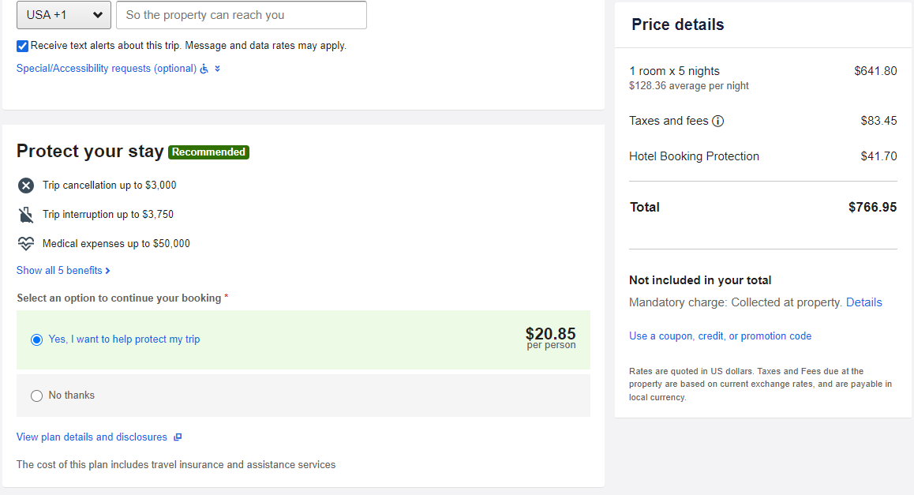
Input Information |  | Functionality
Provider: | Generali Global Assistance
website: | https://www.expedia.com/
Departure Location: | None
Arrival Location: | Miami, FL (Domestic)
Dates: | 08/26/23 - 08/31/23
Tickets/Rooms: | 2 Travelers, 1 Room
Additionals: | Embassy Suites, Suite 1 King Bed

Offer
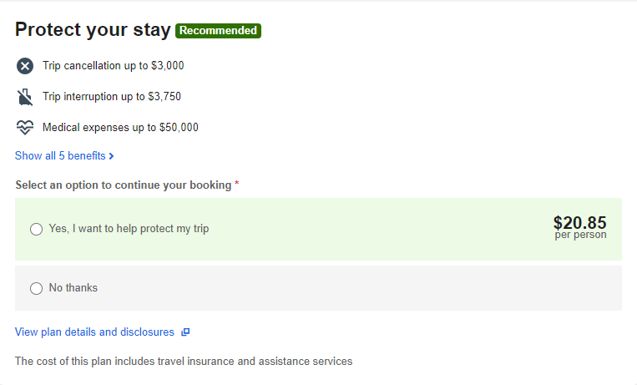

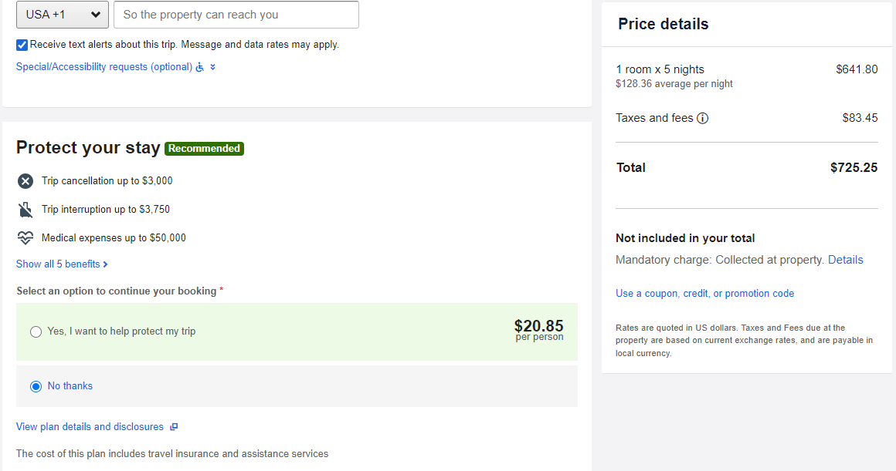

Copy Text
Protect your stay
Trip cancellation up to $3,000
Trip interruption up to $3,750
Medical expenses up to $50,000
Show all 5 benefits (modal popup)
() Yes, I want to help protect my trip $20.85 per person
() No thanks
View plan details and disclosures (new tab)
The cost of this plan includes travel insurance and assistance services

Generali (2)
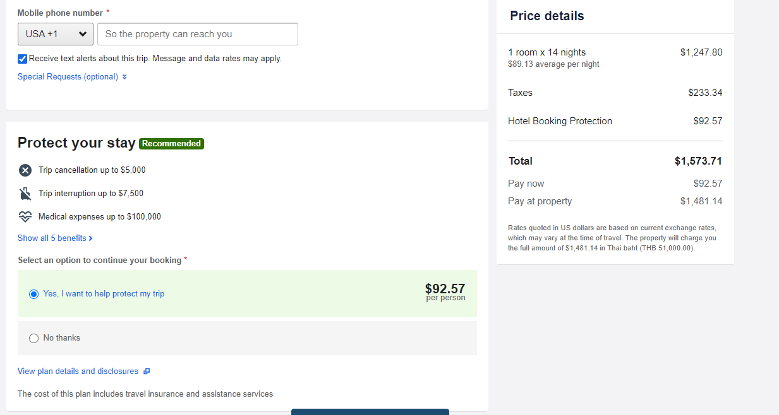
Input Information |  | Functionality
Provider: | Generali Global Assistance
website: | https://www.expedia.com/
Departure Location: | None
Arrival Location: | Phuket, TH - International
Dates: | 03/15/24 - 03/26/24
Tickets/Rooms: | 1 Traveler, 1 room
Additionals: | Wyndham Grand Phuket Kalim Bay, Deluxe Room

Offer
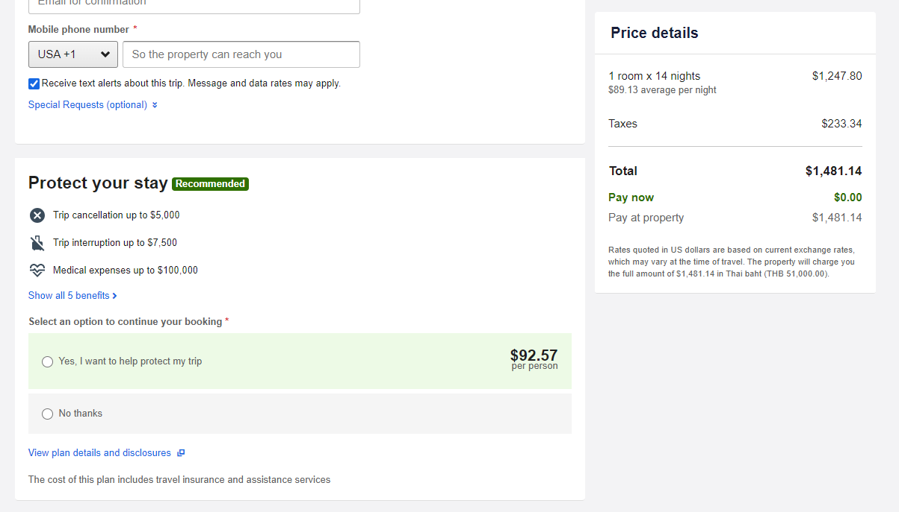
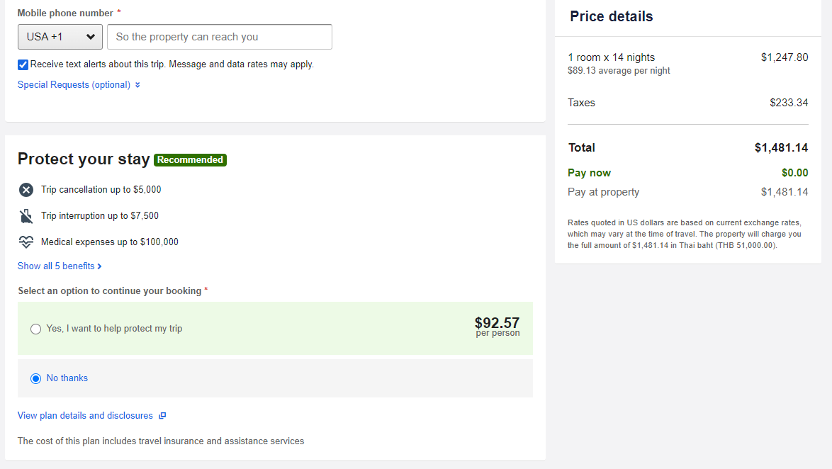

Copy Text
Protect your stay
Trip cancellation up to $5,000
Trip interruption up to $7,500
Medical expenses up to $100,000
Show all 5 benefits (modal popup)
() Yes, I want to help protect my trip $92.57 per person
() No thanks
View plan details and disclosures (new tab)
The cost of this plan includes travel insurance and assistance services

Allianz (1)
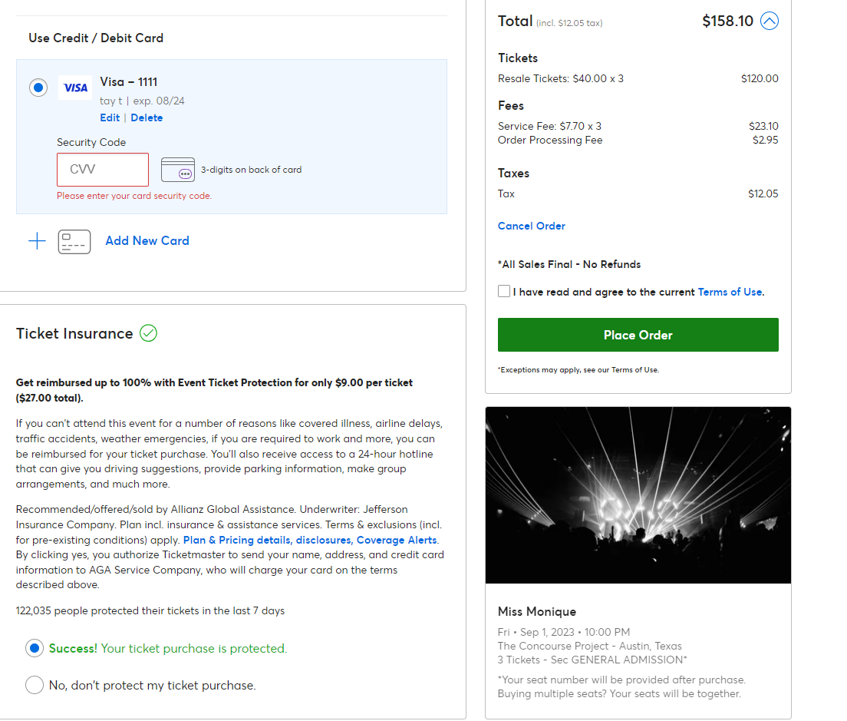
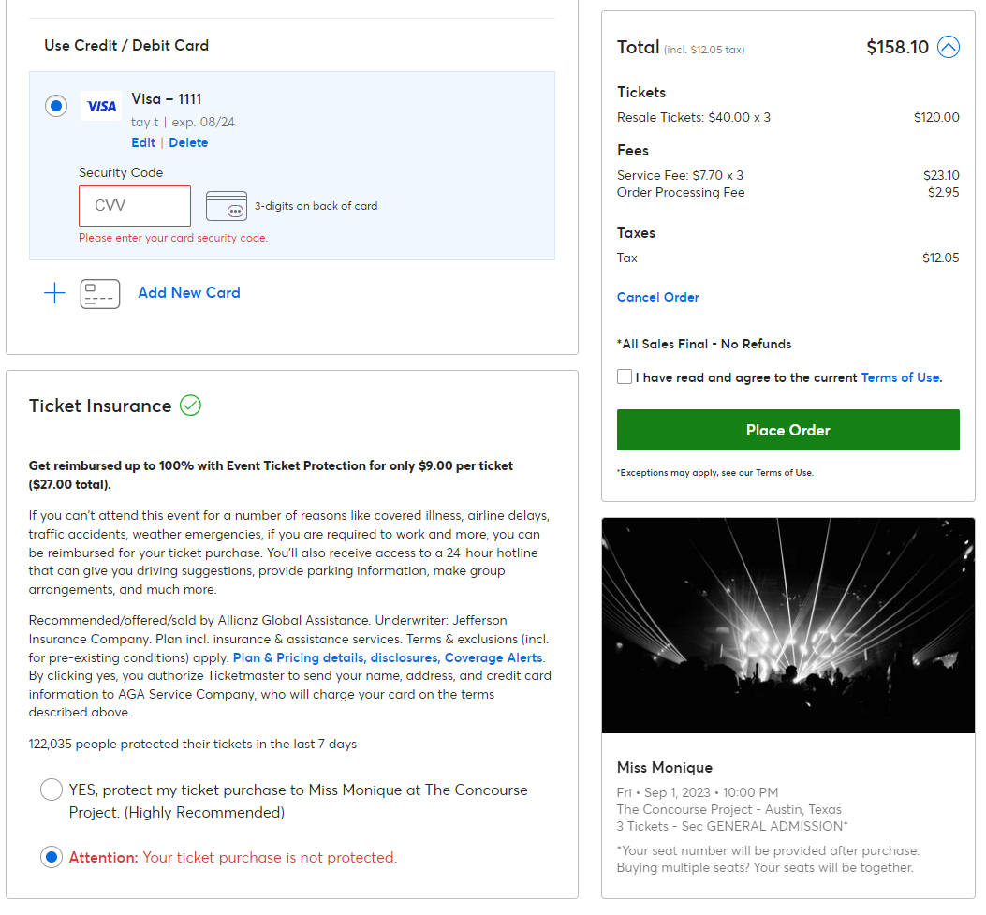
Input Information |  | Functionality
Provider: | Allianz
website: | https://www.ticketmaster.com/
Departure Location: | New york, NY
Arrival Location: | Austin TX
Dates: | 2023-09-01
Tickets/Rooms: | 3 Ticket
Additionals: | General Admission

Offer
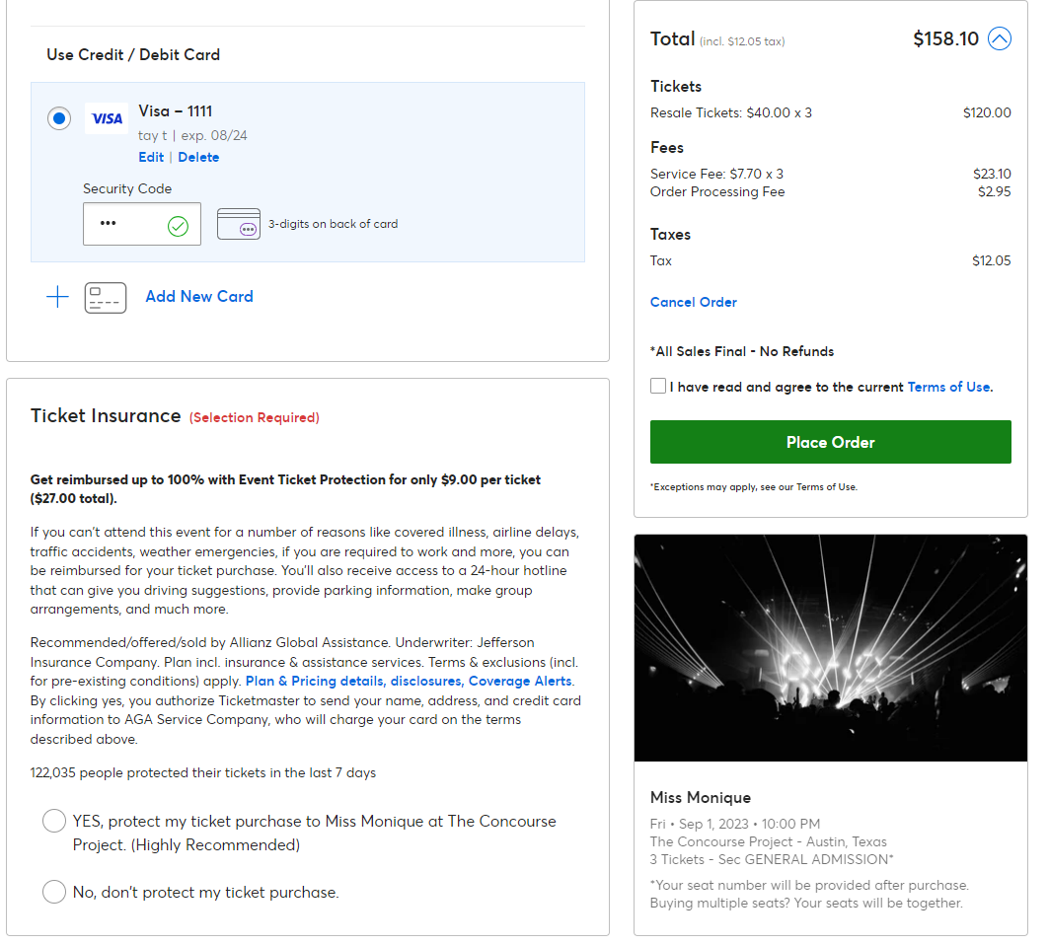

 |  | Copy Text
 |  | Ticket Insurance (selection Required)
 |  | Get reimbursed up to 100% with Event Ticket Protection for only $9.00 per ticket $27.00 total).
 |  | If you can't attend this event for a number of reasons like covered illness, airline delays, traffic accidents, weather emergencies, if you are required to work and more, you can be reimbursed for your ticket purchase. You'll also receive access to a 24-hour hotline that can give you driving suggestions, provide parking information, make group arrangements, and much more.
 |  | Recommended/offered/sold by Allianz Global Assistance. Underwriter: Jefferson Insurance Company. Plan incl. insurance & assistance services. Terms & exclusions (incl. for pre-existing conditions) apply. Plan & Pricing details, disclosures, Coverage AlertsLearn more about terms and conditions. Link opens in a new window.. By clicking yes, you authorize Ticketmaster to send your name, address, and credit card information to AGA Service Company, who will charge your card on the terms described above.
 |  | 122,035 people protected their tickets in the last 7 days
 |  | () YES, protect my ticket purchase to Miss Monique at The Concourse Project. (Highly Recommended)
 |  | () No, don't protect my ticket purchase.

Allianz (2)
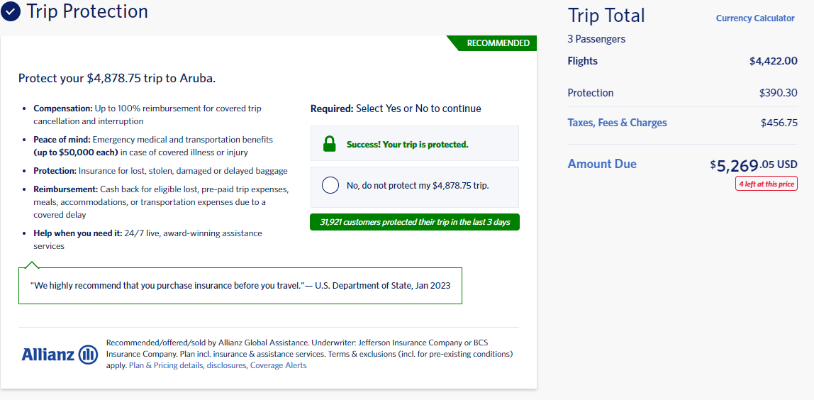
Input Information |  | Functionality
Provider: | Allianz
website: | https://www.delta.com/
Departure Location: | Seoul
Arrival Location: | Taipei
Dates: | 11/23/2023 One Way
Tickets/Rooms: | 2 Passengers
Additionals: | Economy Flex

Offer
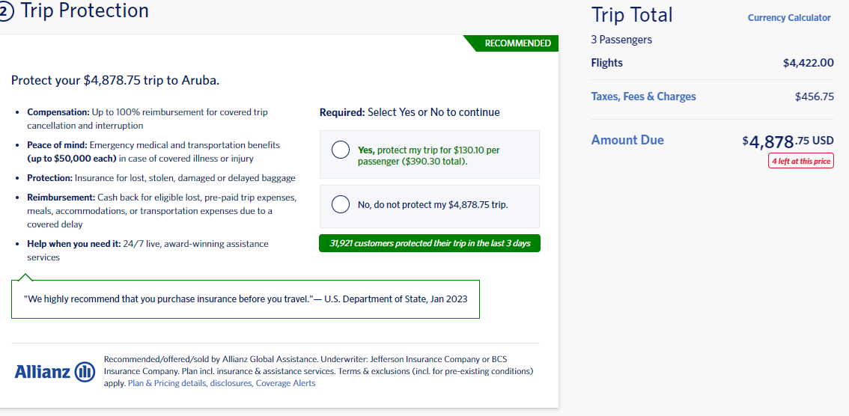

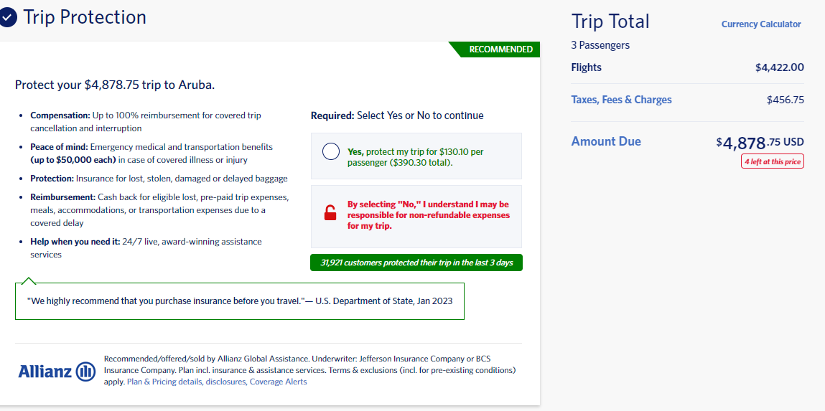

Copy Text
RECOMMENDED
Protect your $4,878.75 trip to Aruba.
Peace of mind: Emergency medical and transportation benefits (up to $50,000 each) in case of covered illness or injury
Protection: Insurance for lost, stolen, damaged or delayed baggage
Reimbursement: Cash back for eligible lost, pre-paid trip expenses, meals, accommodations, or transportation expenses due to a covered delay
Help when you need it: 24/7 live, award-winning assistance services
"We highly recommend that you purchase insurance before you travel." — U.S. Department of State, Jan 2023
Trip Insurance Recommended/offered/sold by Allianz Global Assistance. Underwriter: Jefferson Insurance Company or BCS Insurance Company. Plan incl. insurance & assistance services. Terms & exclusions (incl. for pre-existing conditions) apply. Plan & Pricing details, disclosures, Coverage Alerts
Required: Select Yes or No to continue
() Yes, protect my trip for $130.10 per passenger ($390.30 total).
() By selecting "No," I understand I may be responsible for non-refundable expenses for my trip.

Travel Guard (1)
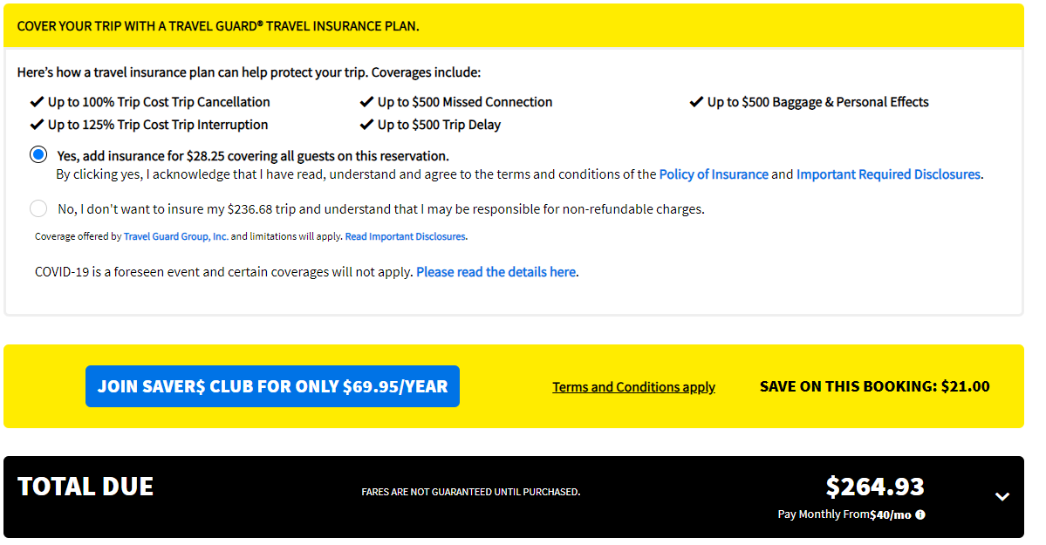
Input Information |  | Functionality
Provider: | Travel Guard
website: | https://www.spirit.com
Departure Location: | New York, NY (LGA)
Arrival Location: | Puerto Rico
Dates: | 2023-08-18
Tickets/Rooms: | 1 ticket
Additionals: | Saver$ Club

Offer
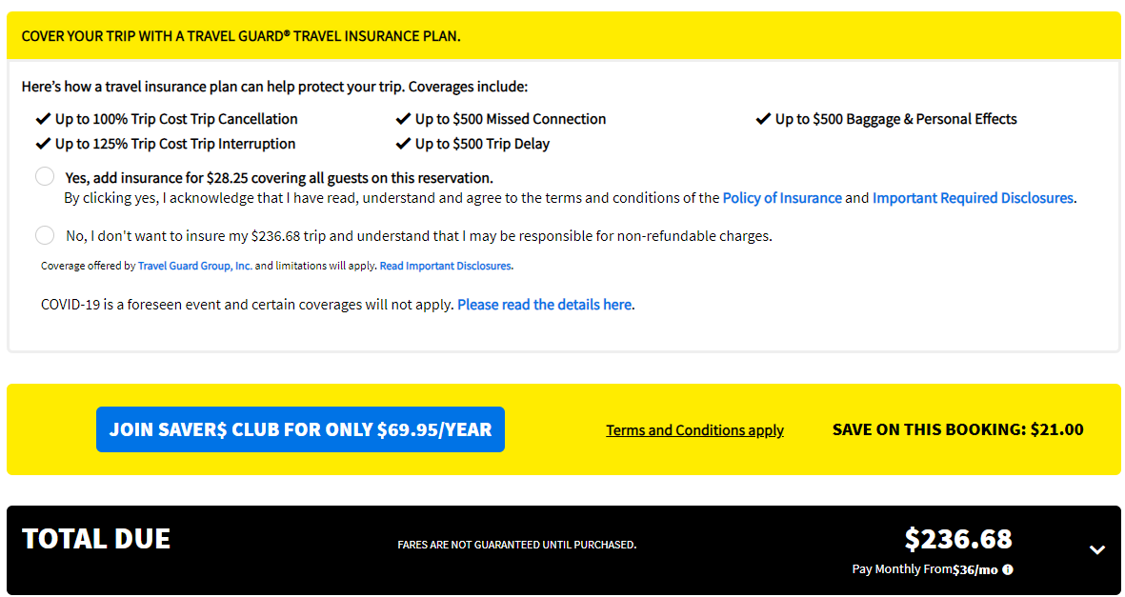

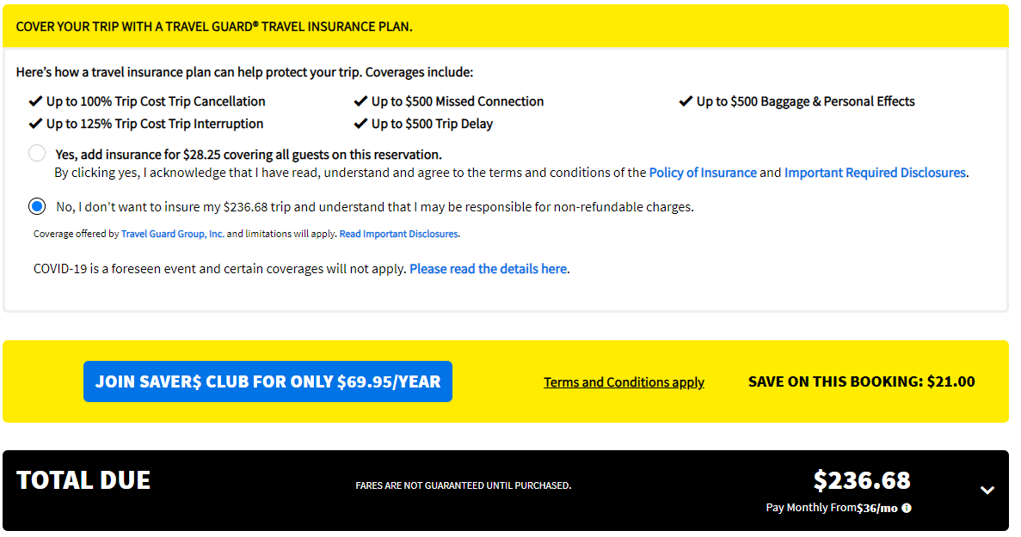

Copy Text
COVER YOUR TRIP WITH A TRAVEL GUARD® TRAVEL INSURANCE PLAN.
Here’s how a travel insurance plan can help protect your trip. Coverages include:
Up to 100% Trip Cost Trip Cancellation
Up to 125% Trip Cost Trip Interruption
Up to $500 Missed Connection
Up to $500 Trip Delay
Up to $500 Baggage & Personal Effects
() Yes, add insurance for $28.25 covering all guests on this reservation. By clicking yes, I acknowledge that I have read, understand and agree to the terms and conditions of the Policy of Insurance and Important Required Disclosures.
() No, I don't want to insure my $236.68 trip and understand that I may be responsible for non-refundable charges.
Coverage offered by Travel Guard Group, Inc. and limitations will apply. Read Important Disclosures.
COVID-19 is a foreseen event and certain coverages will not apply. Please read the details here.

Travel Guard (2)
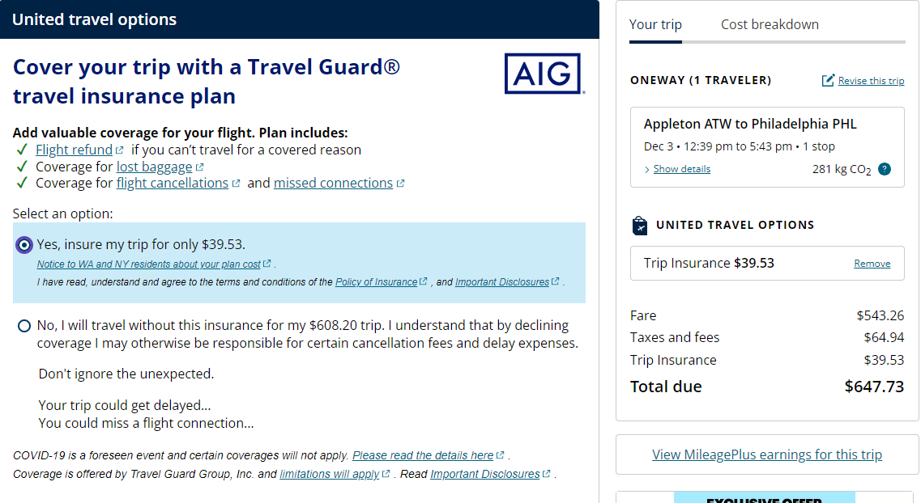
Input Information |  | Functionality
Provider: | Travel Guard
website: | https://www.united.com
Departure Location: | Appleton, WI (ATW)
Arrival Location: | Philadelphia, PA (PHI)
Dates: | 12/3/23 (one way)
Tickets/Rooms: | 1 ticket
Additionals: | Business Class

Offer
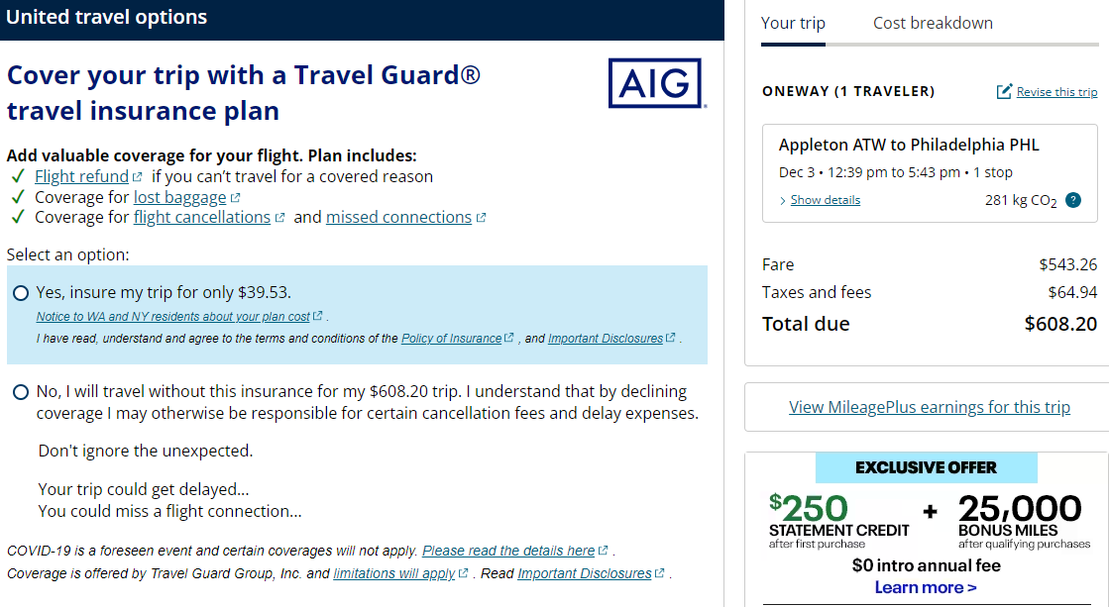

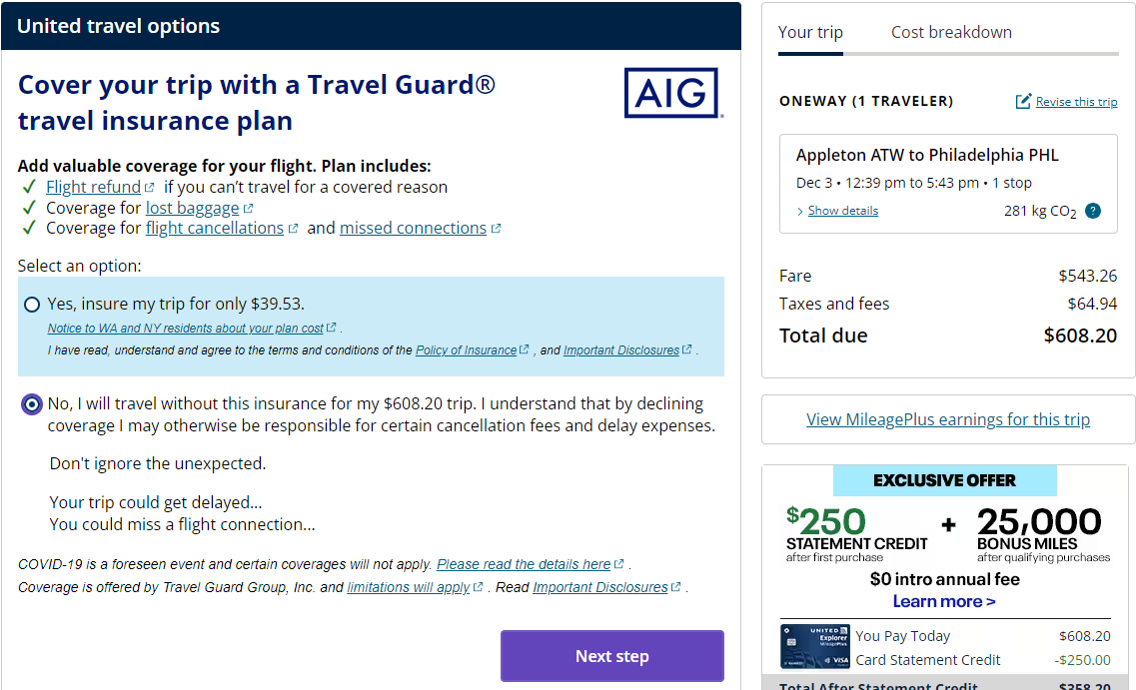

Copy Text
Cover your trip with a Travel Guard® travel insurance plan
Add valuable coverage for your flight. Plan includes:
Flight refundLink opens external site in new window that may or may not meet accessibility guidelines if you can’t travel for a covered reason
Coverage for lost baggage
Coverage for flight cancellationsLink opens external site in new window that may or may not meet accessibility guidelines and missed connections
Select an option:
() Yes, insure my trip for only $39.53. Notice to WA and NY residents about your plan costLink opens external site in new window that may or may not meet accessibility guidelines. I have read, understand and agree to the terms and conditions of the Policy of InsuranceLink opens external site in new window that may or may not meet accessibility guidelines, and Important DisclosuresLink opens external site in new window that may or may not meet accessibility guidelines.
() No, I will travel without this insurance for my $608.20 trip. I understand that by declining coverage I may otherwise be responsible for certain cancellation fees and delay expenses.
Don't ignore the unexpected.
Your trip could get delayed... You could miss a flight connection…
COVID-19 is a foreseen event and certain coverages will not apply. Please read the details hereLink opens external site in new window that may or may not meet accessibility guidelines.
Coverage is offered by Travel Guard Group, Inc. and limitations will applyLink opens external site in new window that may or may not meet accessibility guidelines. Read Important DisclosuresLink opens external site in new window that may or may not meet accessibility guidelines.

