Immediate Actions
Scenario | Image
Enemy snake only has one move to avoid destructing. We should make sure we do not head onto that coordinate. | 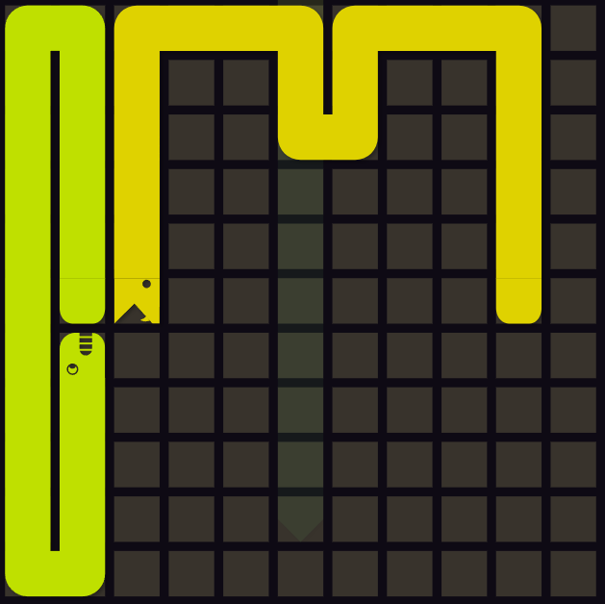
If the green snake is smart it will avoid moving into the pocket. This would mean it is about to move in front of the yellow snake. Yellow snake should take evasive action. | 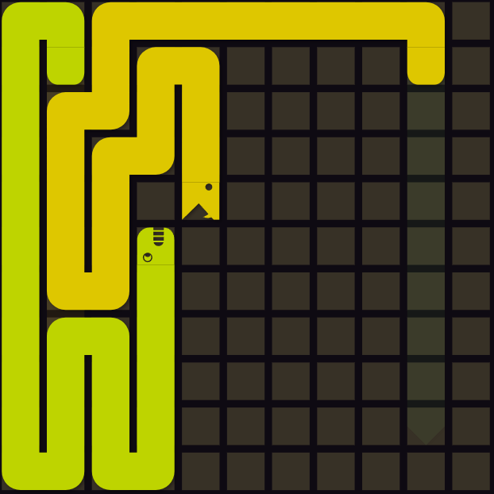
Two chambers are available for yellow. The bottom one has more space and the top one has less space with a snake already trapped in it. Going down would ensure a win. | 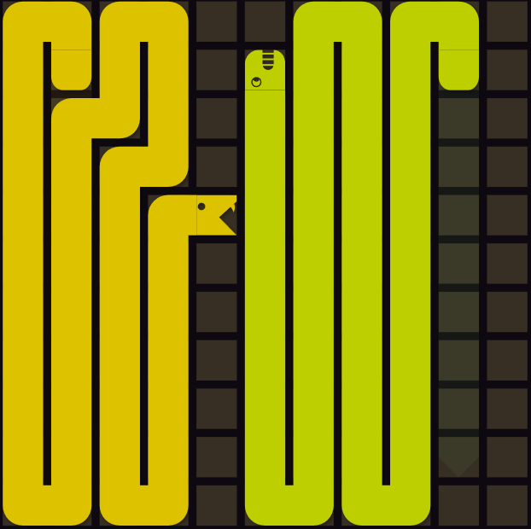

Grand Strategy
Scenario | Image
Cutting right would force the green snake to have less space no matter which direction it heads. If it continued going up, so could we and it would run out of space first. | 