General Su...y Report - FLAT-31
 | General Summary Report
CYMCAP Version |  | 9.0 1 Revision
Study: |  | flat
Execution: |  | smoketest_multi_backfill_regression
Date: |  | 2026-01-01 00:00:00
Simulation Data
Installation type: |  | Multiple Ductbanks
Steady State Option |  | Temperature
Ambient temperature [°C] |  | 30.00
Native Soil Thermal Resistivity [K.m/W] |  | 1.36
Consider Non-Isothermal Earth Surface |  | No
Consider effect of soil dry out |  | No
Consider Electrical interaction between circuits |  | No
Induced current in metallic layers as a fraction of conductor current (applied to all single phase circuits) [A] |  | 0.00
Installation Type:Multiple Ductbanks/Backfills
Ambient Soil Temperature at Installation Depth [°C] |  | 30.00
Native Soil Thermal Resistivity [K.m/W] |  | 1.36
Consider Non-Isothermal Earth Surface |  | No
Layer Name |  | X [m] | Y [m] | Width [m] | Height [m] | Thermal Resistivity [K.m/W]
Backfill |  | 1.75 | 0.90 | 1.30 | 1.00 | 1.00
Backfill |  | -1.75 | 0.90 | 1.30 | 1.00 | 1.00
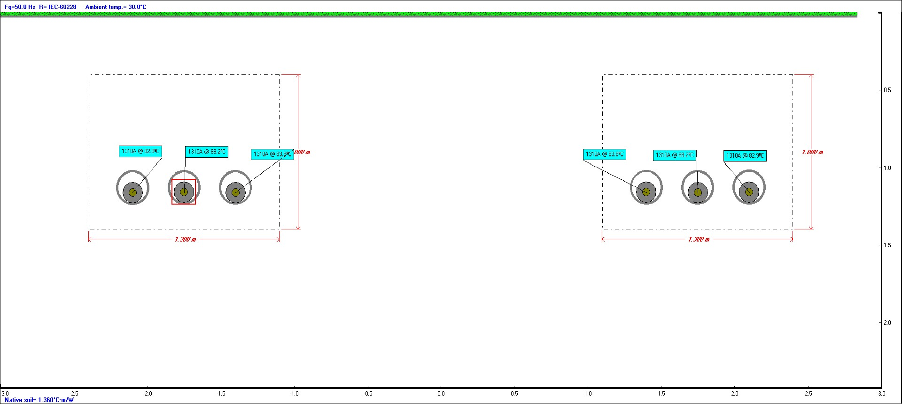
General Cable Information
Cable ID |  | Number of Cores | Conductor Construction | Voltage [kV] | Conductor Area [mm²] | Cable Overall Diameter [mm] | Maximum Steady-State Conductor Temperature [ºC] | Maximum Emergency Conductor Temperature [ºC]
1C132KV2000MM2CU |  | Single Core | 6 Segments | 132.00 | 2000.00 | 137.60 | 90.00 | 110.00
Detailed Cable Information
Cable ID |  | Conductor | Insulation | Sheath / Tape | Concentric Wires | Filler | Armour | Jacket / Armour Serving
1C132KV2000MM2CU |  | Copper | XLPE Unfilled | Aluminum | n/a | n/a | n/a | Polyethylene
General Input Data
Cable | Cable ID | Circuit No. | Phase | Fq [Hz] | X [m] | Y [m] | DLF [p.u.] | Sheath / Shield Bonding
Cable Index Number | Cable Equipment ID | Circuit No. | Cable Phase | Operating Frequency | X coordinate | Y coordinate | Daily Load Factor | Bonding Type
1 | 1C132KV2000MM2CU | 1 | A | 50.00 | 1.40 | 1.16 | 1.00 | 1 Conductor 1 Point Bonded Flat
2 | 1C132KV2000MM2CU | 1 | B | 50.00 | 1.75 | 1.16 | 1.00 | 1 Conductor 1 Point Bonded Flat
3 | 1C132KV2000MM2CU | 1 | C | 50.00 | 2.10 | 1.16 | 1.00 | 1 Conductor 1 Point Bonded Flat
4 | 1C132KV2000MM2CU | 2 | A | 50.00 | -2.10 | 1.16 | 1.00 | 1 Conductor 1 Point Bonded Flat
5 | 1C132KV2000MM2CU | 2 | B | 50.00 | -1.75 | 1.16 | 1.00 | 1 Conductor 1 Point Bonded Flat
6 | 1C132KV2000MM2CU | 2 | C | 50.00 | -1.40 | 1.16 | 1.00 | 1 Conductor 1 Point Bonded Flat
Ampacity and Temperatures
Cable | Cable ID | I [A] | θc [°C] | θs [°C] | θa [°C] | θsurf [°C] | θduct [°C] | θair / θcasing [°C]
Cable Index Number | Cable Equipment ID | Steady State Ampacity | Conductor temperature | Sheath/Shield temperature | Armour temperature | Cable surface temperature | Duct surface temperature | Mean air temperature in the tunnel / Casing surface temperature
1 | 1C132KV2000MM2CU | 1310.00 | 83.79 | 72.07 | n/a | 69.79 | 62.48 | n/a
2 | 1C132KV2000MM2CU | 1310.00 | 88.19 | 76.33 | n/a | 73.70 | 65.38 | n/a
3 | 1C132KV2000MM2CU | 1310.00 | 82.92 | 71.22 | n/a | 68.94 | 61.58 | n/a
4 | 1C132KV2000MM2CU | 1310.00 | 82.84 | 71.15 | n/a | 68.87 | 61.55 | n/a
5 | 1C132KV2000MM2CU | 1310.00 | 88.20 | 76.34 | n/a | 73.71 | 65.39 | n/a
6 | 1C132KV2000MM2CU | 1310.00 | 83.88 | 72.16 | n/a | 69.87 | 62.52 | n/a
Electrical Resistances
Cable | Cable ID | R₀ [Ω/km] | ys | yp | R [Ω/km] | R's [Ω/km] | R'w [Ω/km] | R'a [Ω/km]
Cable Index Number | Cable Equipment ID | DC Resistance of the conductor at 20°C | Skin Effect Factor | Proximity Effect Factor | AC Resistance of Conductor at Operating Temperature | DC Resistance of Sheath at Operating Temperature | DC Resistance of Concentric Wires at Operating Temperature | DC Resistance of Armor at Operating Temperature
1 | 1C132KV2000MM2CU | 0.01 | 0.07 | 0.00 | 0.01 | 0.04 | n/a | n/a
2 | 1C132KV2000MM2CU | 0.01 | 0.07 | 0.00 | 0.01 | 0.04 | n/a | n/a
3 | 1C132KV2000MM2CU | 0.01 | 0.08 | 0.00 | 0.01 | 0.04 | n/a | n/a
4 | 1C132KV2000MM2CU | 0.01 | 0.08 | 0.00 | 0.01 | 0.04 | n/a | n/a
5 | 1C132KV2000MM2CU | 0.01 | 0.07 | 0.00 | 0.01 | 0.04 | n/a | n/a
6 | 1C132KV2000MM2CU | 0.01 | 0.07 | 0.00 | 0.01 | 0.04 | n/a | n/a
Thermal Resistances
Cable | Cable ID | T₁ [K.m/W] | T₂ [K.m/W] | T₃ [K.m/W] | T₄' [K.m/W] | T₄'' [K.m/W] | T₄''' [K.m/W] | T₄ [K.m/W]
Cable Index Number | Cable Equipment ID | Thermal resistance of insulation | Thermal resistance of bedding | Thermal resistance of outer covering | Thermal resistance inside the duct | Thermal resistance of the duct | Thermal resistance of the external medium | Total external thermal resistance
1 | 1C132KV2000MM2CU | 0.56 | 0.00 | 0.10 | 0.21 | 0.11 | 1.45 | 1.78
2 | 1C132KV2000MM2CU | 0.56 | 0.00 | 0.10 | 0.21 | 0.11 | 1.37 | 1.69
3 | 1C132KV2000MM2CU | 0.56 | 0.00 | 0.10 | 0.22 | 0.11 | 1.41 | 1.74
4 | 1C132KV2000MM2CU | 0.56 | 0.00 | 0.10 | 0.22 | 0.11 | 1.41 | 1.74
5 | 1C132KV2000MM2CU | 0.56 | 0.00 | 0.10 | 0.21 | 0.11 | 1.37 | 1.69
6 | 1C132KV2000MM2CU | 0.56 | 0.00 | 0.10 | 0.21 | 0.11 | 1.45 | 1.77
Losses
Cable | Cable ID | Wc [W/m] | Wd [W/m] | Ws [W/m] | Wa [W/m] | Wt [W/m] | ƛ₁ | ƛ₂
Cable Index Number | Cable Equipment ID | Conductor Losses | Dielectric Losses | Metallic Screen Losses | Armor/Pipe Losses | Total Losses | Screen Loss Factor | Armour Loss Factor + Pipe Loss Factor
1 | 1C132KV2000MM2CU | 20.81 | 0.52 | 1.04 | 0.00 | 22.37 | 0.05 | 0.00
2 | 1C132KV2000MM2CU | 21.06 | 0.52 | 4.22 | 0.00 | 25.80 | 0.20 | 0.00
3 | 1C132KV2000MM2CU | 20.76 | 0.52 | 1.15 | 0.00 | 22.44 | 0.06 | 0.00
4 | 1C132KV2000MM2CU | 20.76 | 0.52 | 1.04 | 0.00 | 22.32 | 0.05 | 0.00
5 | 1C132KV2000MM2CU | 21.06 | 0.52 | 4.22 | 0.00 | 25.80 | 0.20 | 0.00
6 | 1C132KV2000MM2CU | 20.82 | 0.52 | 1.15 | 0.00 | 22.49 | 0.06 | 0.00
Complementary Information
Cable | Cable ID | Δθint [°C] | [A] | [µF/km] | [Ω] | [Ω/km] | [Ω/km] | [V/A/km]
Cable Index Number | Cable Equipment ID | Temperature rise due to surrounding heat sources | Induced current on Metallic Screen | Cable Capacitance | Surge Impedance | Reactance of Conductor | Reactance of Metallic Sheath | Voltage drop for Three Phase System
1 | 1C132KV2000MM2CU | 19.51 | 0.00 | 0.29 | 43.96 | 0.17 | 0.12 | 0.02
2 | 1C132KV2000MM2CU | 20.43 | 0.00 | 0.29 | 43.96 | 0.17 | 0.12 | 0.02
3 | 1C132KV2000MM2CU | 18.54 | 0.00 | 0.29 | 43.96 | 0.17 | 0.12 | 0.02
4 | 1C132KV2000MM2CU | 18.58 | 0.00 | 0.29 | 43.96 | 0.17 | 0.12 | 0.02
5 | 1C132KV2000MM2CU | 20.43 | 0.00 | 0.29 | 43.96 | 0.17 | 0.12 | 0.02
6 | 1C132KV2000MM2CU | 19.48 | 0.00 | 0.29 | 43.96 | 0.17 | 0.12 | 0.02

Cable - 1C...000MM2CU - FLAT-31
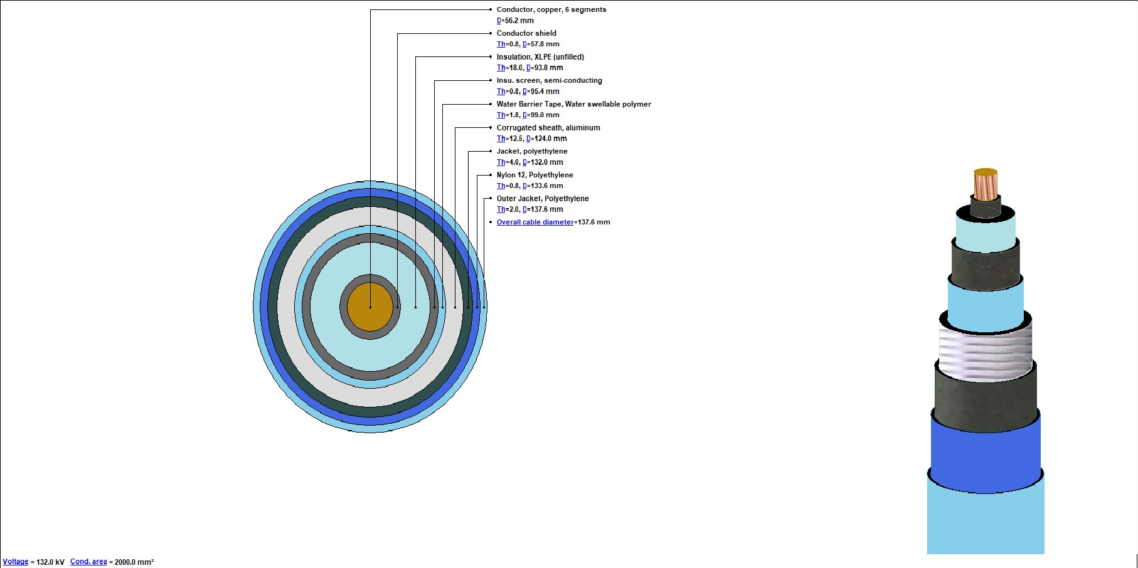
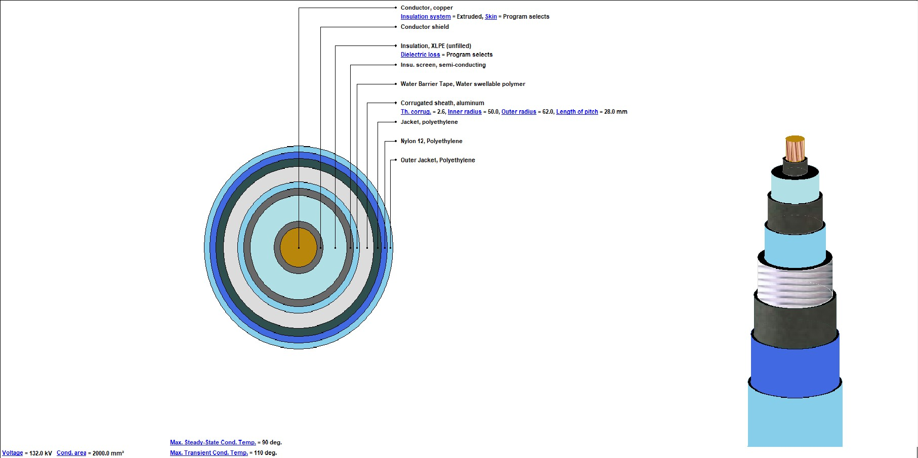
 | Cables Report
CYMCAP Version |  | 9.0 1 Revision
Study: |  | flat
Execution: |  | smoketest_multi_backfill_regression
Date: |  | 2026-01-01 00:00:00
No. | Description |  | Unit | 1
General Cable Information
1 | Cable Equipment ID |  |  | 1C132KV2000MM2CU
2 | Number of Cores |  |  | Single Core
3 | Voltage |  | [kV] | 132.00
4 | Conductor Area |  | [mm²] | 2000.00
5 | Cable Overall Diameter |  | [mm] | 137.60
6 | Maximum Steady-State Conductor Temperature |  | [°C] | 90.00
7 | Maximum Emergency Conductor Temperature |  | [°C] | 110.00
Conductor
8 | Material |  |  | Copper
9 | Electrical Resistivity at 20°C |  | [µΩ.cm] | 1.72
10 | Temperature Coefficient at 20°C |  | [1/K] | 0.00
11 | Reciprocal of Temperature Coefficient of Resistance (BETA) |  | [K] | 234.45
12 | Volumetric Specific Heat (SH) |  | [J/(K*cm³)] | 3.45
13 | Construction |  |  | 6 Segments
14 | Conductor Insulation System |  |  | Extruded
15 | Milliken Wires Construction |  |  | Insulated Wires
16 | Ks (Skin Effect Coefficient) |  |  | 0.35
17 | Kp (Proximity Effect Coefficient) |  |  | 0.20
18 | Diameter |  | [mm] | 56.20
Conductor Shield
19 | Thickness |  | [mm] | 0.80
20 | Diameter |  | [mm] | 57.80
Insulation
21 | Material |  |  | XLPE Unfilled
22 | Thermal Resistivity |  | [K.m/W] | 3.50
23 | Dielectric Loss Factor - ( tan delta ) |  |  | 0.00
24 | Relative Permittivity - ( epsilon ) |  |  | 2.50
25 | Specific Insulation Resistance Constant at 60°F - ( K ) |  | [㏁.km] | 6096.00
26 | Thickness |  | [mm] | 18.00
27 | Diameter |  | [mm] | 93.80
Insulation Screen
28 | Material |  |  | Semi Conducting Screen
29 | Thickness |  | [mm] | 0.80
30 | Diameter |  | [mm] | 95.40
Non Metallic Layer - Water Barrier Tape
31 | Material |  |  | WATER SWELLABLE POLYMER
32 | Thermal Resistivity |  | [K.m/W] | 12.00
33 | Thickness |  | [mm] | 1.80
34 | Diameter |  | [mm] | 99.00
Sheath
35 | Is Sheath Around Each Core? |  |  | n/a
36 | Material |  |  | Aluminum
37 | Electrical Resistivity at 20°C |  | [µΩ.cm] | 2.84
38 | Temperature Coefficient at 20°C |  | [1/K] | 0.00
39 | Reciprocal of Temperature Coefficient of Resistance (BETA) |  | [K] | 228.00
40 | Volumetric Specific Heat (SH) |  | [J/(K*cm³)] | 2.50
41 | Corrugation Type |  |  | Corrugated
42 | Thickness of the corrugated sheath |  | [mm] | 2.60
43 | Inner radius of the corrugated sheath |  | [mm] | 50.00
44 | Outer radius of the corrugated sheath |  | [mm] | 62.00
45 | Thickness |  | [mm] | 12.00
46 | Diameter |  | [mm] | 124.00
Jacket
47 | Material |  |  | Polyethylene
48 | Thermal Resistivity |  | [K.m/W] | 3.50
49 | Thickness |  | [mm] | 4.00
50 | Diameter |  | [mm] | 132.00
Non Metallic Layer - Nylon 12
51 | Material |  |  | POLYETHYLENE
52 | Thermal Resistivity |  | [K.m/W] | 3.50
53 | Thickness |  | [mm] | 0.80
54 | Diameter |  | [mm] | 133.60
Non Metallic Layer - Outer Jacket
55 | Material |  |  | POLYETHYLENE
56 | Thermal Resistivity |  | [K.m/W] | 3.50
57 | Thickness |  | [mm] | 2.00
58 | Diameter |  | [mm] | 137.60

No. | Description |  | Unit | 1
Specific Installation Data
59 | Cable Equipment ID |  |  | 1C132KV2000MM2CU
60 | Cable Frequency |  | [Hz] | 50.00
61 | Sheath / Shield Bonding |  |  | 1 Conductor 1 Point Bonded Flat
62 | Loss Factor Constant (ALOS) |  |  | 0.57
63 | Conduit construction |  |  | PVC Duct in Concrete
64 | Conduit material thermal resistivity |  | [K.m/W] | 6.00
65 | Conduit filling material |  |  | Air
66 | Inner diameter of the conduit |  | [mm] | 200.00
67 | Outer diameter of the conduit |  | [mm] | 225.00

Cable ID : 1C132KV2000MM2CU
Cable Title |  | 1c 132kV 2000mm2 Cu

