Sheet1
 |  | Technologies Company Limited

USB3.1 C-C GEN2

Test Report

Test Date:

2022/10/09 14:31

P/N :USB3.1 C-C GEN2 DUT Length(M):1 Specifications:USB_32_G2 Software Rev.:7.2.3175 Tester:Eva Test Date:2022/10/09 14:31

 |  |  |  |  |  |  |  |  | Page 1 of 16

Test Equipment List :

Equip. | P/N (S/N) |  |  | Description
NA | E5071C (MY46630774) |  |  | Freq(10 MHz~15. GHz)/ Points(1500)/ IFbw(30 KHz)/ Power(0 dBm)
 | Z0( 50 ohm)/ PortZ( 42.5 ohm)/ THRU_Cal(Off)/ Deembed( USB4-219_Tx.s2p , USB4-219_Rx.s2p )
TDR | NA_TD (MY46630774) |  |  | PortZ(50 ohm)/ Deembed( USB4-219_Tx.s2p , USB4-219_Rx.s2p )

Device Under Test ( DUT ) & Test Environment Information :

DUT Name: |  | USB3.1 C-C GEN2 |  |  |  |  | Specifications: | USB Type-C Connectors and Cabl
DUT Bundle: |  |  |  |  |  |  | DUT Lot: | 2
Note: |  |  |  |  |  |  | Test Pair: | 5 Pairs

Test Result Summary:

 | Normative parameters :
 | 1 | DD Pair_Attenuation
 | 2 | DD Pair_Differential Impedance
 | 3 | DD Pair_Propagation Delay
 | 4 | DD Pair_Intra Pair Skew
 | 5 | SS Pair_Insertion Loss Fit
 | 6 | SS Pair_Integrated Multi-reflection (IMR)
 | 7 | SS Pair_Integrated Return Loss (IRL)
 | 8 | SS Pair_SCD12_Differential to Common Mode conversion
 | 9 | SS Pair_SCD21_Differential to Common Mode conversion
 | 10 | INEXT and IFEXT
 | 11 | IDDXT_1NEXT+FEXT and, IDDXT_2NEXT

 | Informative parameters :
 | 10 | SS Pair_Insertion Loss
 | 11 | SS Pair_SDC21_Differential to Common Mode conversion
 | 12 | SS Pair_Differential Impedance
 | 13 | SingleEnd Impedance(L/R)
 | 14 | Connector Impedance_(L/R)
 | 15 | SS Pair_Intra Pair skew

 |  |  |  |  |  | Test Result:

 |  |  |  |  |  |  |  |  | Page 2 of 16

Test Data Summary Page 1 of 3

SS Pair_Insertion Loss
Start Freq | End Freq | Spec Max | Spec Min | SS_Tx1 / SS_Rx1 | SS_Tx2 / SS_Rx2
2500 | 2500 | -- | -- | -- | --
5000 | 5000 | -- | -- | -- | --
10000 | 10000 | -- | -- | -- | --
MHz | MHz | dB | dB | -- | --

SS Pair_SDC21_Differential to Common Mode conversion
Start Freq | End Freq | Spec Max | Spec Min | SS_Tx1 / SS_Rx1 | SS_Tx2 / SS_Rx2
100 | 10000 |  | --
MHz | MHz | dB | dB

SS Pair_SCD12_Differential to Common Mode conversion
Start Freq | End Freq | Spec Max | Spec Min | SS_Tx1 / SS_Rx1 | SS_Tx2 / SS_Rx2
100 | 10000 |  | --
MHz | MHz | dB | dB

SS Pair_SCD21_Differential to Common Mode conversion
Start Freq | End Freq | Spec Max | Spec Min | SS_Tx1 / SS_Rx1 | SS_Tx2 / SS_Rx2
100 | 10000 |  | --
MHz | MHz | dB | dB

Differential Impedance
Pair Name | Spec Max | Spec Min | Max Value | Min Value | Differ. | Average | Status
SS_Tx1 / SS_Rx1 | 95 |  |  |  |  |  | --
SS_Tx2 / SS_Rx2 | 95 |  |  |  |  |  | --
Unit : | Ohm | Ohm | Ohm | Ohm | Ohm | Ohm | --

 |  |  |  |  |  |  |  |  | Page 3 of 16

Test Data Summary Page 2 of 3

Single End Impedance
Pair Name | Spec Max | Spec Min | Max Value | Min Value | Differ. | Average | Status
SS_Tx1+ (L) | 48 | 42 | 45.90 |  |  | 45.56 | --
SS_Tx1- (L) | 48 | 42 | 45.52 |  |  | 45.23 | --
SS_Tx1+ (R) | 48 | 42 | 45.90 |  |  | 45.56 | --
SS_Tx1- (R) | 48 | 42 | 45.52 |  |  | 45.23 | --
SS_Rx1+ (L) | 48 | 42 | 45.79 |  |  | 45.52 | --
SS_Rx1- (L) | 48 | 42 | 46.00 |  |  | 45.75 | --
SS_Rx1+ (R) | 48 | 42 | 45.79 |  |  | 45.52 | --
SS_Rx1- (R) | 48 | 42 | 46.00 |  |  | 45.75 | --
SS_Tx2+ (L) | 48 | 42 | 45.53 |  |  | 45.23 | --
SS_Tx2- (L) | 48 | 42 | 45.81 |  |  | 45.55 | --
SS_Tx2+ (R) | 48 | 42 | 45.53 |  |  | 45.23 | --
SS_Tx2- (R) | 48 | 42 | 45.81 |  |  | 45.55 | --
SS_Rx2+ (L) | 48 | 42 | 45.59 |  |  | 45.39 | --
SS_Rx2- (L) | 48 | 42 | 46.01 |  |  | 45.72 | --
SS_Rx2+ (R) | 48 | 42 | 45.59 |  |  | 45.39 | --
SS_Rx2- (R) | 48 | 42 | 46.01 |  |  | 45.72 | --
Unit : | Ohm | Ohm | Ohm | Ohm | Ohm | Ohm | --

Connector Impedance(L)
Pair Name | Spec Max | Spec Min | Max Value | Min Value | Differ. | Average | Status
SS_Tx1 / SS_Rx1 |  |  |  |  |  |  | --
SS_Tx2 / SS_Rx2 |  |  |  |  |  |  | --
Unit : | Ohm | Ohm | Ohm | Ohm | Ohm | Ohm | --

Connector Impedance(R)
Pair Name | Spec Max | Spec Min | Max Value | Min Value | Differ. | Average | Status
SS_Tx1 / SS_Rx1 | 94 | 76 |  |  |  |  | --
SS_Tx2 / SS_Rx2 | 94 | 76 |  |  |  |  | --
Unit : | Ohm | Ohm | Ohm | Ohm | Ohm | Ohm | --

SS Pair_Intra Pair skew
Pair Name | Spec Max | Spec Min | Skew Val. | Status
SS_Tx1 | 10 | -- |  | --
SS_Rx1 | 10 | -- |  | --
SS_Tx2 | 10 | -- |  | --
SS_Rx2 | 10 | -- |  | --
Unit : | ps/M | ps/M | ps/M | --

DD Pair_Attenuation
Start Freq | End Freq | Spec Max | Spec Min | DD
50 | 50 | --
100 | 100 | --
200 | 200 | --
400 | 400 | --
MHz | MHz | dB | dB

DD Pair_Differential Impedance
Pair Name | Spec Max | Spec Min | Max Value | Min Value | Differ. | Average | Status
DD | 105 | 75
Unit : | Ohm | Ohm | Ohm | Ohm | Ohm | Ohm | --

 |  |  |  |  |  |  |  |  | Page 4 of 16

Test Data Summary Page 3 of 3

DD Pair_Propagation Delay
Pair Name | Spec Max | Spec Min | Delay Val | Status
DD | 20 | --
Unit : | ns | ns | ns | --

DD Pair_Intra Pair Skew
Pair Name | Spec Max | Spec Min | Skew Val. | Status
DD | 100 | --
Unit : | ps | ps | ps | --

SS Pair_Insertion Loss Fit
Start Freq | End Freq | Spec Max | Spec Min | SS_Tx1 / SS_Rx1 | SS_Tx2 / SS_Rx2
2500 | 2500 | -- | -4
5000 | 5000 | -- | -6
10000 | 10000 | -- | -11
MHz | MHz | dB | dB

SS Pair_Integrated Multi-reflection (IMR)
Start Freq | End Freq | Spec Max | Spec Min | SS_Tx1 / SS_Rx1 | SS_Tx2 / SS_Rx2
-- | -- | -20.0→-20.0 | --
MHz | MHz | dB | dB

SS Pair_Integrated Return Loss (IRL)
Start Freq | End Freq | Spec Max | Spec Min | SS_Tx1 / SS_Rx1 | SS_Tx2 / SS_Rx2
-- | -- | -20.0→-20.0 | --
MHz | MHz | dB | dB

 |  | Test Graphic Summary Page 1 of 12 |  |  |  |  |  |  | Page 5 of 16

 |  |  |  |  |  |  |  |  |  | N/A

 |  |  |  |  |  |  |  |  |  | N/A

 |  |  |  |  |  |  |  |  |  | N/A

P/N :USB3.1 C-C GEN2 DUT Length(M):1 Specifications:USB Type-C Connectors and Cabl S/W rev:7.2.3175 Tester:Eva(2022/10/09 14:31)

 |  | Test Graphic Summary Page 2 of 12 |  |  |  |  |  |  | Page 6 of 16

 |  |  |  |  |  |  |  |  |  | N/A

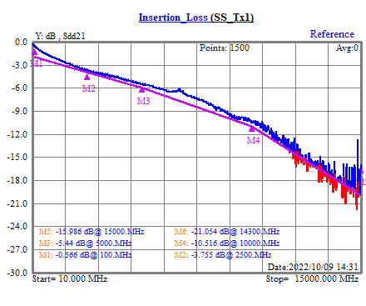
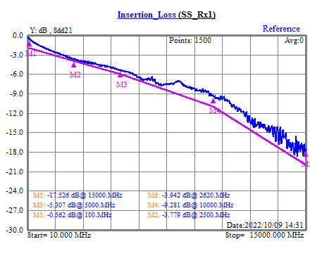
 |  |  |  |  |  |  |  |  |  | 3-SS Pair_Insertion Loss

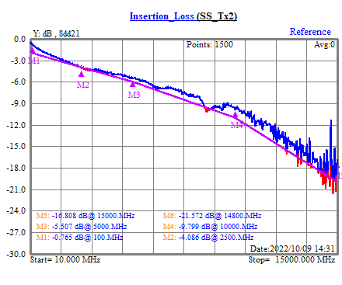
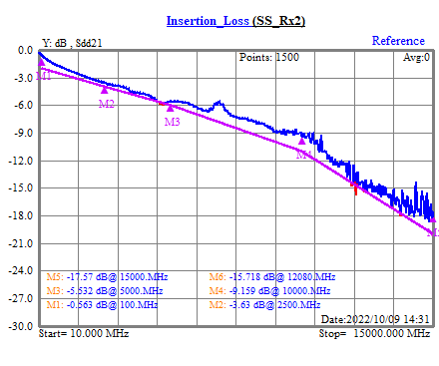
 |  |  |  |  |  |  |  |  |  | 3-SS Pair_Insertion Loss

P/N :USB3.1 C-C GEN2 DUT Length(M):1 Specifications:USB Type-C Connectors and Cabl S/W rev:7.2.3175 Tester:Eva(2022/10/09 14:31)

 |  | Test Graphic Summary Page 3 of 12 |  |  |  |  |  |  | Page 7 of 16

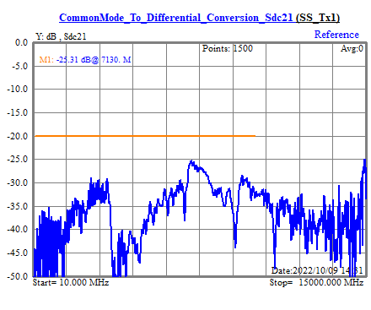
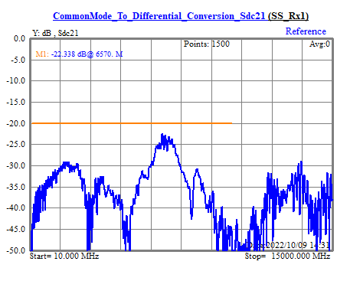
 |  |  |  |  |  |  |  |  |  | 4-SS Pair_SDC21_Differential to Common Mode conversion

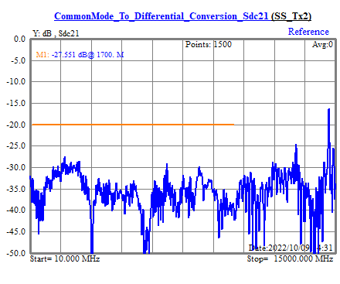
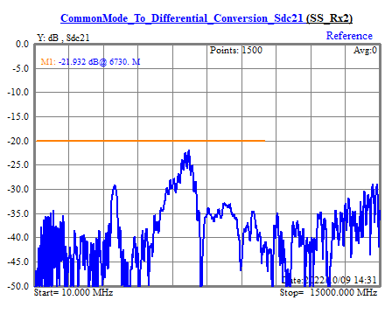
 |  |  |  |  |  |  |  |  |  | 4-SS Pair_SDC21_Differential to Common Mode conversion

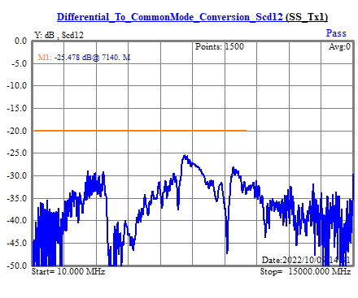

 |  |  |  |  |  |  |  |  |  | 5-SS Pair_SCD12_Differential to Common Mode conversion

P/N :USB3.1 C-C GEN2 DUT Length(M):1 Specifications:USB Type-C Connectors and Cabl S/W rev:7.2.3175 Tester:Eva(2022/10/09 14:31)

 |  | Test Graphic Summary Page 4 of 12 |  |  |  |  |  |  | Page 8 of 16

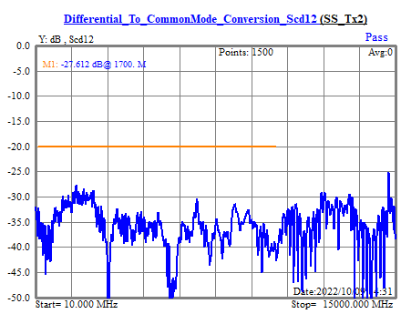
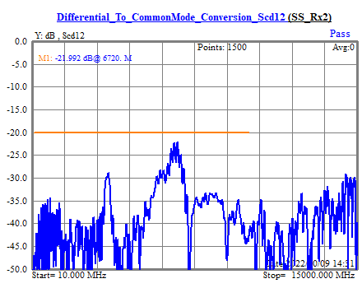
 |  |  |  |  |  |  |  |  |  | 5-SS Pair_SCD12_Differential to Common Mode conversion

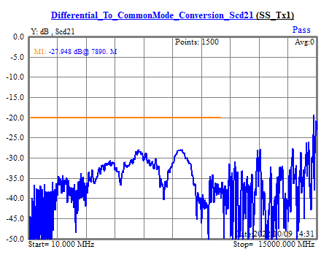
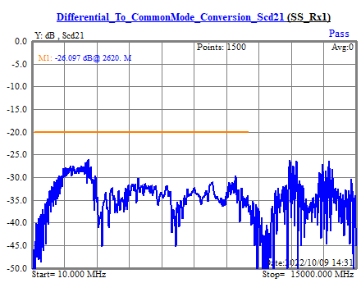
 |  |  |  |  |  |  |  |  |  | 6-SS Pair_SCD21_Differential to Common Mode conversion

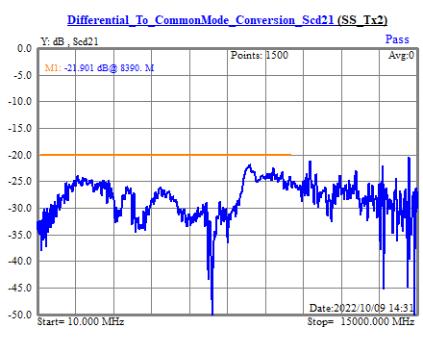
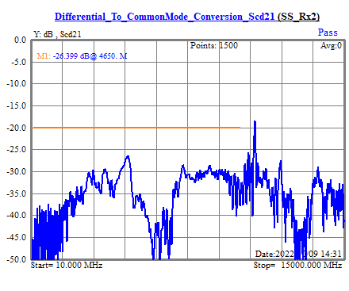
 |  |  |  |  |  |  |  |  |  | 6-SS Pair_SCD21_Differential to Common Mode conversion

P/N :USB3.1 C-C GEN2 DUT Length(M):1 Specifications:USB Type-C Connectors and Cabl S/W rev:7.2.3175 Tester:Eva(2022/10/09 14:31)

 |  | Test Graphic Summary Page 5 of 12 |  |  |  |  |  |  | Page 9 of 16

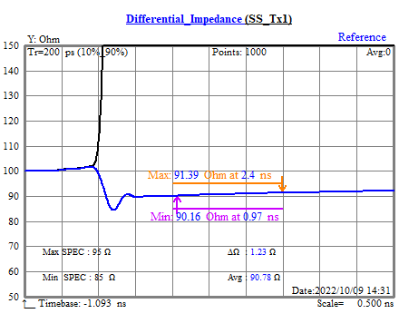
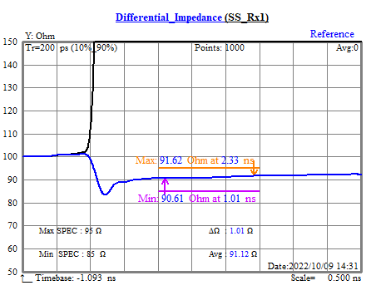
 |  |  |  |  |  |  |  |  |  | 7-Differential Impedance


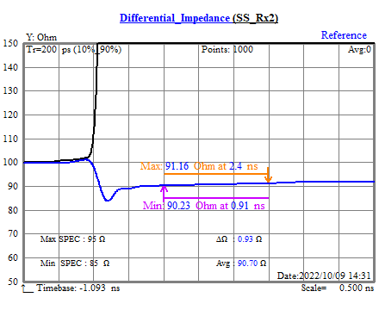
 |  |  |  |  |  |  |  |  |  | 7-Differential Impedance

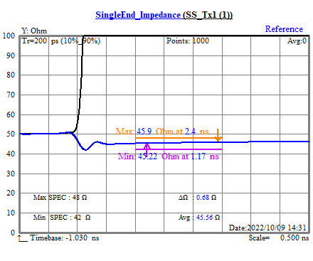

 |  |  |  |  |  |  |  |  |  | 8-Single End Impedance

P/N :USB3.1 C-C GEN2 DUT Length(M):1 Specifications:USB Type-C Connectors and Cabl S/W rev:7.2.3175 Tester:Eva(2022/10/09 14:31)

 |  | Test Graphic Summary Page 6 of 12 |  |  |  |  |  |  | Page 10 of 16

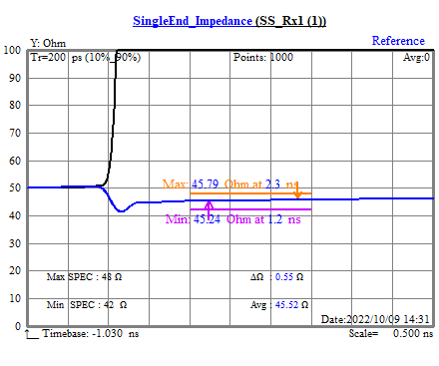

 |  |  |  |  |  |  |  |  |  | 8-Single End Impedance

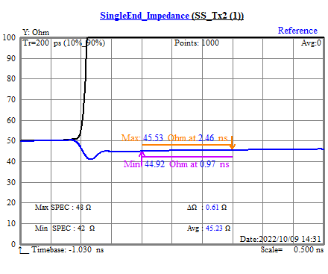
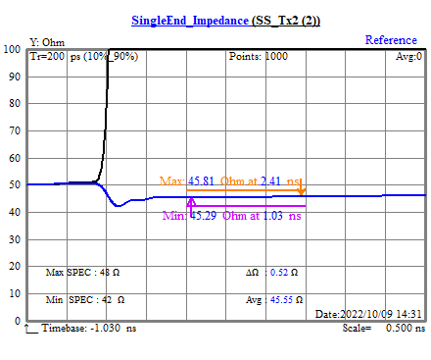
 |  |  |  |  |  |  |  |  |  | 8-Single End Impedance

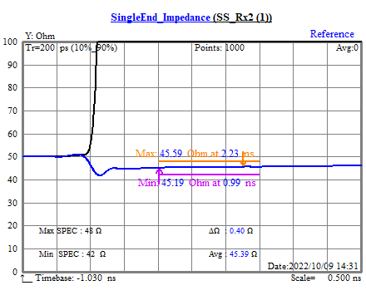

 |  |  |  |  |  |  |  |  |  | 8-Single End Impedance

P/N :USB3.1 C-C GEN2 DUT Length(M):1 Specifications:USB Type-C Connectors and Cabl S/W rev:7.2.3175 Tester:Eva(2022/10/09 14:31)

 |  | Test Graphic Summary Page 7 of 12 |  |  |  |  |  |  | Page 11 of 16

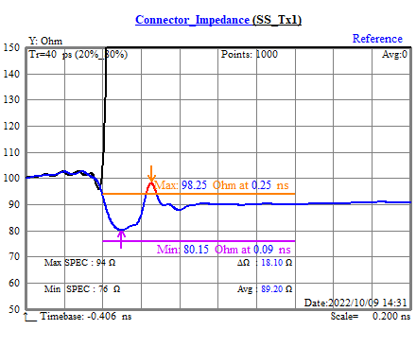
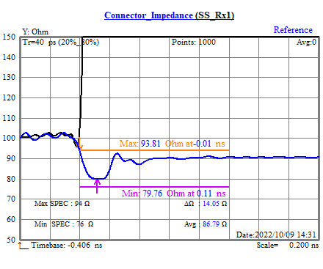
 |  |  |  |  |  |  |  |  |  | 9-Connector Impedance

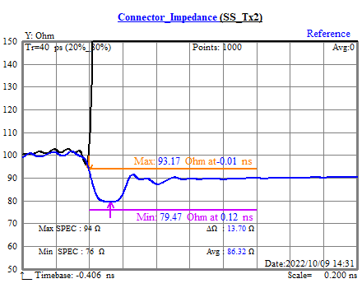
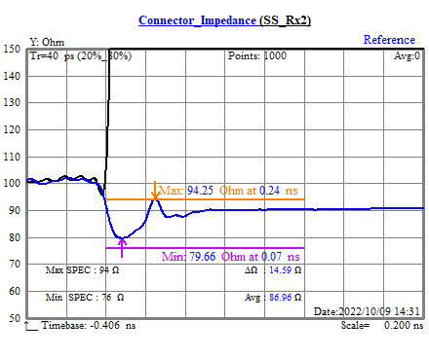
 |  |  |  |  |  |  |  |  |  | 9-Connector Impedance

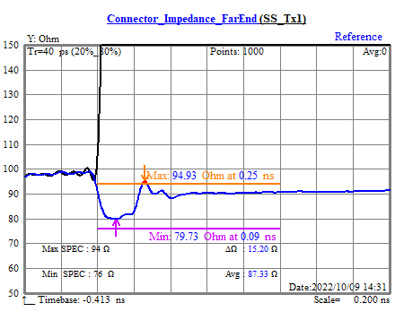
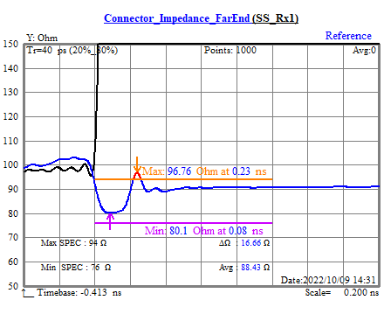
 |  |  |  |  |  |  |  |  |  | 10-Connector Impedance

P/N :USB3.1 C-C GEN2 DUT Length(M):1 Specifications:USB Type-C Connectors and Cabl S/W rev:7.2.3175 Tester:Eva(2022/10/09 14:31)

 |  | Test Graphic Summary Page 8 of 12 |  |  |  |  |  |  | Page 12 of 16

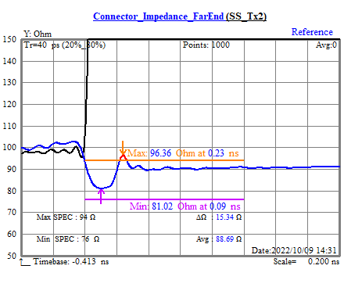
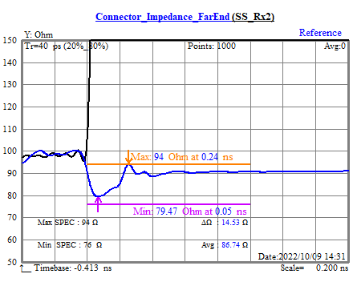
 |  |  |  |  |  |  |  |  |  | 10-Connector Impedance

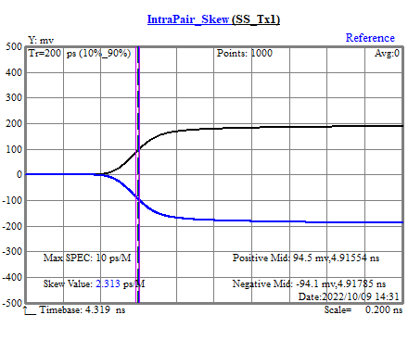
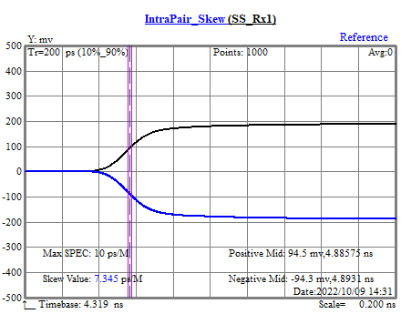
 |  |  |  |  |  |  |  |  |  | 11-SS Pair_Intra Pair skew


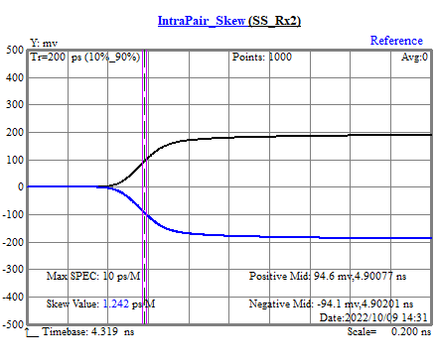
 |  |  |  |  |  |  |  |  |  | 11-SS Pair_Intra Pair skew

P/N :USB3.1 C-C GEN2 DUT Length(M):1 Specifications:USB Type-C Connectors and Cabl S/W rev:7.2.3175 Tester:Eva(2022/10/09 14:31)

 |  | Test Graphic Summary Page 9 of 12 |  |  |  |  |  |  | Page 13 of 16

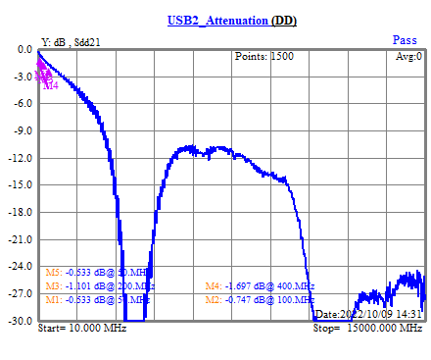
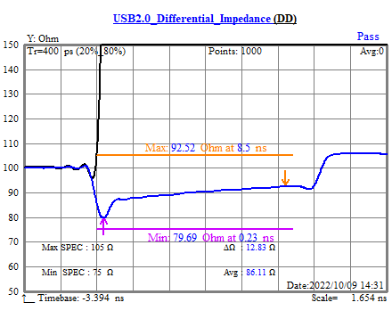
 |  |  |  |  |  |  |  |  |  | 12-DD Pair_Attenuation
 |  |  |  |  |  |  |  |  |  | 13-DD Pair_Differential Impedance

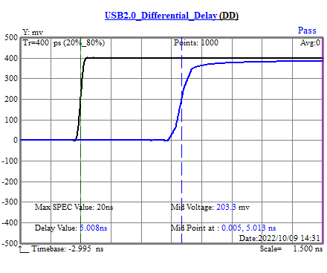
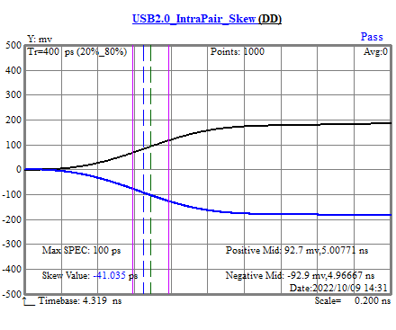
 |  |  |  |  |  |  |  |  |  | 14-DD Pair_Propagation Delay
 |  |  |  |  |  |  |  |  |  | 15-DD Pair_Intra Pair Skew

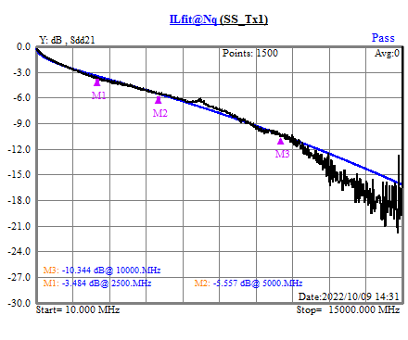
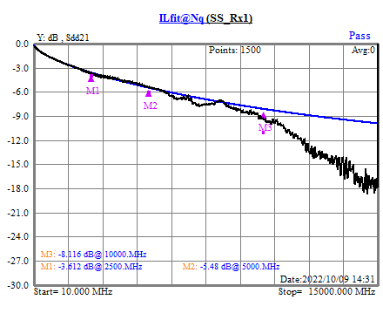
 |  |  |  |  |  |  |  |  |  | 16-SS Pair_Insertion Loss Fit

P/N :USB3.1 C-C GEN2 DUT Length(M):1 Specifications:USB Type-C Connectors and Cabl S/W rev:7.2.3175 Tester:Eva(2022/10/09 14:31)

 |  | Test Graphic Summary Page 10 of 12 |  |  |  |  |  |  | Page 14 of 16

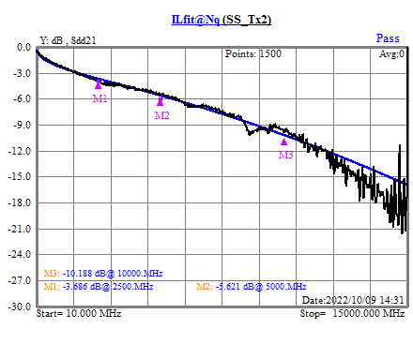
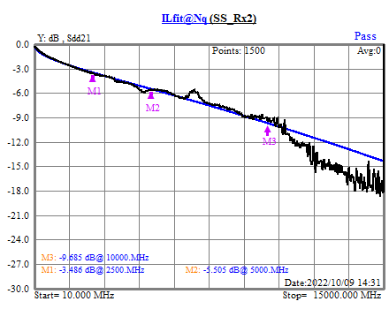
 |  |  |  |  |  |  |  |  |  | 16-SS Pair_Insertion Loss Fit

 |  |  |  |  |  |  |  |  |  | N/A

 |  |  |  |  |  |  |  |  |  | N/A

P/N :USB3.1 C-C GEN2 DUT Length(M):1 Specifications:USB Type-C Connectors and Cabl S/W rev:7.2.3175 Tester:Eva(2022/10/09 14:31)

 |  | Test Graphic Summary Page 11 of 12 |  |  |  |  |  |  | Page 15 of 16

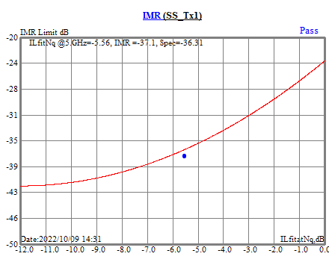
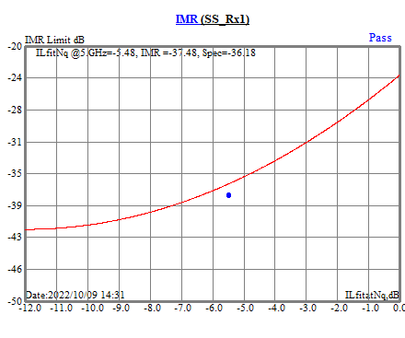
 |  |  |  |  |  |  |  |  |  | 19-SS Pair_Integrated Multi-reflection (IMR)



 |  |  |  |  |  |  |  |  |  | 19-SS Pair_Integrated Multi-reflection (IMR)

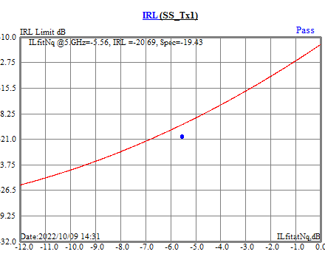

 |  |  |  |  |  |  |  |  |  | 20-SS Pair_Integrated Return Loss (IRL)

P/N :USB3.1 C-C GEN2 DUT Length(M):1 Specifications:USB Type-C Connectors and Cabl S/W rev:7.2.3175 Tester:Eva(2022/10/09 14:31)

 |  | Test Graphic Summary Page 12 of 12 |  |  |  |  |  |  | Page 16 of 16



 |  |  |  |  |  |  |  |  |  | 20-SS Pair_Integrated Return Loss (IRL)

P/N :USB3.1 C-C GEN2 DUT Length(M):1 Specifications:USB Type-C Connectors and Cabl S/W rev:7.2.3175 Tester:Eva(2022/10/09 14:31)

