Pivot_Table_Sub_Category
Parent Category | (All)
country | (All)

Count of outcome | outcome
Sub-category | canceled | failed | live | successful | Grand Total
plays | 23 | 132 | 2 | 187 | 344
rock | 6 | 30 | 0 | 49 | 85
documentary | 4 | 21 | 1 | 34 | 60
web | 2 | 12 | 1 | 36 | 51
food trucks | 4 | 20 | 0 | 22 | 46
wearables | 0 | 16 | 1 | 28 | 45
indie rock | 3 | 19 | 0 | 23 | 45
photography books | 4 | 11 | 1 | 26 | 42
drama | 2 | 12 | 1 | 22 | 37
video games | 1 | 15 | 2 | 17 | 35
animation | 1 | 10 | 2 | 21 | 34
translations | 0 | 7 | 0 | 14 | 21
nonfiction | 1 | 6 | 1 | 13 | 21
electric music | 0 | 8 | 0 | 10 | 18
fiction | 1 | 7 | 0 | 9 | 17
jazz | 1 | 6 | 0 | 10 | 17
television | 3 | 3 | 0 | 11 | 17
shorts | 1 | 5 | 1 | 9 | 16
science fiction | 0 | 9 | 0 | 5 | 14
mobile games | 0 | 8 | 1 | 4 | 13
radio & podcasts | 0 | 4 | 0 | 4 | 8
metal | 0 | 3 | 0 | 4 | 7
audio | 0 | 0 | 0 | 4 | 4
world music | 0 | 0 | 0 | 3 | 3
Grand Total | 57 | 364 | 14 | 565 | 1,000

Pivot_Table_Time_Series
Parent Category | (All)
Years | (All)

Count of outcome | outcome
Date Created Conversion | canceled | failed | successful | Grand Total
Jan | 4 | 21 | 34 | 59
Feb | 4 | 19 | 27 | 50
Mar | 2 | 17 | 31 | 50
Apr | 1 | 15 | 32 | 48
May | 1 | 21 | 27 | 49
Jun | 2 | 17 | 34 | 53
Jul | 3 | 20 | 39 | 62
Aug | 3 | 21 | 25 | 49
Sep | 2 | 13 | 29 | 44
Oct | 1 | 16 | 25 | 42
Nov | 2 | 21 | 28 | 51
Dec | 4 | 21 | 27 | 52
Grand Total | 29 | 222 | 358 | 609

Bonus_1
Goal | Number Successful | Number Failed | Number Canceled | Total Projects | Percentage Successful | Percentage Failed | Percentage Canceled
Less than 1000 | 30 | 20 | 1 | 51 | 59% | 39% | 2%
1000 to 4999 | 191 | 38 | 2 | 231 | 83% | 16% | 1%
5000 to 9999 | 164 | 126 | 25 | 315 | 52% | 40% | 8%
10000 to 14999 | 4 | 5 | 0 | 9 | 44% | 56% | 0%
15000 to 19999 | 10 | 0 | 0 | 10 | 100% | 0% | 0%
25000 to 29999 | 11 | 3 | 0 | 14 | 79% | 21% | 0%
30000 to 34999 | 7 | 0 | 0 | 7 | 100% | 0% | 0%
35000 to 39999 | 8 | 3 | 1 | 12 | 67% | 25% | 8%
40000 to 44999 | 11 | 3 | 0 | 14 | 79% | 21% | 0%
45000 to 49999 | 8 | 3 | 0 | 11 | 73% | 27% | 0%
Outcomes Based on Goal
Greater than or equal to 50000 | 114 | 163 | 28 | 305 | 37% | 53% | 9%

Bonus_2
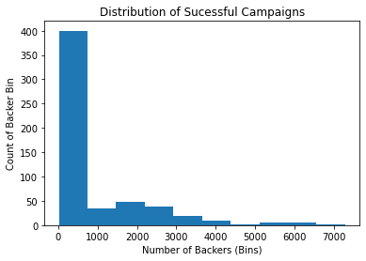
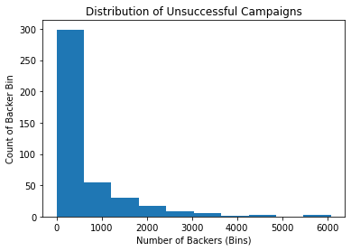
Sucessful vs Unsucessful | Mean of backers | Median of backers | Max backers | Min backers | Variance of backers | Stdev of backers | Based on the difference of Mean vs Median, range (Max - Min), variance, and standard deviation, the data is highly variable in both sucessful and unsucessful campaigns. The higher variability makes sense as further analysis is needed, and criteria developed to eliminate the outliers (see histogram analysis, perhaps limit >1000 backers)
Sucessful Campaign | 851 | 201 | 7295 | 16 | 1603374 | 1267
Unsucessful Campaign | 565 | 117 | 6080 | 0 | 843231 | 919

Mean comparison of Sucessful vs Unsucessful campaigns with StdDev error bars

