Sheet1
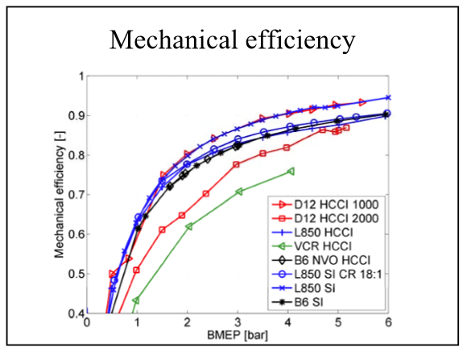
CaseNo | Tq | RPM | T_exh_avg | T_amb | T_cw_bcc | T_a_Acomp | BSFC | dma | dm_exh | F | pMax | phiInj | Power | SNOx | pACg | pAtm | pAC
1 | 548.6564398 | 798.91024 | 665.59543 | 303.54038 | 301.14845 | 311.4399 | 217.78269136 | 0.060835101805 | 0.0636119 | 0.6683024 | 76.5174 | -2.1 | 45901.522073 | 10.245354599 | 0.0946549 | 992.05 | 1.0867049
2 | 891.3724064 | 799.42451 | 855.85095 | 310.01902 | 302.03989 | 318.70136 | 226.92317085 | 0.069686986801 | 0.0743907 | 0.9882555 | 89.9071 | -4 | 74621.721384 | 8.4685523214 | 0.1925526 | 993.95 | 1.1865026
3 | 559.3153153 | 1398.8489 | 670.42271 | 306.17307 | 302.09638 | 328.45247 | 214.15285296 | 0.13848153956 | 0.1433554 | 0.5153057 | 81.115625 | -2.5 | 81932.486498 | 6.4618412218 | 0.569747 | 994.9 | 1.564647
4 | 551.2133857 | 1799.2036 | 687.37802 | 305.96168 | 301.91657 | 344.67458 | 225.29592355 | 0.20642917222 | 0.2129287 | 0.460986 | 74.965 | 0 | 103855.30484 | 8.8366798552 | 0.2492869 | 993.9 | 1.2431869
5 | 883.3048523 | 1599.1848 | 766.41004 | 306.73169 | 301.96644 | 361.95072 | 206.23181662 | 0.21443921589 | 0.2229133 | 0.5785836 | 101.45215 | -4.5 | 147923.74296 | 7.4701253612 | 0.426877 | 993.8 | 1.420677
6 | 722.3940013 | 1401.1471 | 726.64025 | 306.73156 | 302.04744 | 340.63233 | 208.81369841 | 0.15662527408 | 0.1627734 | 0.5747254 | 92.1278 | -3 | 105995.26896 | 10.105446637 | 0.2221188 | 993.7 | 1.2158188
7 | 885.5784397 | 1198.8876 | 797.12004 | 307.73849 | 302.44916 | 341.29202 | 207.81903702 | 0.13484842756 | 0.1412667 | 0.6968678 | 96.5209 | -3 | 111181.90755 | 7.2148734342 | 0.8737532 | 993.6 | 1.8673532
8 | 1054.515723 | 999.10263 | 885.48087 | 308.90481 | 302.54791 | 338.16425 | 216.47726102 | 0.11074338376 | 0.1173778 | 0.8771282 | 95.0195 | -1.5 | 110329.53294 | 9.3441035524 | 0.4472453 | 993.8 | 1.4410453
9 | 1053.542759 | 1799.3838 | 822.30554 | 308.51194 | 303.02082 | 386.55918 | 211.2769272 | 0.29683668605 | 0.3084874 | 0.5746665 | 102.41173 | -4.5 | 198520.14818 | 6.7060049982 | 1.0702197 | 994.7 | 2.0649197
10 | 1229.137563 | 1599.2755 | 845.55082 | 308.63535 | 303.06054 | 386.86325 | 202.80048576 | 0.26590168532 | 0.277498 | 0.6385238 | 117.9863 | -7 | 205850.72136 | 10.29974207 | 0.2975752 | 992.25 | 1.2898252
11 | 724.1701186 | 999.04963 | 748.09561 | 305.8162 | 301.43568 | 328.6182 | 211.85434127 | 0.093429359655 | 0.0978879 | 0.6986941 | 81.67515 | -1.5 | 75762.846254 | 7.2090549467 | 1.3102545 | 994.3 | 2.3045545
12 | 553.9894874 | 1198.6673 | 686.82733 | 307.91065 | 301.88756 | 323.1965 | 215.02336269 | 0.111217278 | 0.1153708 | 0.546788 | 76.44655 | -1.7 | 69539.057369 | 9.8065032542 | 0.4358 | 993.7 | 1.4295
13 | 549.1210701 | 1598.7569 | 670.7361 | 309.10877 | 301.66351 | 339.76546 | 217.30238301 | 0.17074428487 | 0.1762936 | 0.4758546 | 79.25335 | -3.8 | 91934.635383 | 8.4721632529 | 0.9300263 | 993.5 | 1.9235263
14 | 1240.070217 | 1403.5971 | 862.35417 | 315.12139 | 302.54691 | 380.46079 | 203.25293434 | 0.22092090083 | 0.2312118 | 0.6820154 | 117.66335 | -6.8 | 182270.9081 | 7.0580835677 | 1.5462592 | 994.1 | 2.5403592
15 | 1394.676432 | 1198.8645 | 939.557 | 316.33329 | 302.30795 | 375.49307 | 208.81352711 | 0.18324657087 | 0.1934027 | 0.8114687 | 113.8982 | -4.7 | 175094.36934 | 11.367534093 | 0.367322 | 993.9 | 1.361222
16 | 1416.717125 | 1796.8962 | 919.85651 | 304.68024 | 303.9469 | 424.10477 | 215.32812758 | 0.35346153229 | 0.3694068 | 0.6604959 | 115.62935 | -6.1 | 266584.41233 | 9.5227034537 | 0.7150883 | 993.1 | 1.7081883
17 | 1557.564326 | 1598.5223 | 913.44031 | 304.86039 | 303.97068 | 414.23833 | 204.54834391 | 0.30812350803 | 0.322938 | 0.7039491 | 130.25885 | -6.4 | 260731.38335 | 8.3289560914 | 1.1117553 | 993.7 | 2.1054553
18 | 1548.98807 | 1400.3606 | 911.39858 | 304.47279 | 303.7021 | 392.45119 | 202.52630887 | 0.24665354475 | 0.2594325 | 0.7585557 | 128.6076 | -4.4 | 227152.00472 | 5.9162327272 | 1.6098736 | 993.9 | 2.6037736
19 | 1562.712467 | 1198.9636 | 957.79769 | 304.39396 | 302.89895 | 370.67483 | 207.43253022 | 0.1887998301 | 0.2001053 | 0.8767298 | 118.84175 | -3.6 | 196206.63663 | 7.4984180199 | 0.4855315 | 992.55 | 1.4780815
20 | 1222.340879 | 999.00689 | 923.11567 | 303.91979 | 302.69172 | 332.04314 | 215.60103925 | 0.118739128 | 0.1263975 | 0.9443288 | 104.4314 | -1.6 | 127876.11623 | 6.6973183888 | 1.1034028 | 993.55 | 2.0969528

