Description des composants
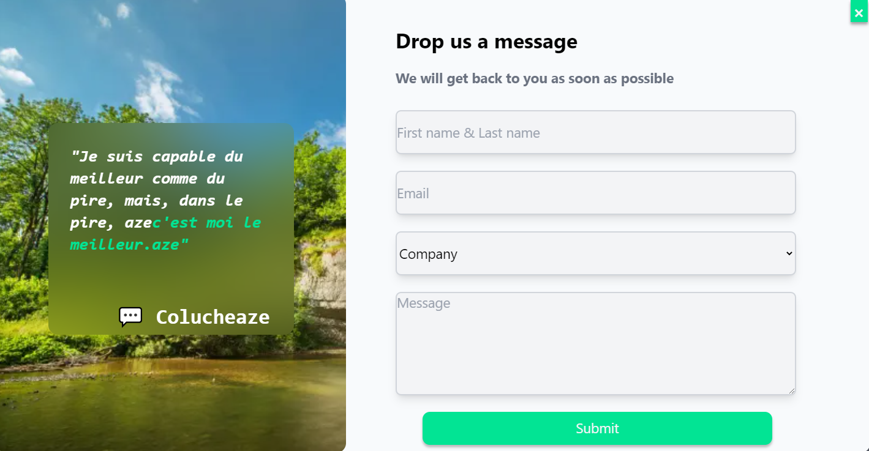
Composants
NavBar

Home


CarouselLogo

Presentation

PresentationAdvantages

Presentation

Process
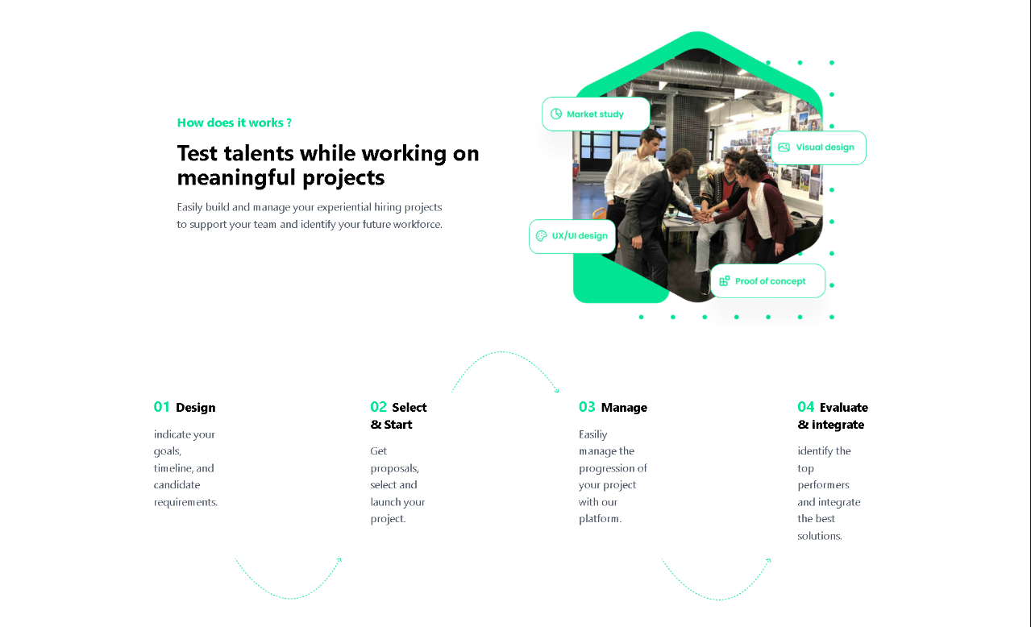

PresentationAdvantages

Profits

CarrousselReview
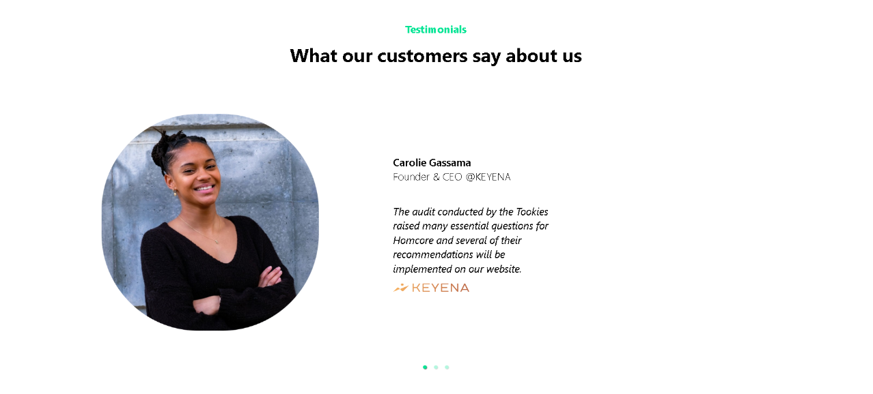

KPI

QA
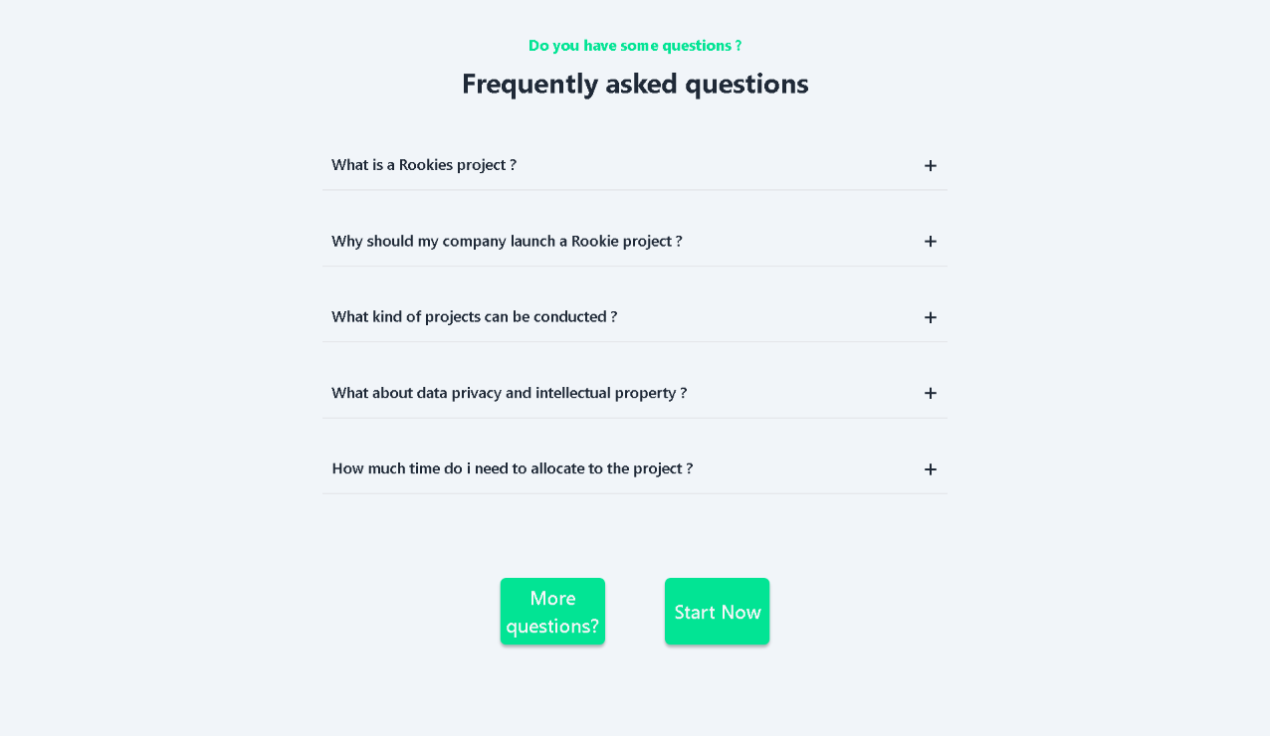

newsletter_component

Footer

StudyCaseHome
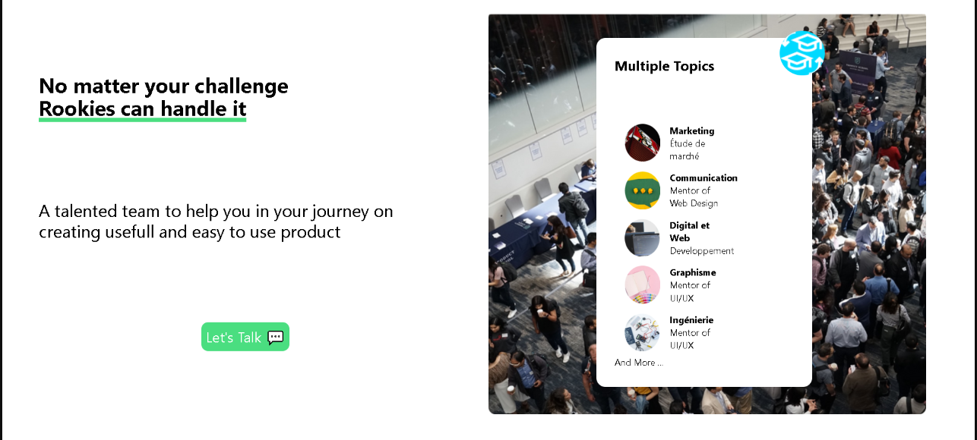

SchoolProjects
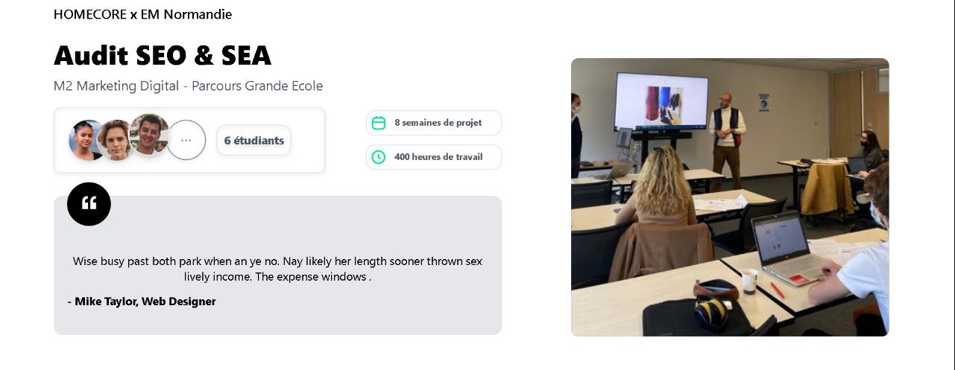

Contact Us / FormContactUs
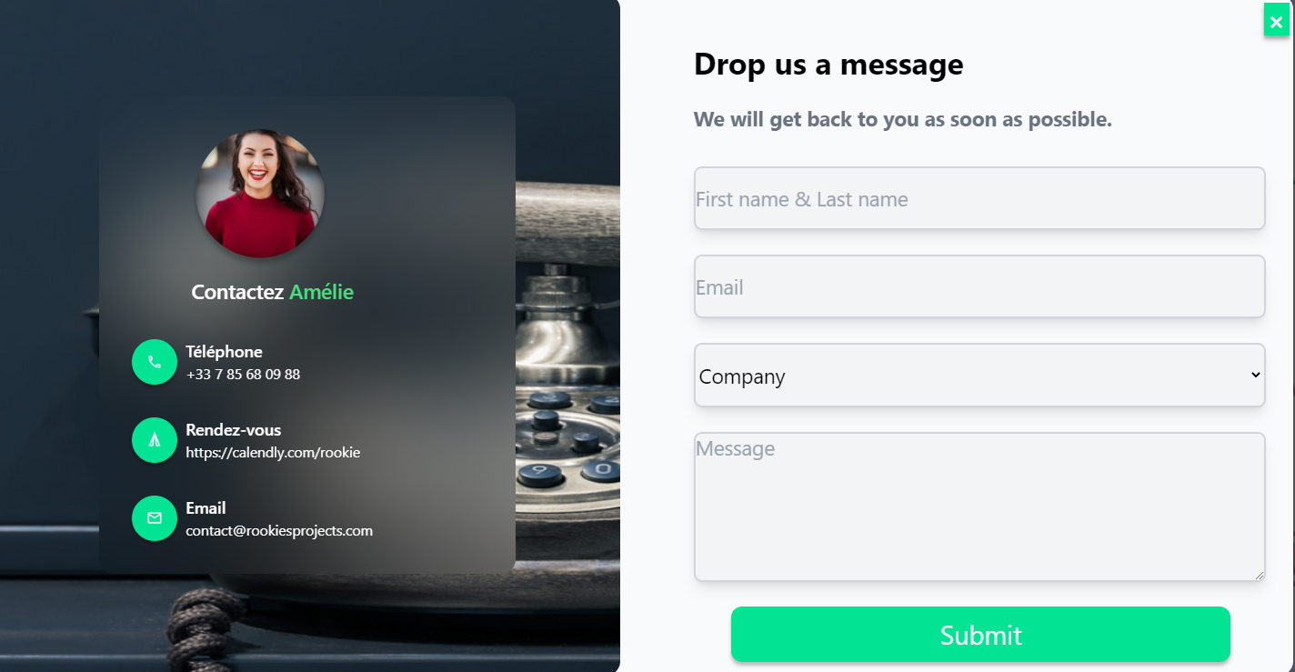

Quote / Formulaire

