Pin define
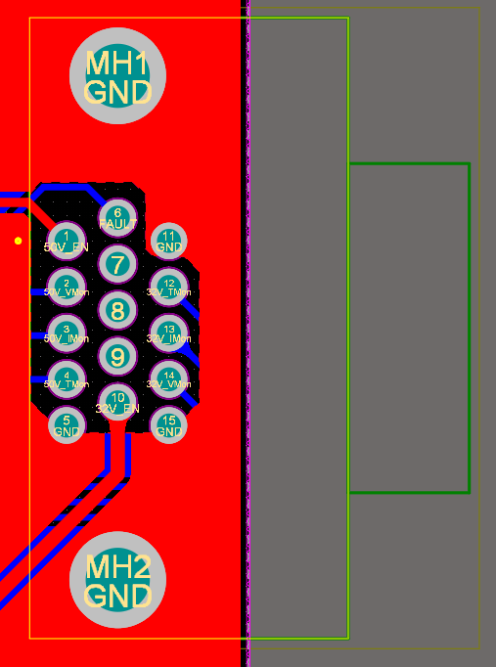
 |  | Connector type: |  | D-Sub High Density Connectors 15P (Female)
 |  |  | SSPA PSU Control Interface PIN Defination

5 GND |  | 4 50V_Tmon |  | 3 50V_Imon |  | 2 50V_Vmon |  | 1 50V_EN
 | 10 32V_EN |  | 9 |  | 8 |  | 7 |  | 6 FAULT
15 GND |  | 14 32V_Vmon |  | 13 32V_Imon |  | 12 32V_Tmon |  | 11 GND

Input |  |  |  |  |  | Output
50V_EN |  | High = 5V Low = 0V |  |  |  | 50V_Tmon |  | 0~2V
32V_EN |  | High = 5V Low = 0V |  |  |  | 50V_Imon |  | 0~5V
 |  |  |  |  |  | 50V_Vmon |  | 0~12V

 |  |  |  |  |  | 32V_Tmon |  | 0~2V
 |  |  |  |  |  | 32V_Imon |  | 0~5V
 |  |  |  |  |  | 32V_Vmon |  | 0~2V

 |  |  |  |  |  | Fault |  | High = 5V Low = 0V

