Turbine V2

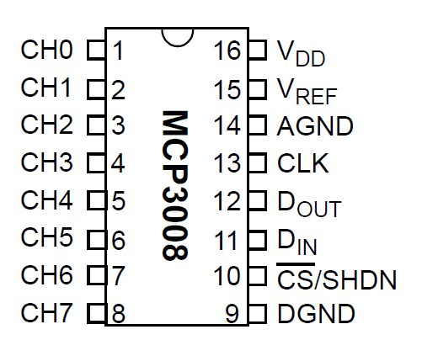
Physical Pin | Purpose | Turbine Use | Note | IDC Connector | MCP3008 | Purpose | Turbine Use | IDC Connector | Part | JST Connector | IDC Connector
1 | 3V | Vibe - PWR, ADC - PWR |  | J1-4 | 1 | CH0 | DC Motor - Voltage | J1-9 | J3 | Temp -1 | J1-2 | gnd | red
2 | 5V | RPM - Hall Sensor |  | J1-1 | 2 | CH1 |  |  | J3 | Temp -2 | J1-7 | sig | blk
3 | SDA1 | Vibe - SDA | grey - SDA | J1-5 | 3 | CH2 |  |  | J3 | Temp -3 | J1-1 | 3v | ylw
4 | 5V |  |  |  | 4 | CH3 |  |  | J4 | Hall - 1 | J1-1 | 5v | red
5 | SCL1 | Vibe - SCL | white - SCL | J1-6 | 5 | CH4 |  |  | J4 | Hall - 2 | J1-2 | gnd | blk
6 | GND | Brake - GND, Vibe - GND, ADC - GND, RPM - Hall Sensor |  | J1-2 J2-1 | 6 | CH5 |  |  | J4 | Hall - 3 | J1-3 | io | yellow
7 | GPIO4 | Temp - Signal |  | J1-7 | 7 | CH6 |  |  | J5 | LED - 1 | J1-2 | gnd | yellow
8 |  |  |  |  | 8 | CH7 |  |  | J5 | LED - 2 | J2-4 | red | wht
9 | GND |  |  |  | 9 | DGND | GND |  | J5 | LED - 3 | J2-5 | green | red
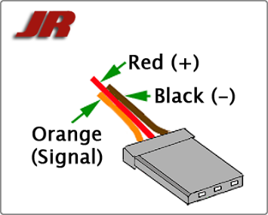
10 | UART0 | Brake - Servo PWM |  | J2-3 | 10 | CS | CE0 |  | J5 | LED - 4 | J2-6 | blue | blk
11 |  |  |  |  | 11 | Din | MOSI |  | J6 | Vibe - 1 | J1-4
12 |  |  |  |  | 12 | Dout | MISO |  | J6 | Vibe - 2 | J1-2
13 |  |  |  |  | 13 | CLK | SCLK |  | J6 | Vibe - 3 | J1-6
14 | GND |  |  |  | 14 | AGND | DC Motor - Voltage | J1-10 | J6 | Vibe - 4 | J1-5
15 |  |  |  |  | 15 | Vref | 3v |  | J7 | Brake - 1 | J1-2 | gnd | red
16 |  |  |  |  | 16 | Vdd | 3v |  | J7 | Brake - 2 | J2-2 | 5v | blk
17 | 3V |  |  |  |  |  |  |  | J7 | Brake - 3 | J2-3 | pwm | ylw
18 |  |  |  |  |  |  | BEC 5 Volts | J2-2 | J8 | DC Motor - 1 | J1-10
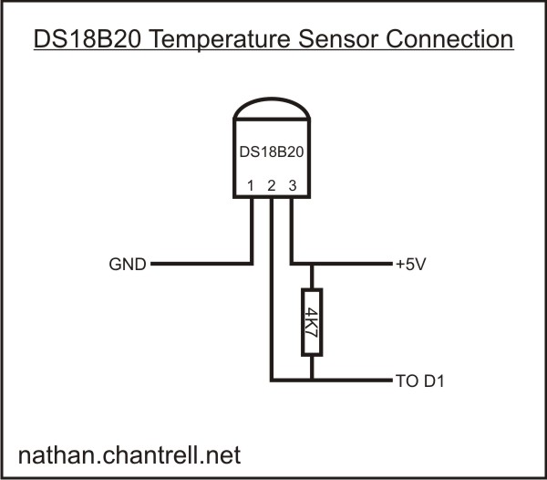
19 | MOSI | ADC - Din | pin 11 |  |  |  |  |  | J8 | DC Motor - 2 | J1-9
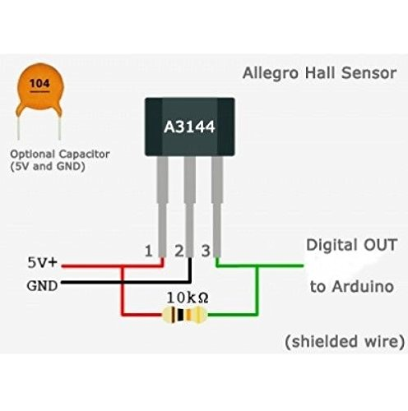
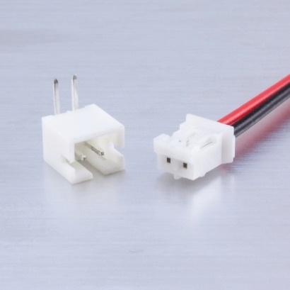
20 | GND
21 | MISO | ADC - Dout | pin 12
22
23 | SCLK | ADC - CLK | pin 13
24 | CE0 | ADC - CS | pin 10
25 | GND
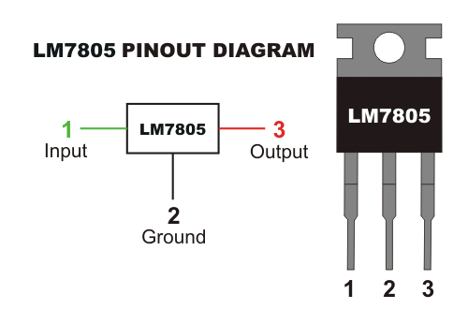
26
27
28
29 | GPIO | LED - Red |  | J2-4
30 | GND
31 | GPIO | LED - Green |  | J2-5
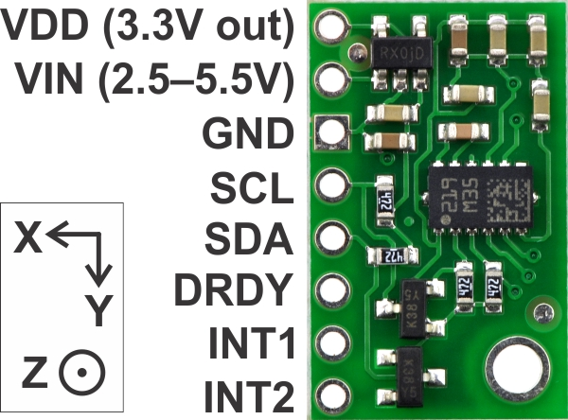
32 | GPIO
33 | GPIO | LED - Blue |  | J2-6
34 | GND
35 | GPIO
36 | GPIO
37 | GPIO26 | RPM - Hall Sensor |  | J1-3
38 | GPIO
39 | GND
40 | GPIO

 |  |  |  |  |  |  | wht-yellow-red-blk

