Sheet2
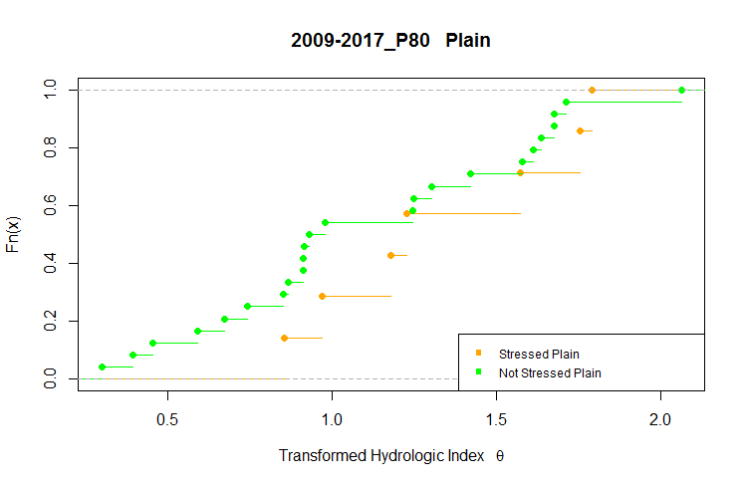
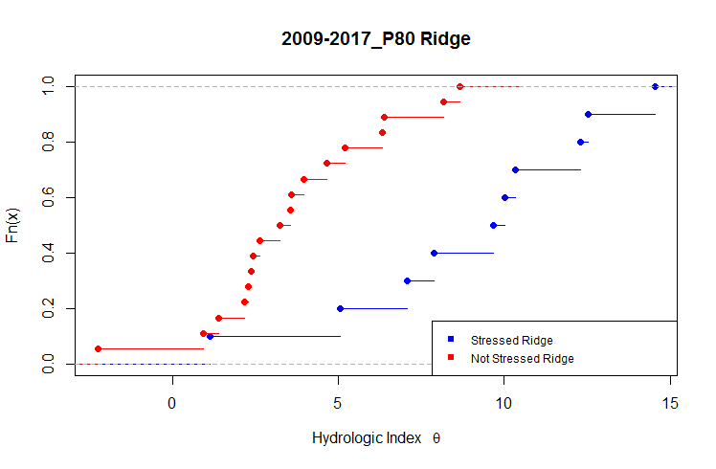
Test | Status | Physio | Dates | Original | Original2 | Tranformed | Tranformed2
 |  |  |  | Statistic | p-value | Statistic | p-value
shapiro.test for | Not Stressed | Plain | 2009-2017_P80 | 0.8299 | 0.0025 | 0.9612 | 0.5680
shapiro.test for | Stressed | Plain | 2009-2017_P80 | 0.8924 | 0.2873 | 0.9146 | 0.4284
shapiro.test for | Not Stressed | Ridge | 2009-2017_P80 | 0.9625 | 0.7638 | 0.9625 | 0.7638
shapiro.test for | Stressed | Ridge | 2009-2017_P80 | 0.9435 | 0.6189 | 0.9435 | 0.6189

10/5/18

