NewP20s
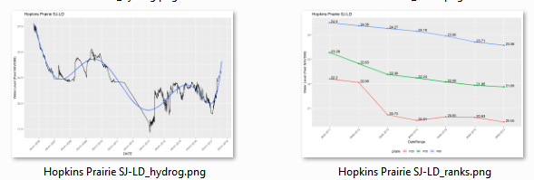
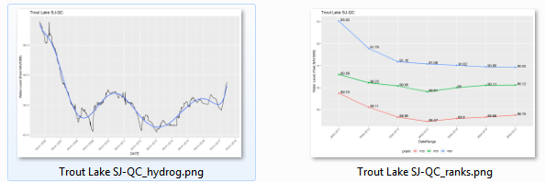
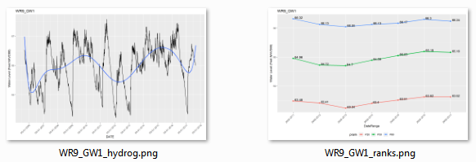
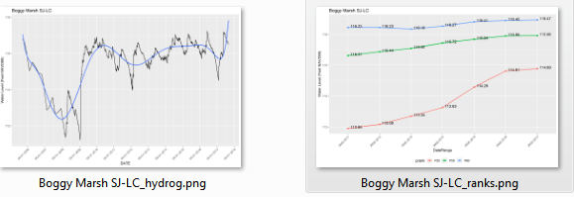
STATION (current) | 2011_P20 | 2011Delta | 2012_P20 | 2012Delta | 2013_P20 | 2013Delta | 2014_P20 | 2014Delta | 2015_P20 | 2015Delta | 2016_P20 | 2016Delta | 2017_P20 | 2017Delta | shift | STATION (from 2015) | P80NGVD | OldP80@NAVD
BIG GUM LAKE | 89.30 | 0.12 | 89.42 | 0.24 | 89.57 | 0.39 | 89.70 | 0.52 | 89.88 | 0.70 | 90.12 | 0.94 | 90.15 | 0.97 | -0.78 | Big Gum Lake | 89.96 | 89.18
Boggy Marsh SJ-LC | 112.95 | -0.02 | 113.08 | 0.11 | 113.34 | 0.38 | 113.63 | 0.66 | 114.29 | 1.32 | 114.81 | 1.85 | 114.89 | 1.92 | -0.86 | Boggy Marsh | 113.82 | 112.96
 |  |  |  |  |  |  |  |  |  |  |  |  |  |  | -1.15 | Bonnet Lake | 89.29 | 88.14
 |  |  |  |  |  |  |  |  |  |  |  |  |  |  | -1.42 | Buck Lake (Highlands) | 89.87 | 88.45
Church Lake SJ-QA | 81.81 | 0.03 | 81.72 | -0.06 | 81.62 | -0.17 | 81.61 | -0.17 | 81.61 | -0.17 | 81.67 | -0.11 | 81.67 | -0.11 | -0.88 | Church Lake | 82.66 | 81.78
Crooked Lake nr Babson Park | 114.14 | 0.05 | 113.86 | -0.23 | 113.75 | -0.34 | 113.86 | -0.23 | 113.96 | -0.13 | 114.06 | -0.03 | 114.16 | 0.07 | -1.03 | Crooked Lake | 115.12 | 114.09
CYC-W04A | 63.76 | -0.53 | 63.76 | -0.53 | 63.76 | -0.53 | 63.76 | -0.53 | 63.76 | -0.53 | 63.76 | -0.53 | 63.76 | -0.53 | -0.80 | Cypress Creek #190 "E" Marsh | 65.09 | 64.29
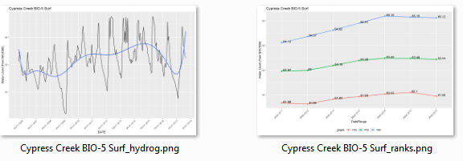
CYPRESS CREEK W-17 | 61.72 | 0.03 | 61.61 | -0.08 | 61.61 | -0.08 | 61.61 | -0.08 | 61.61 | -0.08 | 61.61 | -0.08 | 61.61 | -0.08 | -0.88 | Cypress Creek #199, W17 | 62.57 | 61.69
CYPRESS CREEK W-33 SURF | 65.02 | -0.08 | 65.10 | 0.00 | 65.14 | 0.04 | 65.29 | 0.19 | 65.50 | 0.40 | 65.60 | 0.40 | 65.37 | 0.27 | -0.82 | Cypress Creek #211, W33 | 65.92 | 65.10
Cypress Creek BIO-5 Surf | 61.68 | 1.63 | 61.64 | 1.59 | 61.83 | 1.78 | 61.93 | 1.88 | 62.03 | 1.98 | 62.10 | 1.98 | 61.95 | 1.90 | -0.82 | Cypress Creek #223 "B" W46 | 60.87 | 60.05
Cocoa 9T | 71.56 | 1.32 | 71.48 | 1.24 | 71.32 | 1.08 | 71.18 | 0.94 | 71.30 | 1.06 | 71.38 | 1.14 | 71.26 | 1.02 | -1.14 | City of Cocoa, Well 9T | 71.38 | 70.24
GATOR LAKE | 129.18 | -0.13 | 129.26 | -0.05 | 129.34 | 0.03 | 129.39 | 0.08 | 129.46 | 0.15 | 129.54 | 0.23 | 129.55 | 0.24 | -0.58 | Gator Lake | 129.89 | 129.31
GREEN SWAMP 1 WETLAND SURF | 97.47 | -0.17 | 97.30 | -0.34 | 97.35 | -0.29 | 97.53 | -0.11 | 97.69 | 0.05 | 97.84 | 0.20 | 97.69 | 0.05 | -0.79 | Green Swamp #1, #298 | 98.43 | 97.64
 |  |  |  |  |  |  |  |  |  |  |  |  |  |  | -1.00 | Green Swamp #5, #302 | 95.28 | 94.28
GREEN SWAMP 6 WETLAND SURF | 92.81 | -0.41 | 92.86 | -0.36 | 93.25 | 0.03 | 93.56 | 0.34 | 93.77 | 0.55 | 94.06 | 0.84 | 94.05 | 0.83 | -0.85 | Green Swamp #6, #303 | 94.07 | 93.22
GREEN SWAMP 7 WETLAND SURF | 102.60 | 0.26 | 102.93 | 0.59 | 102.98 | 0.64 | 103.19 | 0.85 | 103.42 | 1.08 | 103.60 | 1.26 | 103.57 | 1.24 | -0.85 | Green Swamp 7 | 103.19 | 102.34
GREEN SWAMP MARSH WETLAND SURF | 91.73 | 0.11 | 91.66 | 0.04 | 91.64 | 0.02 | 91.70 | 0.08 | 91.75 | 0.13 | 91.79 | 0.17 | 91.75 | 0.13 | -1.02 | Green Swamp Marsh #304 | 92.64 | 91.62
Hopkins Prairie SJ-LD | 22.20 | -0.50 | 22.06 | -0.65 | 20.73 | -1.97 | 20.51 | -2.19 | 20.65 | -2.05 | 20.63 | -2.08 | 20.45 | -2.26 | -1.01 | Hopkins Prairie | 23.71 | 22.70
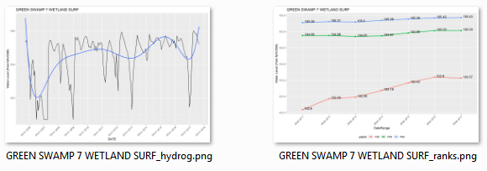
Island Lake SJ-LH | 80.78 | -0.04 | 80.80 | -0.02 | 80.88 | 0.06 | 80.97 | 0.14 | 81.06 | 0.24 | 81.13 | 0.30 | 81.18 | 0.36 | -1.04 | Island Lake - 2774 | 81.86 | 80.82
Johns Lake SJ-QB | 92.27 | -0.24 | 92.01 | -0.50 | 91.96 | -0.55 | 92.16 | -0.35 | 92.33 | -0.18 | 92.61 | 0.10 | 92.70 | 0.19 | -0.88 | Johns Lake | 93.39 | 92.51
LAKE ANNIE (HIGHLANDS) | 108.77 | 0.02 | 108.76 | 0.01 | 108.79 | 0.04 | 108.81 | 0.06 | 108.81 | 0.06 | 108.81 | 0.06 | 108.81 | 0.06 | -1.20 | Lake Annie (Highlands) | 109.95 | 108.75
Lake Apshawa SJ-LF | 80.20 | -0.05 | 79.71 | -0.53 | 79.58 | -0.67 | 79.64 | -0.60 | 79.74 | -0.51 | 79.82 | -0.42 | 79.83 | -0.41 | -0.89 | Lake Apshawa | 81.13 | 80.24
Lake Apthorpe | 67.78 | 0.03 | 67.72 | -0.03 | 67.76 | 0.01 | 67.80 | 0.05 | 67.83 | 0.08 | 67.87 | 0.12 | 67.87 | 0.12 | -1.18 | Lake Apthorpe | 68.93 | 67.75
Lake Avalon SJ-LE | 85.05 | -0.37 | 85.12 | -0.30 | 85.09 | -0.33 | 85.02 | -0.40 | 85.08 | -0.34 | 85.18 | -0.25 | 85.23 | -0.19 | -0.88 | Lake Avalon | 86.30 | 85.42
LAKE GARFIELD | 100.44 | -0.05 | 100.55 | 0.05 | 100.62 | 0.12 | 100.69 | 0.20 | 100.71 | 0.22 | 100.71 | 0.22 | 100.62 | 0.12 | -0.90 | Lake Garfield | 101.39 | 100.49
Lake Gem SJ-AJ | 47.64 | -0.03 | 47.63 | -0.04 | 47.74 | 0.07 | 47.80 | 0.13 | 47.74 | 0.06 | 47.07 | -0.60 | 46.97 | -0.71 | -1.07 | Lake Gem | 48.74 | 47.67
Lake Leonore (Patrick) | 84.06 | 0.04 | 84.07 | 0.05 | 84.10 | 0.08 | 84.13 | 0.11 | 84.15 | 0.13 | 84.18 | 0.16 | 84.20 | 0.18 | -1.06 | Lake Leonore (Patrick) | 85.08 | 84.02
Lake Louisa SJ-LJ | 91.48 | -0.05 | 91.35 | -0.18 | 91.20 | -0.33 | 91.31 | -0.23 | 91.38 | -0.16 | 91.46 | -0.08 | 91.48 | -0.06 | -0.88 | Lake Louisa | 92.41 | 91.53
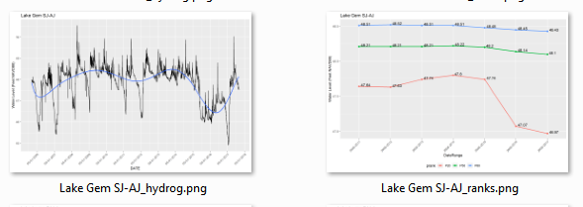
Lake Placid | 88.32 | 0.00 | 88.20 | -0.12 | 88.24 | -0.08 | 88.33 | 0.01 | 88.38 | 0.06 | 88.46 | 0.14 | 88.55 | 0.23 | -1.12 | Lake Placid | 89.44 | 88.32
LAKE STREETY | 102.35 | 0.03 | 102.42 | 0.10 | 102.51 | 0.19 | 102.58 | 0.26 | 102.64 | 0.32 | 102.68 | 0.36 | 102.60 | 0.28 | -0.89 | Lake Streety | 103.21 | 102.32
Lake Van | 130.10 | 0.03 | 130.24 | 0.17 | 130.37 | 0.30 | 130.46 | 0.39 | 130.54 | 0.47 | 130.60 | 0.53 | 130.64 | 0.57 | -1.01 | Lake Van | 131.08 | 130.07
 |  |  |  |  |  |  |  |  |  |  |  |  |  |  | -0.97 | Lake Wales | 102.65 | 101.68
LAKE WALKER | 136.24 | -0.01 | 136.77 | 0.52 | 137.14 | 0.89 | 137.07 | 0.82 | 137.17 | 0.92 | 137.25 | 1.00 | 137.21 | 0.96 | -1.11 | Lake Walker | 137.36 | 136.25
Long Lake SJ-QD | 57.43 | -0.07 | 56.82 | -0.68 | 56.51 | -0.99 | 56.79 | -0.71 | 57.05 | -0.45 | 57.38 | -0.12 | 57.37 | -0.13 | -0.93 | Long Lake | 58.43 | 57.50
PARKS LAKE | 98.89 | 0.01 | 98.95 | 0.07 | 99.03 | 0.15 | 99.07 | 0.19 | 99.11 | 0.23 | 99.14 | 0.26 | 99.14 | 0.26 | -0.95 | Parks Lake | 99.83 | 98.88
POLECAT LAKE | 138.44 | -0.21 | 138.58 | -0.07 | 138.81 | 0.16 | 138.95 | 0.30 | 139.13 | 0.48 | 139.31 | 0.66 | 139.36 | 0.71 | -0.85 | Polecat Lake | 139.50 | 138.65
SPLITOAK | 64.73 |  | 64.88 |  | 64.61 |  | 64.77 |  | 64.93 |  | 65.11 |  | 65.10 |  |  | Split Oak
SURVEYORS LAKE | 129.33 | -0.05 | 129.36 | -0.01 | 129.42 | 0.04 | 129.47 | 0.10 | 129.51 | 0.14 | 129.55 | 0.18 | 129.55 | 0.18 | -0.93 | Surveyors Lake | 130.30 | 129.37
TB2_GW1 | 97.70 | -0.15 | 97.60 | -0.25 | 97.63 | -0.22 | 97.71 | -0.14 | 97.76 | -0.09 | 97.82 | -0.03 | 97.82 | -0.03 | -0.87 | Tibet Butler - TB2 | 98.72 | 97.85
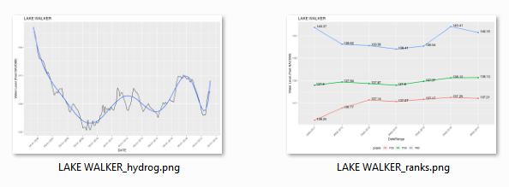
Trout Lake SJ-QC | 89.74 | 0.01 | 89.11 | -0.61 | 88.66 | -1.07 | 88.47 | -1.25 | 88.60 | -1.13 | 88.66 | -1.07 | 88.75 | -0.98 | -0.86 | Trout Lake | 90.59 | 89.73
Unnamed Cypress SJ-LA | 68.19 | 0.02 | 68.15 | -0.02 | 68.17 | 0.00 | 68.20 | 0.03 | 68.22 | 0.05 | 68.12 | -0.05 | 68.06 | -0.11 | -1.09 | Unnamed Cypress | 69.26 | 68.17
Unnamed Wetland SJ-LB | 45.47 |  | 45.01 |  | 44.79 |  | 44.98 |  | 45.16 |  | 45.25 |  | 45.27 |  | -1.03 | Unnamed Wetland | 61.41 | 60.38
WR11_GW1 | 63.14 | 0.11 | 63.06 | 0.03 | 63.07 | 0.04 | 63.20 | 0.17 | 63.38 | 0.35 | 63.52 | 0.49 | 63.54 | 0.51 | -1.07 | Walker Ranch - WR11 | 64.10 | 63.03
WR6_GW1 | 60.41 | -0.16 | 60.29 | -0.28 | 60.11 | -0.46 | 60.30 | -0.27 | 60.46 | -0.11 | 60.58 | 0.01 | 60.54 | -0.03 | -1.04 | Walker Ranch - WR6 | 61.61 | 60.57
WR9_GW1 | 63.48 | -1.05 | 63.41 | -1.12 | 63.24 | -1.29 | 63.40 | -1.13 | 63.51 | -1.02 | 63.62 | -0.91 | 63.62 | -0.91 | -1.04 | Walker Ranch - WR9 | 65.57 | 64.53

