Sheet1
 | AP | AP50 | AP75 | APs | APm | APl
tood_r50_fpn_1x_coco_ref | 0.415 | 0.589 | 0.452 | 0.241 | 0.446 | 0.557
tood_r50_fpn_1x_coco_disloss | 0.416 | 0.59 | 0.449 | 0.246 | 0.449 | 0.549

 | 5 | 6 | 7 | 8 | 9 | 10 | 11 | 12
tood_r50_fpn_1x_coco_ref_mAP | 0.335 | 0.349 | 0.363 | 0.367 | 0.408 | 0.411 | 0.412 | 0.415
tood_r50_fpn_1x_coco_disloss_mAP | 0.337 | 0.355 | 0.356 | 0.371 | 0.409 | 0.411 | 0.413 | 0.416

 | 5 | 6 | 7 | 8 | 9 | 10 | 11 | 12
tood_r50_fpn_1x_coco_ref_mAP_50 | 0.493 | 0.511 | 0.528 | 0.531 | 0.58 | 0.584 | 0.585 | 0.589
tood_r50_fpn_1x_coco_disloss_mAP_50 | 0.493 | 0.514 | 0.517 | 0.534 | 0.581 | 0.584 | 0.588 | 0.59

 | 5 | 6 | 7 | 8 | 9 | 10 | 11 | 12
tood_r50_fpn_1x_coco_ref_mAP_75 | 0.36 | 0.379 | 0.391 | 0.398 | 0.443 | 0.446 | 0.448 | 0.452
tood_r50_fpn_1x_coco_disloss_mAP_75 | 0.364 | 0.383 | 0.385 | 0.4 | 0.443 | 0.445 | 0.445 | 0.449

 | 5 | 6 | 7 | 8 | 9 | 10 | 11 | 12
tood_r50_fpn_1x_coco_ref_mAP_s | 0.183 | 0.204 | 0.203 | 0.212 | 0.238 | 0.241 | 0.239 | 0.241
tood_r50_fpn_1x_coco_disloss_mAP_s | 0.189 | 0.198 | 0.209 | 0.211 | 0.244 | 0.243 | 0.245 | 0.246

 | 5 | 6 | 7 | 8 | 9 | 10 | 11 | 12
tood_r50_fpn_1x_coco_ref_mAP_m | 0.366 | 0.381 | 0.397 | 0.398 | 0.442 | 0.445 | 0.444 | 0.446
tood_r50_fpn_1x_coco_disloss_mAP_m | 0.37 | 0.394 | 0.391 | 0.408 | 0.443 | 0.446 | 0.447 | 0.449

 | 5 | 6 | 7 | 8 | 9 | 10 | 11 | 12
tood_r50_fpn_1x_coco_ref_mAP_l | 0.446 | 0.457 | 0.478 | 0.49 | 0.537 | 0.547 | 0.548 | 0.557
tood_r50_fpn_1x_coco_disloss_mAP_l | 0.443 | 0.475 | 0.469 | 0.485 | 0.541 | 0.543 | 0.543 | 0.549

bbox_mAP
结果分析

bbox_map_50

 |  |  |  |  |  |  |  |  | ref
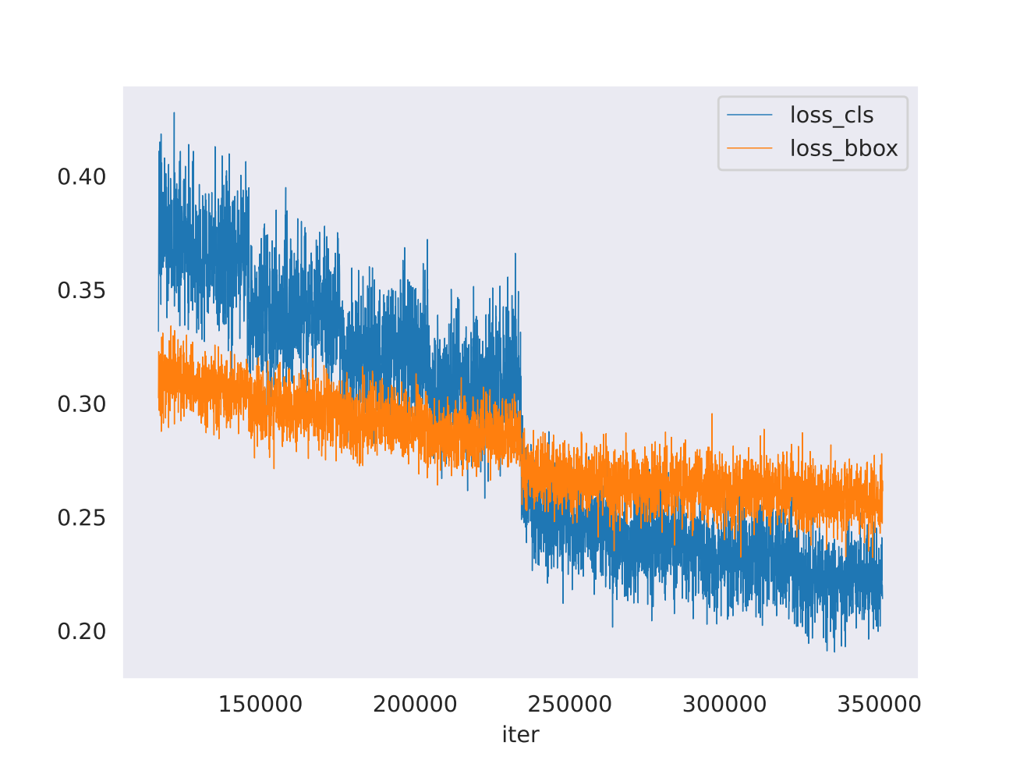

bbox_map_75

bbox_map_s

 |  |  |  |  |  |  |  |  | disloss
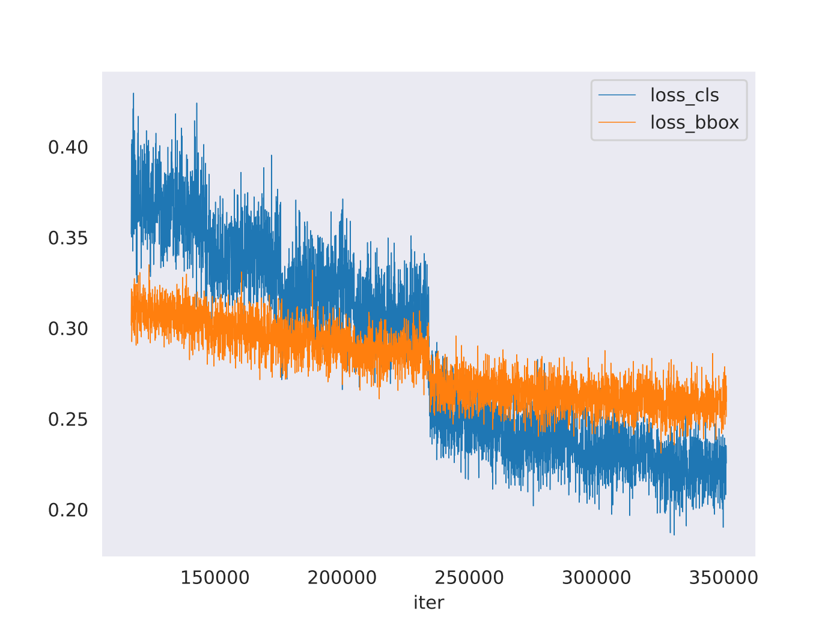

bbox_map_m

bbox_map_l

