Sheet1
 |  | 1
1 | 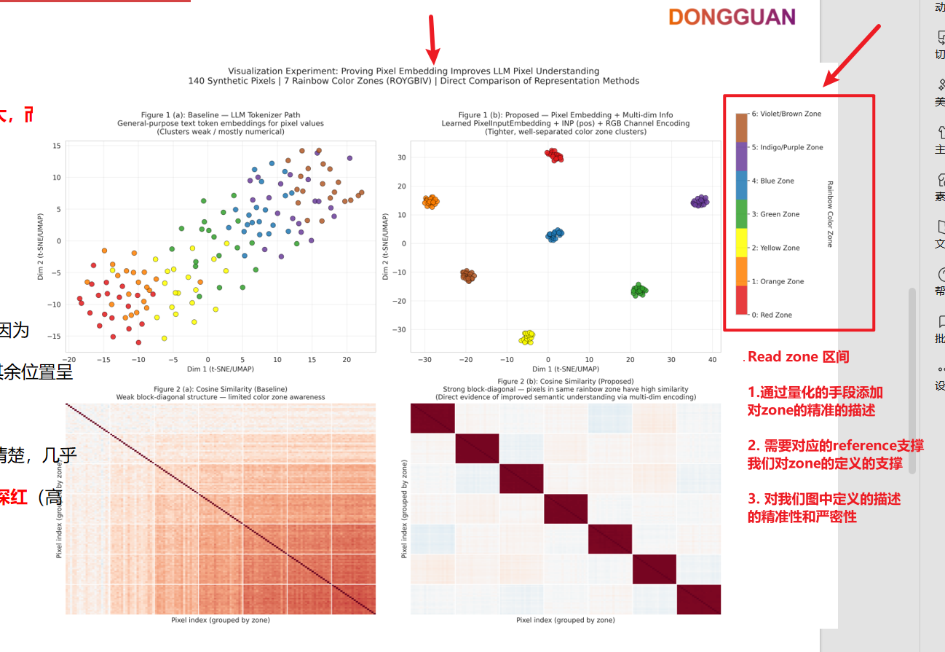 | 为我再详细解释一下你做这张图的逻辑，包括如下部分： 1. 精准定义你对于每个色区（zone）的定义 2. 根据你的定义，找一定的reference来支撑你的结论 3. 对于我们图中的量纲给出严格的定义 | The ROYGBIV acronym denotes the conventional sequence of hues in the visible spectrum—Red, Orange, Yellow, Green, Blue, Indigo, and Violet—first systematically partitioned by Isaac Newton in his seminal treatise Opticks . Newton divided the spectrum into seven colors to correspond with the seven notes of the diatonic musical scale, establishing a foundational perceptual framework for color representation. Following the classic ROYGBIV spectral partitioning as a perceptually motivated proxy for color similarity, consistent with modern practices in representation learning (Caron et al., ICCV 2021),this classic partitioning has since served as a standard reference for discrete color zoning in visualization and representation learning tasks, providing a perceptually motivated proxy for semantic similarity in high-dimensional embedding spaces.
 |  |  | To assess whether th e proposed Pixel Embedding learns perceptually meaningful representations, we perform a controlled visualization experiment using 140 synthetic pixels partitioned into seven color zones. We first convert the RGB pixel values to the HSV color space, which separates hue (representing color type) from saturation and value. The hue channel is then quantized into seven discrete intervals to obtain perceptually motivated zone labels, following the color modeling and representation analysis approaches in Muratbekova et al. (2026) and Caron et al. (2021). Embeddings from both the baseline LLM tokenizer and our Pixel Embedding (augmented with intra-patch positional encoding and optional channel encoding) are projected into two dimensions via t-SNE or UMAP and further examined through cosine similarity matrices. This procedure enables direct visual and quantitative comparison of clustering structure between the two representation methods.

 |  | 很好，现在的作图非常好； 我们现在用数学的方式来讨论下出图的逻辑； 先讨论左边的图，能否为我介绍一下，你是如何从140个散点，绘制出llama tokenizer后的t-SNE分布的

 |  | LLAMA 生成方式 | 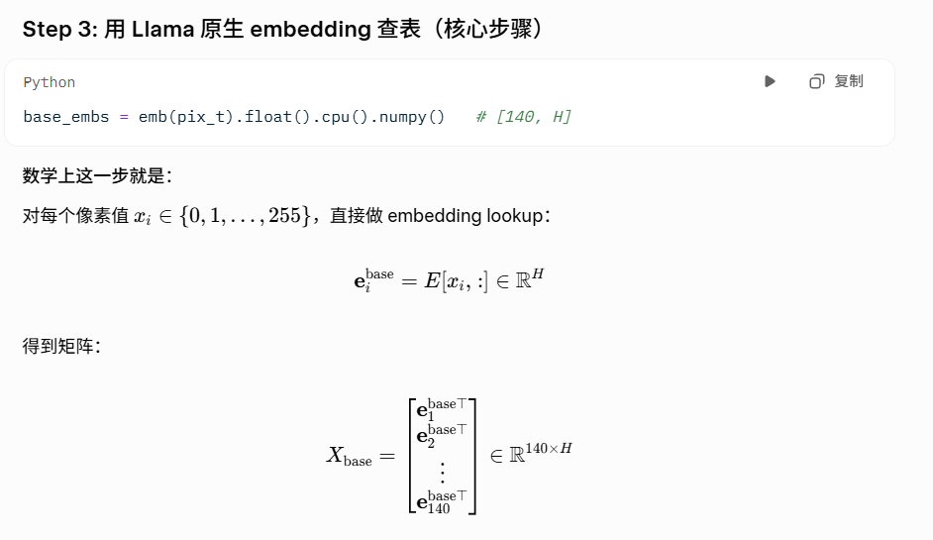
 |  | 讲解一下我的可视化思路 构造一个16*16的patch，每个pixel由三个subpixel组成； 也就是输入完全展开后是一个16*16*3个点组成的vector； 然后我画出这个vector经过llama原始的tokenizer后的t-SNE分布； 然后我画出这个vector经过我的PE后的的，t-SNE分布； 然后我对比这两个t-SNE分布，证明PE的价值； 基于这个假设，，你认为有什么问题吗？你认为图表上一个点代表是一个subpixel还是一个pixel？

 |  |  | 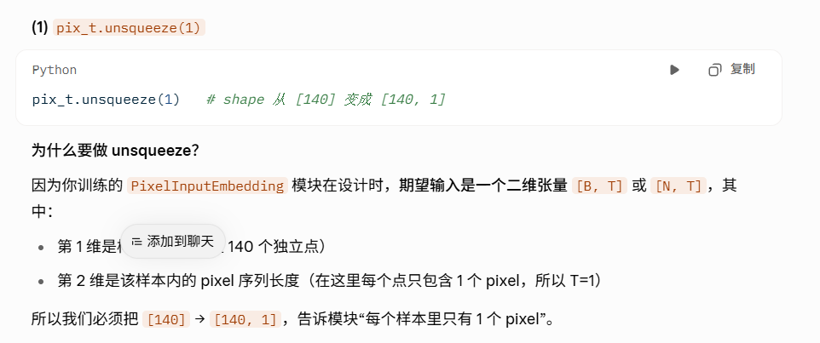
 |  |  | 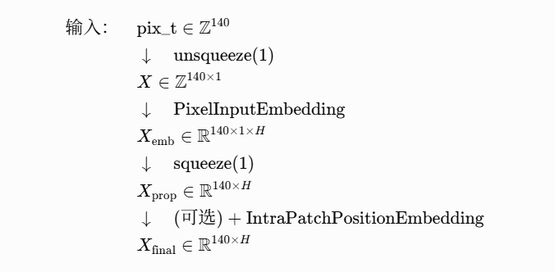
 |  |  | 