Sheet1
Cloud Application programming Model(CAPM)

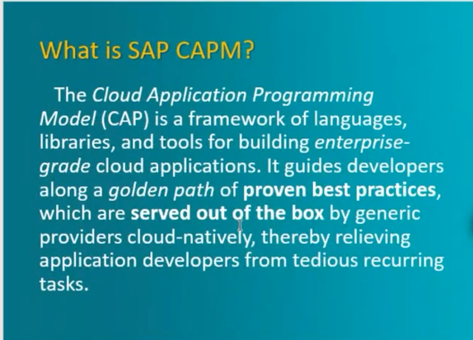

1. DataBase Layer - Tables get Created
2. Service Layer - CRUD operations on the table will be written in the model layer and exposed like a ODATA service/ which acts like a mediator between UI layer and DB layer
3. Presentation Layer/ UI layer - ODATA service will be called from the SAP UI5 app

In traditional on-premise apps we create segw odata apps(inside it we create Entities , Associations, Deep Entities) and write business logic for CRUD operations , which will be exposed like a ODATA service
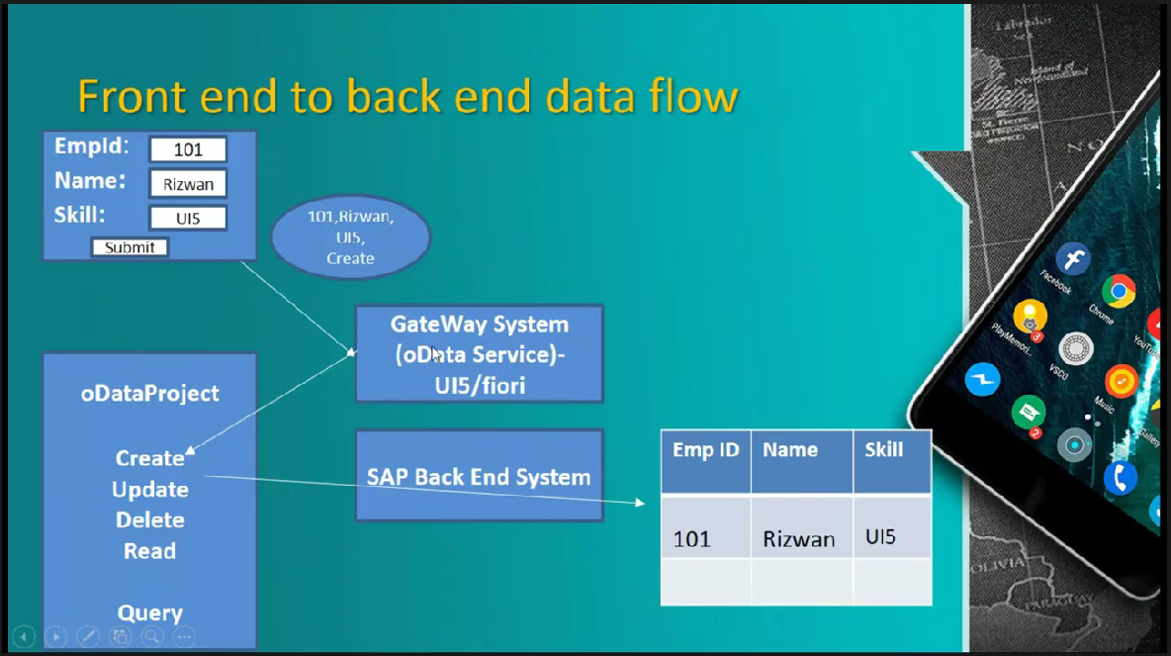

Advantages of CAPM
1. Faster Development :Most of the things works out of the box , no need to write any logic for CRUD operations/ Create Deep Entity
2. CAPM comes with Node.js based development , predefined plugins , libraries(so plugina nd play kind of development is present in CAPM) CAPM enables developers to work on Data Modelling part i.e Tables, relation between the tables
3. Zero lock in , Can be developed with any Javascript related framework
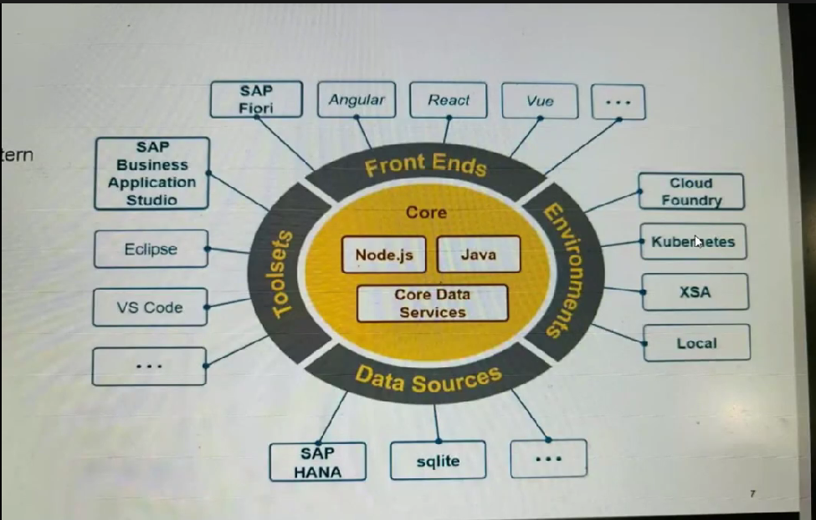

By Default SAP provides SAP HANA database but in CAPM we can use sqlite , postgreSQL etc
run time environment

Steps for Creating CAPM application
1. Create a Full Stack Cloud Application in BAS
2. In SAP BTP , service Marketplace section -> Subscribe to SAP HANA Cloud Central -> select as tools as plan -> it redirects to SAP HANA Cloud Central -> Create instance for first time
3. SAP HANA Cloud Central Instance should be created and running
Run Time can be Node js or Java , most of the cases Node js will be used

Sample CAPM Project Creation
1. Run the full Stack Cloud App Instance in Dev Space
2. Select the CAP project
3.A Sample CAPM project will be created
4. Database tables needs to be created with CDS definition language

Steps of creating Code Generation in Sample CAPM project
Generate a Schema.cds file under db folder
Namespace is a unique identification to point to this particular Database namespace empmgmnt.db;
CRUD operation code can be handled by CAP architecture
If custom code for CRUD operation is needed then we can accommodate it as well
We need to expose a database table as a entity in oData service oData service contains Entity , Entity sets , associations and many other things We need to define service in service folder(to define odata service definition)

When we run the application in development Stage by default it runs with sqlite database(Inmemory Database)

cds watch - to run the CAPM app locally
cds add data - It creates a new data folder with in db folder
Color codes for Status Criticality 3- Green 2-Orange 1-Red

CRUD operations

https://port4004-workspaces-ws-vx4px.us20.applicationstudio.cloud.sap/odata/v4/empmgmnt/Employees - Query operation
https://port4004-workspaces-ws-vx4px.us20.applicationstudio.cloud.sap/odata/v4/empmgmnt/Employees('E001') - Read operation

Tcode - GW_client - to test the crud operations working Fine or not
In CAPM application also we can test if all CRUD operations are working Fine or not by creating a file direcly under project folder queries.http

POST http://localhost:4004/odata/v4/empmgmnt/Employees Content-Type: application/json (For Post Operation, no gap should be present between Post and Content-Type line) rest of the examples are there in the workspace ### : 3 astrick marks are required to enable send request for other operation

Instead of Creating Empid: String(6) we can replace it with Empid: UUID so that Empid is generated automatically

We can consider queries.http file as a rest client

Aspects
Aspects are predefined reusable collection of fields which we can simply add to any entity cuid is a aspect in the example Use Ctrl+Click to see aspects in the common.cds File Instead of writing the Key in Entity we can pick aspect associated with Key from common.cds and write it in schema.cds so we can reuse it

Creating Deep Entity
When we create a Project entity which needs to have one - many relationship with Employees Entity
entity Projects : cuid{
Emp : Association to Employees;
}
This syntax will create a association with Employees Entity which has Key ID , so the Key in Entity Project will be as Emp_ID i.e Emp is key in Projects Entity
Association to many projects(1 Employee can have many Projects) on projects.Emp(Employee ID of projects table) = $self(should be equal to self primary Key )
projects: Association to many Projects on projects.Emp = $self

Difference Between Association and Composition
Association is just a relation between two entities
Either Association or Composition have 1 to many relationship only
In Association parent can exist without a child Ex: Employee and Projects
In Composition parent cannot exist without a child Ex: Purchase order and purchase order Items
If we delete the parent table child table entries should also be deleted (Composition)
If we delete the parent table child table entriesneed not to be be deleted (Association)

In real time we use Composition
projects: Composition of many Projects on projects.Emp = $self

POST http://localhost:4004/odata/v4/empmgmnt/Employees
Content-Type: application/json

{
"Name": "Gouse Naik",
"Desig": "Manager",
"Skill": "SAP UI5",
"Email": "gouse.naik@capm.com",
"Status": "Permanent",
"StatusCriticality": 3,
"projects":[
{
"Prjname":"Gouse project1",
"Prjdesc" : "Gouse project1 desc",
"Clientname" : "ABC"
}
]
}

We can create deep entity as well after writing the Composition Code and passing the entries

CAPM is designed in such a way to handle filters , sorting , grouping and create deep Entity logic While running locally CAPM works with SQLite temporary Database We can shift to SQLite permanent Database or SAP HANA permanent database CTRL +C - to end the cds watch session

Enabling Cloud Foundry Environment

In BTP Sub account , In overview section under Cloud Foundry Environment tab enable Cloud Foundry

How to add the SAP HANA Database present in the Cloud
SAP HANA instance in SAP HANA Cloud Central should be ready and running
Use HANA Database and post building DB Layer and Service Layer will be deploying this DB
In Instances and Subscriptions subscribe to SAP HANA Cloud
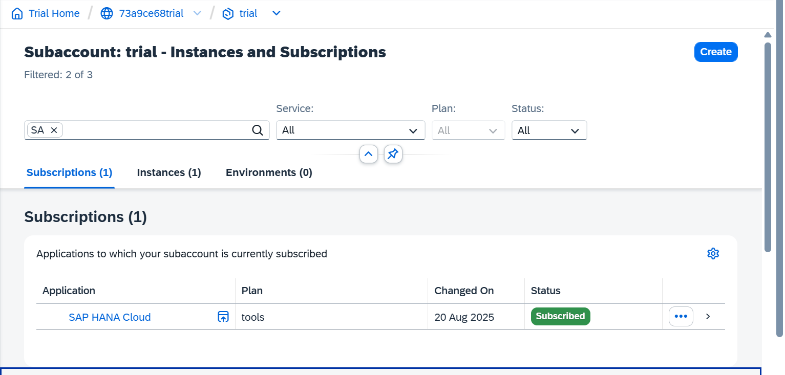

Create Instance in Cloud Central

Make Sure Runtime is Cloud Foundry and Plan is hana

https://cap.cloud.sap/ - CAP Documentation / search in google as capire
Under Databases section in CAP documentation -> SAP HANA Cloud -> Execute the installation steps on BAS
1.npm add @cap-js/hana
2.cds build --for hana
3.cds deploy --to hana

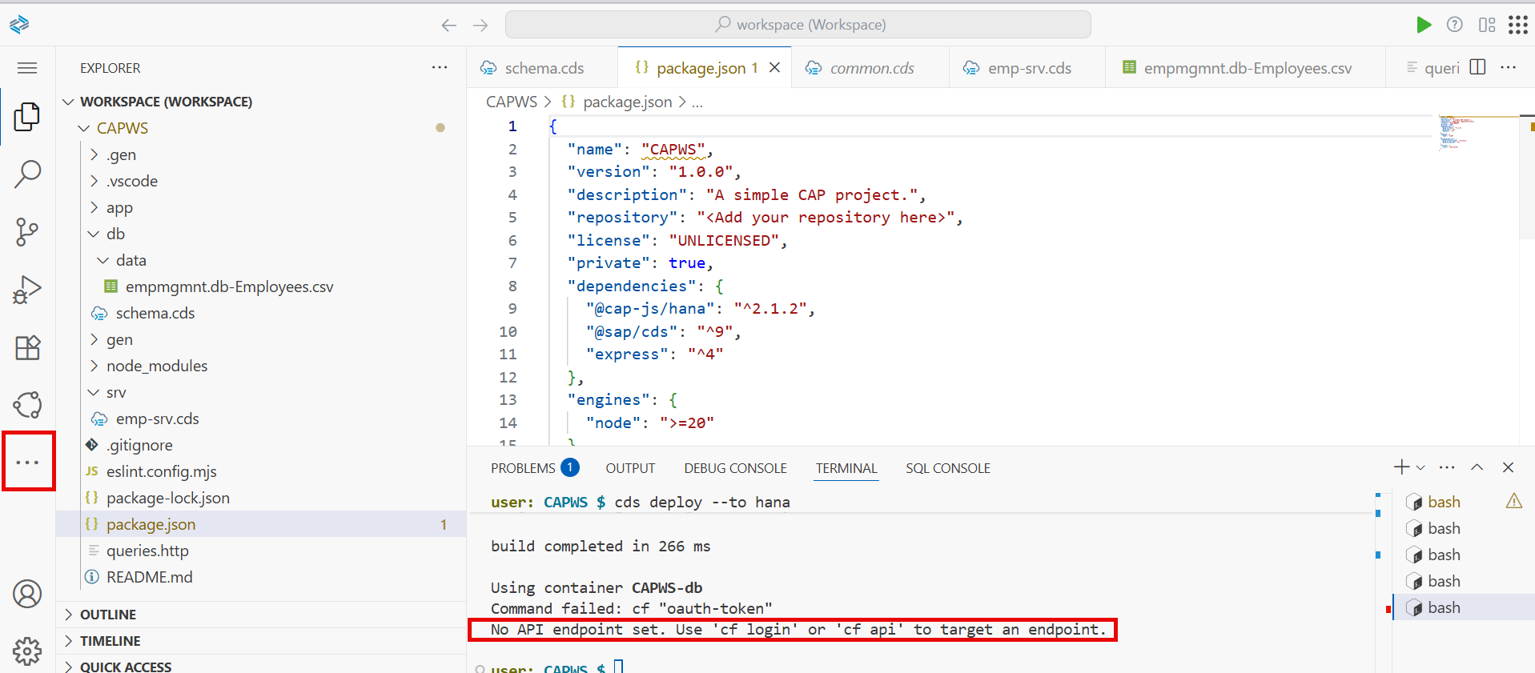

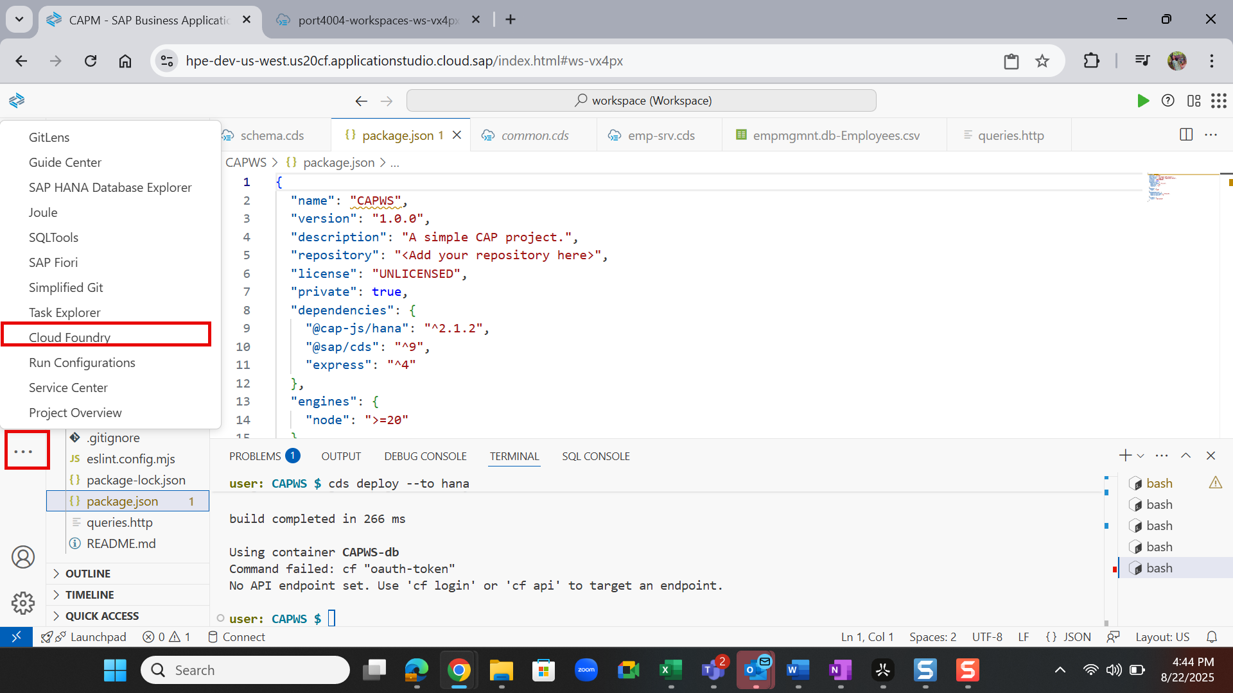

Login to the Cloud Foundry

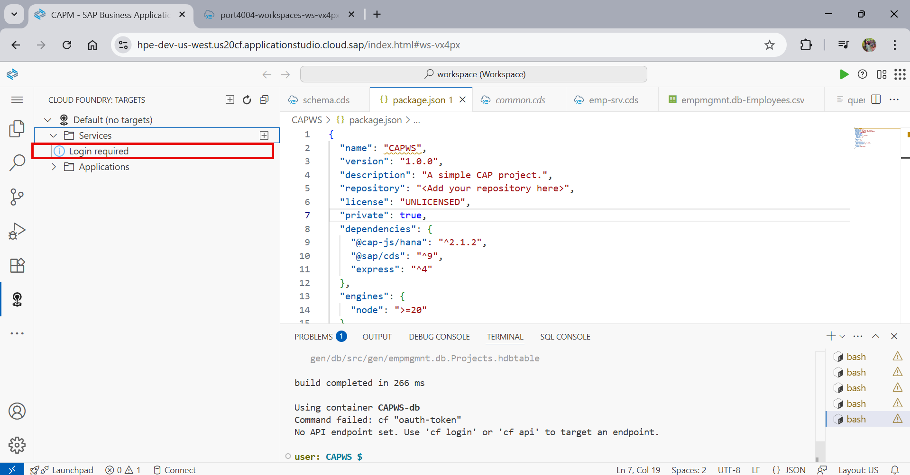

Enter the Cloud Foundry end point from the BTP sub account , generate an SSO passcode and login to your cloud foundry account and click on sign in

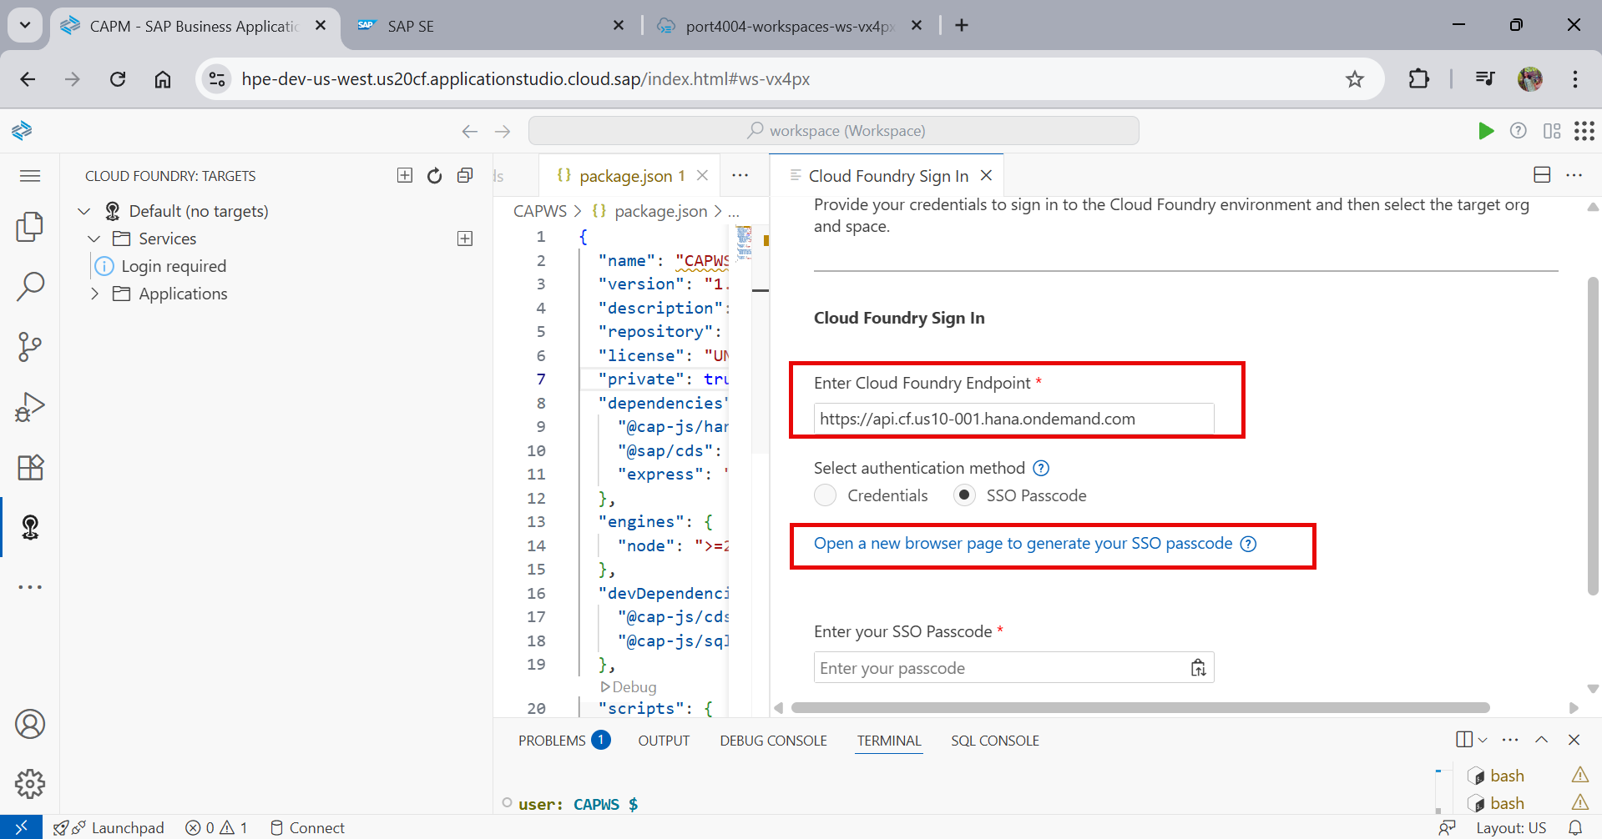

Select the Cloud Foundry Target and click on apply

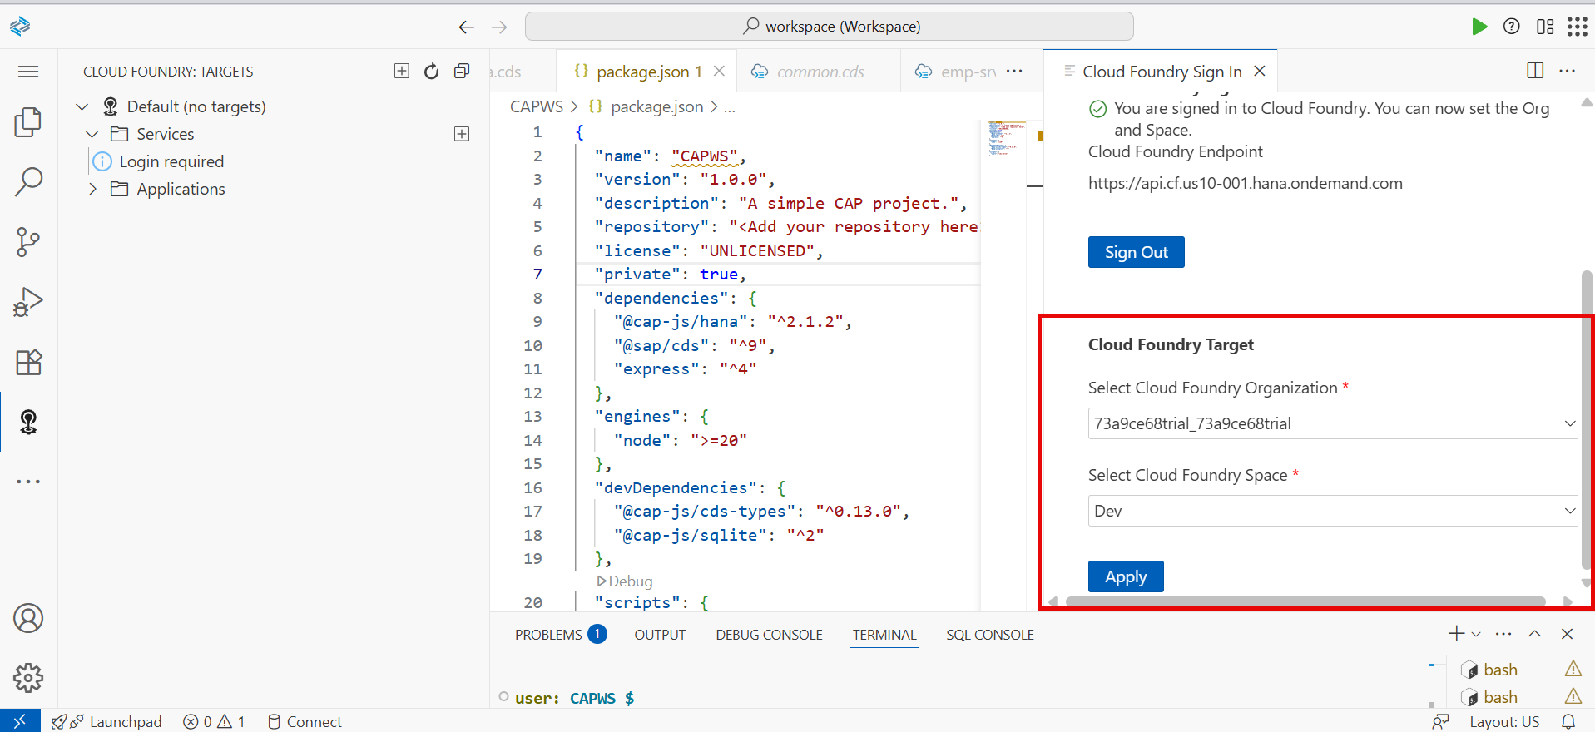

Log Out from Cloud Foundry:
Open the Command Palette in BAS.
Search for and select "CF: Login from Cloud Foundry" and then logout.

Now repeat the deployment steps

cds build --for hana
cds deploy --to hana

Assign HANA Cloud Administrator Role to User
go to your subaccount's SAP BTP cockpit, select Security > Users, choose the user, and then click Assign Role Collection to select and assign the relevant administrator role collections

******************************

When we have a Composition relationship the child will be automatically expanded , exposing child entity in cds file is not needed when we use composition
If there is any change in DB and service layer we have to build and deploy again

Open SAP HANA DataBase Explorer
IN SAP HANA Cloud Central go to actions and open in SAP HANA Database Explorer
During deployment it creates HANA HDI Container
Create a HDI Container here
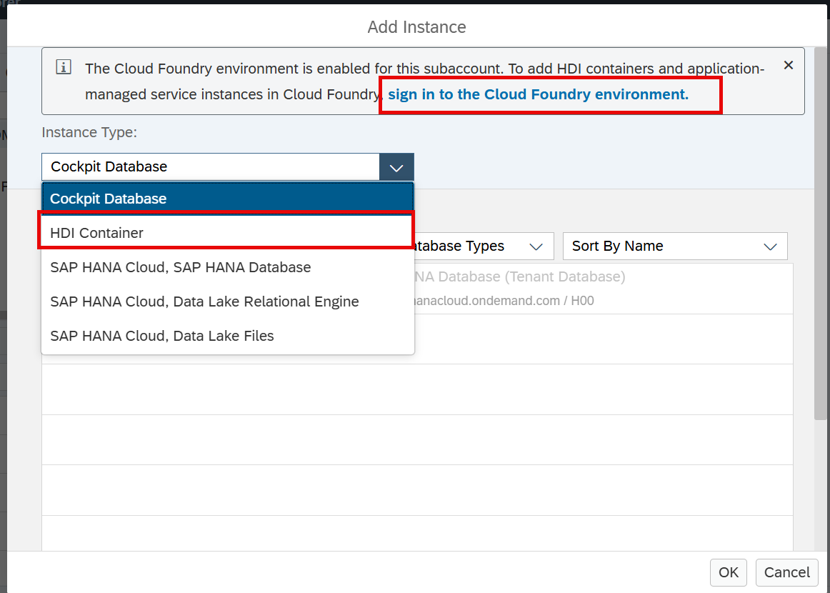

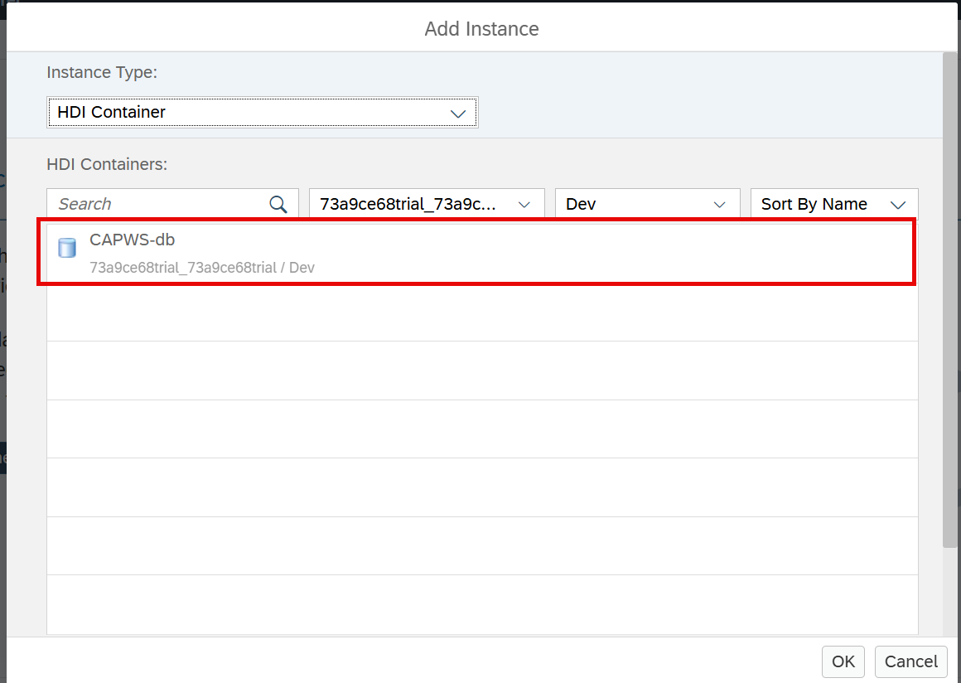



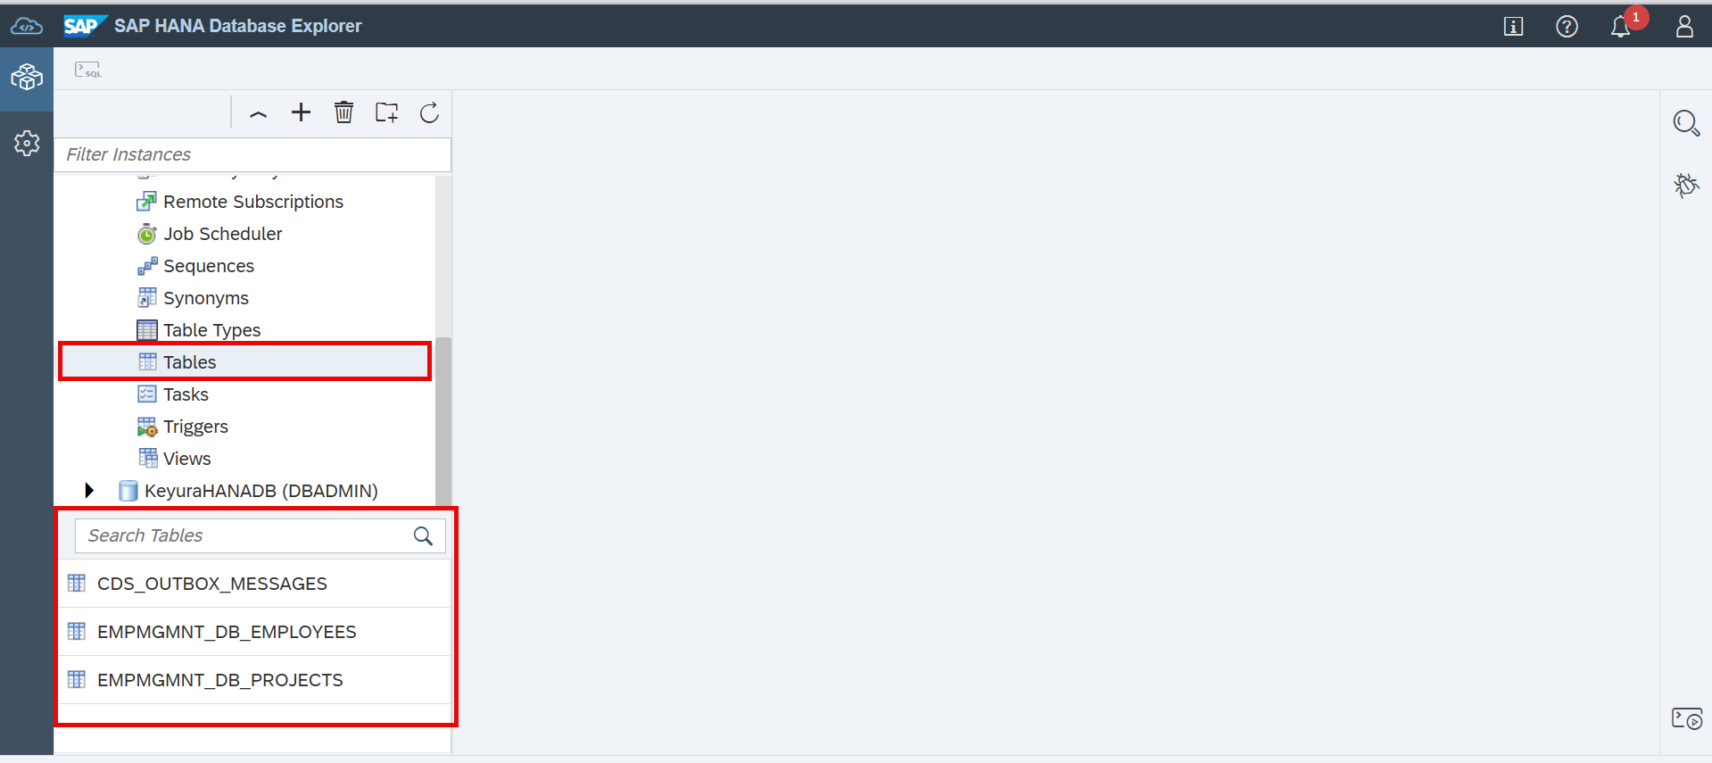

DB and service layer are Build and ready, lets create an UI layer now

The service that gets created in CAPM is odata service V4

If we are connecting to private cloud or public cloud , that S4 HANA service will be connected through a API end point Inside Cloud Applications(CAPM) if we need to call any external services it will be done through API end point Using the EDMX file we will import(to get on premise content into CAPM application) the external service and expose it in service layer

UI Project Generation
Create a new List Report Fiori Elements application through Project from template
Data Source - Use a Local CAP project
With cds watch command app connects to in memeory Sqlite DB
To run with the HANA database we have to execute the command cds watch --profile hybrid
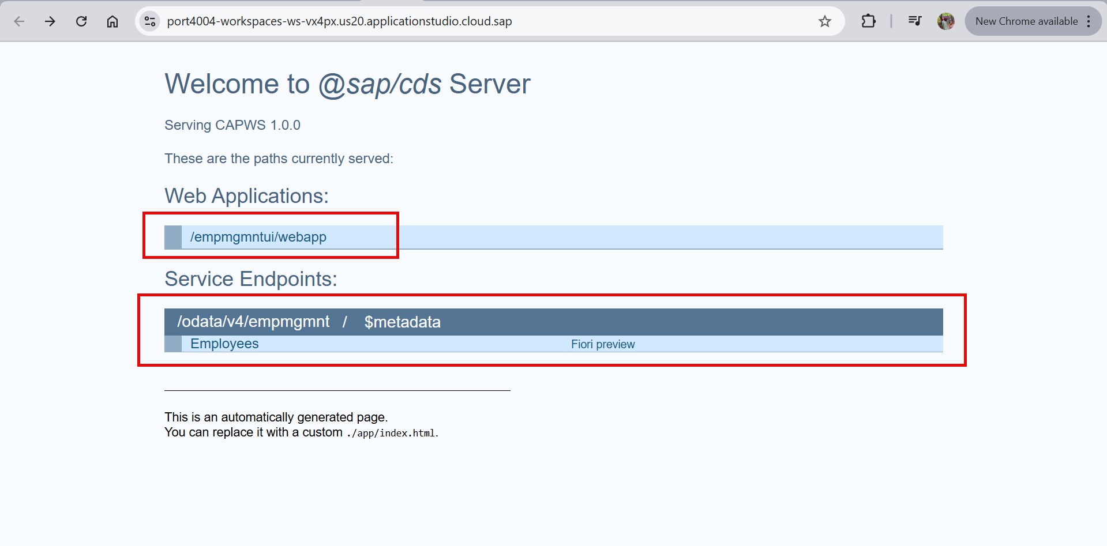

On opening the web application , we can see list report app , In List report app we have no columns as of now , we can create columns by writing annotations , using Page Map we can easily write the annotations
Annotation - Giving more meaningful information to each and every field of an entity and to say how to behave , the passing of instruction is annotation In Real Time Scenario we use Page Map for writing annotations annotate service.Employees with @( UI.LineItem:[ { $Type : 'UI.DataField', Value : ID, Label : 'Employee ID', }, { $Type : 'UI.DataField', Value : Name, Label : 'Name', } ] ); Manually writing Annotations in above way

In CAPM CRUD operations are supported only when we enable the DRAFT functionality
@odata.draft.enabled - It will enable the CRUD operations on an entity where it is written

Right click on project and select page Map , Configure the attributes for list report page(table + columns) , object page(title + object page body info)
Sections - Add Form Section
Ensure HANA instance is in Running state after making changes Run Commands cds build --for hana , cds deploy --to hana and cds watch --profile hybrid

Enable Status Criticality
Right click on App and open Page Map and go to Status Criticality column in table Select StatusCriticality for Criticality Field
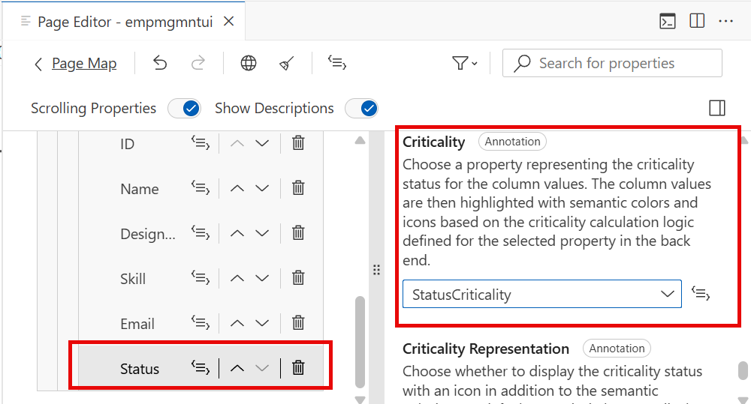

In S4HANA Database explorer we can find new created records on UI

Adding a Line Item Table in object Page of CAPM(Using Deep Entity)
* Using Page Map , edit object Page and go to sections add table , give the columns needed
Form and table will be present in object page

In Object Page adding Line Item to projects table during Create

In Manifest.json inside target "EmployeesObjectPage" add Control Configuration and creation mode "controlConfiguration": { "projects/@com.sap.vocabularies.UI.v1.LineItem#i18nProjectsInformation": { "tableSettings": { "type": "GridTable", "creationMode":{ "name" : "Inline" } } } }
#i18nProjectsInformation - Qualifier (which is unique identifier to identify project)
projects/ - Navigation property should be given to identify it is within projects

How to Display F4 Help with Table inside it
For Filter Field Id search for property Display Type Change Display Type property as Value Help Enter the label and required params , Add another column if required Display as Drop down field should be disabled

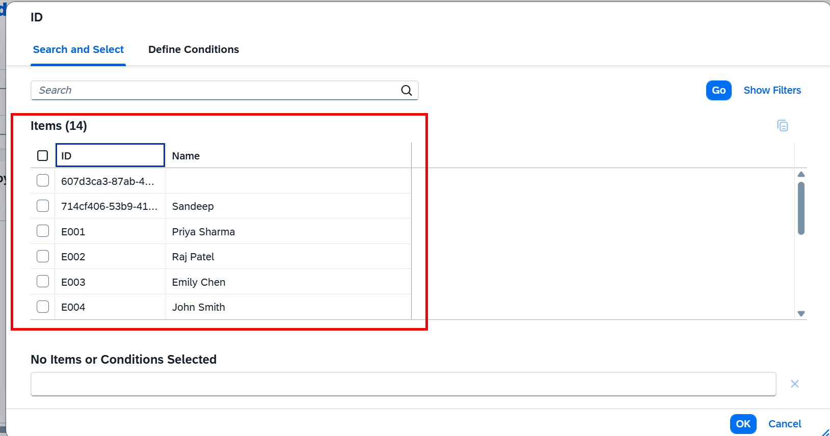

Default Handlers
CAPM gives out of the box support for entire CRUDQ operations and create deep entity
Suppose we need to write custom logic for create we need Custom Handlers
To write custom Handler we need to Go to Service Layer and with same name we need to create another file with .js extension emp-srv.js
For overriding default Handlers we have 3 methods Before Handler - custom handler code executes first and later on default handler code will work ex: fill status criticality as before handler code On Handler - Complete Replacement of Default Handler , only the custom code will work not any default handler code After Handler - Default handler executes first and later on custom handler code ex: we use it mainly for read and query operations
We can remove the Status Criticality field from Page Map
emp-srv.js - where the custom handler code is written

Localization
In schema.cds we can declare properties as localized strings , the CAP automatically creates a separate table for it , where we can maintain data in various languages

In BTP uder service Market Place subscribe to Cloud Identity Services SAP build Work Zone is Nothing but Fiori launchpad in BTP

