Thermocouple_Data_Tests
ThermoCouple | x | y | z | Experimental | T - HTC | T - HTV-Vmat | T- HTC-VmatE
1 | 0.0115 | -0.02425 | 0.0195 | 675.14 | 846.4059131 | 761.75130009 | 802.2743858
2 | 0.0115 | -0.02475 | 0.0011843741 | 489.81 | 464.10101109 | 459.45650276 | 465.0222788
3 | 0.0064547868 | -0.02475 | 0.012183022 | 582.48 | 684.13974827 | 639.7745521 | 670.8340765
4 | 0.0115 | 0.02475 | 0.002833414 | 480.46 | 514.34216789 | 502.58698089 | 513.8206049
5 | -0.009953875 | 0.02475 | -0.004465947 | 448.44 | 453.93175991 | 450.51961964 | 453.907584
6 | -0.005529526 | 0.02475 | 0.017415017 | 608.38 | 1087.0936839 | 930.16685295 | 986.182478
7 | -0.0115 | -0.0007385863 | 0.016208278 | 655.11 | 970.1829921 | 850.17220782 | 902.7368582
8 | -0.0115 | -0.004125 | -0.0075877975 | 461.47 | 452.70572446 | 449.3690074 | 453.2759346
9 | -0.0115 | -0.004206353 | 0.008019387 | 544.66 | 642.34590901 | 607.13635311 | 633.1924345
10 | -0.0115 | 0.012584655 | -0.0034863688 | 470.33 | 460.26386412 | 456.11835567 | 460.916196

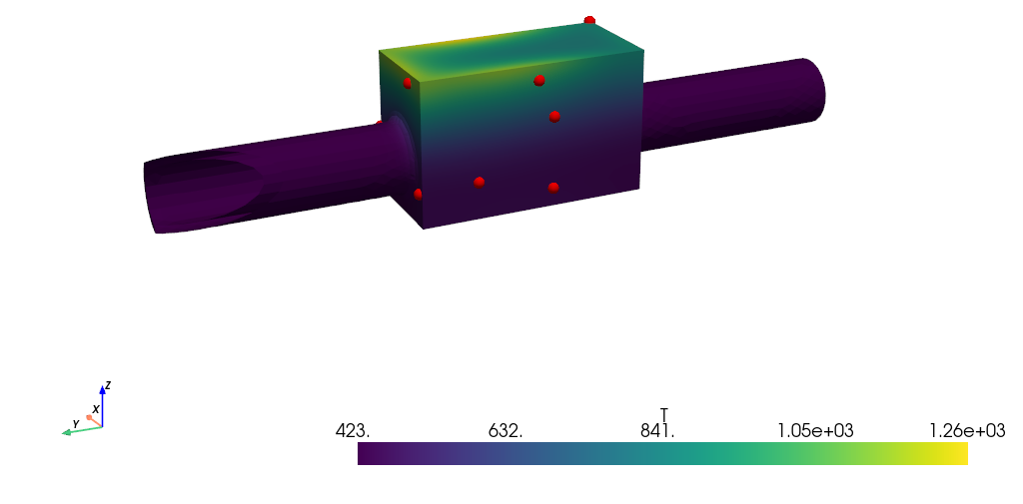



Baseline Model with HTC cooling steady state solution
HTC Model with varying full-field material thermal properties
HTC model with varying full-field thermal and global electrical properties

