Examples
INSTRUCTION | CODE (BIT 9 and BIT 8) |  | BIT 7 | BIT 6 | BIT 5 | BIT 4 | BIT 3 | BIT 2 | BIT 1 | BIT 0
VAR <= VARIABLE | 0 | 0 | VARIABLE | VARIABLE | VARIABLE | VARIABLE | VARIABLE | VARIABLE | VARIABLE | VARIABLE
RC <= RA ? RB | 0 | 1 | ? | ? | RA | RA | RB | RB | RC | RC
RC <= RA ? VAR | 1 | 0 | ? | ? | RA | RA | - | - | RC | RC
if(RA # RB),goto(PC+VAR) | 1 | 1 | # | # | RA | RA | RB | RB | - | -

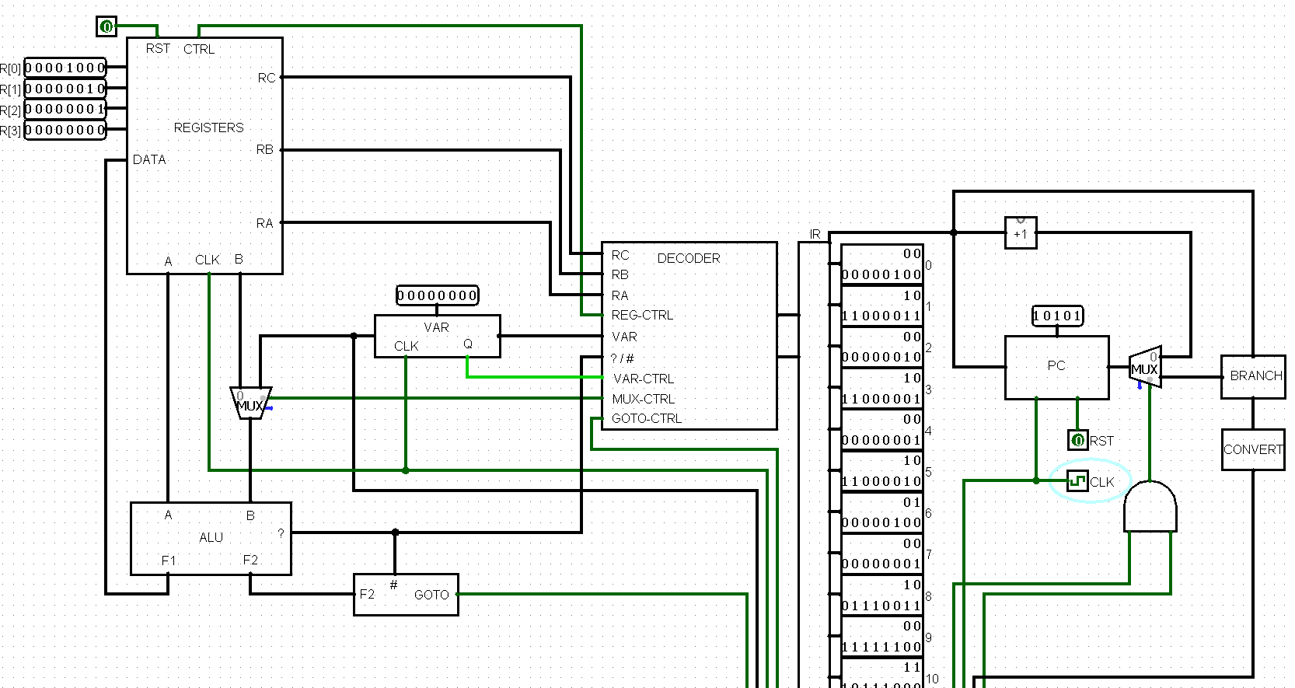
MULTIPLICATION (x * y) |  | MULTIPLICATION (4 * 7)
0. VAR <= y |  | 0b0000000111
1. R3 <= VAR |  | 0b1011000011
2. VAR <= x |  | 0b0000000100
3. R1 <= VAR |  | 0b1011000001
4. VAR <= 1 |  | 0b0000000001
5. R2 <= VAR |  | 0b1011000010
6. R0 <= R0 + R1 |  | 0b0100000100
7. VAR <= 1 |  | 0b0000000001
8. R3 <= R3 - VAR |  | 0b1001110011
9. VAR <= -4 |  | 0b0011111100
10. if (R3 > R2), goto (PC + VAR) |  | 0b1110111000
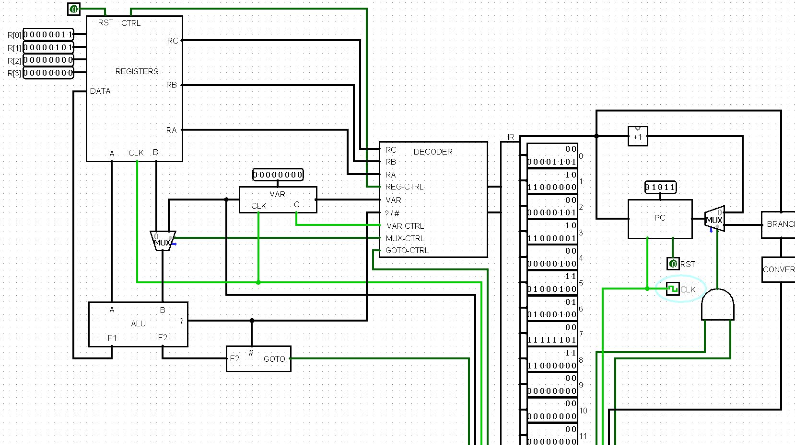
MODULO (x % y) |  | MODULO (13 % 5)
0. VAR <= x |  | 0b0000001101
1. R0 <= VAR |  | 0b1011000000
2. VAR <= y |  | 0b0000000101
3. R1 <= VAR |  | 0b1011000001
4. VAR <= 4 (fin) |  | 0b0000000100
5. if(R0 < R1), goto(PC+VAR) |  | 0b1101001000
6. R0 <= R0 - R1 |  | 0b0101000100
7. VAR <= -3 |  | 0b0011111101
8. if(true), goto(PC+VAR) |  | 0b1111000000

