Sheet1
Sales Dashboard 2014

Order Revenue by Month |  |  | General info

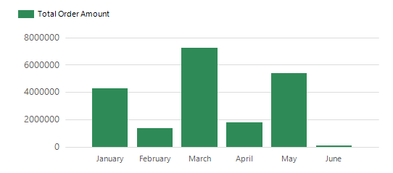 |  |  | Total Revenue: | $20,094,502.30

 |  |  | Order Count: | 11761

 |  |  | Top Purchase Category

 |  |  | 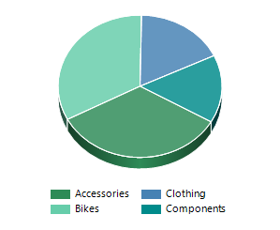

Best sellers

№ | Product | Number Of Sales
1 | Water Bottle - 30 oz. | 4688
2 | AWC Logo Cap | 3382

3 | Patch Kit/8 Patches | 3354

