bai 1
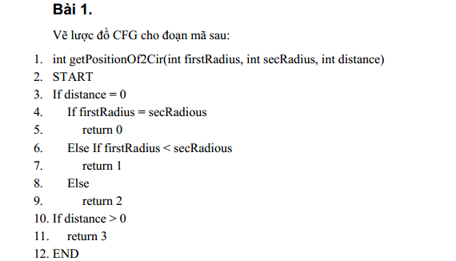

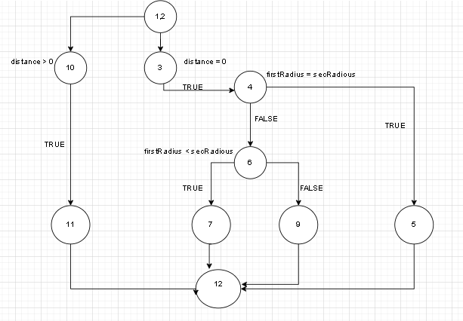

# | Test condition | input |  |  | line number executed | expected result
 |  | firstRad | seconRad | distance
1 | distance = 0, fisrtRad = seconRad | 2 | 2 | 0 | 1,2,3,4,7,12 | 0
2 | distance = 0, fisrtRad > seconRad | 3 | 2 | 0 | 1,2,3,4,6,7,12 | 1
3 | distance =0, fisrtRad <= secondRad | 2 | 4 | 0 | 1,2,3,4,6,9,12 | 2
4 | distance >0 | 1 | 1 | 9 | 1,2,10,11,12 | 3

bai 2
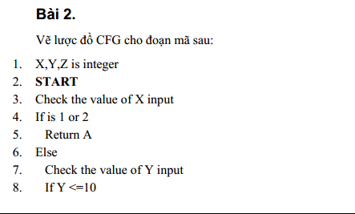

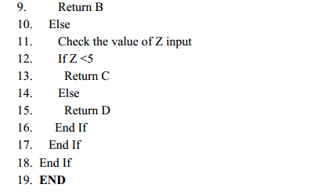

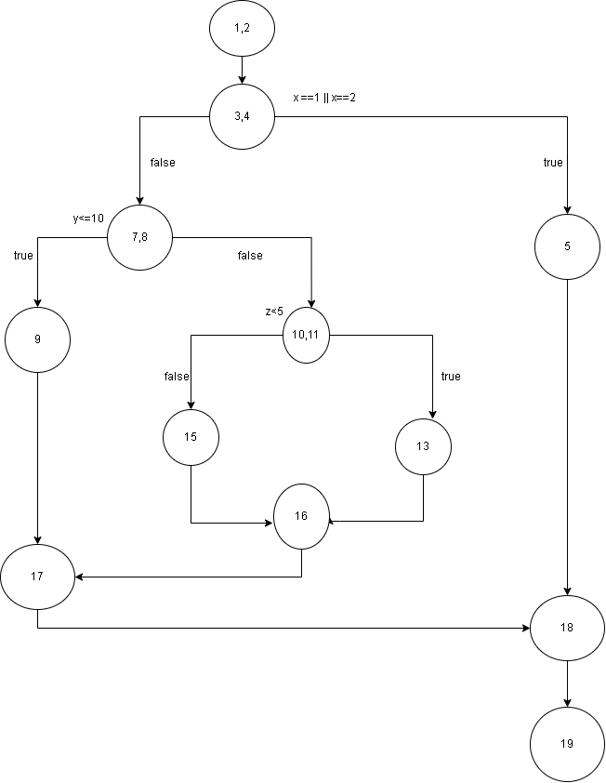

# | Test condition | input |  |  | line number executed | expected result
 |  | X | Y | Z
1 | X=1 or X =2 | 1 | 2 | 3 | 1,2,3,4,5,18,19 | A
2 | X khac 1 or 2, y<=10 | 3 | 8 | 1 | 1,2,3,4,7,8,9,17,18,19 | B
3 | X khac 1 or 2, y>10, z<5 | 3 | 11 | 2 | 1,2,3,4,7,8,10,11,13,16,17,18,19 | C
4 | X khac 1 or 2, y>10, z>=5 | 3 | 11 | 7 | 1,2,3,4,7,8,10,11,15,16,17,18,19 | D

bai 3
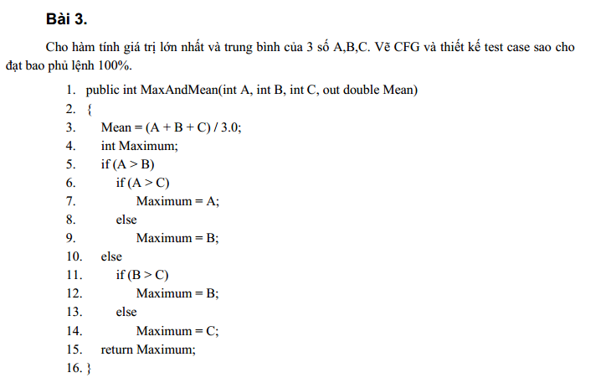

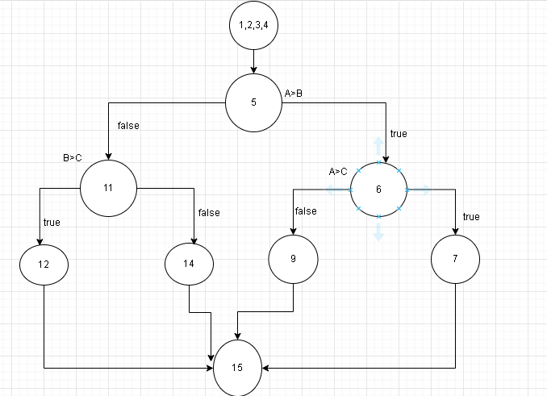

# | Test condition | input |  |  | line number executed | expected result
 |  | A | B | C |  | MAX | MEAN
1 | A>B & A>C | 5 | 2 | 3 | 1-4,5,6,7,15 | 5 | 3.33
2 | A>B & A<=C | 2 | 2 | 7 | 1-4,5,6,9,15 | 7 | 4.66
3 | A<=B & B>C | 5 | 7 | 4 | 1-4,5,11,12,15 | 7 | 5.33
4 | A<=B & B<=C | 5 | 6 | 8 | 1-5,5,11,14,15 | 8 | 6.33

bai 4
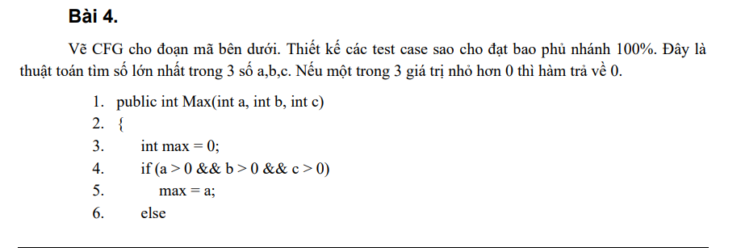

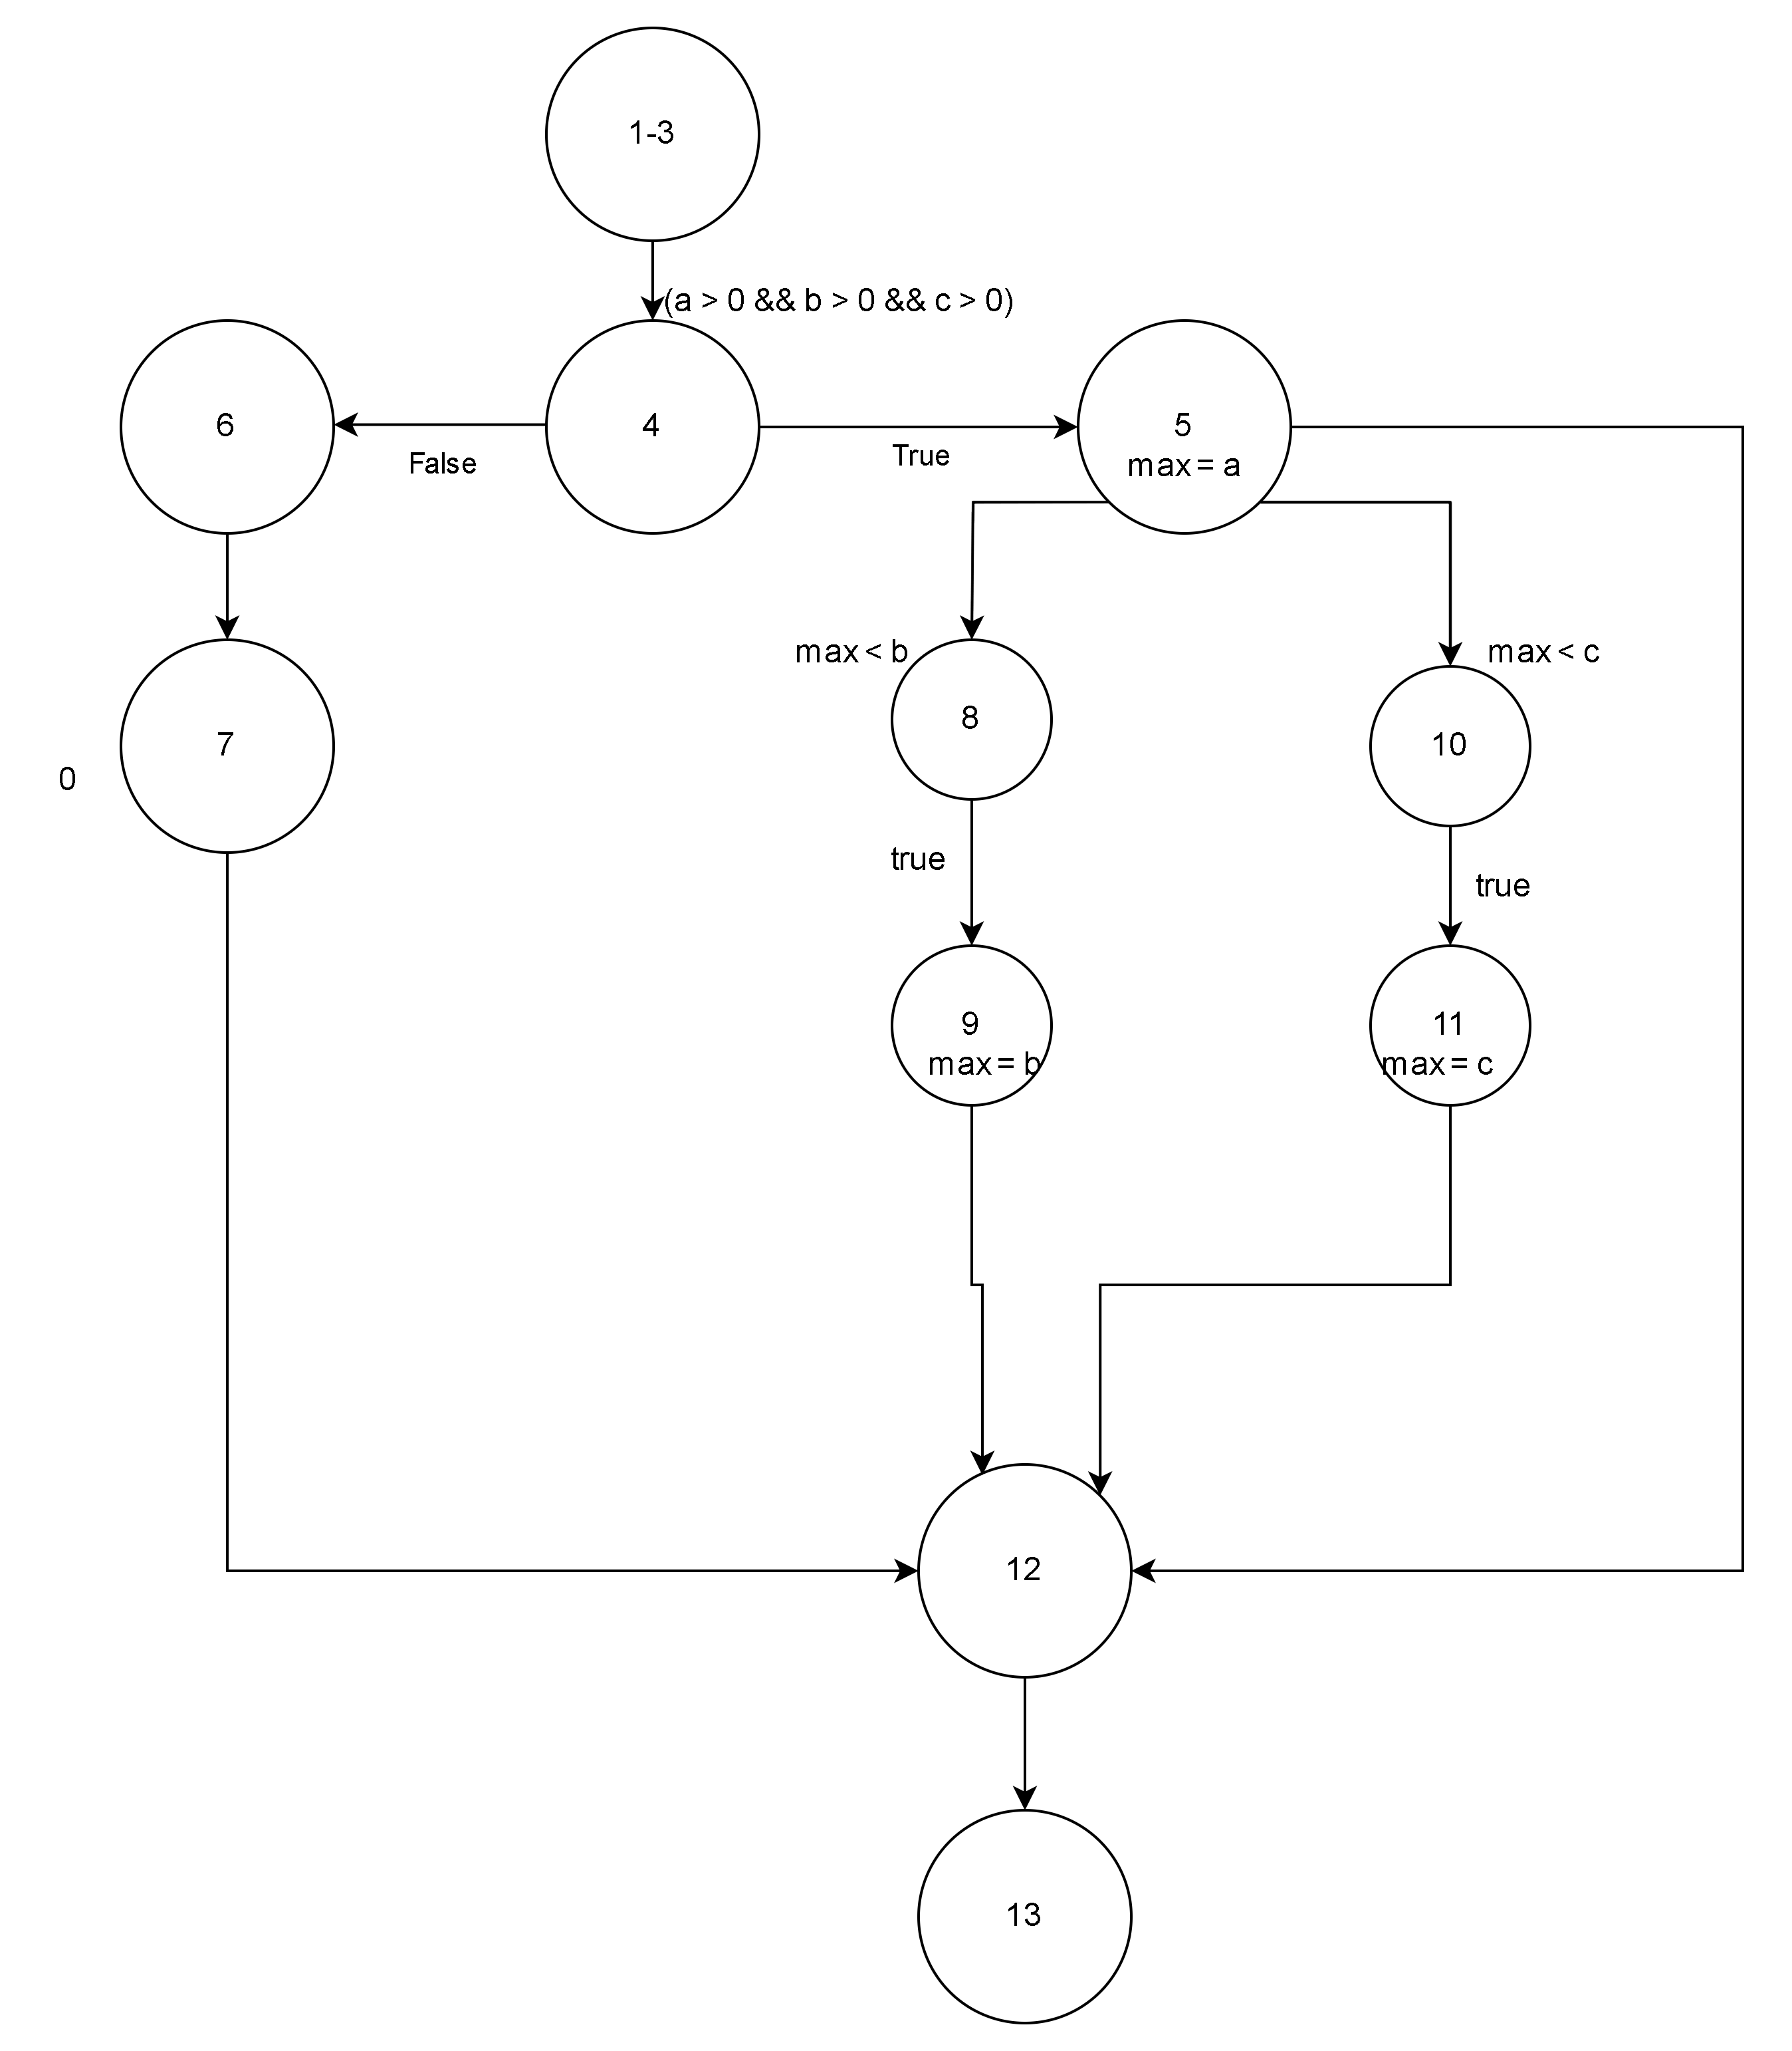

# | Test condition | input |  |  | line number executed | expected result
 |  | A | B | C |  | max
1 | a>0 & b>0 & c >0 and max(a) > b and max(a) > c | 2 | 1 | 1 | 1-3,4,5,12,13 | 2
2 | a>0 & b>0 & c >0 and max(a) < b and max(b) > c | 2 | 4 | 3 | 1-3,4,5,8,9,12,13 | 4
3 | a>0 & b>0 & c >0 and max(a) > b and max(a) < c | 2 | 1 | 5 | 1-3,4,5,10,11,12,13 | 5
4 | a<0 & b<0 & c <0 | 0 | 0 | 0 | 1-3,4,6,7,12,13 | 0

bai 5
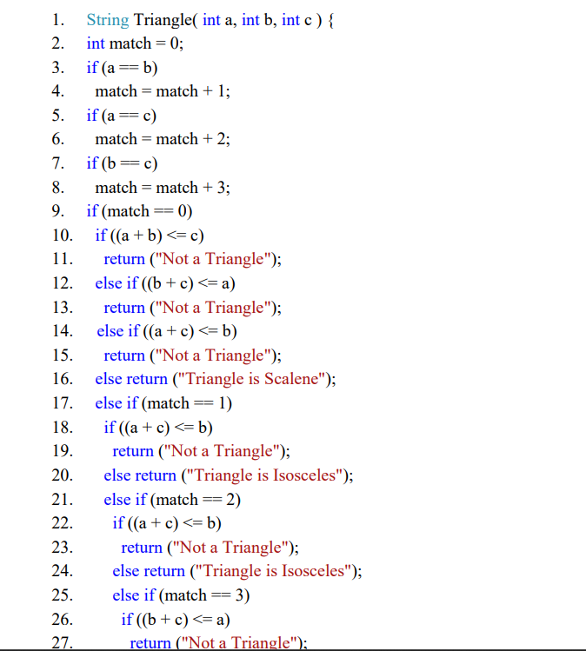

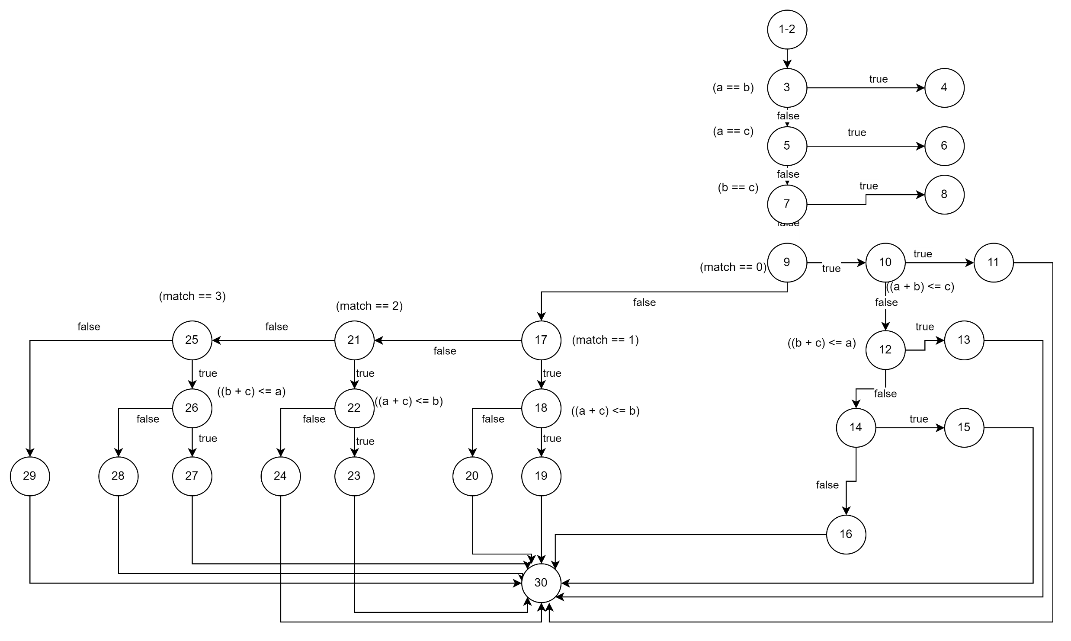

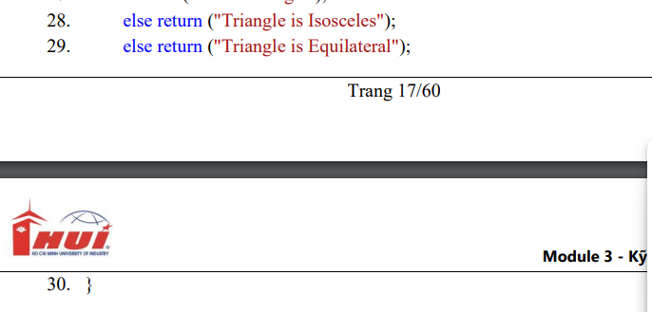

bai 6
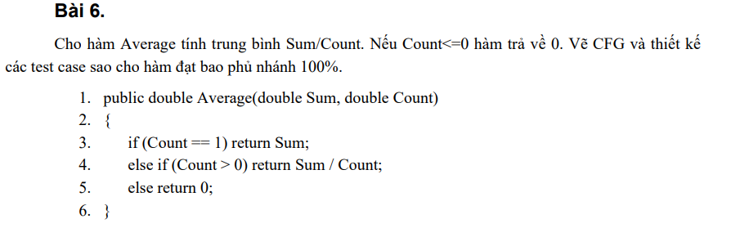

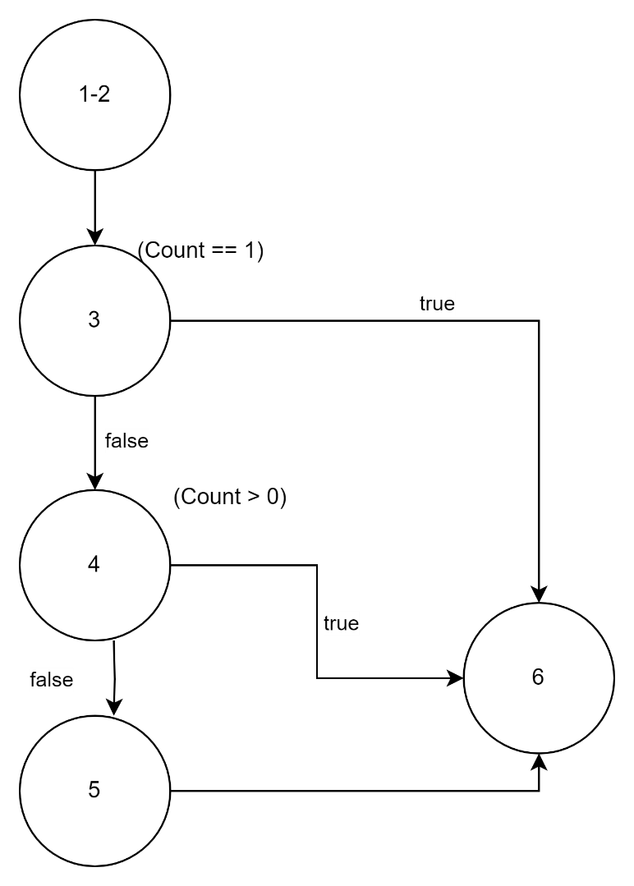

bai 15
