Sheet1
Estimated Regression Coefficients
country | year | gdp_growth | industry_growth | service_growth | agriculture_growth | fdi_net_inflow | inflation
Brunei | 2014 | -2.507887 | -4.363067 | 0.593334 | 4.719662 | 3.356609 | -1.846015 | Industry Growth | 5.288204
Brunei | 2015 | -0.392383 | -0.033795 | -1.131991 | 6.382989 | 1.324712 | -17.612743 | Service Growth | 3.978499
Brunei | 2016 | -2.477918 | -2.942531 | -1.671277 | -3.571437 | -1.320590 | -9.169495 | Agriculture Growth | 1.426255
Brunei | 2017 | 1.328727 | 1.514468 | 1.084383 | -1.556546 | 3.858188 | 4.955269
Brunei | 2018 | 0.052371 | -0.363799 | 0.781845 | -1.575769 | 3.804866 | 9.215625 | Variable | Coefficient
Brunei | 2019 | 3.868844 | 4.191817 | 3.447960 | -1.413112 | 2.771180 | -3.333728 | FDI | -0.045
Brunei | 2020 | 1.133573 | 2.909149 | -2.082968 | 14.394442 | 4.710576 | -10.863759 | Inflation | -0.028
Brunei | 2021 | -1.590762 | -4.166801 | 2.470186 | 16.918298 | 1.461817 | 15.465928 | Agriculture Growth | 0.027
Brunei | 2022 | -1.628332 | -4.907100 | 3.769780 | -3.310552 | -1.752934 | 24.236727 | Industry Growth | 0.249
Brunei | 2023 | 1.407068 | -1.429765 | 5.912364 | -9.022322 | -0.337068 | -12.896196 | Service Growth | 0.593
Cambodia | 2014 | 8.000321 | 11.151751 | 9.807337 | 0.586741 | 8.409020 | 3.299369
Cambodia | 2015 | 7.207035 | 12.573056 | 6.905199 | 0.191770 | 7.540297 | 3.069359
Cambodia | 2016 | 7.905501 | 13.688215 | 6.793391 | 1.322537 | 9.323185 | 1.580075
Cambodia | 2017 | 8.075039 | 13.058365 | 6.978857 | 1.676026 | 9.497602 | 2.076507
Cambodia | 2018 | 8.776224 | 14.797431 | 7.114962 | 1.103771 | 9.692403 | 3.816581
Cambodia | 2019 | 7.936950 | 13.039303 | 6.556641 | -0.357102 | 9.985000 | 2.792557
Cambodia | 2020 | -3.555722 | -2.208162 | -6.682287 | 0.593284 | 10.410240 | -0.824281
Cambodia | 2021 | 3.089843 | 8.408386 | -1.829461 | 1.538502 | 9.468459 | 2.645734
Cambodia | 2022 | 5.103369 | 8.166601 | 3.597454 | 0.599325 | 8.948301 | 3.515025
Average Sector Growth (2014 – 2023)
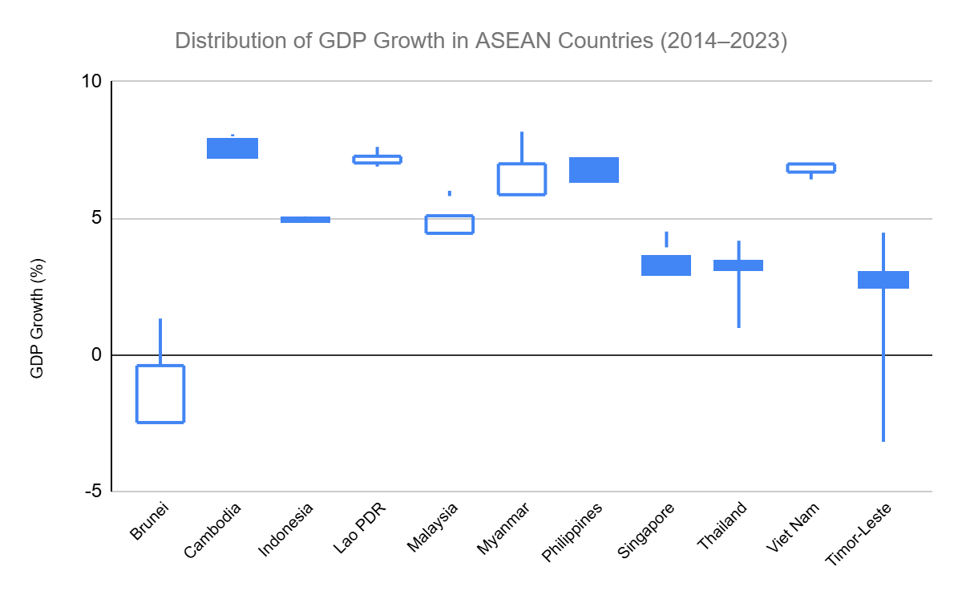
Cambodia | 2023 | 4.960067 | 5.309003 | 5.979377 | 1.098346 | 9.350967 | 1.063096
Indonesia | 2014 | 5.006668 | 4.232211 | 6.017142 | 4.238679 | 2.819973 | 5.443175
Indonesia | 2015 | 4.876322 | 2.991831 | 5.451881 | 3.754749 | 2.297616 | 3.980243
Indonesia | 2016 | 5.033069 | 3.824482 | 5.664433 | 3.372730 | 0.487372 | 2.438924
Indonesia | 2017 | 5.069786 | 4.091131 | 5.653781 | 3.915933 | 2.019489 | 4.292678
Indonesia | 2018 | 5.174292 | 4.343263 | 5.821343 | 3.884158 | 1.814290 | 3.818324
Indonesia | 2019 | 5.019288 | 3.809958 | 6.391805 | 3.606502 | 2.233362 | 1.598488
Indonesia | 2020 | -2.065512 | -2.800136 | -1.453569 | 1.771989 | 1.810584 | -0.401651
Indonesia | 2021 | 3.702886 | 3.417158 | 3.544761 | 1.871156 | 1.787856 | 6.003973
Indonesia | 2022 | 5.307419 | 4.105641 | 6.454091 | 2.254843 | 1.872676 | 9.566687
Indonesia | 2023 | 5.048106 | 4.997679 | 6.126432 | 1.304709 | 1.610734 | 1.533074
Lao PDR | 2014 | 7.611963 | 7.309716 | 8.111990 | 4.149804 | 6.533851 | 5.726559
Lao PDR | 2015 | 7.270066 | 7.011179 | 8.016117 | 3.565040 | 7.470758 | 2.348496
Lao PDR | 2016 | 7.022836 | 11.997923 | 4.651107 | 2.757430 | 5.877744 | 3.022306
Lao PDR | 2017 | 6.892531 | 11.607167 | 4.512664 | 2.874696 | 9.917787 | 1.852097
Lao PDR | 2018 | 6.247960 | 7.809789 | 6.789183 | 1.267606 | 7.485649 | 1.919889
Lao PDR | 2019 | 5.457735 | 5.603028 | 6.861186 | 1.218359 | 4.031491 | 1.197424
Lao PDR | 2020 | 0.503032 | 3.962592 | -3.514690 | 3.217737 | 5.098072 | 5.034504
Lao PDR | 2021 | 2.528351 | 7.605890 | -2.092020 | 2.289260 | 5.693447 | 3.713448
Lao PDR | 2022 | 2.707427 | 3.335554 | 2.457840 | 1.646386 | 4.695092 | 15.773946
Lao PDR | 2023 | 3.745681 | 2.608729 | 5.478037 | 2.381306 | 11.242563 | 24.421720
Malaysia | 2014 | 6.006722 | 5.874309 | 6.767933 | 2.047576 | 3.141229 | 2.467467
Malaysia | 2015 | 5.091532 | 5.233513 | 5.335819 | 1.448715 | 3.270944 | 1.218056
Malaysia | 2016 | 4.449781 | 4.343800 | 5.713408 | -3.651873 | 4.471310 | 1.658260
Malaysia | 2017 | 5.812722 | 4.666160 | 6.461253 | 5.886547 | 2.935820 | 3.778961
Malaysia | 2018 | 4.843087 | 3.335154 | 6.955080 | 0.128632 | 2.314587 | 0.624675
Malaysia | 2019 | 4.413187 | 2.593876 | 6.156888 | 1.943053 | 2.506977 | 0.071827
Malaysia | 2020 | -5.456847 | -6.087985 | -5.434107 | -2.425842 | 1.202755 | -0.818008
Malaysia | 2021 | 3.315350 | 5.741242 | 2.210524 | -0.268154 | 5.416260 | 5.675938
Malaysia | 2022 | 8.861822 | 6.651239 | 11.409937 | 1.253686 | 3.686893 | 6.403485
Malaysia | 2023 | 3.555487 | 1.327877 | 5.238647 | 0.728905 | 1.981110 | -1.872256
Myanmar | 2014 | 8.169907 | 0.311080 | 14.625358 | 9.344112 | 3.319044 | 3.910225
Myanmar | 2015 | 6.992840 | 8.324667 | 8.663129 | 3.408044 | 6.851241 | 4.136697
Myanmar | 2016 | 5.862473 | 21.777838 | 2.887991 | -6.460390 | 5.178801 | 3.615678
Myanmar | 2017 | 6.136108 | 9.673121 | 7.822486 | -1.294045 | 7.273356 | 5.873409
Myanmar | 2018 | 6.268862 | 5.918097 | 8.672309 | 2.686686 | 2.605632 | 5.341095
Myanmar | 2019 | 6.579110 | 7.958867 | 7.808515 | 2.212655 | 2.312112 | 5.422933
Myanmar | 2020 | -9.048347 | -11.789270 | -8.435445 | -5.724801 | 2.018592 | 5.344110
Myanmar | 2021 | -12.016373 | -8.214528 | -14.728355 | -12.820370 | 1.725072 | 19.517209
Myanmar | 2022 | 4.037493 | 8.019058 | 3.923852 | -2.186571 | 1.431552 | 6.163716
Myanmar | 2023 | 0.958447 | 0.023709 | 1.292033 | 1.982838 | 1.138031 | 10.787666
Philippines | 2014 | 6.347987 | 7.500361 | 6.717500 | 1.873014 | 1.929375 | 3.053055
Philippines | 2015 | 6.348310 | 6.506908 | 7.413641 | 0.736119 | 1.840180 | -0.719683
Philippines | 2016 | 7.149457 | 8.188735 | 8.174154 | -0.963001 | 2.598508 | 1.280312
Philippines | 2017 | 6.930988 | 7.019458 | 7.356435 | 4.249145 | 3.122388 | 2.320260
Philippines | 2018 | 6.341486 | 7.302984 | 6.742606 | 1.117654 | 2.868338 | 3.740654
Philippines | 2019 | 6.118526 | 5.469629 | 7.243359 | 1.204950 | 2.301175 | 0.697076
Philippines | 2020 | -9.518295 | -13.121097 | -9.127208 | -0.194219 | 1.885864 | 1.650490
Philippines | 2021 | 5.714733 | 8.529408 | 5.366545 | -0.290961 | 3.040789 | 2.282478
Philippines | 2022 | 7.580982 | 6.522883 | 9.228994 | 0.480188 | 2.347510 | 5.488648
Philippines | 2023 | 5.545851 | 3.590864 | 7.124574 | 1.186970 | 2.085411 | 4.596485
Singapore | 2014 | 3.935540 | 3.802764 | 4.296264 | 3.278689 | 21.818488 | -0.267270
Singapore | 2015 | 2.976799 | -2.513090 | 4.233347 | -0.360750 | 22.654183 | 3.071955
Singapore | 2016 | 3.588644 | 2.626446 | 3.096693 | -0.434468 | 20.486524 | 0.489627
Singapore | 2017 | 4.512926 | 6.787886 | 3.608551 | 2.909091 | 29.763652 | 2.894042
Singapore | 2018 | 3.517114 | 5.619823 | 3.238227 | 3.109541 | 21.759292 | 3.604100
Singapore | 2019 | 1.345059 | -1.045086 | 2.103158 | 6.922550 | 28.094994 | -0.204415
Singapore | 2020 | -3.869799 | -0.191512 | -4.217049 | -4.230769 | 23.100301 | -2.438591
Singapore | 2021 | 9.690767 | 15.544737 | 7.676680 | 11.311914 | 31.620740 | 10.263767
Singapore | 2022 | 3.838077 | 2.897835 | 4.872568 | -7.636801 | 29.843798 | 13.478138
Singapore | 2023 | 1.075032 | -2.888492 | 2.280344 | 2.604167 | 34.948515 | -3.069030
Thailand | 2014 | 0.984469 | -0.080876 | 2.032612 | -0.288023 | 1.221453 | 1.441465
Thailand | 2015 | 3.134047 | 2.953286 | 5.073908 | -6.466574 | 2.224685 | 0.722114
Thailand | 2016 | 3.435158 | 2.643186 | 4.682596 | -1.157687 | 0.843364 | 2.636168
Thailand | 2017 | 4.177681 | 1.706736 | 5.640734 | 4.821824 | 1.815503 | 1.899945
Thailand | 2018 | 4.222870 | 2.856335 | 4.802224 | 6.096793 | 2.712798 | 1.428586
Thailand | 2019 | 2.114558 | 0.022575 | 3.845306 | -0.980045 | 1.017349 | 1.014423
Thailand | 2020 | -6.050038 | -5.275576 | -6.917959 | -3.158978 | -0.857990 | -1.298775
Thailand | 2021 | 1.568182 | 3.670512 | 0.248749 | 2.245540 | 3.039882 | 1.771072
Thailand | 2022 | 2.462769 | -0.092837 | 4.079884 | 2.486532 | 2.391796 | 4.766996
Thailand | 2023 | 1.887257 | -2.270778 | 4.486541 | 1.992265 | 1.265329 | 1.220238
Viet Nam | 2014 | 6.422243 | 6.239085 | 7.312050 | 3.203463 | 3.940862 | 3.698138
Viet Nam | 2015 | 6.987154 | 9.193155 | 7.046020 | 2.507024 | 4.931908 | -1.716512
Viet Nam | 2016 | 6.690009 | 7.825658 | 7.464668 | 1.653773 | 4.900893 | 1.819536
Viet Nam | 2017 | 6.940190 | 8.284605 | 7.120696 | 3.168387 | 5.011487 | 4.362920
Viet Nam | 2018 | 7.465007 | 8.988433 | 7.457977 | 4.115444 | 4.998283 | 3.626647
Viet Nam | 2019 | 7.359263 | 8.209367 | 8.082074 | 2.667102 | 4.821075 | 2.423227
Viet Nam | 2020 | 2.865413 | 4.379053 | 2.005582 | 3.039419 | 4.558362 | 1.467478
Viet Nam | 2021 | 2.553729 | 3.206852 | 1.749037 | 3.710754 | 4.273146 | 2.880768
Viet Nam | 2022 | 8.123514 | 7.866138 | 10.112137 | 3.475647 | 4.362406 | 4.051242
Viet Nam | 2023 | 5.046431 | 3.741157 | 6.818531 | 3.833456 | 4.305159 | 1.906231
Timor-Leste | 2014 | 4.472498 | -10.888993 | 7.831831 | -1.243645 | 2.342291 | -0.728051
Timor-Leste | 2015 | 2.480040 | 22.207121 | 4.546114 | -4.384538 | 2.703639 | 7.202727
Timor-Leste | 2016 | 3.009931 | 7.629413 | 5.585626 | -1.329822 | 0.333972 | 0.141367
Timor-Leste | 2017 | -3.182415 | -26.500583 | 2.628136 | -2.948508 | 0.423751 | -0.212799
Timor-Leste | 2018 | -0.466502 | 5.287209 | -1.379519 | 2.893847 | 3.080078 | -1.362695
Timor-Leste | 2019 | 24.212884 | 143.493492 | 0.306964 | 2.453518 | -11.758373 | 5.164283
Timor-Leste | 2020 | 31.725742 | 118.209630 | -7.273014 | 0.558308 | -32.955232 | -19.226653
Timor-Leste | 2021 | 5.363127 | 5.652323 | 6.370199 | 5.490482 | -11.559944 | 59.083850
Timor-Leste | 2022 | -20.584244 | -44.576867 | 2.423368 | 5.398128 | -12.322639 | 11.458526
Timor-Leste | 2023 | -18.117813 | -56.966984 | 3.336555 | 2.259867 | -2.409024 | -20.833438

