Sheet1
#format ta | ble ## [Cus | tom WaveView] saved 16:59:18 Thu Aug 6 2020
XVAL v(in) | v(in) | v(out) | XVAL | i(vids):0:vgs=0 | i(vids):0:vgs=0.5 | i(vids):0:vgs=1 | i(vids):0:vgs=1.5 | i(vids):0:vgs=2 | i(vids):0:vgs=2.5
0.00E+00 | 0.00E+00 | 2.50E+00 | 0.00E+00 | -3.89E-34 | -7.17E-13 | -2.01E-11 | -2.17E-10 | -1.67E-09 | -1.07E-08
1.00E-02 | 1.00E-02 | 2.50E+00 | 1.00E-01 | 2.32E-10 | 3.38E-05 | 7.62E-04 | 1.31E-03 | 1.59E-03 | 1.71E-03
2.00E-02 | 2.00E-02 | 2.50E+00 | 2.00E-01 | 3.33E-10 | 4.54E-05 | 1.24E-03 | 2.36E-03 | 2.96E-03 | 3.26E-03
3.00E-02 | 3.00E-02 | 2.50E+00 | 3.00E-01 | 4.52E-10 | 5.68E-05 | 1.52E-03 | 3.16E-03 | 4.13E-03 | 4.65E-03
 | #format ta | ble ## [Cus | tom WaveView] saved 16:59:18 Thu Aug 6 2020
0.00E+00 | 2.00E-02 | 2.00E-02 | 2.50E+00
1.00E-02 | 3.00E-02 | 3.00E-02 | 2.50E+00
2.00E-02 | 4.00E-02 | 4.00E-02 | 2.50E+00
3.00E-02 | 5.00E-02 | 5.00E-02 | 2.50E+00
4.00E-02 | 6.00E-02 | 6.00E-02 | 2.50E+00
5.00E-02 | 7.00E-02 | 7.00E-02 | 2.50E+00
6.00E-02 | 8.00E-02 | 8.00E-02 | 2.50E+00
7.00E-02 | 9.00E-02 | 9.00E-02 | 2.50E+00
8.00E-02 | 1.00E-01 | 1.00E-01 | 2.50E+00
9.00E-02 | 1.10E-01 | 1.10E-01 | 2.50E+00
1.00E-01 | 1.20E-01 | 1.20E-01 | 2.50E+00
1.10E-01 | 1.30E-01 | 1.30E-01 | 2.50E+00
1.20E-01 | 1.40E-01 | 1.40E-01 | 2.50E+00
1.30E-01 | 1.50E-01 | 1.50E-01 | 2.50E+00
1.40E-01 | 1.60E-01 | 1.60E-01 | 2.50E+00
1.50E-01 | 1.70E-01 | 1.70E-01 | 2.50E+00
1.60E-01 | 1.80E-01 | 1.80E-01 | 2.50E+00
1.70E-01 | 1.90E-01 | 1.90E-01 | 2.50E+00
1.80E-01 | 2.00E-01 | 2.00E-01 | 2.50E+00
1.90E-01 | 2.10E-01 | 2.10E-01 | 2.50E+00
2.00E-01 | 2.20E-01 | 2.20E-01 | 2.50E+00
2.10E-01 | 2.30E-01 | 2.30E-01 | 2.50E+00
2.20E-01 | 2.40E-01 | 2.40E-01 | 2.50E+00
2.30E-01 | 2.50E-01 | 2.50E-01 | 2.50E+00
2.40E-01 | 2.60E-01 | 2.60E-01 | 2.50E+00
2.50E-01 | 2.70E-01 | 2.70E-01 | 2.50E+00
2.60E-01 | 2.80E-01 | 2.80E-01 | 2.50E+00
2.70E-01 | 2.90E-01 | 2.90E-01 | 2.50E+00
2.80E-01 | 3.00E-01 | 3.00E-01 | 2.50E+00
2.90E-01 | 3.10E-01 | 3.10E-01 | 2.50E+00
3.00E-01 | 3.20E-01 | 3.20E-01 | 2.49E+00
3.10E-01 | 3.30E-01 | 3.30E-01 | 2.49E+00
3.20E-01 | 3.40E-01 | 3.40E-01 | 2.49E+00
3.30E-01 | 3.50E-01 | 3.50E-01 | 2.49E+00
3.40E-01 | 3.60E-01 | 3.60E-01 | 2.49E+00
3.50E-01 | 3.70E-01 | 3.70E-01 | 2.49E+00
3.60E-01 | 3.80E-01 | 3.80E-01 | 2.48E+00
3.70E-01 | 3.90E-01 | 3.90E-01 | 2.48E+00
3.80E-01 | 4.00E-01 | 4.00E-01 | 2.48E+00
3.90E-01 | 4.10E-01 | 4.10E-01 | 2.48E+00
4.00E-01 | 4.20E-01 | 4.20E-01 | 2.48E+00
4.10E-01 | 4.30E-01 | 4.30E-01 | 2.47E+00
4.20E-01 | 4.40E-01 | 4.40E-01 | 2.47E+00
4.30E-01 | 4.50E-01 | 4.50E-01 | 2.47E+00
4.40E-01 | 4.60E-01 | 4.60E-01 | 2.46E+00
4.50E-01 | 4.70E-01 | 4.70E-01 | 2.46E+00
4.60E-01 | 4.80E-01 | 4.80E-01 | 2.45E+00
4.70E-01 | 4.90E-01 | 4.90E-01 | 2.45E+00
4.80E-01 | 5.00E-01 | 5.00E-01 | 2.44E+00
4.90E-01 | 5.10E-01 | 5.10E-01 | 2.44E+00
...
4.00E-02 | 4.00E-02 | 2.50E+00 | 4.00E-01 | 5.93E-10 | 6.85E-05 | 1.70E-03 | 3.73E-03 | 5.09E-03 | 5.87E-03
5.00E-02 | 5.00E-02 | 2.50E+00 | 5.00E-01 | 7.60E-10 | 8.06E-05 | 1.84E-03 | 4.11E-03 | 5.87E-03 | 6.92E-03
6.00E-02 | 6.00E-02 | 2.50E+00 | 6.00E-01 | 9.58E-10 | 9.31E-05 | 1.95E-03 | 4.36E-03 | 6.42E-03 | 7.82E-03
7.00E-02 | 7.00E-02 | 2.50E+00 | 7.00E-01 | 1.19E-09 | 1.06E-04 | 2.04E-03 | 4.55E-03 | 6.79E-03 | 8.53E-03
 | i(vids):0:vgs=0.5 | i(vids):0:vgs=1 | i(vids):0:vgs=1.5 | i(vids):0:vgs=2 | i(vids):0:vgs=2.5
-3.89E-34 | -7.17E-13 | -2.01E-11 | -2.17E-10 | -1.67E-09 | -1.07E-08
2.32E-10 | 3.38E-05 | 7.62E-04 | 1.31E-03 | 1.59E-03 | 1.71E-03
3.33E-10 | 4.54E-05 | 1.24E-03 | 2.36E-03 | 2.96E-03 | 3.26E-03
4.52E-10 | 5.68E-05 | 1.52E-03 | 3.16E-03 | 4.13E-03 | 4.65E-03
5.93E-10 | 6.85E-05 | 1.70E-03 | 3.73E-03 | 5.09E-03 | 5.87E-03
7.60E-10 | 8.06E-05 | 1.84E-03 | 4.11E-03 | 5.87E-03 | 6.92E-03
9.58E-10 | 9.31E-05 | 1.95E-03 | 4.36E-03 | 6.42E-03 | 7.82E-03
1.19E-09 | 1.06E-04 | 2.04E-03 | 4.55E-03 | 6.79E-03 | 8.53E-03
1.46E-09 | 1.19E-04 | 2.13E-03 | 4.70E-03 | 7.06E-03 | 9.04E-03
1.78E-09 | 1.33E-04 | 2.21E-03 | 4.83E-03 | 7.26E-03 | 9.40E-03
2.15E-09 | 1.47E-04 | 2.28E-03 | 4.94E-03 | 7.43E-03 | 9.67E-03
2.58E-09 | 1.62E-04 | 2.35E-03 | 5.04E-03 | 7.58E-03 | 9.88E-03
3.08E-09 | 1.77E-04 | 2.41E-03 | 5.14E-03 | 7.71E-03 | 1.01E-02
3.66E-09 | 1.93E-04 | 2.48E-03 | 5.22E-03 | 7.83E-03 | 1.02E-02
4.34E-09 | 2.08E-04 | 2.53E-03 | 5.31E-03 | 7.93E-03 | 1.04E-02
5.13E-09 | 2.25E-04 | 2.59E-03 | 5.38E-03 | 8.03E-03 | 1.05E-02
6.07E-09 | 2.42E-04 | 2.65E-03 | 5.46E-03 | 8.13E-03 | 1.06E-02
7.23E-09 | 2.59E-04 | 2.70E-03 | 5.53E-03 | 8.22E-03 | 1.07E-02
8.68E-09 | 2.76E-04 | 2.75E-03 | 5.60E-03 | 8.30E-03 | 1.08E-02
1.06E-08 | 2.95E-04 | 2.81E-03 | 5.66E-03 | 8.38E-03 | 1.09E-02
1.30E-08 | 3.14E-04 | 2.86E-03 | 5.73E-03 | 8.46E-03 | 1.10E-02
1.62E-08 | 3.34E-04 | 2.91E-03 | 5.79E-03 | 8.54E-03 | 1.11E-02
2.05E-08 | 3.55E-04 | 2.97E-03 | 5.86E-03 | 8.61E-03 | 1.12E-02
2.61E-08 | 3.77E-04 | 3.03E-03 | 5.93E-03 | 8.69E-03 | 1.13E-02
3.34E-08 | 4.00E-04 | 3.09E-03 | 6.01E-03 | 8.77E-03 | 1.14E-02
4.27E-08 | 4.25E-04 | 3.16E-03 | 6.09E-03 | 8.86E-03 | 1.15E-02
8.00E-02 | 8.00E-02 | 2.50E+00 | 8.00E-01 | 1.46E-09 | 1.19E-04 | 2.13E-03 | 4.70E-03 | 7.06E-03 | 9.04E-03
9.00E-02 | 9.00E-02 | 2.50E+00 | 9.00E-01 | 1.78E-09 | 1.33E-04 | 2.21E-03 | 4.83E-03 | 7.26E-03 | 9.40E-03
1.00E-01 | 1.00E-01 | 2.50E+00 | 1.00E+00 | 2.15E-09 | 1.47E-04 | 2.28E-03 | 4.94E-03 | 7.43E-03 | 9.67E-03
1.10E-01 | 1.10E-01 | 2.50E+00 | 1.10E+00 | 2.58E-09 | 1.62E-04 | 2.35E-03 | 5.04E-03 | 7.58E-03 | 9.88E-03
1.20E-01 | 1.20E-01 | 2.50E+00 | 1.20E+00 | 3.08E-09 | 1.77E-04 | 2.41E-03 | 5.14E-03 | 7.71E-03 | 1.01E-02
1.30E-01 | 1.30E-01 | 2.50E+00 | 1.30E+00 | 3.66E-09 | 1.93E-04 | 2.48E-03 | 5.22E-03 | 7.83E-03 | 1.02E-02
1.40E-01 | 1.40E-01 | 2.50E+00 | 1.40E+00 | 4.34E-09 | 2.08E-04 | 2.53E-03 | 5.31E-03 | 7.93E-03 | 1.04E-02
1.50E-01 | 1.50E-01 | 2.50E+00 | 1.50E+00 | 5.13E-09 | 2.25E-04 | 2.59E-03 | 5.38E-03 | 8.03E-03 | 1.05E-02
1.60E-01 | 1.60E-01 | 2.50E+00 | 1.60E+00 | 6.07E-09 | 2.42E-04 | 2.65E-03 | 5.46E-03 | 8.13E-03 | 1.06E-02
1.70E-01 | 1.70E-01 | 2.50E+00 | 1.70E+00 | 7.23E-09 | 2.59E-04 | 2.70E-03 | 5.53E-03 | 8.22E-03 | 1.07E-02
1.80E-01 | 1.80E-01 | 2.50E+00 | 1.80E+00 | 8.68E-09 | 2.76E-04 | 2.75E-03 | 5.60E-03 | 8.30E-03 | 1.08E-02
1.90E-01 | 1.90E-01 | 2.50E+00 | 1.90E+00 | 1.06E-08 | 2.95E-04 | 2.81E-03 | 5.66E-03 | 8.38E-03 | 1.09E-02
2.00E-01 | 2.00E-01 | 2.50E+00 | 2.00E+00 | 1.30E-08 | 3.14E-04 | 2.86E-03 | 5.73E-03 | 8.46E-03 | 1.10E-02
2.10E-01 | 2.10E-01 | 2.50E+00 | 2.10E+00 | 1.62E-08 | 3.34E-04 | 2.91E-03 | 5.79E-03 | 8.54E-03 | 1.11E-02
2.20E-01 | 2.20E-01 | 2.50E+00 | 2.20E+00 | 2.05E-08 | 3.55E-04 | 2.97E-03 | 5.86E-03 | 8.61E-03 | 1.12E-02
2.30E-01 | 2.30E-01 | 2.50E+00 | 2.30E+00 | 2.61E-08 | 3.77E-04 | 3.03E-03 | 5.93E-03 | 8.69E-03 | 1.13E-02
2.40E-01 | 2.40E-01 | 2.50E+00 | 2.40E+00 | 3.34E-08 | 4.00E-04 | 3.09E-03 | 6.01E-03 | 8.77E-03 | 1.14E-02
2.50E-01 | 2.50E-01 | 2.50E+00 | 2.50E+00 | 4.27E-08 | 4.25E-04 | 3.16E-03 | 6.09E-03 | 8.86E-03 | 1.15E-02
2.60E-01 | 2.60E-01 | 2.50E+00
2.70E-01 | 2.70E-01 | 2.50E+00
2.80E-01 | 2.80E-01 | 2.50E+00
2.90E-01 | 2.90E-01 | 2.50E+00
3.00E-01 | 3.00E-01 | 2.50E+00
3.10E-01 | 3.10E-01 | 2.50E+00
3.20E-01 | 3.20E-01 | 2.49E+00
3.30E-01 | 3.30E-01 | 2.49E+00
3.40E-01 | 3.40E-01 | 2.49E+00
3.50E-01 | 3.50E-01 | 2.49E+00
3.60E-01 | 3.60E-01 | 2.49E+00
3.70E-01 | 3.70E-01 | 2.49E+00
3.80E-01 | 3.80E-01 | 2.48E+00
3.90E-01 | 3.90E-01 | 2.48E+00
4.00E-01 | 4.00E-01 | 2.48E+00
4.10E-01 | 4.10E-01 | 2.48E+00
4.20E-01 | 4.20E-01 | 2.48E+00
4.30E-01 | 4.30E-01 | 2.47E+00
4.40E-01 | 4.40E-01 | 2.47E+00
4.50E-01 | 4.50E-01 | 2.47E+00
4.60E-01 | 4.60E-01 | 2.46E+00
4.70E-01 | 4.70E-01 | 2.46E+00
4.80E-01 | 4.80E-01 | 2.45E+00
4.90E-01 | 4.90E-01 | 2.45E+00
5.00E-01 | 5.00E-01 | 2.44E+00
5.10E-01 | 5.10E-01 | 2.44E+00
5.20E-01 | 5.20E-01 | 2.44E+00
5.30E-01 | 5.30E-01 | 2.43E+00
5.40E-01 | 5.40E-01 | 2.42E+00
5.50E-01 | 5.50E-01 | 2.42E+00
5.60E-01 | 5.60E-01 | 2.41E+00
5.70E-01 | 5.70E-01 | 2.41E+00
5.80E-01 | 5.80E-01 | 2.40E+00
5.90E-01 | 5.90E-01 | 2.39E+00
6.00E-01 | 6.00E-01 | 2.39E+00
6.10E-01 | 6.10E-01 | 2.38E+00
6.20E-01 | 6.20E-01 | 2.37E+00
6.30E-01 | 6.30E-01 | 2.37E+00
6.40E-01 | 6.40E-01 | 2.36E+00
6.50E-01 | 6.50E-01 | 2.35E+00
6.60E-01 | 6.60E-01 | 2.34E+00
6.70E-01 | 6.70E-01 | 2.33E+00
6.80E-01 | 6.80E-01 | 2.32E+00
6.90E-01 | 6.90E-01 | 2.31E+00
7.00E-01 | 7.00E-01 | 2.30E+00
7.10E-01 | 7.10E-01 | 2.29E+00
7.20E-01 | 7.20E-01 | 2.28E+00
7.30E-01 | 7.30E-01 | 2.27E+00
7.40E-01 | 7.40E-01 | 2.26E+00
7.50E-01 | 7.50E-01 | 2.25E+00
7.60E-01 | 7.60E-01 | 2.24E+00
7.70E-01 | 7.70E-01 | 2.23E+00
7.80E-01 | 7.80E-01 | 2.22E+00
7.90E-01 | 7.90E-01 | 2.20E+00
8.00E-01 | 8.00E-01 | 2.19E+00
8.10E-01 | 8.10E-01 | 2.17E+00
8.20E-01 | 8.20E-01 | 2.16E+00
8.30E-01 | 8.30E-01 | 2.15E+00
8.40E-01 | 8.40E-01 | 2.13E+00
8.50E-01 | 8.50E-01 | 2.11E+00
8.60E-01 | 8.60E-01 | 2.09E+00
8.70E-01 | 8.70E-01 | 2.08E+00
8.80E-01 | 8.80E-01 | 2.05E+00
8.90E-01 | 8.90E-01 | 2.03E+00
9.00E-01 | 9.00E-01 | 2.01E+00
9.10E-01 | 9.10E-01 | 1.98E+00
9.20E-01 | 9.20E-01 | 1.95E+00
9.30E-01 | 9.30E-01 | 1.92E+00
9.40E-01 | 9.40E-01 | 1.89E+00
9.50E-01 | 9.50E-01 | 1.85E+00
9.60E-01 | 9.60E-01 | 1.81E+00
9.70E-01 | 9.70E-01 | 1.76E+00
9.80E-01 | 9.80E-01 | 1.72E+00
9.90E-01 | 9.90E-01 | 1.66E+00
1.00E+00 | 1.00E+00 | 1.61E+00
1.01E+00 | 1.01E+00 | 1.55E+00
1.02E+00 | 1.02E+00 | 1.49E+00
1.03E+00 | 1.03E+00 | 1.44E+00
1.04E+00 | 1.04E+00 | 1.37E+00
1.05E+00 | 1.05E+00 | 1.31E+00
1.06E+00 | 1.06E+00 | 1.25E+00
1.07E+00 | 1.07E+00 | 1.19E+00
1.08E+00 | 1.08E+00 | 1.13E+00
1.09E+00 | 1.09E+00 | 1.06E+00
1.10E+00 | 1.10E+00 | 1.00E+00
1.11E+00 | 1.11E+00 | 9.45E-01
1.12E+00 | 1.12E+00 | 8.86E-01
1.13E+00 | 1.13E+00 | 8.30E-01
1.14E+00 | 1.14E+00 | 7.75E-01
1.15E+00 | 1.15E+00 | 7.22E-01
1.16E+00 | 1.16E+00 | 6.72E-01
1.17E+00 | 1.17E+00 | 6.24E-01
1.18E+00 | 1.18E+00 | 5.80E-01
1.19E+00 | 1.19E+00 | 5.39E-01
1.20E+00 | 1.20E+00 | 5.01E-01
1.21E+00 | 1.21E+00 | 4.66E-01
1.22E+00 | 1.22E+00 | 4.35E-01
1.23E+00 | 1.23E+00 | 4.08E-01
1.24E+00 | 1.24E+00 | 3.84E-01
1.25E+00 | 1.25E+00 | 3.62E-01
1.26E+00 | 1.26E+00 | 3.43E-01
1.27E+00 | 1.27E+00 | 3.26E-01
1.28E+00 | 1.28E+00 | 3.11E-01
1.29E+00 | 1.29E+00 | 2.97E-01
1.30E+00 | 1.30E+00 | 2.85E-01
1.31E+00 | 1.31E+00 | 2.74E-01
1.32E+00 | 1.32E+00 | 2.63E-01
1.33E+00 | 1.33E+00 | 2.53E-01
1.34E+00 | 1.34E+00 | 2.43E-01
1.35E+00 | 1.35E+00 | 2.35E-01
1.36E+00 | 1.36E+00 | 2.27E-01
1.37E+00 | 1.37E+00 | 2.19E-01
1.38E+00 | 1.38E+00 | 2.11E-01
1.39E+00 | 1.39E+00 | 2.04E-01
1.40E+00 | 1.40E+00 | 1.97E-01
1.41E+00 | 1.41E+00 | 1.91E-01
1.42E+00 | 1.42E+00 | 1.85E-01
1.43E+00 | 1.43E+00 | 1.79E-01
1.44E+00 | 1.44E+00 | 1.73E-01
1.45E+00 | 1.45E+00 | 1.68E-01
1.46E+00 | 1.46E+00 | 1.62E-01
1.47E+00 | 1.47E+00 | 1.57E-01
1.48E+00 | 1.48E+00 | 1.52E-01
1.49E+00 | 1.49E+00 | 1.47E-01
1.50E+00 | 1.50E+00 | 1.42E-01
1.51E+00 | 1.51E+00 | 1.38E-01
1.52E+00 | 1.52E+00 | 1.34E-01
1.53E+00 | 1.53E+00 | 1.29E-01
1.54E+00 | 1.54E+00 | 1.25E-01
1.55E+00 | 1.55E+00 | 1.21E-01
1.56E+00 | 1.56E+00 | 1.17E-01
1.57E+00 | 1.57E+00 | 1.13E-01
1.58E+00 | 1.58E+00 | 1.10E-01
1.59E+00 | 1.59E+00 | 1.06E-01
1.60E+00 | 1.60E+00 | 1.02E-01
1.61E+00 | 1.61E+00 | 9.89E-02
1.62E+00 | 1.62E+00 | 9.55E-02
1.63E+00 | 1.63E+00 | 9.21E-02
1.64E+00 | 1.64E+00 | 8.88E-02
1.65E+00 | 1.65E+00 | 8.57E-02
1.66E+00 | 1.66E+00 | 8.25E-02
1.67E+00 | 1.67E+00 | 7.95E-02
1.68E+00 | 1.68E+00 | 7.65E-02
1.69E+00 | 1.69E+00 | 7.36E-02
1.70E+00 | 1.70E+00 | 7.07E-02
1.71E+00 | 1.71E+00 | 6.79E-02
1.72E+00 | 1.72E+00 | 6.51E-02
1.73E+00 | 1.73E+00 | 6.24E-02
1.74E+00 | 1.74E+00 | 5.98E-02
1.75E+00 | 1.75E+00 | 5.72E-02
1.76E+00 | 1.76E+00 | 5.47E-02
1.77E+00 | 1.77E+00 | 5.22E-02
1.78E+00 | 1.78E+00 | 4.98E-02
1.79E+00 | 1.79E+00 | 4.74E-02
1.80E+00 | 1.80E+00 | 4.51E-02
1.81E+00 | 1.81E+00 | 4.29E-02
1.82E+00 | 1.82E+00 | 4.07E-02
1.83E+00 | 1.83E+00 | 3.85E-02
1.84E+00 | 1.84E+00 | 3.65E-02
1.85E+00 | 1.85E+00 | 3.44E-02
1.86E+00 | 1.86E+00 | 3.24E-02
1.87E+00 | 1.87E+00 | 3.05E-02
1.88E+00 | 1.88E+00 | 2.87E-02
1.89E+00 | 1.89E+00 | 2.68E-02
1.90E+00 | 1.90E+00 | 2.51E-02
1.91E+00 | 1.91E+00 | 2.34E-02
1.92E+00 | 1.92E+00 | 2.18E-02
1.93E+00 | 1.93E+00 | 2.02E-02
1.94E+00 | 1.94E+00 | 1.87E-02
1.95E+00 | 1.95E+00 | 1.73E-02
1.96E+00 | 1.96E+00 | 1.59E-02
1.97E+00 | 1.97E+00 | 1.46E-02
1.98E+00 | 1.98E+00 | 1.33E-02
1.99E+00 | 1.99E+00 | 1.21E-02
2.00E+00 | 2.00E+00 | 1.10E-02
2.01E+00 | 2.01E+00 | 9.90E-03
2.02E+00 | 2.02E+00 | 8.90E-03
2.03E+00 | 2.03E+00 | 7.97E-03
2.04E+00 | 2.04E+00 | 7.10E-03
2.05E+00 | 2.05E+00 | 6.29E-03
2.06E+00 | 2.06E+00 | 5.55E-03
2.07E+00 | 2.07E+00 | 4.87E-03
2.08E+00 | 2.08E+00 | 4.25E-03
2.09E+00 | 2.09E+00 | 3.68E-03
2.10E+00 | 2.10E+00 | 3.18E-03
2.11E+00 | 2.11E+00 | 2.73E-03
2.12E+00 | 2.12E+00 | 2.33E-03
2.13E+00 | 2.13E+00 | 1.98E-03
2.14E+00 | 2.14E+00 | 1.67E-03
2.15E+00 | 2.15E+00 | 1.40E-03
2.16E+00 | 2.16E+00 | 1.17E-03
2.17E+00 | 2.17E+00 | 9.70E-04
2.18E+00 | 2.18E+00 | 8.02E-04
2.19E+00 | 2.19E+00 | 6.60E-04
2.20E+00 | 2.20E+00 | 5.41E-04
2.21E+00 | 2.21E+00 | 4.41E-04
2.22E+00 | 2.22E+00 | 3.58E-04
2.23E+00 | 2.23E+00 | 2.90E-04
2.24E+00 | 2.24E+00 | 2.34E-04
2.25E+00 | 2.25E+00 | 1.88E-04
2.26E+00 | 2.26E+00 | 1.50E-04
2.27E+00 | 2.27E+00 | 1.20E-04
2.28E+00 | 2.28E+00 | 9.58E-05
2.29E+00 | 2.29E+00 | 7.62E-05
2.30E+00 | 2.30E+00 | 6.04E-05
2.31E+00 | 2.31E+00 | 4.79E-05
2.32E+00 | 2.32E+00 | 3.79E-05
2.33E+00 | 2.33E+00 | 3.00E-05
2.34E+00 | 2.34E+00 | 2.37E-05
2.35E+00 | 2.35E+00 | 1.88E-05
2.36E+00 | 2.36E+00 | 1.49E-05
2.37E+00 | 2.37E+00 | 1.18E-05
2.38E+00 | 2.38E+00 | 9.38E-06
2.39E+00 | 2.39E+00 | 7.50E-06
2.40E+00 | 2.40E+00 | 6.02E-06
2.41E+00 | 2.41E+00 | 4.87E-06
2.42E+00 | 2.42E+00 | 3.98E-06
2.43E+00 | 2.43E+00 | 3.28E-06
2.44E+00 | 2.44E+00 | 2.74E-06
2.45E+00 | 2.45E+00 | 2.33E-06
2.46E+00 | 2.46E+00 | 2.02E-06
2.47E+00 | 2.47E+00 | 1.78E-06
2.48E+00 | 2.48E+00 | 1.60E-06
2.49E+00 | 2.49E+00 | 1.47E-06
2.50E+00 | 2.50E+00 | 1.37E-06

IO description
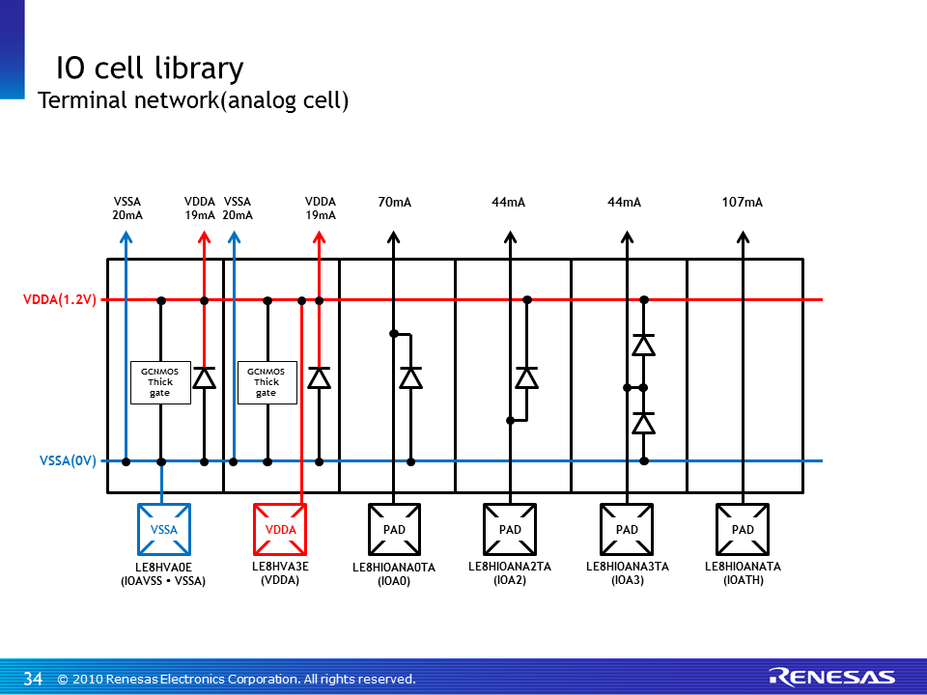
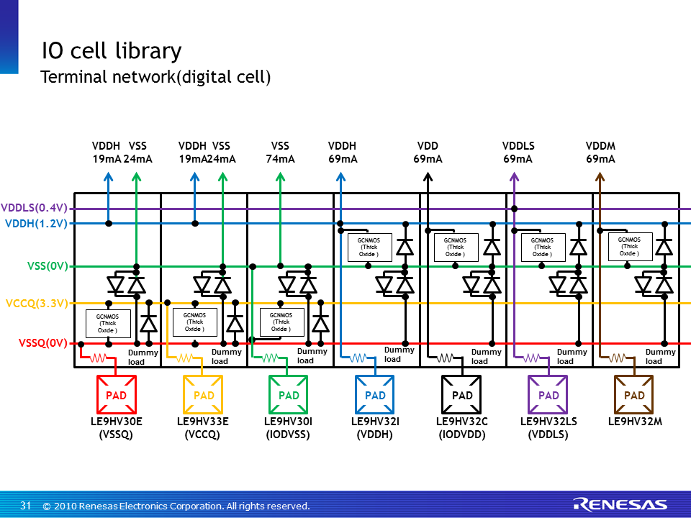
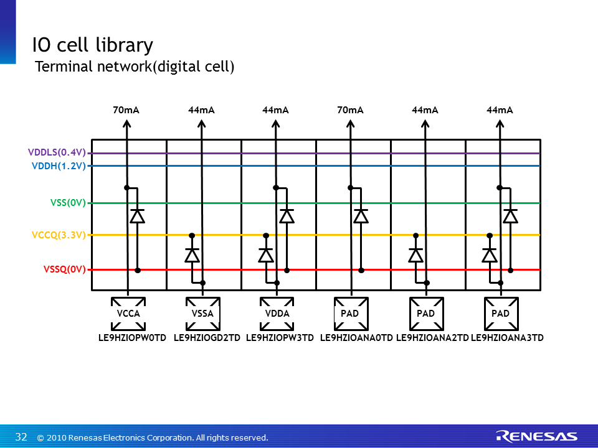
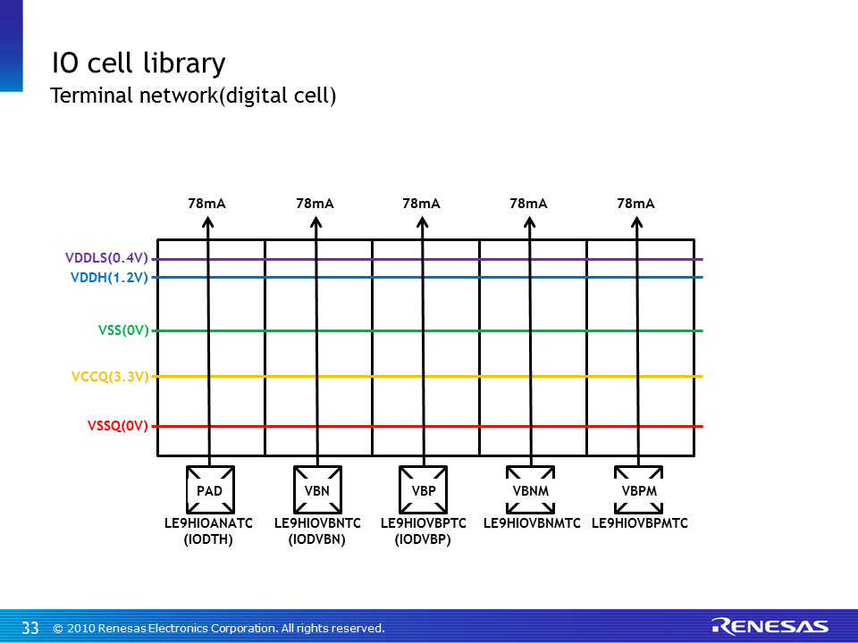
Back to Index

 | English Ver. |  |  |  |  | Pin No.
 | A/D | I/O | Description | Layou name | Base cell
 | Analog | IOAVSS | for VSS, common with IO's VSS | LE8HVA0E | PBGV30E
 |  | IOATH | Through (connect to pad directly) (ex) VBP, VBN, VDD etc. | LE8HIOANATA | PBGV33E
 |  | IOA3 | with diode in PAD-VSSA & PAD-VDDA | LE8HIOANA3TA | PBGV33MB
 |  | IOA2 | for minus voltage, with diode in PAD-VDDA | LE8HIOANA2TA | PBGV33MB
 |  | IOA0 | ESD protection for Analog signal, with diode in PAD-VSSA (ex) VDD | LE8HIOANA0TA | PBGV33MB
 | Digital | IODIN | for Digital input signal, with digital buffer | LE9HIO3B02BZ_IN | PBGT3B02BZ
 |  | IODOUT | for Digital output signal, with digital buffer | LE9HIO3B02BZ_OUT | PBGT3B02BZ
 |  | IODVSS | for VSS, common with IO's VSS | LE9HV30I | PBGV30I
 |  | IODVDD | for 0.4V VDD | LE9HV32C | PBGV32TC
 |  | IODTH | Through (connect to pad directly) | LE9HIOANATC | PBGV33E
 |  | IODVBN | Through for VBN (connect to pad directly) | LE9HIOVBNTC | PBGV33E
 |  | IODVBP | Through for VBP (connect to pad directly) | LE9HIOVBPTC | PBGV33E

 | Japanese Ver.
 | A/D | I/O | Description | Layou name | Base cell
 | Analog | IOAVSS | IOのVSSAと共通。VSS用。 | LE8HVA0E | PBGV30E
 |  | IOATH | ピンに直接つなぐ場合。VBN, VBP, VDDなど。 | LE8HIOANATA | PBGV33E
 |  | IOA3 | PAD-VSSA間、PAD-VDDA間ダイオード付。 | LE8HIOANA3TA | PBGV33MB
 |  | IOA2 | PAD-VDDA間ダイオード付。負電圧用。 | LE8HIOANA2TA | PBGV33MB
 |  | IOA0 | PAD-VSSA間ダイオード付。 ESD保護あり。正電圧、VDDなど。 | LE8HIOANA0TA | PBGV33MB
 | Digital | IODIN | デジタルインプット。デジタルバッファ込。 | LE9HIO3B02BZ_IN | PBGT3B02BZ
 |  | IODOUT | デジタルアウトプット。デジタルバッファ込。 | LE9HIO3B02BZ_OUT | PBGT3B02BZ
 |  | IODVSS | IOのVSSと共通。VSS用。 | LE9HV30I | PBGV30I
 |  | IODVDD | 0.4V電源ピン。VDD用。 | LE9HV32C | PBGV32TC
 |  | IODTH | スルー。 | LE9HIOANATC | PBGV33E
 |  | IODVBN | VBN用スルー。 | LE9HIOVBNTC | PBGV33E
 |  | IODVBP | VBP用スルー。 | LE9HIOVBPTC | PBGV33E

 |  | IOについて
 |  | ・IOの動作保障は致しかねますので、自己責任でお願いいたします。 |  | s

