Circuit Layout
Back to Index

 | Circuit Layout

 | ・Pin assignmentのピン番号は、図チップレイアウトの内部の番号に対応しています。

 | ・信号ピンは図のIOと書かれているところになります。それ以外は電源ピンで用いることはできません。
 | ただし、電源ピンから、設計者が共有で使える「電源リング(VDD, GND)」を作成するので「電源リング」からのVDDとＧＮＤ電源供給は可能です。

 | ・IOは、基本的に1.8Vまたは、3.3Vのどちらか一方のみです。IOにも、電源供給が必要なためです。
 | もし、1.8Vチップで3.3V電源を用いたい場合、別途、「設計回路用電源ピン」、「3.3V用IO電源ピン」が必要となるので用意してください。
 | この場合、IOはほかのＩＯと同じ列にはおけず、内部に食い込んでしまうので注意してください。

 | Fig.1 The pin place of the chip
 | Fig.2 The chip layout

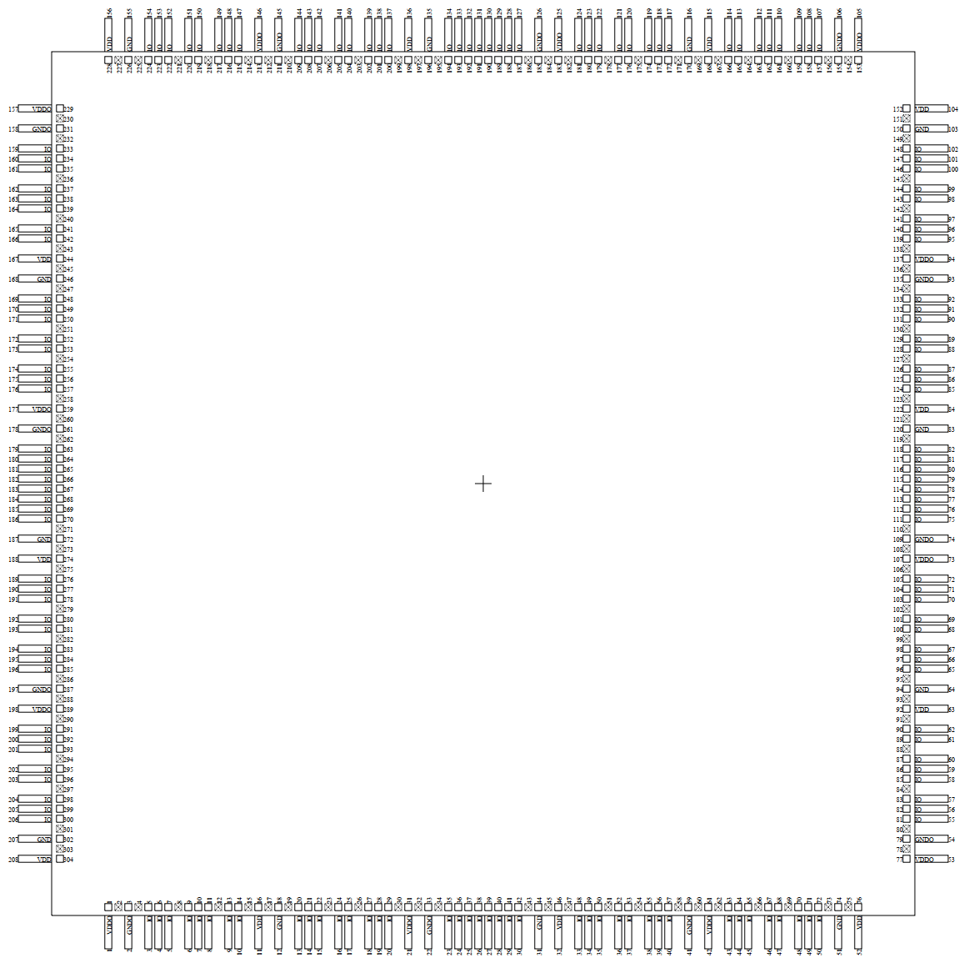
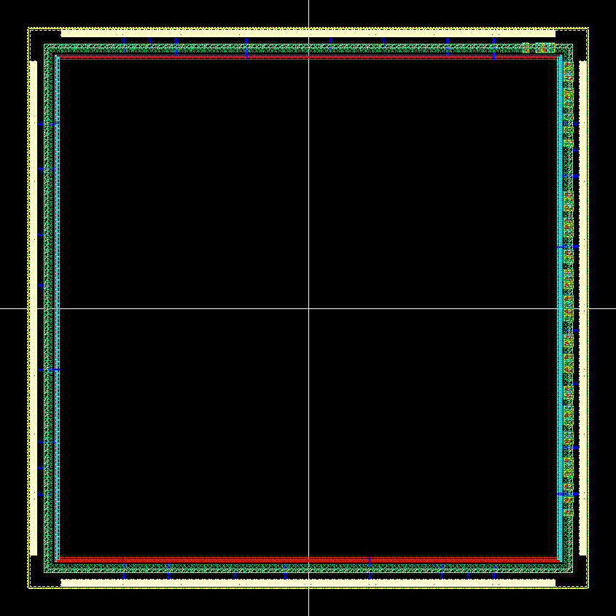

Fig.1 The pin place of the chip
Fig.2 The chip layout

IO Description
Back to Index

 | IO Description

 | I/O | Description | Layout Name | Provider
 | IOTH | Through (connect to pad directly) (ex) Power | IOTH | VDEC
 | IOD18IN | for 1.8 V Digital input signal | IOD18IN | VDEC
 | IOD18OUT | for 1.8 V Digital output signal | IOD18OUT | VDEC
 | IOD33IN | for 3.3 V Digital input signal | IOD33IN | VDEC
 | IOD33OUT | for 3.3 V Digital output signal | IOD33OUT | VDEC
 | IOA18 | ESD protection of VDEC for 1.8V Analog signal | IOA18 | VDEC
 | IOAROHM | ESD protection of ROHM for Analog signal | IOAROHM | ROHM

 | I/O | Description | Layout Name | Provider | IOについて
 | IOTH | ピンに直接つなぐ場合。 (ex) 電源 | IOTH | VDEC | ・IOの動作保障は致しかねますので、自己責任でお願いいたします。
 | IOD18IN | 1.8V用 デジタルインプット。デジタルバッファ込。 | IOD18IN | VDEC
 | IOD18OUT | 1.8V用 デジタルアウトプット。デジタルバッファ込。 | IOD18OUT | VDEC | ・ROHM提供のものは、PADサイズよりも大きいので、IOリングには入りません。
 | IOD33IN | 3.3V用 デジタルインプット。デジタルバッファ込。 | IOD33IN | VDEC | よって、これを用いる場合は、個人で配置配線を行ってください。
 | IOD33OUT | 3.3V用 デジタルアウトプット。デジタルバッファ込。 | IOD33OUT | VDEC | また、このESD保護素子は回路図がありません。
 | IOA18 | 1.8V用 ESD保護。ESD保護のみ。アナログ向け。 | IOA18 | VDEC
 | IOAROHM | ESD保護。アナログ用。ESD保護のみ。アナログ向け。 | IOAROHM | ROHM

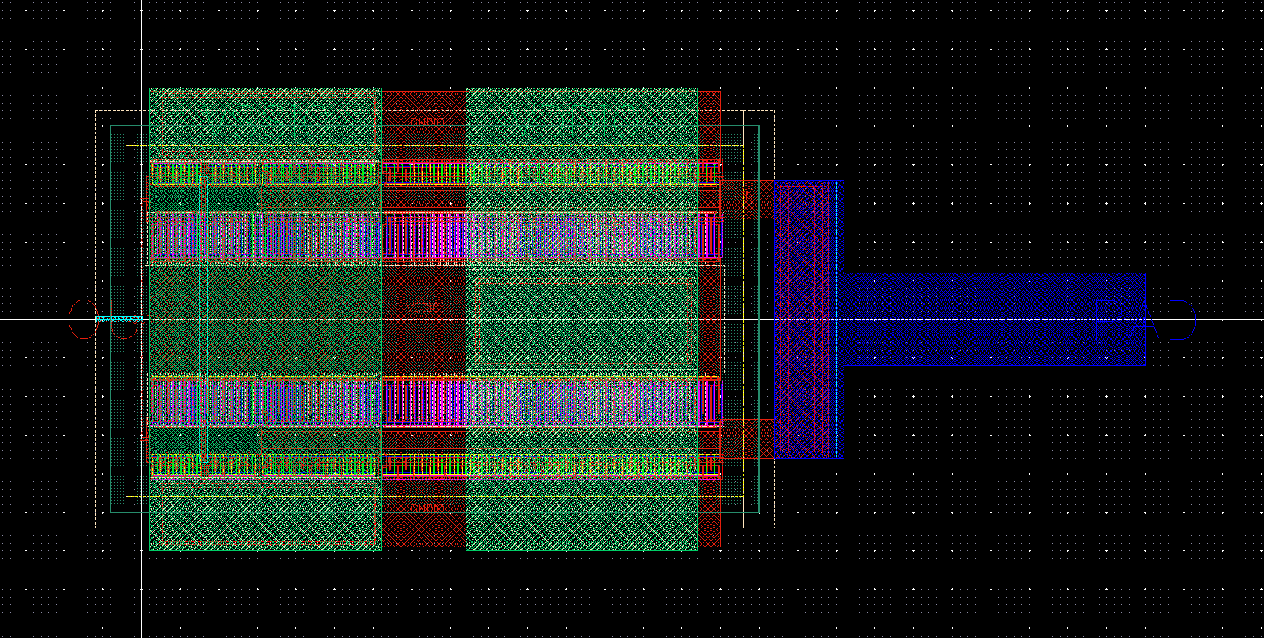
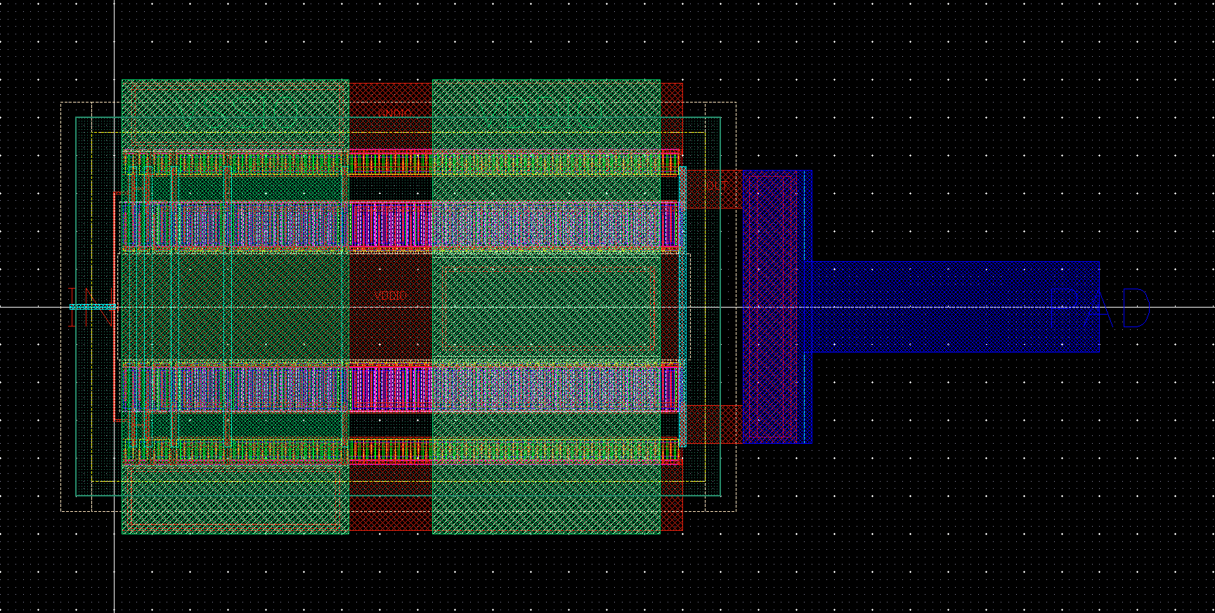

1.8DI Layout (IOD18IN)
1.8DO Layout (IOD18OUT)

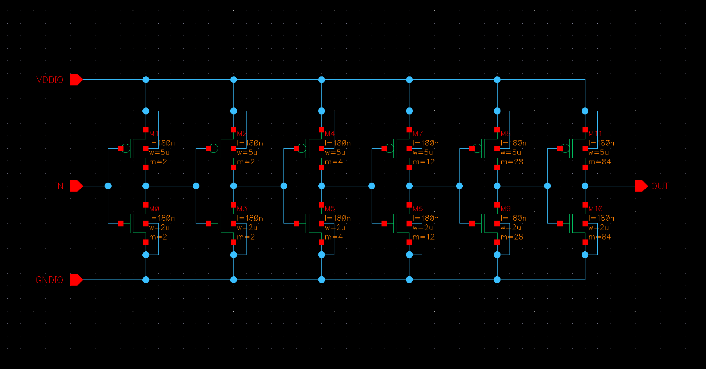
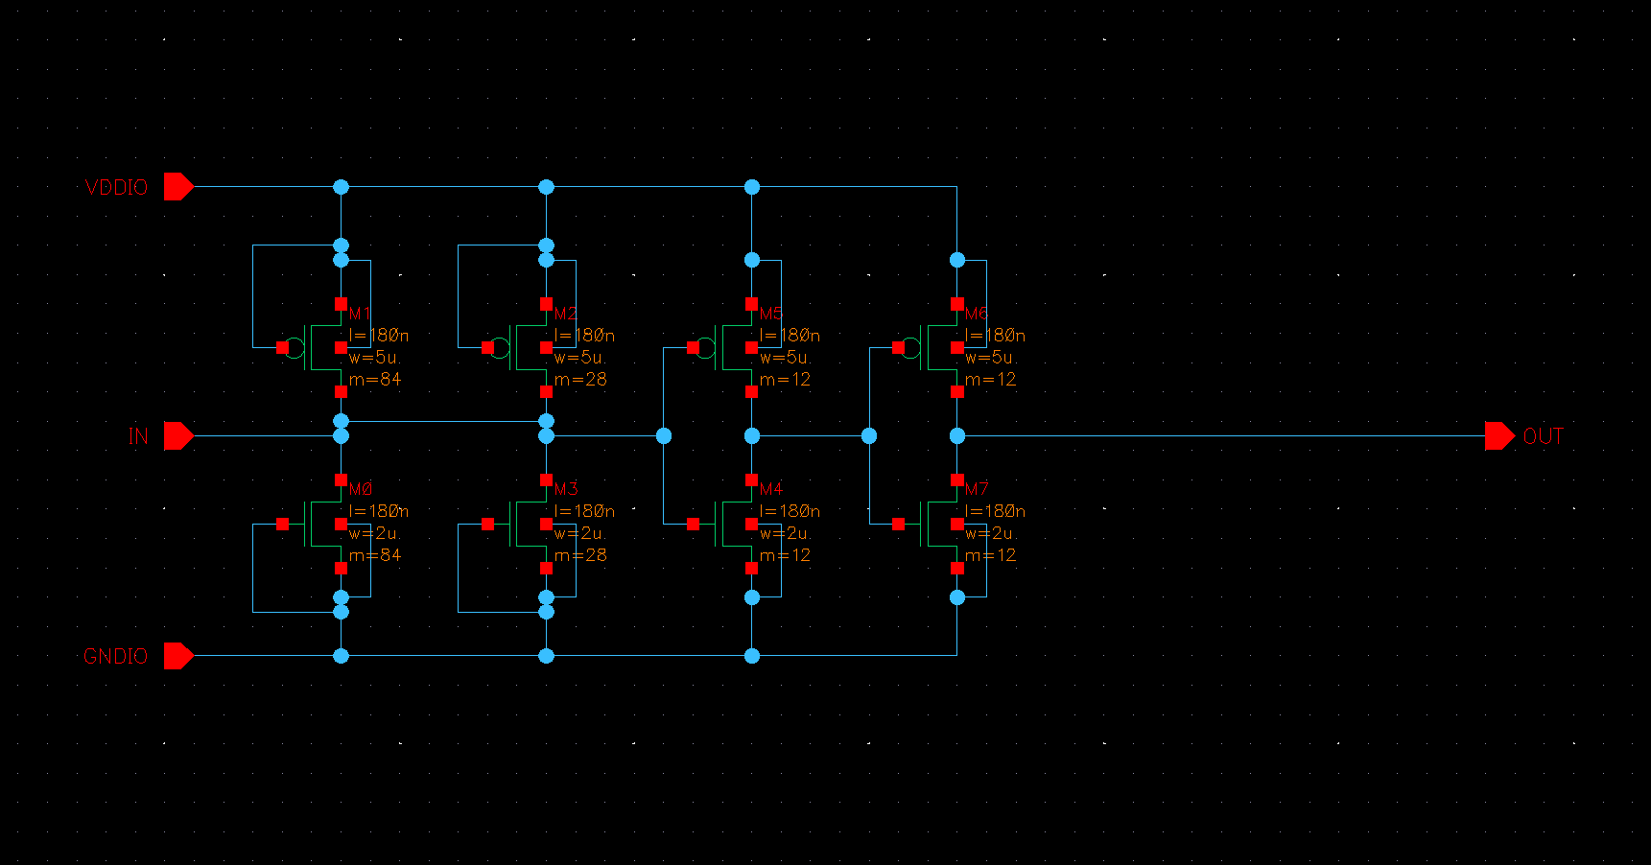

1.8DI Schematic (IOD18IN)
1.8DO Schematic (IOD18OUT)

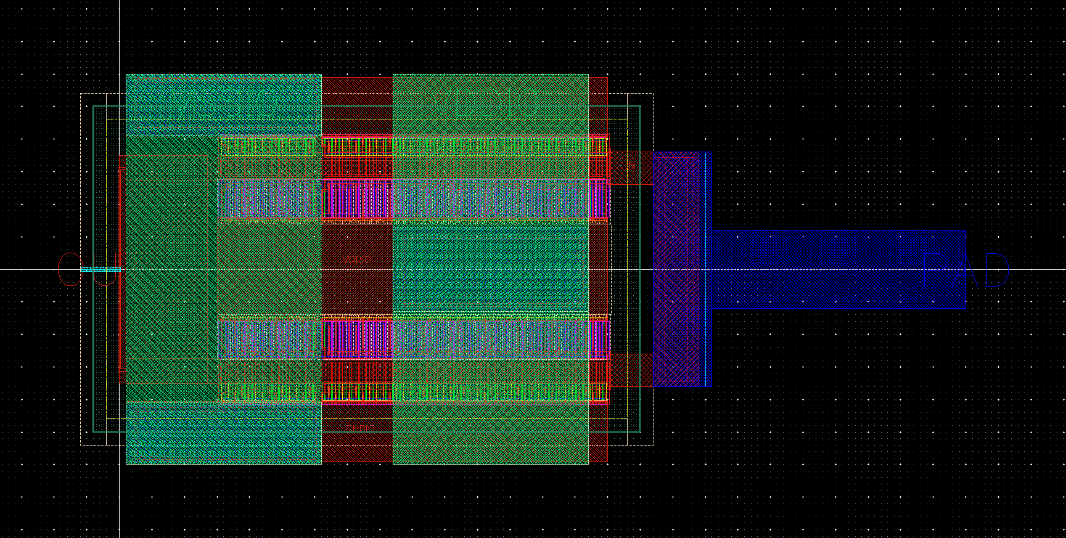
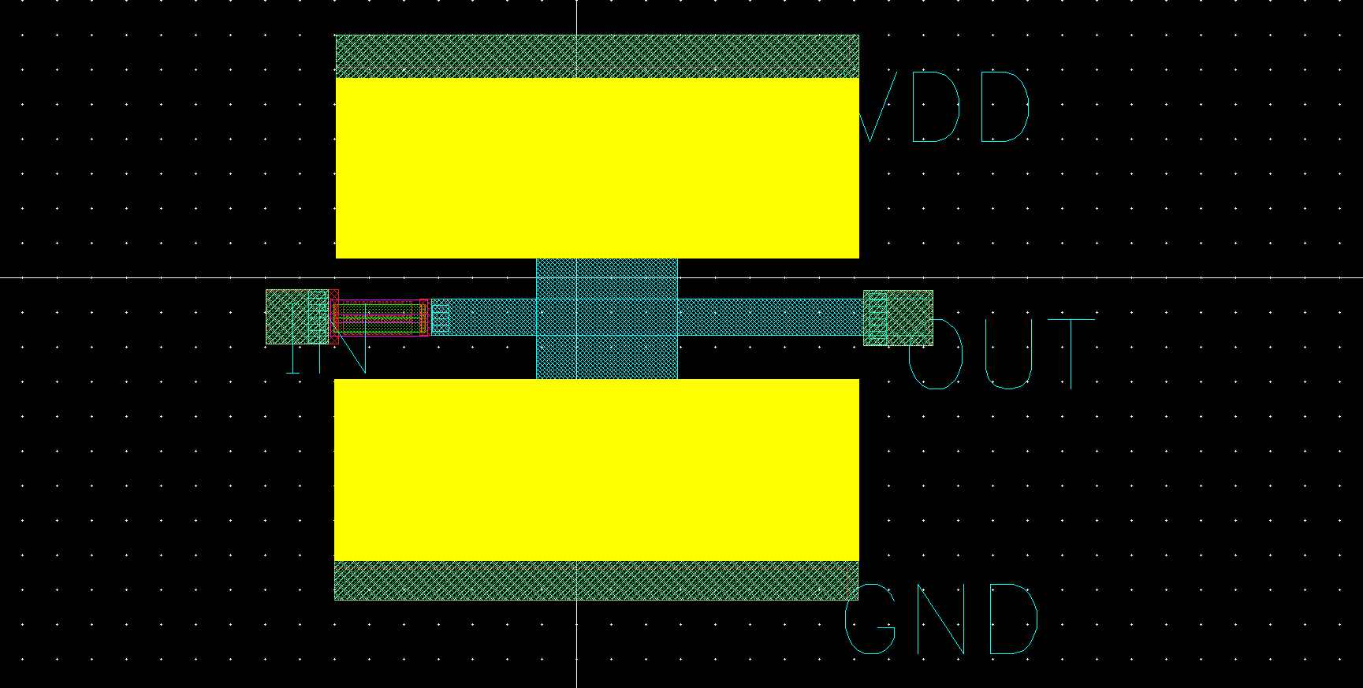

1.8V_ESDP Layout (IOA18)
R_ESDP Layout (IOAROHM)

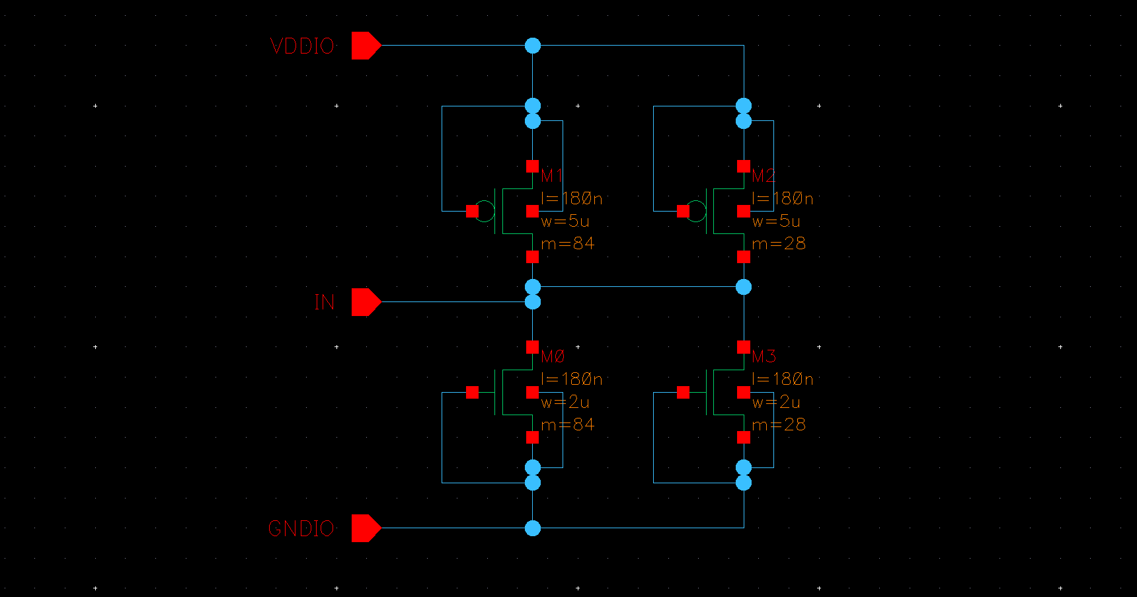

1.8V_ESDP Schematic (IOA18)

