Sheet1
TICKET TABLE

Survey table

Route table

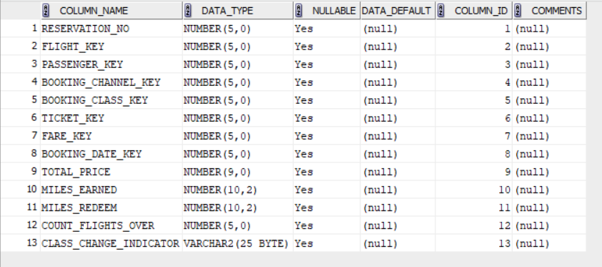

reservation fact table

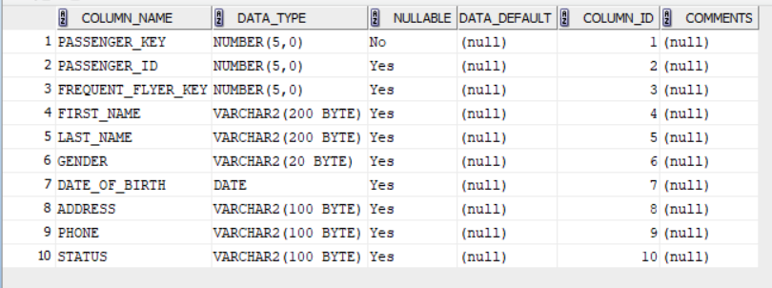

passenger table

airplane table

date table

booking channel table

frequent flyer table

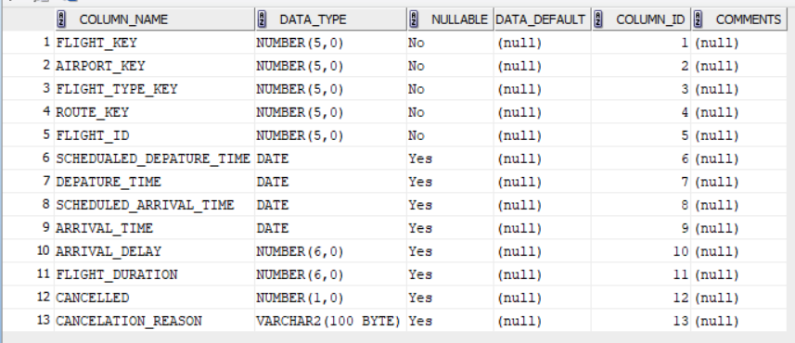

Flight table

Activity fact table

Frquent flyer category table

Fare table

Booking class table

Customer care fact table

Interatcion table

Flight type table

Location table

Airport table

